Sheet1
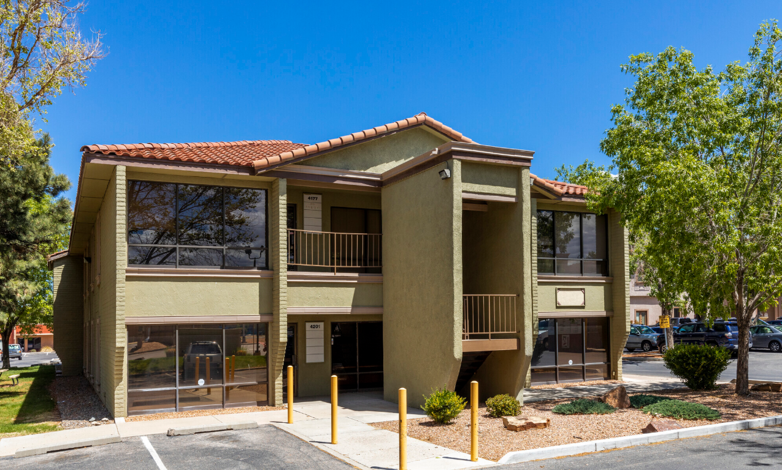
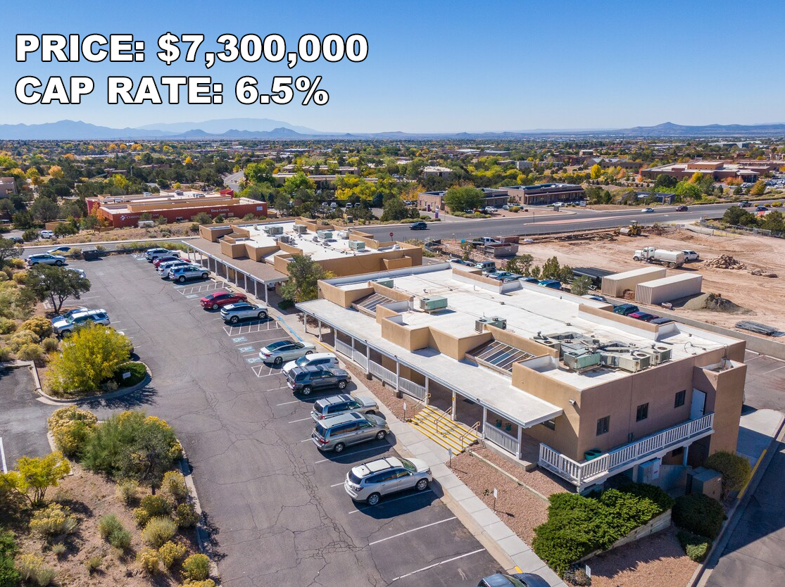
City | Zip Code | Total Building SF | SF Available | Monthly Asking Rent $/SF | Monthly Operating Expenses | Monthly Asking Gross $/SF | Annual Asking Gross $/SF | Asking Monthly Rent | Asking Annual Rent | Rent Type | Parking Ratio / 1,000 SF | TIA ($/SF/Yr) | Total # of Parking Spaces | Build Class | Year Built | Notes | Photo
City A | 12345 | 10000 | 5000 | 2.5 | 1 | 3.5 | 42 | 12500 | 150000 | NNN | 4 | 10 | 40 | A | 1990 | Prime location
City B | 67890 | 20000 | 10000 | 2 | 1.2 | 3.2 | 38.4 | 20000 | 240000 | Gross | 3 | 12 | 60 | B | 2000 | Newly renovated
City C | 54321 | 15000 | 7500 | 2.8 | 1.1 | 3.9 | 46.8 | 21000 | 252000 | NNN | 5 | 8 | 75 | C | 1985 | Great visibility

