Sheet1
2.2 Review Questions
Bookmark this page
2.2 R1
1 point possible (graded)
A hypercube with side length 1 in d dimensions is defined to be the set of points (x1, x2, ..., xd) such that 0≤xj≤1 for all j = 1, 2, ..., d. The boundary of the hypercube is defined to be the set of all points such that there exists a j for which 0≤xj≤.05 or .95≤xj≤1 (namely, the boundary is the set of all points that have at least one dimension in the most extreme 10% of possible values). What proportion of the points in a hypercube of dimension 50 are in the boundary? (hint: you may want to calculate the volume of the non-boundary region) | Volume | 1
 | Volume of interior | 0.0051537752073
Please give your answer as a value between 0 and 1 with 3 significant digits. If you think the answer is 50.52%, you should say 0.505: | Volume of boundary | 0.99484622479

3.2.R1
1 point possible (graded) | asks for higher limit of confidence interval
We run a linear regression and the slope estimate is 0.5 with estimated standard error of 0.2. What is the largest value of b for which we would NOT reject the null hypothesis that β1=b? (assume normal approximation to t distribution, and that we are using the 5% significance level for a two-sided test; need two significant digits of accuracy) | 0.9000

3.5.R1
1 point possible (graded)
According to the model for sales vs TV interacted with radio, what is the effect of an additional $1 of radio advertising if TV=$50? (with 4 decimal accuracy) | 1.0389
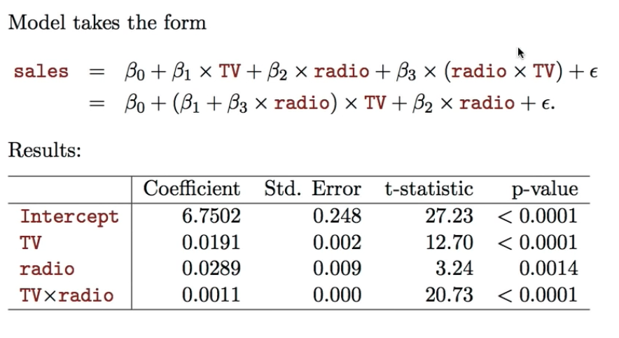
 | 1.1228
 | 0.0839

 | 0.3039000

3.5.R2
1 point possible (graded)
What if TV=$250? (with 4 decimal accuracy) | 5.0789
 | 5.3828
 | 0.3039

