Sheet1
2.2 Review Questions
Bookmark this page
2.2 R1
1 point possible (graded)
A hypercube with side length 1 in d dimensions is defined to be the set of points (x1, x2, ..., xd) such that 0≤xj≤1 for all j = 1, 2, ..., d. The boundary of the hypercube is defined to be the set of all points such that there exists a j for which 0≤xj≤.05 or .95≤xj≤1 (namely, the boundary is the set of all points that have at least one dimension in the most extreme 10% of possible values). What proportion of the points in a hypercube of dimension 50 are in the boundary? (hint: you may want to calculate the volume of the non-boundary region) | Volume | 1
 | Volume of interior | 0.0051537752073
Please give your answer as a value between 0 and 1 with 3 significant digits. If you think the answer is 50.52%, you should say 0.505: | Volume of boundary | 0.99484622479

3.2.R1
1 point possible (graded) | asks for higher limit of confidence interval
We run a linear regression and the slope estimate is 0.5 with estimated standard error of 0.2. What is the largest value of b for which we would NOT reject the null hypothesis that β1=b? (assume normal approximation to t distribution, and that we are using the 5% significance level for a two-sided test; need two significant digits of accuracy) | 0.9000

3.5.R1
1 point possible (graded)
According to the model for sales vs TV interacted with radio, what is the effect of an additional $1 of radio advertising if TV=$50? (with 4 decimal accuracy) | 1.0389
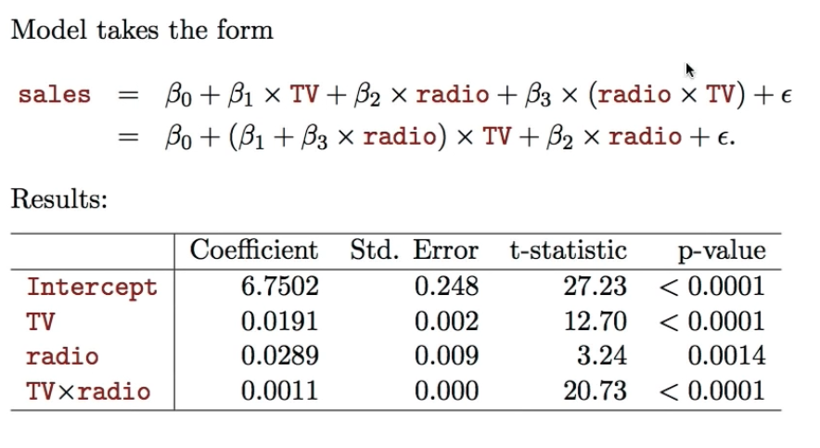
 | 1.1228
 | 0.0839

 | 0.3039000

3.5.R2
1 point possible (graded)
What if TV=$250? (with 4 decimal accuracy) | 5.0789
 | 5.3828
 | 0.3039

4.3.R1
1 point possible (graded)
Suppose we collect data for a group of students in a statistics class with variables X1= hours studied, X2= undergrad GPA, and Y= receive an A. We fit a logistic regression and produce estimated coefficients β^o=−6,β^1=0.05,β^2=1.
 | Calculation:
Estimate the probability that a student who studies for 40h and has an undergrad GPA of 3.5 gets an A in the class (within 0.01 accuracy): | 0.000
0.38 | 2.71828
 | 1.000000000000000
4.3.R2 | 2.000000000000000
1/1 point (graded) | 0.5
How many hours would that student need to study to have a 50% chance of getting an A in the class?:
50 hours

4.5 R1
1 point possible (graded)
Suppose that in Ad Clicks (a problem where you try to model if a user will click on a particular ad) it is well known that the majority of the time an ad is shown it will not be clicked. What is another way of saying that?
Ad Clicks have a low Prior Probability

