Pivot Table
Store vs Revenue
Row Labels | Sum of Total
STORE0 | ₹ 85,139
STORE1 | ₹ 101,061
STORE10 | ₹ 109,454
STORE11 | ₹ 93,048
STORE12 | ₹ 116,829
STORE13 | ₹ 114,401
STORE14 | ₹ 106,248
STORE15 | ₹ 99,679
STORE16 | ₹ 111,705
STORE17 | ₹ 122,529
STORE18 | ₹ 104,313
STORE19 | ₹ 94,186
STORE2 | ₹ 98,961
STORE3 | ₹ 125,012
STORE4 | ₹ 118,814
STORE5 | ₹ 82,232
STORE6 | ₹ 114,534
STORE7 | ₹ 108,039
Payment Type Vs Revenue
STORE8 | ₹ 158,971
STORE9 | ₹ 110,102
Grand Total | ₹ 2,175,258

Row Labels | Sum of Total
COD | ₹ 703,700.54
Credit Card | ₹ 714,842.56
PayPal | ₹ 756,714.87
Grand Total | ₹ 2,175,257.97

Products vs Revenue
Row Labels | Count of Quantity
PROD15 | 29
PROD17 | 29
PROD19 | 27
PROD34 | 31
PROD37 | 29
PROD39 | 32
PROD46 | 28
PROD59 | 28
PROD83 | 27
PROD94 | 30
Grand Total | 290

Discount vs Revenue
Row Labels | Sum of Total
3% | ₹ 82,934
5% | ₹ 101,695
6% | ₹ 104,379
10% | ₹ 96,759
11% | ₹ 87,080
Grand Total | ₹ 472,847

Customer vs Revenue
Row Labels | Sum of Total
CUST1013 | ₹ 13,006
CUST1054 | ₹ 11,837
CUST1057 | ₹ 14,803
CUST1067 | ₹ 13,611
CUST1084 | ₹ 15,477
CUST1168 | ₹ 13,209
CUST1219 | ₹ 17,148
CUST1319 | ₹ 13,620
CUST1470 | ₹ 11,987
CUST1485 | ₹ 12,657
Grand Total | ₹ 137,354

Yearwise Revenue
Row Labels | Sum of Total
2023 | ₹ 224,165
2024 | ₹ 1,093,872
2025 | ₹ 857,220
Grand Total | ₹ 2,175,258

Dashboard
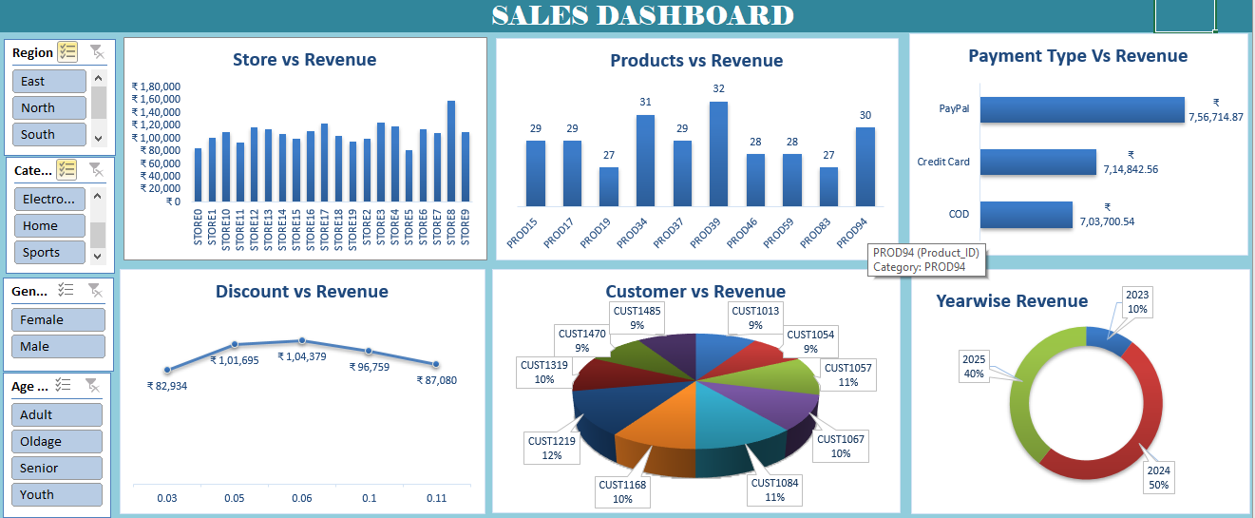
SALES DASHBOARD
Store vs Revenue
 | Total
STORE0 | ₹ 85,139
STORE1 | ₹ 101,061
STORE10 | ₹ 109,454
STORE11 | ₹ 93,048
STORE12 | ₹ 116,829
STORE13 | ₹ 114,401
STORE14 | ₹ 106,248
STORE15 | ₹ 99,679
STORE16 | ₹ 111,705
STORE17 | ₹ 122,529
STORE18 | ₹ 104,313
STORE19 | ₹ 94,186
STORE2 | ₹ 98,961
STORE3 | ₹ 125,012
STORE4 | ₹ 118,814
STORE5 | ₹ 82,232
STORE6 | ₹ 114,534
STORE7 | ₹ 108,039
STORE8 | ₹ 158,971
STORE9 | ₹ 110,102
Products vs Revenue
 | Total
PROD15 | 29
PROD17 | 29
PROD19 | 27
PROD34 | 31
PROD37 | 29
PROD39 | 32
PROD46 | 28
PROD59 | 28
PROD83 | 27
PROD94 | 30
Payment Type Vs Revenue
 | Total
COD | ₹ 703,700.54
Credit Card | ₹ 714,842.56
PayPal | ₹ 756,714.87

Discount vs Revenue
 | Total
0.03 | ₹ 82,934
0.05 | ₹ 101,695
0.06 | ₹ 104,379
0.1 | ₹ 96,759
0.11 | ₹ 87,080
Customer vs Revenue
 | Total
CUST1013 | ₹ 13,006
CUST1054 | ₹ 11,837
CUST1057 | ₹ 14,803
CUST1067 | ₹ 13,611
CUST1084 | ₹ 15,477
CUST1168 | ₹ 13,209
CUST1219 | ₹ 17,148
CUST1319 | ₹ 13,620
CUST1470 | ₹ 11,987
CUST1485 | ₹ 12,657
Yearwise Revenue
 | Total
2023 | ₹ 224,165
2024 | ₹ 1,093,872
2025 | ₹ 857,220

