1
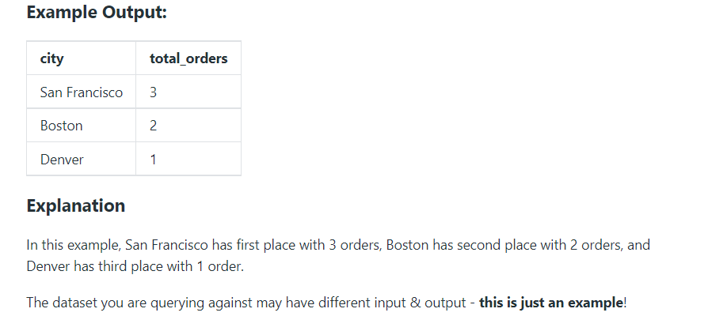
Go_To_Index |  |  | You are given the tables below containing information on Robinhood trades and users. Write a query to list the top three cities that have the most completed trade orders in descending order. Output the city and number of orders.
trades Table:
Column Name | Type | CREATE TABLE TRADES (ORDER_ID INTEGER, USER_ID INTEGER, PRICE DECIMAL(20,2), QUANTITY INTEGER, STATUS TEXT, TIMESTAMP TIMESTAMP_NTZ);
order_id | integer
user_id | integer
price | decimal
quantity | integer
status | string('Completed' ,'Cancelled')
timestamp | datetime

order_id | user_id | quantity | status | timestamp | price
100101 | 111 | 10 | Cancelled | 8/17/22 | 9.8 | 2022-08-17 12:00:00 | INSERT INTO TRADES (order_id,user_id,quantity,status,timestamp,price) VALUES (100101,111,10,'Cancelled','2022-08-17 12:00:00',9.8);
100102 | 111 | 10 | Completed | 8/17/22 | 10 | 2022-08-17 12:00:00 | INSERT INTO TRADES (order_id,user_id,quantity,status,timestamp,price) VALUES (100102,111,10,'Completed','2022-08-17 12:00:00',10);
100264 | 148 | 40 | Completed | 8/26/22 | 4.8 | 2022-08-26 12:00:00 | INSERT INTO TRADES (order_id,user_id,quantity,status,timestamp,price) VALUES (100264,148,40,'Completed','2022-08-26 12:00:00',4.8);
100305 | 300 | 15 | Completed | 9/5/22 | 10 | 2022-09-05 12:00:00 | INSERT INTO TRADES (order_id,user_id,quantity,status,timestamp,price) VALUES (100305,300,15,'Completed','2022-09-05 12:00:00',10);
100909 | 488 | 1 | Completed | 7/5/22 | 6.5 | 2022-07-05 12:00:00 | INSERT INTO TRADES (order_id,user_id,quantity,status,timestamp,price) VALUES (100909,488,1,'Completed','2022-07-05 12:00:00',6.5);
100259 | 148 | 35 | Completed | 8/25/22 | 5.1 | 2022-08-25 12:00:00 | INSERT INTO TRADES (order_id,user_id,quantity,status,timestamp,price) VALUES (100259,148,35,'Completed','2022-08-25 12:00:00',5.1);
100900 | 148 | 50 | Completed | 7/14/22 | 9.78 | 2022-07-14 12:00:00 | INSERT INTO TRADES (order_id,user_id,quantity,status,timestamp,price) VALUES (100900,148,50,'Completed','2022-07-14 12:00:00',9.78);
101432 | 265 | 10 | Completed | 8/16/22 | 13 | 2022-08-16 12:00:00 | INSERT INTO TRADES (order_id,user_id,quantity,status,timestamp,price) VALUES (101432,265,10,'Completed','2022-08-16 12:00:00',13);
102533 | 488 | 25 | Cancelled | 11/10/22 | 22.4 | 2022-11-10 12:00:00 | INSERT INTO TRADES (order_id,user_id,quantity,status,timestamp,price) VALUES (102533,488,25,'Cancelled','2022-11-10 12:00:00',22.4);
100565 | 265 | 2 | Completed | 9/27/22 | 8.7 | 2022-09-27 12:00:00 | INSERT INTO TRADES (order_id,user_id,quantity,status,timestamp,price) VALUES (100565,265,2,'Completed','2022-09-27 12:00:00',8.7);
100400 | 178 | 32 | Completed | 9/17/22 | 12 | 2022-09-17 12:00:00 | INSERT INTO TRADES (order_id,user_id,quantity,status,timestamp,price) VALUES (100400,178,32,'Completed','2022-09-17 12:00:00',12);
100777 | 178 | 60 | Completed | 7/25/22 | 3.56 | 2022-07-25 17:47:00 | INSERT INTO TRADES (order_id,user_id,quantity,status,timestamp,price) VALUES (100777,178,60,'Completed','2022-07-25 17:47:00',3.56);

users Table:
Column Name | Type | CREATE TABLE USERS
user_id | integer | (USER_ID INTEGER,
city | string | CITY TEXT,
email | string | EMAIL TEXT,
signup_date | datetime | SIGNUP_DATE TIMESTAMP_NTZ);

user_id | city | email | signup_date
178 | San Francisco | harrypotterfan182@gmail.com | 1/5/22 | 2022-01-05 12:00:00 | INSERT INTO USERS (user_id,city,email,signup_date) VALUES (178,'San Francisco','harrypotterfan182@gmail.com','2022-01-05 12:00:00');
111 | San Francisco | rrok10@gmail.com | 8/3/21 | 2021-08-03 12:00:00 | INSERT INTO USERS (user_id,city,email,signup_date) VALUES (111,'San Francisco','rrok10@gmail.com','2021-08-03 12:00:00');
148 | Boston | sailor9820@gmail.com | 8/20/21 | 2021-08-20 12:00:00 | INSERT INTO USERS (user_id,city,email,signup_date) VALUES (148,'Boston','sailor9820@gmail.com','2021-08-20 12:00:00');
265 | Denver | shadower_@hotmail.com | 2/26/22 | 2022-02-26 12:00:00 | INSERT INTO USERS (user_id,city,email,signup_date) VALUES (265,'Denver','shadower_@hotmail.com','2022-02-26 12:00:00');
300 | San Francisco | houstoncowboy1122@hotmail.com | 6/30/22 | 2022-06-30 12:00:00 | INSERT INTO USERS (user_id,city,email,signup_date) VALUES (300,'San Francisco','houstoncowboy1122@hotmail.com','2022-06-30 12:00:00');
488 | New York | empire_state78@outlook.com | 7/3/22 | 2022-07-03 12:00:00 | INSERT INTO USERS (user_id,city,email,signup_date) VALUES (488,'New York','empire_state78@outlook.com','2022-07-03 12:00:00');

2
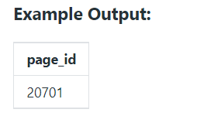
 |  |  |  | Page With No Likes
pages
Column Name | Type | CREATE TABLE PAGES(PAGE_ID INTEGER, page_name TEXT);
page_id | integer
page_name | varchar

page_id | page_name
20001 | SQL Solutions | INSERT INTO PAGES (page_id,page_name) VALUES (20001,'SQL Solutions');
20045 | Brain Exercises | INSERT INTO PAGES (page_id,page_name) VALUES (20045,'Brain Exercises');
20701 | Tips for Data Analysts | INSERT INTO PAGES (page_id,page_name) VALUES (20701,'Tips for Data Analysts');
31111 | Postgres Crash Course | INSERT INTO PAGES (page_id,page_name) VALUES (31111,'Postgres Crash Course');
32728 | Break the thread | INSERT INTO PAGES (page_id,page_name) VALUES (32728,'Break the thread');

page_likes
Column Name | Type | CREATE TABLE PAGE_LIKES
user_id | integer | (USER_ID INTEGER,
page_id | integer | PAGE_ID INTEGER,
liked_date | datetime | LIKED_DATE TIMESTAMP_NTZ);

user_id | page_id | liked_date
111 | 20001 | 4/8/22 | 2022-04-08 00:00:00 | INSERT INTO PAGE_LIKES (user_id,page_id,liked_date) VALUES (111,20001,'2022-04-08 00:00:00');
121 | 20045 | 3/12/22 | 2022-03-12 00:00:00 | INSERT INTO PAGE_LIKES (user_id,page_id,liked_date) VALUES (121,20045,'2022-03-12 00:00:00');
156 | 20001 | 7/25/22 | 2022-07-25 00:00:00 | INSERT INTO PAGE_LIKES (user_id,page_id,liked_date) VALUES (156,20001,'2022-07-25 00:00:00');

3
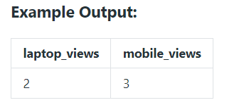
 |  |  |  | Laptop vs Mobile Viewership
viewership
Column Name | Type | CREATE TABLE VIEWERSHIP
user_id | integer | (USER_ID INTEGER,
device_type | string ("laptop", "tablet", "phone") | DEVICE_TYPE TEXT,
view_time | timestamp | VIEW_TIME TIMESTAMP_NTZ);

user_id | device_type | view_time
123 | tablet | 1/2/22 | 2022-01-02 00:00:00 | INSERT INTO VIEWERSHIP (USER_ID,DEVICE_TYPE,VIEW_TIME) VALUES(123,'tablet','2022-01-02 00:00:00');
125 | laptop | 1/7/22 | 2022-01-07 00:00:00 | INSERT INTO VIEWERSHIP (USER_ID,DEVICE_TYPE,VIEW_TIME) VALUES(125,'laptop','2022-01-07 00:00:00');
128 | laptop | 2/9/22 | 2022-02-09 00:00:00 | INSERT INTO VIEWERSHIP (USER_ID,DEVICE_TYPE,VIEW_TIME) VALUES(128,'laptop','2022-02-09 00:00:00');
129 | phone | 2/9/22 | 2022-02-09 00:00:00 | INSERT INTO VIEWERSHIP (USER_ID,DEVICE_TYPE,VIEW_TIME) VALUES(129,'phone','2022-02-09 00:00:00');
145 | tablet | 2/24/22 | 2022-02-24 00:00:00 | INSERT INTO VIEWERSHIP (USER_ID,DEVICE_TYPE,VIEW_TIME) VALUES(145,'tablet','2022-02-24 00:00:00');

