Git
git config –global user.name “[name]”
git config –global user.email “[email address]”
Git init
git config
git init | Working Area | Staging Area | Local Repo | Central Repo
git clone
git add
git commit
git diff
git reset
git status
git rm
git log
git show
git tag
git branch
git checkout
git merge
git remote
git push
git pull
git stash
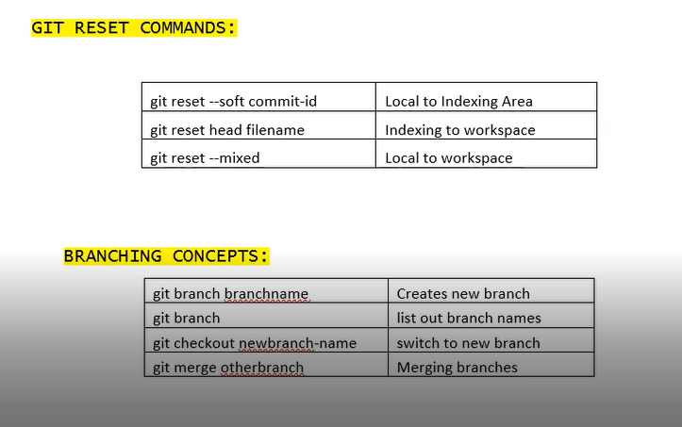

git stash list | Temprovery storage
Git stash save <Filename>
git stash apply | copy paste
git stash pop | cut paste
git stash drop | delete

