Sheet1
DEFECT REPORT
Category | Titles | Input
Defect id | I D Number | 1
 | Name | Email text field working as mandatory (*) Asterisk symbol condition not present .
 | Hyper Link | Why dr. madan ?
Defect Details | Reporter | M.Alam
 | Summary | NAME and CONTACT NO. working as mandatory but Email text field also working as mandatory (*) Asterisk symbol condition is not present in EMAIL text field.
 | Brief Description.- | When user enters all the valid data into NAME , and CONTACT NO text field (if EMAIL text field remain without input), it is not accepting. NOTE- Email text field function like mandatory field, but mandatory (*)Asterisk condition not present.
 | Steps to reproduce | 1)Open the application (drhairskin.in). 2)Click on hyper link why dr madan ? 3)Enter the valid input into NAME , CONTACT NO.
 | Priority | P1
 | Severity | Critical
 | Assigned To | XYZ
 | Screenshot | 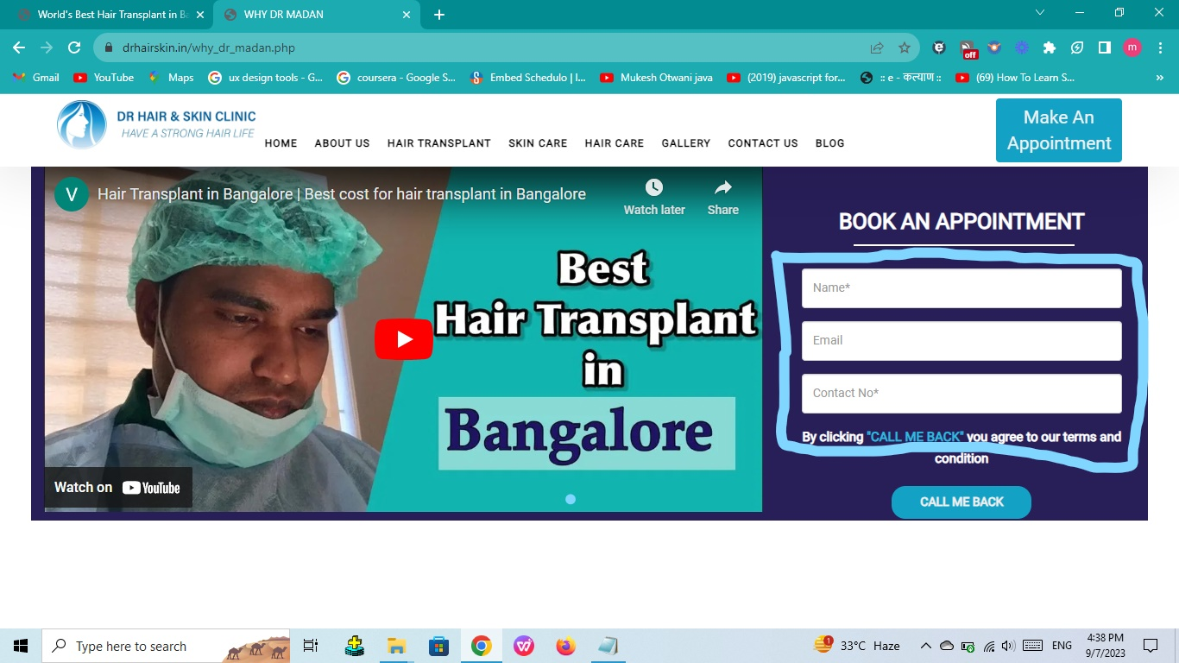
Results | Expected Results | It should accept.
 | Actual Results | It is not accepting.
Environment /Platform. | Version | 116.0.5845.179
 | Browser | Chrome Browser
 | Operating System | Windows
Category | Titles | Input
Defect id | I D Number | 2
 | Name | After DR full stop is missing.
 | Hyper Link | why dr madan ?
Defect Details | Reporter | M.Alam
 | Summary | After DR full stop is missing, it is neccessary to use full stop (.) after DR, As it is displaying on front page of the application.
 | Brief Description.- | When user open DR HAIR AND SKIN CLINIC page by clicking hyper link why dr madan ?, and scroll down, it will display WHY DR MADAN headline without full stop(.) next to DR.
 | Steps to reproduce | 1)Open the application (drhairskin.in). 2)Click on hyper link why dr madan ? 3)DR HAIR AND SKIN CLINIC page will display. 4)Scroll down.(Check Headline WHY DR MADAN).
 | Priority | P3
 | Severity | Minor
 | Assigned To | XYZ
 | Screenshot | 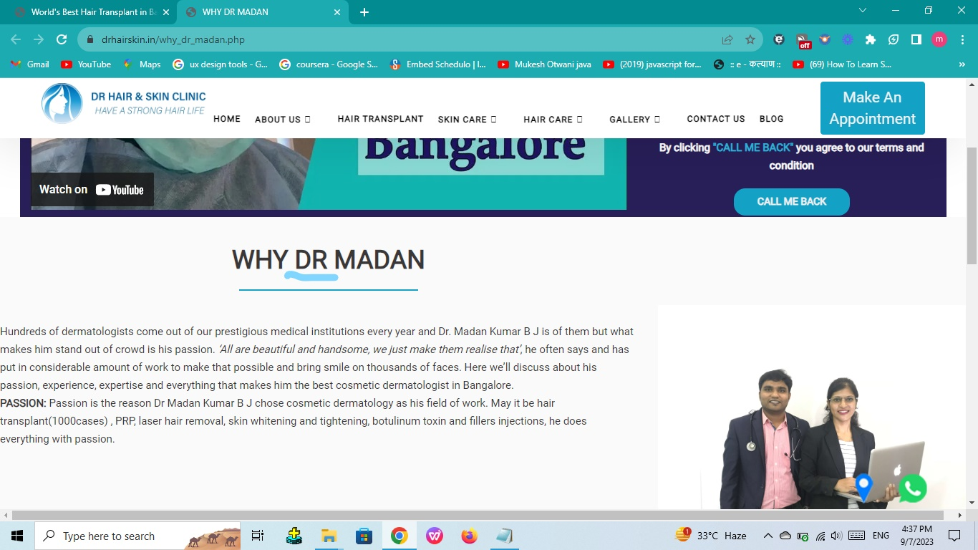
Results | Expected Results | It should display full stop next to DR.
 | Actual Results | full stop is not displayed.
Environment /Platform. | Version | 116.0.5845.179
 | Operating System | Windows
 | Browser | Chrome Browser
Category | Titles | Input
Defect Details | I D Number | 3
 | Name | Hyper links categories are missing numbered in serial number.
 | Hyper Link | SELECTING A RIGHT HAIR TRANSPLANT CLINIC.
Defect Details | Reporter | M.Alam
 | Summary | SKIN CARE and HAIR CARE hyper link categories are not numbered in serial number as QUICK LINKS hyper link categories are numbered.
 | Brief Description.-
 | Steps to reproduce | 1)Open the application (drhairskin.in). 2)Click on hyper link SELECTING A RIGHT HAIR TRANSPLANT CLINIC. 3)Scroll down to the bottom of the page. 4)Bottom of the page, footer of the page will display in blue color.
 | Priority | P3
 | Severity | Minor
 | Assigned To | XYZ
 | Screenshot | 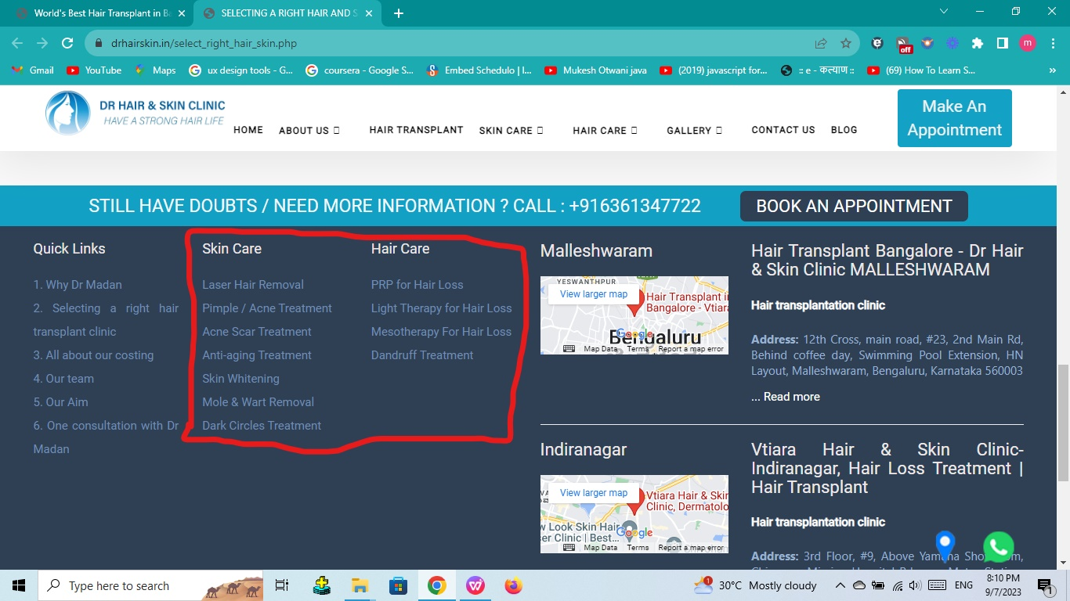
Results | Actual Results | It is not displaying serial number.
 | Expected Results | It should display serial number.
Environment /Platform. | Operating System | Windows
 | Version | 116.0.5845.179
 | Browser | Chrome Browser
Category | Titles | Input
Defect id | I D Number | 4
 | Name | Paragraph are not alligned.
 | Hyper Link | ALL ABOUT OUR COSTING.
Defect Details | Reporter | M.Alam
 | Summary | Second Paragraph LASER HAIR REMOVAL and third paragraph PRP HAIR TREATMENT are not alligned as first paragraph ALL ABOUT OUR COSTING.
 | Brief Description.-
 | Steps to reproduce | 1)Open the application (drhairskin.in). 2)Click on hyper link SELECTING A RIGHT HAIR TRANSPLANT CLINIC. 3)Scroll down to the bottom of the page. 4)Body of the web page will display.
 | Priority | P3
 | Severity | Minor
 | Assigned To | XYZ
. | Screenshot | 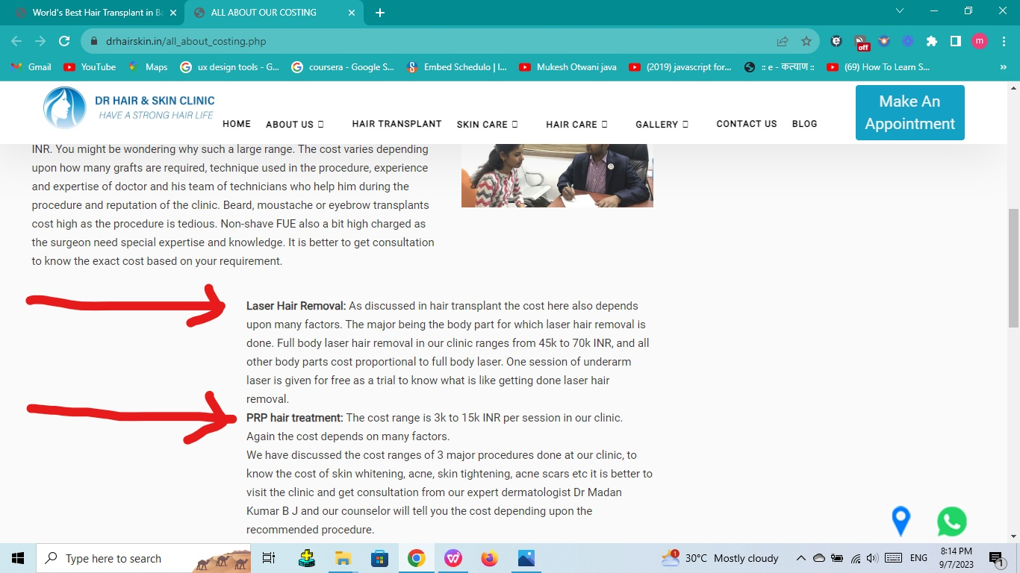
Environment /Platform. | Operating System | Windows
 | Version | 116.0.5845.179
 | Browser | Chrome Browser
Results | Actual Results | Paragraph are not alligned.
 | Expected Results | Paragraph should alligned.
Category | Titles | Input
Defect id | I D Number | 5
 | Name | BLOG and CONTACT US module displaying same WHY DR MADAN ?page .
 | Hyper Link | OUR TEAM
Defect Details | Reporter | M.Alam
 | Summary | When user clicks on BLOG and CONTACT US module separately top navigation bar, it is displaying same WHY DR MADAN ?page .
 | Brief Description.-
 | Steps to reproduce | 1)Open the application (drhairskin.in). 2)Click on hyper link OUR TEAM 3)Click on BLOG and CONTACT US separately on by one.
 | Priority | P1
 | Severity | Critical
 | Assigned To | XYZ
 | Screenshot | 
Environment /Platform. | Operating System | Windows
 | Version | 116.0.5845.179
 | Browser | Chrome Browser
Results | Actual Results | It is displaying same WHY DR MADAN ?page .
 | Expected Results | It should not display BLOG and CONTACT US page .
Category | Titles | Input
Defect id | I D Number | 6
 | Name | Apostrophe comma mark is missing under paragraph on front page.
 | Hyper Link | OUR AIM
Defect Details | Reporter | M.Alam
 | Summary | Paragraph one and paragraph two using copy pasted question mark symbol, Here Apostrophe comma is missing and it is required.
 | Brief Description.-
 | Steps to reproduce | 1)Open the application (drhairskin.in). 2)Click on hyper link OUR AIM. 3)Scroll down.
 | Priority | P3
 | Severity | Minor
 | Assigned To | XYZ
. | Screenshot | 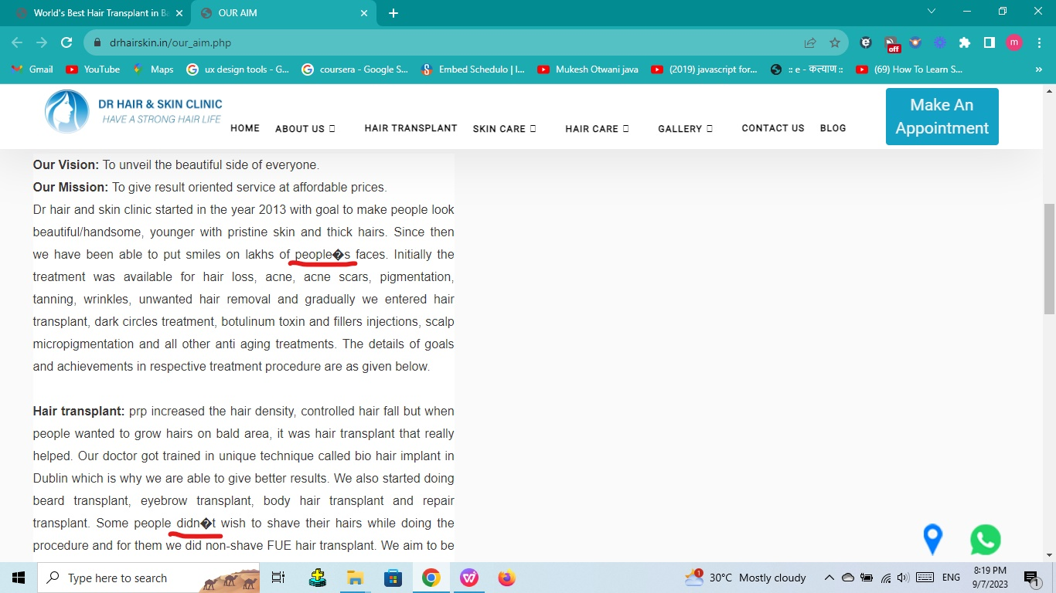
Environment /Platform. | Operating System | Windows
 | Version | 116.0.5845.179
 | Browser | Chrome Browser
Results | Actual Results | It is not displaying question mark.
 | Expected Results | It should display Apostrophe comma mark.
Category | Titles | Input
Defect id | I D Number | 7
 | Name | Full stop is missing next to DR and Pronoun HE is not required whole sentence meaning changed.
 | Hyper Link | ONE CONSULTATION WITH DR. MADAN.
Defect Details | Reporter | M.Alam
 | Summary | Full stop is missing next to DR and Pronoun HE is not required whole sentence meaning changed.
 | Brief Description.-
 | Steps to reproduce | 1)Open the application (drhairskin.in). 2)Click on hyper link ONE CONSULTATION WITH DR. MADAN. 3)Scroll down.
 | Priority | P1
 | Severity | Critical
 | Assigned To | XYZ
 | Screenshot | 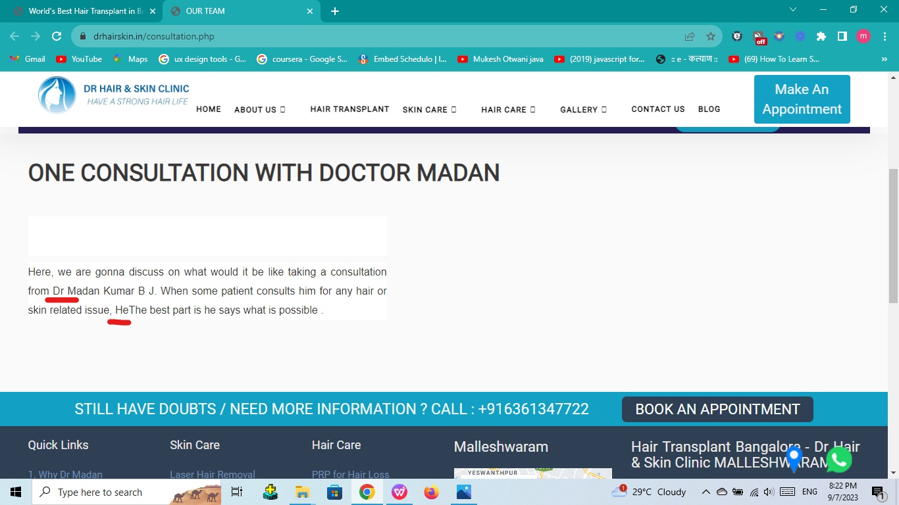
Environment /Platform. | Operating System | Windows
 | Version | 116.0.5845.179
 | Browser | Chrome Browser
Results | Actual Results | It is not displaying Full stop next to DR and Pronoun HE is mentioned.
 | Expected Results | It should display Full stop next to DR and Pronoun HE is not required.
Category | Titles | Input
Defect id | I D Number | 8
 | Name | BOOK AN APPOINTMENT button is not working.
 | Hyper Link | BEST DARMATOLOGIST IN BANGALORE.
Defect Details | Reporter | M.Alam
 | Summary | When user clicks on the BOOK AN APPOINTMENT button it is not clickable, it is in disabled mode.
 | Brief Description.-
 | Steps to reproduce | 1)Open the application (drhairskin.in). 2)Click on hyper link BEST DARMATOLOGIST IN BANGALORE. 3)Scroll down bottom of the web page.
 | Priority | P1
 | Severity | Blocker
 | Assigned To | XYZ
 | Screenshot | 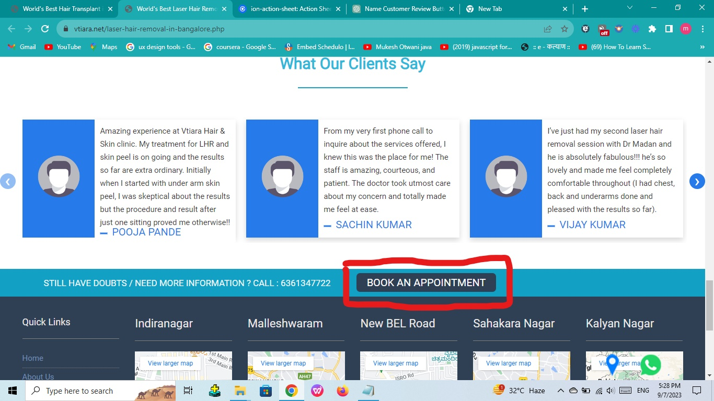
Environment /Platform. | Operating System | Windows
 | Version | 116.0.5845.179
 | Browser | Chrome Browser
Results | Actual Results | It is not clickable.
 | Expected Results | It should be clickable.
Category | Titles | Input
Defect id | I D Number | 9
 | Name | Wrong serial number mentioned under FAQS ON HAIR TRANSPLANTATION, Serial number 7 is missing.
 | Hyper Link | HAIR TRANSPLANT CLINIC IN BANGALORE.
Defect Details | Reporter | M.Alam
 | Summary | Wrong serial number 6 mentioned under FAQS ON HAIR TRANSPLANTATION, Serial number 7 is missing.
 | Brief Description.-
 | Steps to reproduce | 1)Open the application (drhairskin.in). 2)Click on hyper link HAIR TRANSPLANT CLINIC IN BANGALORE. 3)Scroll down to FAQS ON HAIR TRANSPLANTATION.
 | Priority | P3
 | Severity | Minor
 | Assigned To | XYZ
 | Screenshot | 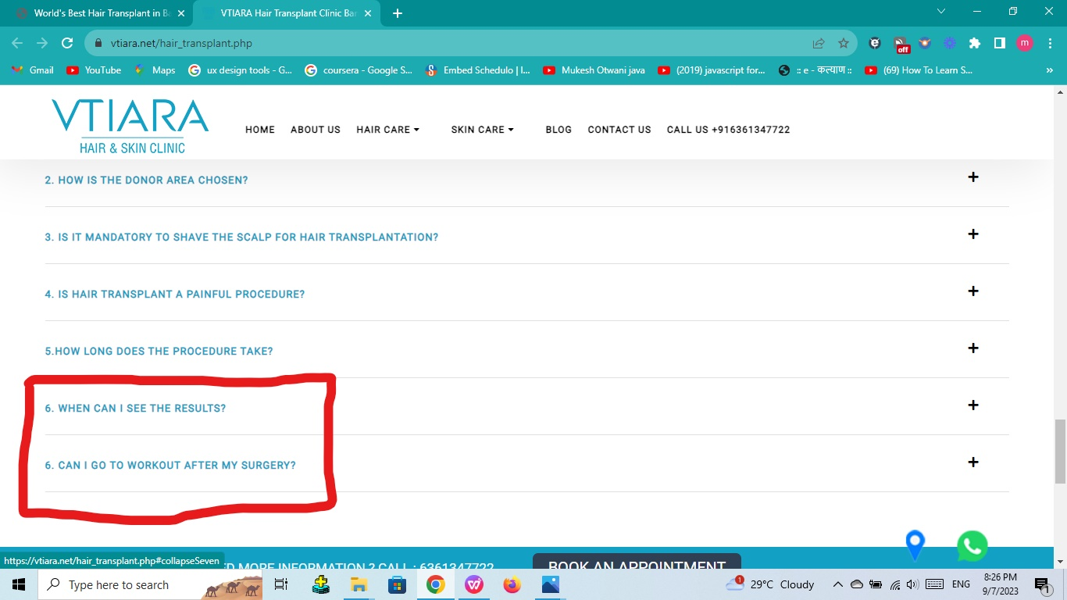
Environment /Platform. | Operating System | Windows
 | Version | 116.0.5845.179
 | Browser | Chrome Browser
Results | Actual Results | It is displaying serial number 6.
 | Expected Results | It should display serial number 7.
Category | Titles | Input
Defect id | I D Number | 10
 | Name | Next button is not working.
 | Hyper Link | LASER HAIR REMOVAL IN BANGALORE.
Defect Details | Reporter | M.Alam
 | Summary | When user cloicks on Next button it is not working under WHAT OUR CLIENTS SAY.
 | Brief Description.-
 | Steps to reproduce | 1)Open the application (drhairskin.in). 2)Click on hyper link LASER HAIR REMOVAL IN BANGALORE. 3)Scroll down to WHAT OUR CLIENTS SAY. 4)Click on blue color next button under WHAT OUR CLIENTS SAY.
 | Priority | P1
 | Severity | Blocker
 | Assigned To | XYZ
 | Screenshot | 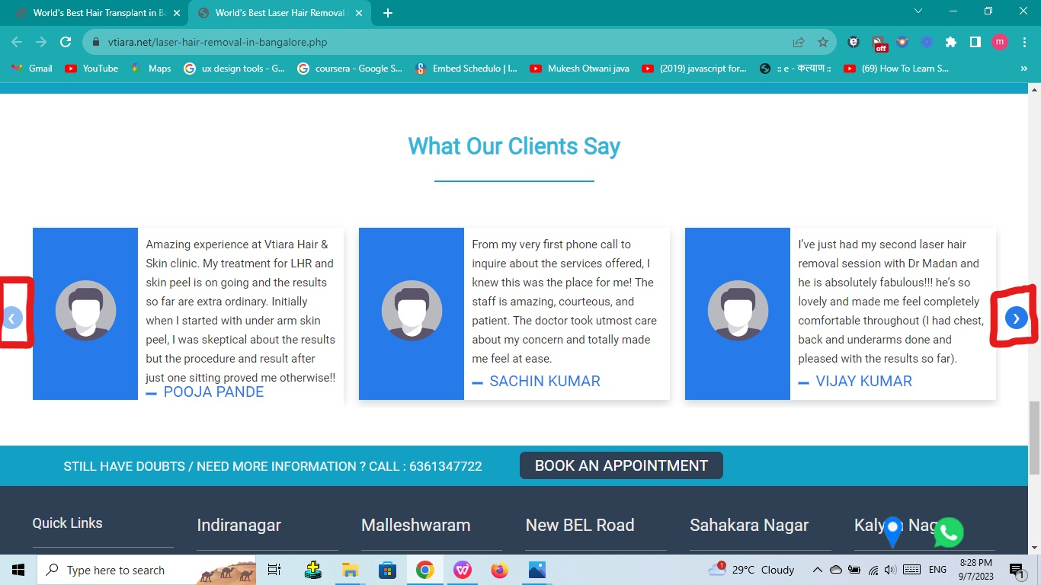
Environment /Platform. | Operating System | Windows
 | Version | 116.0.5845.179
 | Browser | Chrome Browser
Results | Actual Results | It is not clickable.
 | Expected Results | It should be clickable.
Category | Titles | Input
Defect id | I D Number | 11
 | Name | Show more and show less ("+"&"-") buttons are not working properly.
 | Hyper Link | PRP TREATMENT IN BANGALORE.
Defect Details | Reporter | M.Alam
 | Summary | When user clicks on "+" button it is displaying paragraph properly but when user clicks on "-" button it is not hidding the paragraph.
 | Brief Description.-
 | Steps to reproduce | 1)Open the application (drhairskin.in). 2)Click on hyper link PRP TREATMENT IN BANGALORE. 3)Scroll down to WHAT OUR CLIENTS SAY. 4)Click on blue color next button under WHAT OUR CLIENTS SAY.
 | Priority | P1
 | Severity | Critical
 | Assigned To | XYZ
 | Screenshot | 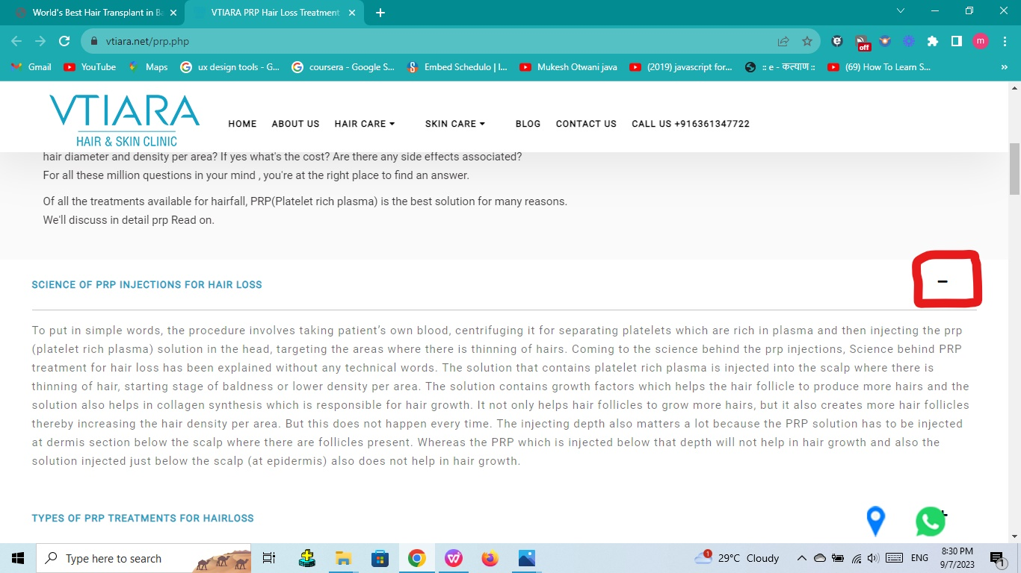
Environment /Platform. | Operating System | Windows
 | Version | 116.0.5845.179
 | Browser | Chrome Browser
Results | Expected Results | It should work properly.
 | Actual Results | It is not working properly.

