Sheet1
DEFECT REPORT
Category | Titles | Input
Defect id | I D Number | 1
 | Name | FIRST NAME , LAST NAME, DISPLAY NAME text field working as mandatory (*) Asterisk symbol condition not present .
 | Reporter | M.Alam
Defect Details | Summary
 | Brief Description.- | When user enters all the valid data into FIRST NAME , LAST NAME, DISPLAY NAME text field (if any one of these field remain without input), it is not accepting. NOTE- FIRST NAME , LAST NAME, DISPLAY NAME text field function like mandatory field, but mandatory (*)Asterisk condition not present.
 | Steps to reproduce | 1)Open the application (PODIUM). 2)Click on PROFILE module. 3)C lick on EDIT PROFILE BUTTON. 4)Enter the valid input into FIRST NAME , LAST NAME.
 | Priority | P1
 | Severity | Critical
 | Assigned To | XYZ
 | Screenshot | 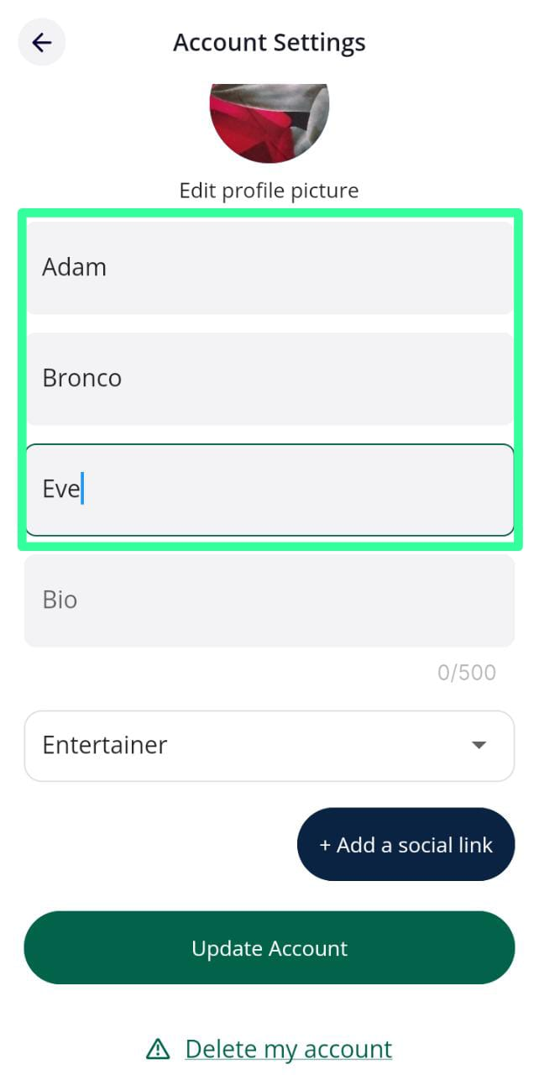
Environment/ Platform. | Mobile OS | Android
 | Android Version | 12(Go edition)
Results | Actual Results | It is not accepting.
 | Expected Results | It should accept.
Test URL |  | https://play.google.com/store/apps/details?id=oneplaysports.podium
Category | Titles | Input
Defect id | I D Number | 2
 | Name | FIRST NAME, LAST NAME, DISPLAY NAME and BIO text field accepting Enoji.
 | Reporter | M.Alam
Defect Details | Summary | When user clicks on FIRST NAME , LAST NAME, DISPLAY NAME and BIO text field and enter 😀(Emoji), it is accepting.
 | Brief Description.-
 | Steps to reproduce | 1)Open the application(PODIUM). 2) Click on PROFILE module. 3)Enter 😀 (emoji) into FIRST NAME, LAST NAME, DISPLAY NAME and BIO text field, UPDATE BUTTON turns into blue color. 4)Click on UPDATE BUTTON.
 | Priority | P2
 | Severity | Major
 | Assigned To | XYZ
 | Screenshot | 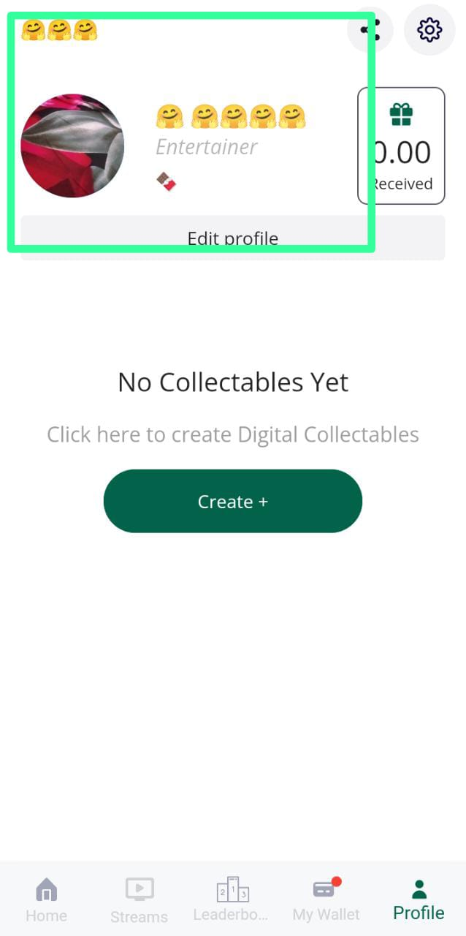 
Environment/ Platform. | Mobile OS | Android
 | Android Version | 12(Go edition)
Results | Actual Results | It is accepting.
 | Expected Results | It should not accept.
Category | Titles | Input
Defect id | I D Number | 3
 | Name | USER NAME text field accepting 😀 (emoji) without any characters also. (This text field is after the SELECT PROFESSIONAL ROLE drop down).
 | Reporter | M.Alam
Defect Details | Summary | When user clicks on USER NAME text field and enter 😀 (emoji) without any characters also , it is accepting.
 | Brief Description.-
 | Steps to reproduce | 1)Open the application(PODIUM). 2) Click on PROFILE module. 3) Enter 😀 (emoji) into USER NAME text field. UPDATE BUTTON turns into blue color. 4)Click on UPDATE BUTTON.
 | Priority | P2
 | Severity | Major
 | Assigned To | XYZ
 | Screenshot | 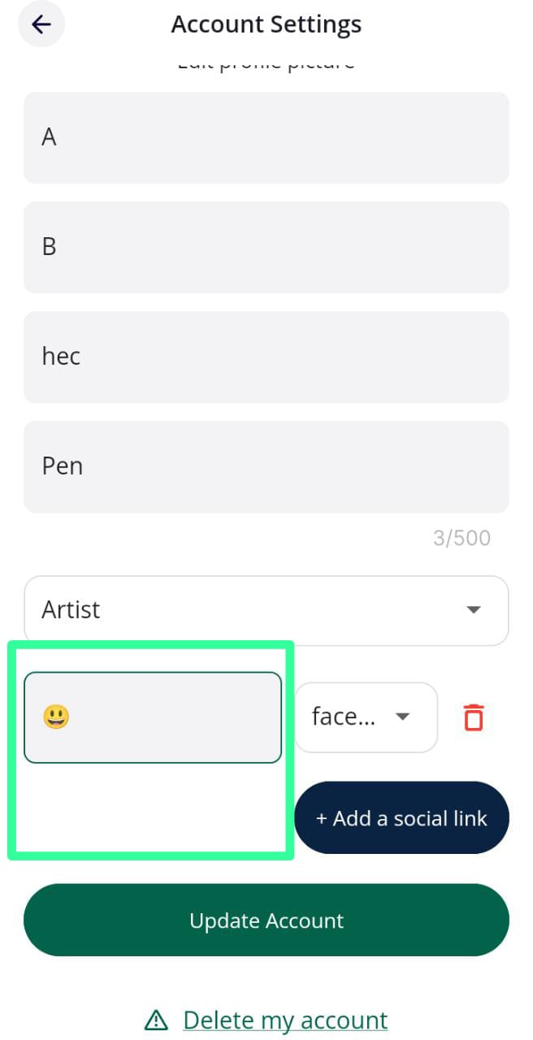
Environment/ Platform. | Mobile OS | Android
 | Android Version | 12(Go edition)
Results | Actual Results | It is accepting.
 | Expected Results | It should not accept.
Category | Titles | Input
Defect id | I D Number | 4
 | Name | COMMENT text field generating (.) full stop symbol automatically after second blank space.
 | Reporter | M.Alam
Defect Details | Summary | When user clicks on COMMENT, enter some valid input (Alec) full stop symbol automatically generate after giving second blank space.
 | Brief Description.-
 | Steps to reproduce | 1)Open the application(PODIUM). 2) Click on post COMMENT icon. 3) Enter valid input(Alec) into COMMENT test field. 4)After valid input, give two blank space.
 | Priority | P2
 | Severity | MAJOR
 | Assigned To | XYZ
 | Screenshot | 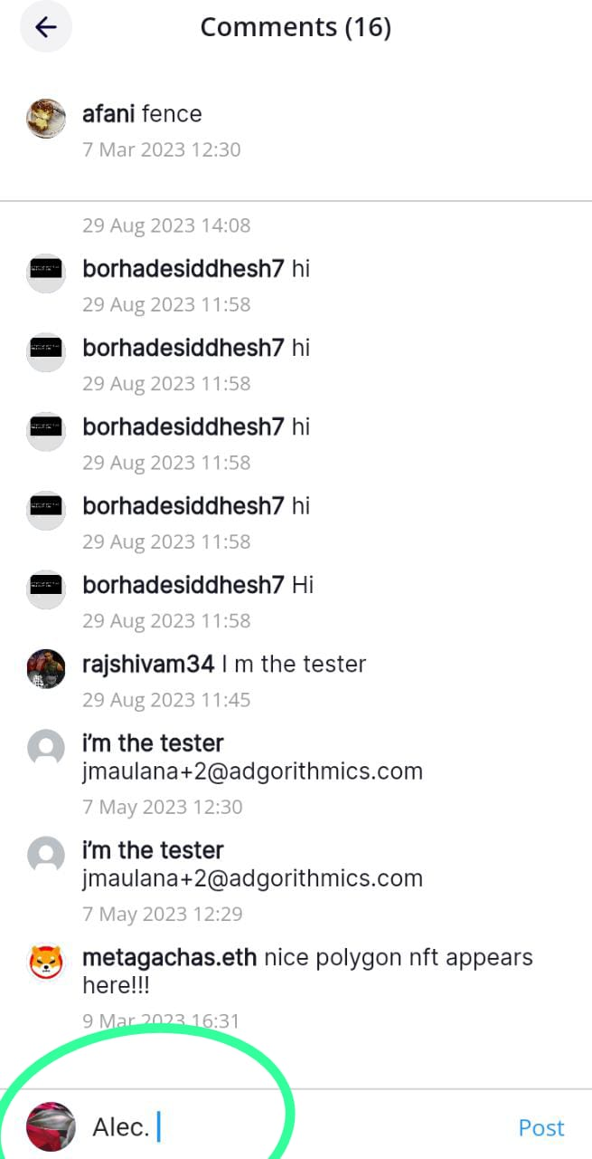
Environment/ Platform. | Mobile OS | Android
 | Android Version | 12(Go edition)
Results | Actual Results | It is generating full stop symbol (.) automatically.
 | Expected Results | It should not generate full stop symbol (.) automatically.
Category | Titles | Input
Defect id | I D Number | 5
 | Name | USERNAME not displaying under PROFILE module.
 | Reporter | M.Alam
Defect Details | Summary | When user clicks on USERNAME text field(This This text field is after the SELECT PROFESSIONAL ROLE drop down ) under EDIT PROFILE And Enter vaid input (Amy), Click on UPDATE ACCOUNT button, It is accepting but not reflecting under PROFILE module.
 | Brief Description.-
 | Steps to reproduce | 1)Open the application(PODIUM). 2) Click on EDIT PROFILE, Under PROFILE 3) Enter valid input(AMY) 4)Click on UPDATE ACCOUNT button.
 | Priority | P1
 | Severity | Critical
 | Assigned To | XYZ
 | Screenshot | 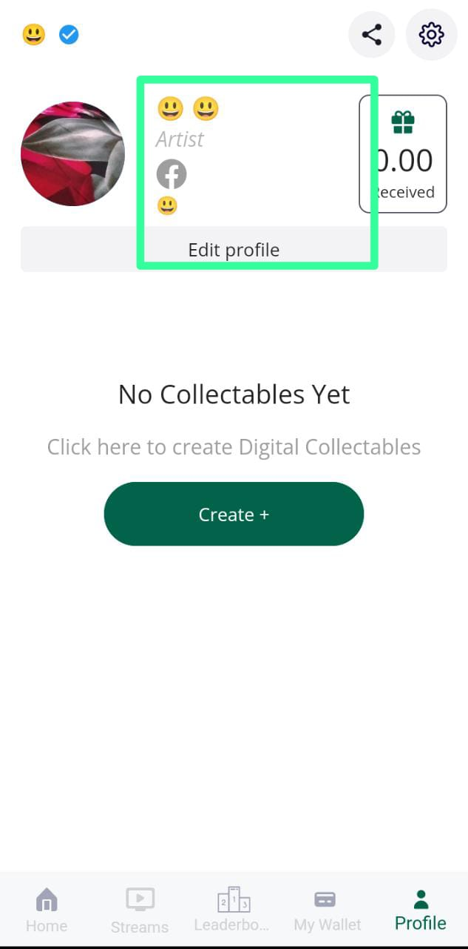
Environment/ Platform. | Mobile OS | Android
 | Android Version | 12(Go edition)
Results | Actual Results | It is not displaying USERNAME under PROFILE module.
 | Expected Results | It should display USERNAME under PROFILE module.
Category | Titles | Input
Defect id | I D Number | 6
 | Name | Not able to generate more than 5 SOCIAL LINK under EDIT PROFILE.
 | Reporter | M.Alam
Defect Details | Summary | When user clicks on +ADD A SOCIAL LINK button under EDIT PROFILE after the fifth attempts,+ ADD A SOCIAL LINK button will get disappear. User is not able to add more than 5 social links.
 | Brief Description.-
 | Steps to reproduce | 1)Open the application(PODIUM). 2) Click on EDIT PROFILE, Under PROFILE 3) Click on +ADD A SOCIAL LINK button 5 times 4)After clicking on +ADD A SOCIAL LINK button, +ADD A SOCIAL LINK button get disappear.
 | Priority | P2
 | Severity | Major
 | Assigned To | XYZ
 | Screenshot | 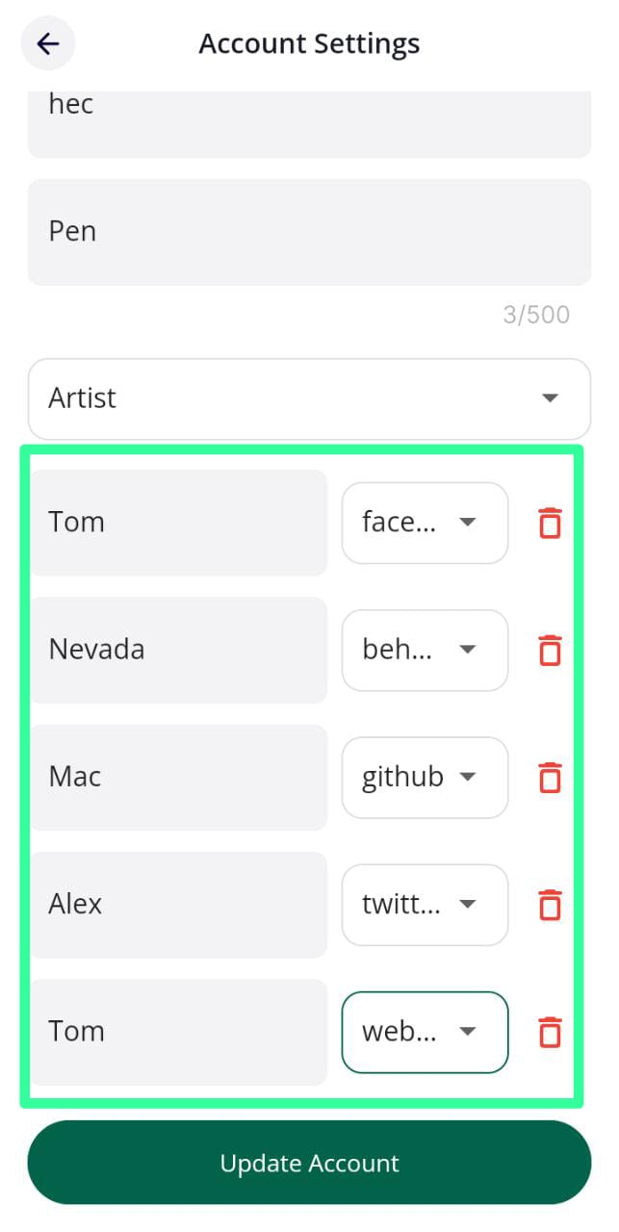
Environment/ Platform. | Mobile OS | Android
 | Android Version | 12(Go edition)
Results | Actual Results | It is not displaying ADD A SOCIAL LINK.
 | Expected Results | It should displaying ADD A SOCIAL LINK.
Category | Titles | Input
Defect id | I D Number | 7
 | Name | User is not able to display top post of the HOME module, after clicking on PODIUM logo which is present on the top left hand side.
 | Reporter | M.Alam
Defect Details | Summary | When user scroll down continously the post, Under HOME module, User is not able to come up top of the HOME module post After clicking on PODIUM logo.
 | Brief Description.-
 | Steps to reproduce | 1)Open the application(PODIUM). 2) Scroll down the displayed post continously under the HOME module. 3) Click on PODIUM logo which is present top left hand side.
 | Priority | P1
 | Severity | Critical
 | Assigned To | XYZ
 | Screenshot | 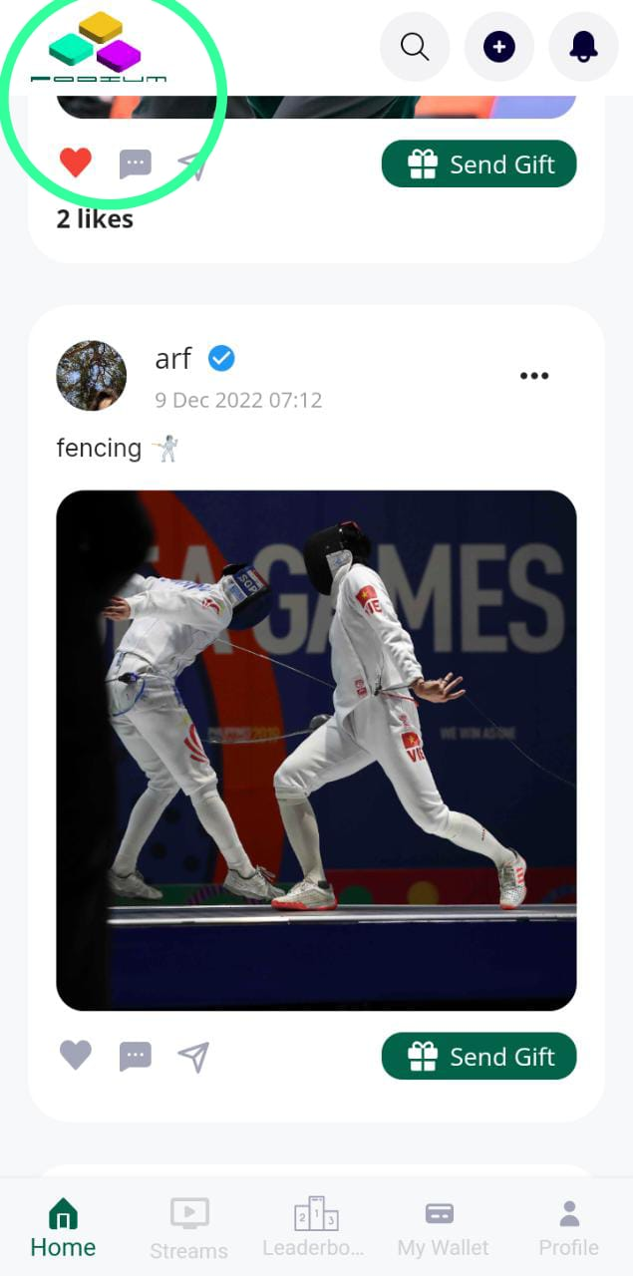
Environment/ Platform. | Mobile OS | Android
 | Android Version | 12(Go edition)
Results | Actual Results | It is not coming up top of the HOME module post.
 | Expected Results | It should come up top of the HOME module post

