Correlation Matrix
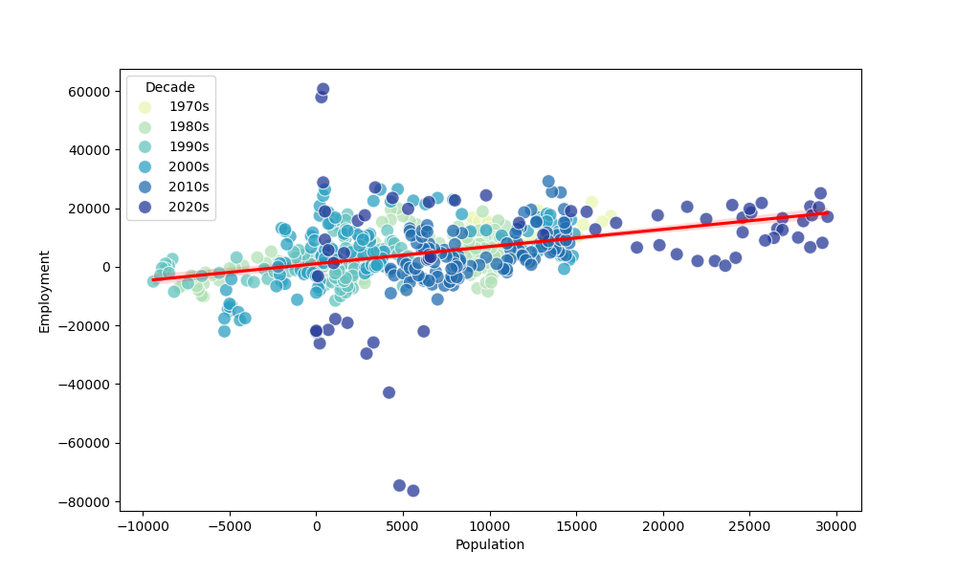
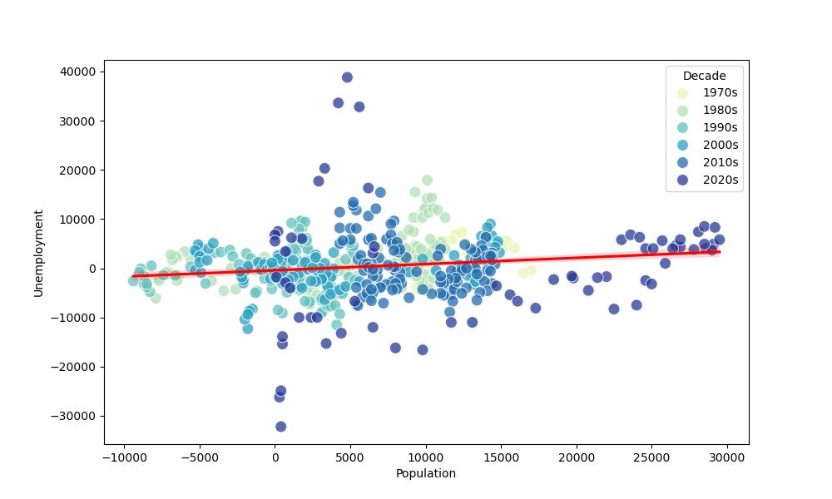
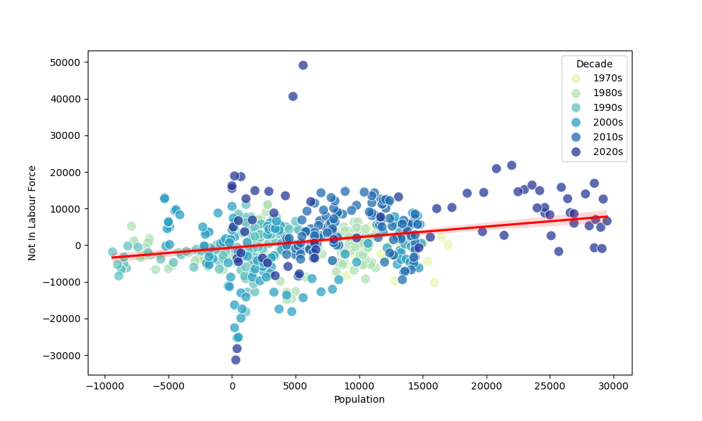
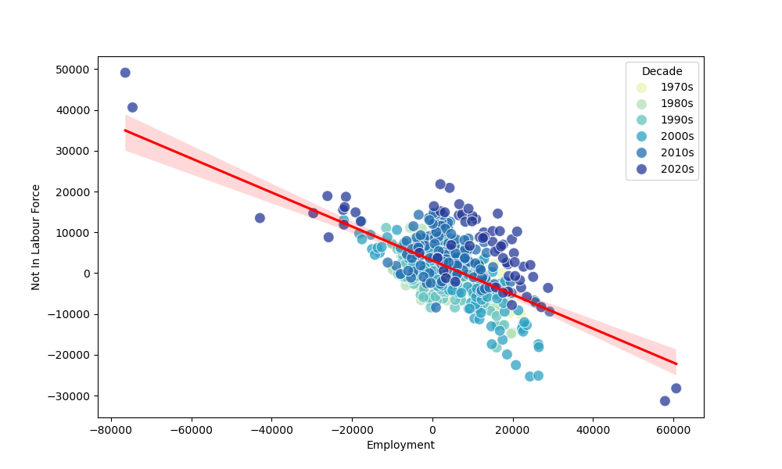
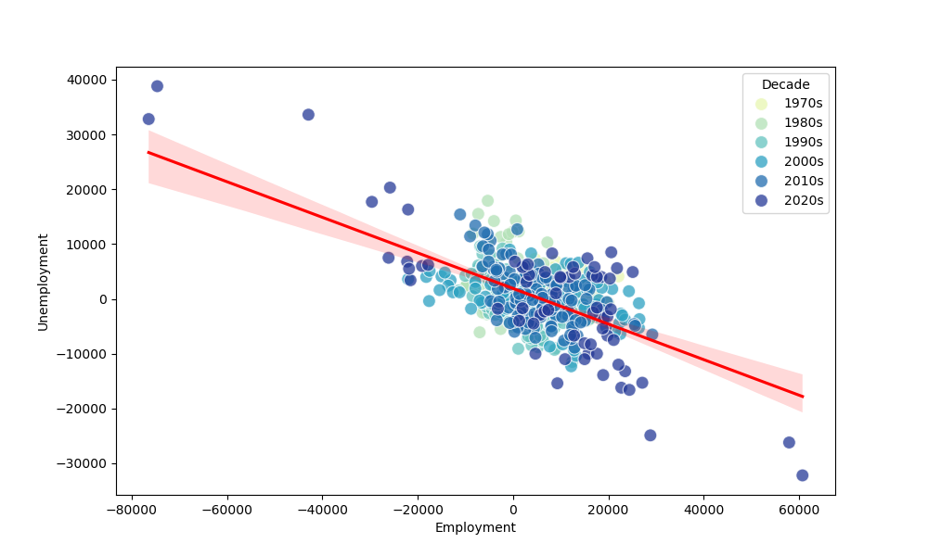
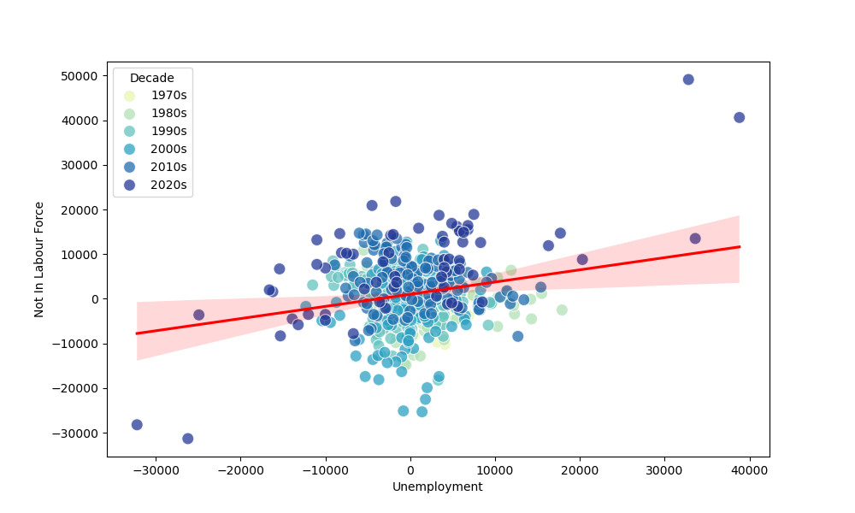
CORRELATION MATRIX
 | Population | Employment | Unemployment | Not In Labour Force | Labour Force | Not Employed | CAUSAL LOOP DIAGRAM
Population | - | 0.39 | 0.15 | 0.28 | 0.59 | 0.29
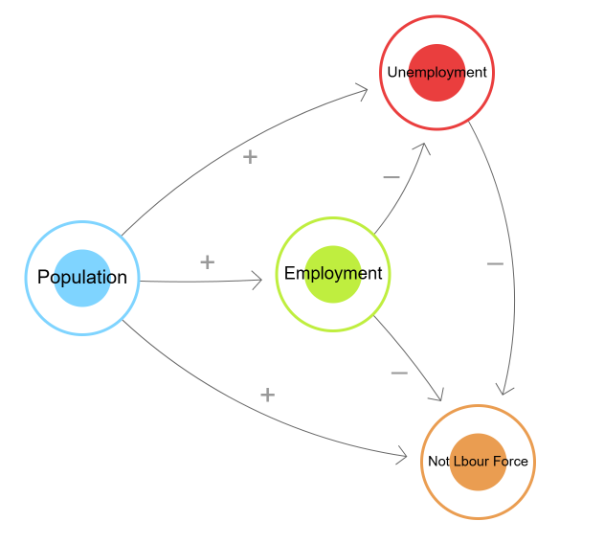
Employment | 0.39 | - | -0.59 | -0.61 | 0.84 | -0.77
Unemployment | 0.15 | -0.59 | - | 0.22 | -0.06 | 0.72
Not In Labour Force | 0.28 | -0.61 | 0.22 | - | -0.61 | 0.83
Labour Force | 0.59 | 0.84 | -0.06 | -0.61 | - | -0.47
Not Employed | 0.29 | -0.77 | 0.72 | 0.83 | -0.47 | -

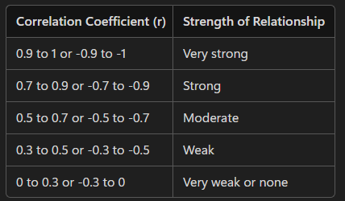
STRENGTH OF RELATIONSHIP |  |  |  | GOVERNING FORMULAS
 |  |  |  | (1) Population = Employment + Unemployment + Not in Labour Force
 |  |  |  | (2) Labour Force = Employment + Unemployment
 |  |  |  | (3) Not Employed = Unemployment + Not in Labour Force

REGRESSION PLOTS

