Heatmap_Image
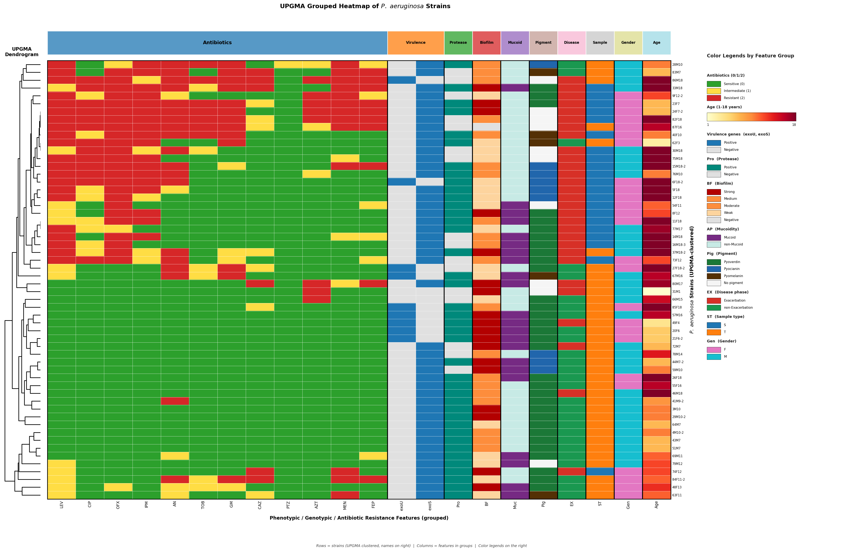
Final Heatmap (Gower+UPGMA, pigment fixed, no cluster markers)

