Sheet1
Media Depiction of Children in Indian Mainstream Media
Executive Summary
This report analyzes 65+ media stories published between November 2024 and May 2025, focusing on how children are depicted in Indian mainstream media. The themes covered include education, health, protection, digital safety, and climate change. Most stories feature adult voices, while children themselves are rarely quoted. Urban-centric narratives
dominate, and solution-focused journalism remains minimal. This report aims to assess gaps, thematic trends, and the need for child-inclusive storytelling practices.
Theme-wise Distribution of Media Articles
The following pie chart shows the distribution of media articles across different themes. Child Marriage emerged as the most dominant theme, accounting for 40% of the total articles, followed by Child Labour and other protection-related subthemes.
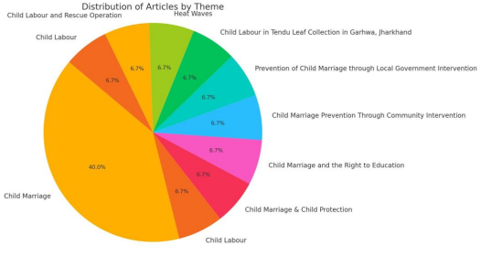
Methodology & Media Landscape
A manual audit of media articles was conducted from platforms such as The Times of India, NDTV, The Hindu, and Navbharat Times. Stories were coded based on theme, tone,
geography, and whose voice was included. 60% of the articles were in English, and coverage skewed toward urban centers like Delhi and Mumbai.
Key Findings by Theme
Health & Nutrition
Reports focused heavily on malnutrition and obesity data. However, there was little context or local voices, especially from caregivers or children affected.
Education
Coverage of dropouts and school infrastructure was common, but stories lacked representation from teachers, students, or marginalized communities.
Digital Safety
Articles discussed legal frameworks like the Data Protection Bill but failed to include perspectives of young digital users.
Protection & Abuse
Stories focused on incidents of abuse or rescue but ignored healing, prevention, or mental health narratives.
Climate & Children
Although schools affected by heatwaves were mentioned, the long-term consequences on education, nutrition, and well-being were mostly unexplored.
Recommendations
- Quote children directly and involve them in storytelling.
- Focus on everyday spaces like classrooms and homes, not just policies.
- Use multimedia formats (graphics, photos, videos) to enhance engagement. - Highlight stories of resilience, not just crises.
- Broaden geographic coverage to include rural, tribal, and tier-2 areas.
Conclusion
Children remain underrepresented in Indian media narratives, with adult voices
dominating most reports. This report underscores the need to transition from reporting on children to reporting with them—giving them a platform, recognizing their agency, and promoting stories that reflect their lived realities.

