birds eye view
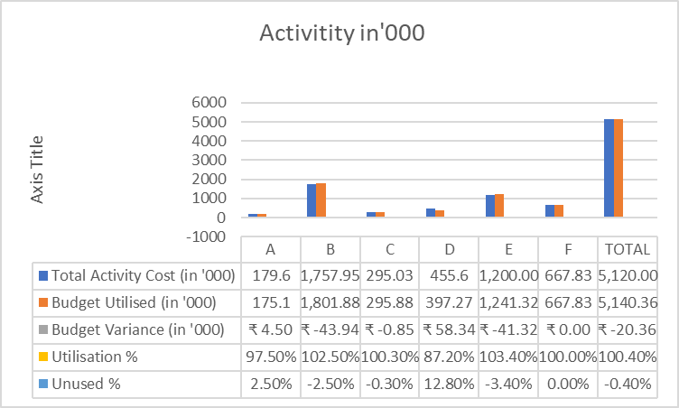
Objective | Total Activity Cost (in '000) | Budget Utilised (in '000) | Budget Variance (in '000) | Utilisation % | Unused %
A | 179.6 | 175.1 | ₹ 4.50 | 97.50% | 2.50%
B | 1,757.95 | 1,801.88 | ₹ -43.94 | 102.50% | -2.50%
C | 295.03 | 295.88 | ₹ -0.85 | 100.30% | -0.30%
D | 455.6 | 397.27 | ₹ 58.34 | 87.20% | 12.80%
E | 1,200.00 | 1,241.32 | ₹ -41.32 | 103.40% | -3.40%
F | 667.83 | 667.83 | ₹ 0.00 | 100.00% | 0.00%
TOTAL | 5,120.00 | 5,140.36 | ₹ -20.36 | 100.40% | -0.40%

