Sheet2
 | PH | CH | MAT | HI | ENG | TOTAL | PER
ANJALI | 26 | 99 | 90 | 79 | 12 | 306 | 61%
 | 74 | 1 | 10 | 21 | 88 | 194 | 39%

 |  |  |  |  |  |  |  | ddr

26

Sheet4
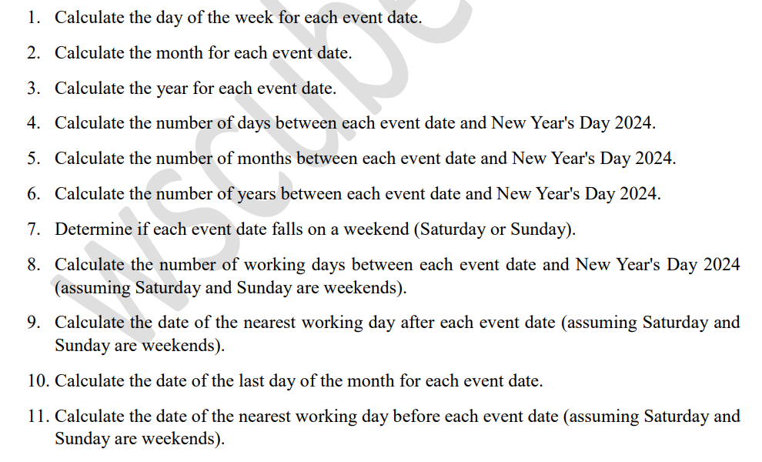
2024-01-01 | New Year's Day | 0 | DAY | MONTH | YEAR | NO.OF DATE | NO.OF MONTH | NO.OF YEAR | WEEKENDS | WORKING DAYS | NEAREST WORK | LAST MONTH | BEFORE EVENT
2024-02-14 | Valentine's Day | 44 | #REF! | #REF! | #REF! | #REF! | #REF! | #REF! | #REF! | #REF! | #REF! | #REF! | #REF!
2024-03-17 | St. Patrick's Day | 76 | #REF! | #REF! | #REF! | #REF! | #REF! |  | #REF! | #REF! | #REF! | #REF! | #REF!
2024-04-01 | April Fools' Day | 91 | #REF! | #REF! | #REF! | #REF! | #REF! |  | #REF! | #REF! | #REF! | #REF! | #REF!
2024-05-01 | labour day | 121 | #REF! | #REF! | #REF! | #REF! | #REF! |  | #REF! | #REF! | #REF! | #REF! | #REF!
2024-07-04 | Independence Day | 185 | #REF! | #REF! | #REF! | #REF! | #REF! |  | #REF! | #REF! | #REF! | #REF! | #REF!
2024-10-31 | Halloween | 304 | #REF! | #REF! | #REF! | #REF! | #REF! |  | #REF! | #REF! | #REF! | #REF! | #REF!
2024-11-11 | Veterans Day | 315 | #REF! | #REF! | #REF! | #REF! | #REF! |  | #REF! | #REF! | #REF! | #REF! | #REF!
2024-12-25 | christmas | 359 | #REF! | #REF! | #REF! | #REF! | #REF! |  | #REF! | #REF! | #REF! | #REF! | #REF!
 |  |  | #REF! | #REF! | #REF! | #REF! | #REF! |  | #REF! | #REF! | #REF! | #REF! | #REF!

