JWT
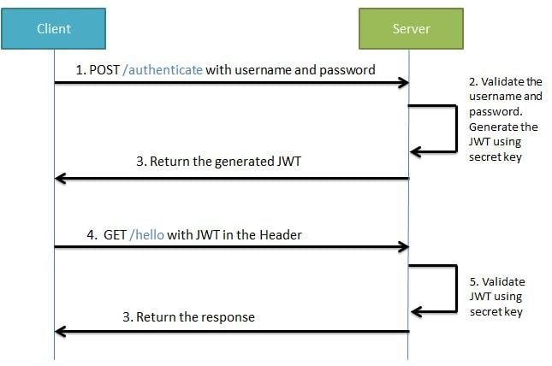
 | JWT (JSON Web Token)
Link | https://jwt.io/introduction
 | A JWT is an open standard for securely sending information between two parties. This information can be used to identify the sender or receiver of the message, and can also include authentication credentials and additional data. A JWT can be encoded and signed using a variety of algorithms such as SHA-256, RSA, or ECDSA.

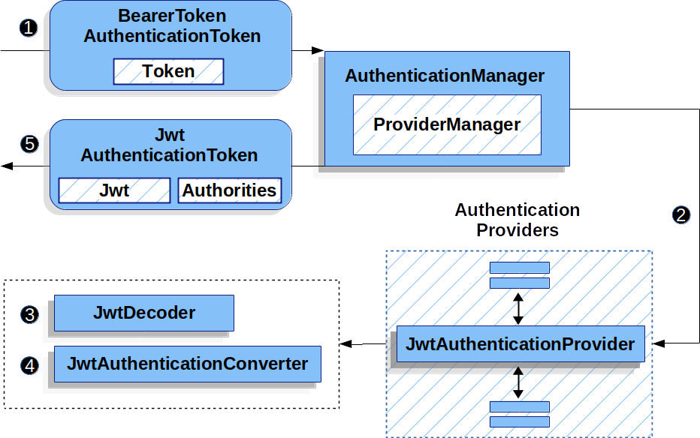

Header | The Header contains metadata about the token, such as the version and type.

Payload | The Payload contains information about the user, such as user id and other details.

Signature | The Signature is created with a secret key by applying a hashing algorithm on the Header and the Payload.

 | Disadvantages/challanges of JWT
1 | One issue is related to security, as JWTs are signed but not encrypted, meaning they can be easily decoded.
2 | Additionally, JWT expiration times have to be managed carefully, as expired tokens can lead to authorization failure or session hijacking.
3 | Furthermore, large payloads need to be split up into multiple tokens to reduce decode times and increase performance.

 | Questions and Answers

1 | What implications can arise when JWT tokens are improperly used?
 | Improper usage of JWT tokens can result in serious security issues such as increased vulnerability to data breaches, authentication bypass, and increased risk of identity theft.

2 | To ensure proper use of JWT tokens, developers should take the following steps:
 | 1) cryptographically sign the token using a secure hashing algorithm like SHA-256;
 | 2) encrypt the token using an encryption algorithm like AES;
 | 3) ensure the token expires after a certain amount of time;
 | 4) regularly rotate tokens; and
 | 5) use secure storage mechanismsbr such as KeyVault or a hardware security module (HSM).

3 | Is it possible to revoke a JWT token?
 | Yes, it is possible to revoke a JWT token.
 | The typical method of revoking a JWT token involves removing it from the database or blacklisting it, so that it cannot be used for authentication.
 | In order to do this, a revocation API call must be used to revoke the tokens.

4 | JWT is used by many different applications, but some examples include:

 | – Single sign-on (SSO)
 | – Identity management
 | – API authentication

5

JAVA-8
 |  | Java 8 Features
1 | Lambda Expressions: | Lambda functions are similar to user-defined functions but without a name. They're commonly referred to as anonymous functions. Lambda functions are efficient whenever you want to create a function that will only contain simple expressions usually a single line of a statement. | 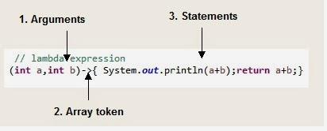
2 | Stream API: | A stream represents a sequence of elements and supports different operations (Filter, Sort, Map, and Collect) from a collection. | Languages.stream().forEach(System.out::println) stream.filter(item->item.startsWith(“E”)); language.stream().map(item->item.uppercase().forEach(System.out::println)); stream.min() & max(): stream.count():
3 | Functional Interfaces: | Any interface with a SAM(Single Abstract Method) is a functional interface, and its implementation may be treated as lambda expressions.Functional interfaces are of 4 types, Function, Consumer, Predicate, and Supplier. 1) Function: Represents a function that takes one argument and produces a result.It has a single abstract method called apply(). The apply() method takes one argument of type T and returns a result of type R. 2) Predicate - Represents a boolean-valued function. Methods present are 1. test(T t), 2. isEqual(Object t), 3. and (Predicate P), 4. or(Predicate P), 5. negate() 3) Consumer - Represents an operation that takes an argument and returns no result. Methods present are :.accept() and Then() 4) Supplier - Represents a supplier of results. Method present is : get() Some built-in interfaces are as follows-1.Runnable, 2.Comparable.3.ActionListener.4.Callable. | 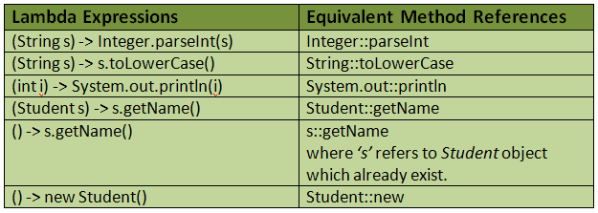
4 | Method References: | Method references provide a way to refer to methods or constructors without invoking them. They can be used to simplify lambda expressions when the lambda body simply calls an existing method.
5 | Default Methods: | Default methods allow interfaces to have methods with implementation. This feature enables adding new methods to interfaces without breaking existing implementations.
6 | Optional: | The Optional class in Java 8 is a container object which is used to contain a value that might or might not be present. It was introduced as a way to help reduce the number of NullPointerExceptions that occur in Java code. It is a part of the java. util package | Optional<Company> companyOptional = Optional.empty(); //throw an exception if optional is empty Company company = companyOptional.orElseThrow(IllegalStateException::new)
7 | Date and Time API: | Java 8 introduced a new Date and Time API in the java.time package, providing improved handling of dates and times, including support for time zones, formatting, parsing, and calculations.ll the classes in the new Date-Time API are immutable and good for multithreaded environments | LocalDate date = LocalDate.now(); System.out.println("the current date is "+date); LocalTime time = LocalTime.now(); System.out.println("the current time is "+time); DateTimeFormatter format = DateTimeFormatter.ofPattern("dd-MM-yyyy HH:mm:ss"); String formatedDateTime = current.format(format); System.out.println("in formatted manner "+formatedDateTime);
8 | CompletableFuture: | CompletableFuture is a class that represents a future result of an asynchronous computation. It provides a powerful way to compose asynchronous operations, handle exceptions, and perform callbacks when the computation completes.
9 | Parallel Array Sorting: | The Arrays class in Java 8 introduced parallel sorting methods (parallelSort) that can take advantage of multicore processors to improve the performance of sorting large arrays. | public static void parallelSort (Object obj[]) *The above method prototype is used to sort an array in ascending order. public static void parallelSort (Object obj[], int fromIndex, int toIndex) *The above overload is used to sort elements in the specified range from ‘fromIndex’ to ‘toIndex’ in the array.

