EV_Sales_Production_Monthly
S.No. | Banner Title | Banner Description | Topics on Blue Strip | Mailer Heading | Mailer Text | Mailer Takeaway | Image Right Banner (Sky) | Text Below Image | Text Below - Request Report Button | Footer Content
1 | Electric Vehicles Market | Request your Complimentary Copy of the Electric Vehicle Weekly Assessment | 1. Solar 2. BESS 3. Wind | EV 4W Sales Surge 32% in Jan: Tata & JSW MG Motor Lead Market
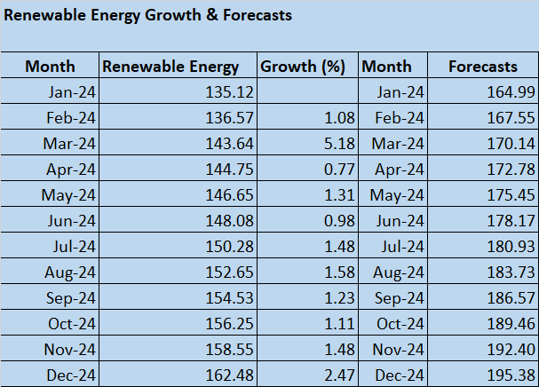 1 | Installed Capacity of Power Utilities | Request your Complimentary Copy of the Installed Capacity Weekly Assessment | 1. Solar 2. BESS 3. Wind | Installed Capacity of Power Utilities - Dec24 | As of December 2024, the Installed Capacity (GW) of power utilities across various states in India shows a diverse distribution, with some states having significantly higher capacities than others. At the lower end, states like Nagaland (0.21 GW), and Chandigarh (0.25 GW) have very small installed capacities, highlighting limited power infrastructure. In contrast, states such as Gujarat (56.45 GW), Maharashtra (50.89 GW), and Rajasthan (48.56 GW) lead with the highest capacities, reflecting their larger populations, industrial growth, and energy demands. Other notable states include Tamil Nadu (41.74 GW) and Karnataka (33.70 GW), both of which also have Substantial Power Capacities, supporting their Industrial and Urban Sectors. Uttar Pradesh (33.05 GW) and Madhya Pradesh (28.09 GW) follow closely with large installations. States like Andhra Pradesh (27.47 GW) and Telangana (19.60 GW) contribute significantly to India’s Power Grid, while smaller states like Meghalaya (0.65 GW) and Sikkim (0.77 GW) have more modest capacities. The distribution of Installed Capacity across the States reflects both the geographical and industrial diversity of India, with larger States in terms of population and industrial activity having a greater share of Installed Power Capacity. This variation underscores the need for Regional Energy Development to meet the specific demands of each state.

State-wise Installed Capacity Overview – Dec 24
 | Installed Capacity (in GW)
Nagaland | 0.21
Chandigarh | 0.25
Mizoram | 0.27
Manipur | 0.27
Puducherry | 0.43
Tripura | 0.65
Meghalaya | 0.65
Goa | 0.66
Sikkim | 0.77
D&NH and D&D | 0.78
Arunachal Pr. | 0.78
Assam | 2.48
Jharkhand | 3.02
DVC | 3.22
J&K and Ladakh | 3.59
Uttarakhand | 4.49
Himachal Pr. | 4.60
Delhi | 6.97
Kerala | 7.18
Bihar | 7.92
Odisha | 8.31
West Bengal | 10.92
Haryana | 14.00
Chhattisgarh | 14.28
Punjab | 14.52
Telangana | 19.60
Andhra Pradesh | 27.47
Madhya Pr. | 28.09
Uttar Pradesh | 33.05
Karnataka | 33.70
Tamil Nadu | 41.74
Rajasthan | 48.56
Maharashtra | 50.89
Gujarat | 56.45

