Sheet1
4. Decide what type of function you might choose as a model for the given data as follows by selecting fitting function in Excel. Of course, before fitting, the x-y values should be created based on your observation.

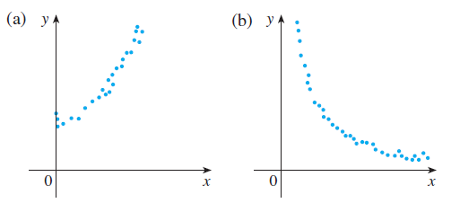

 | a. | y=ax^2+bx+c

 |  | x | y
 |  | 0 | 2
 |  | 1 | 11
 |  | 2 | 28
 |  | 3 | 53
 |  | 4 | 86
 |  | 5 | 127
 |  | 6 | 176
 |  | 7 | 233
 |  | 8 | 298
 |  | 9 | 371
 |  | 10 | 452

 | a. | y=ae^-bx+c

 |  | x | y
 |  | 0 | 6
 |  | 1 | 5.04
 |  | 2 | 5.0016
 |  | 3 | 5.000064
 |  | 4 | 5.00000256
 |  | 5 | 5.0000001024
 |  | 6 | 5.0000000041
 |  | 7 | 5.0000000002
 |  | 8 | 5
 |  | 9 | 5
 |  | 10 | 5

