Sheet1
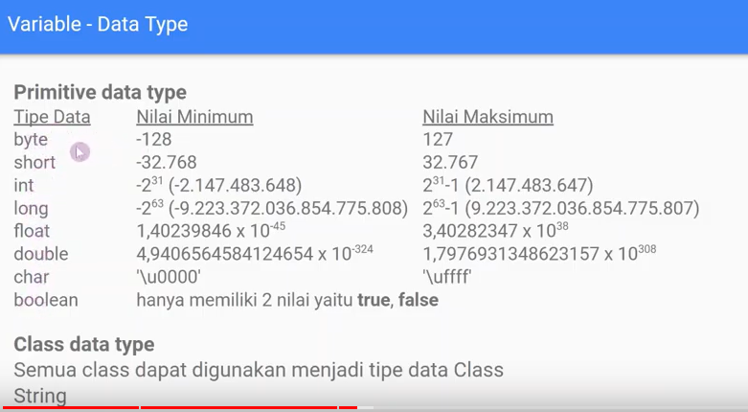
Build | javac -d bin src\{file.java}
run | java -cp bin {file}

Variable

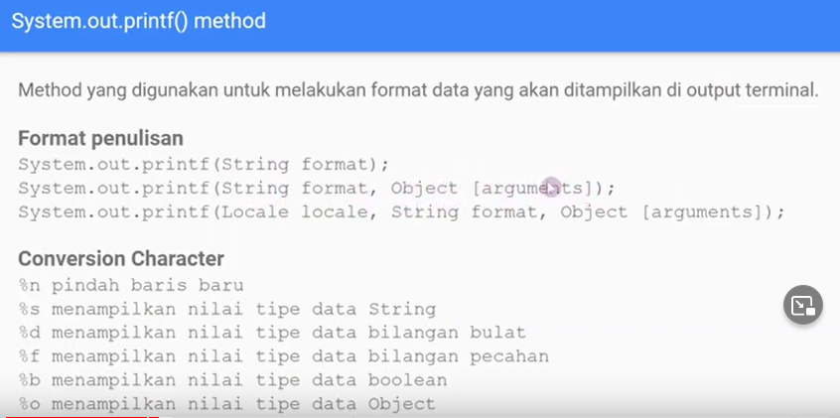

Tipe Data

