References
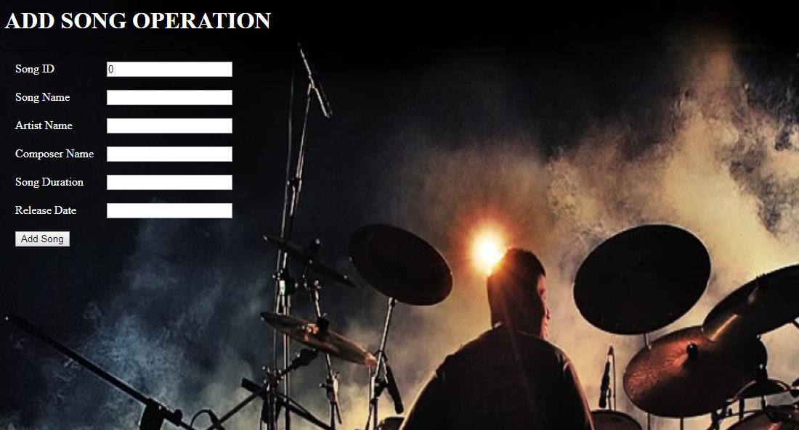
Reference Documents
# | Document name | Path and filename
1 | Repository reference | https://igteblrsvntng.igatecorp.com/svn/Oct3_Team1
2 | LLD_AddSongs.doc | /Project Documents/Design Documents/LLD/LLD/LLD_AddSongs.doc
3 | TraceabilityMatrix.xls | /Project Documents/Traceability matrix/TraceabilityMatrix.xls
5 | HLD | /Project Documents/Design Documents/HLD

Screen Shots / Report Layouts

 | 1. Login page
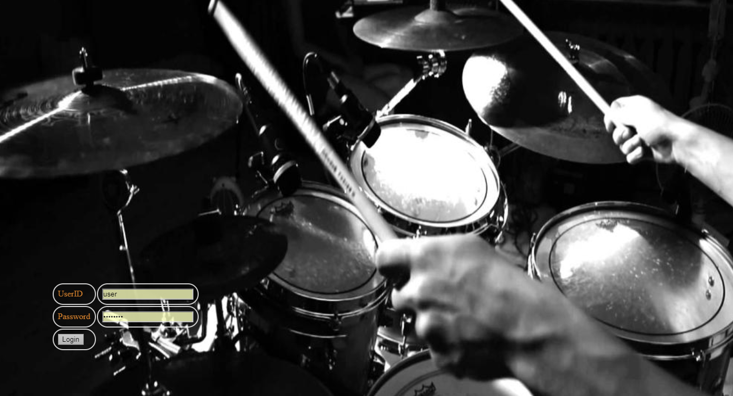

 | 2.User Home Page

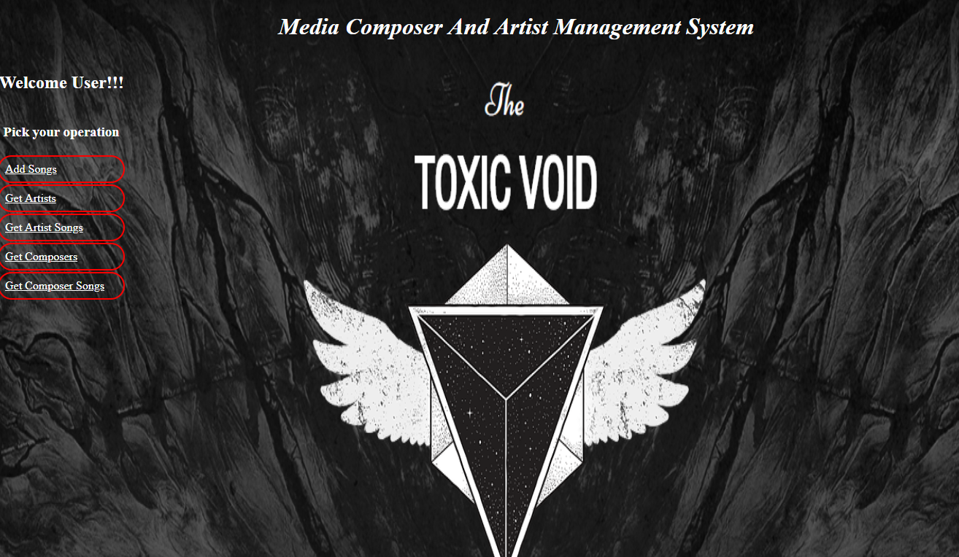

 | 3.Add Songs

