MIndmaps
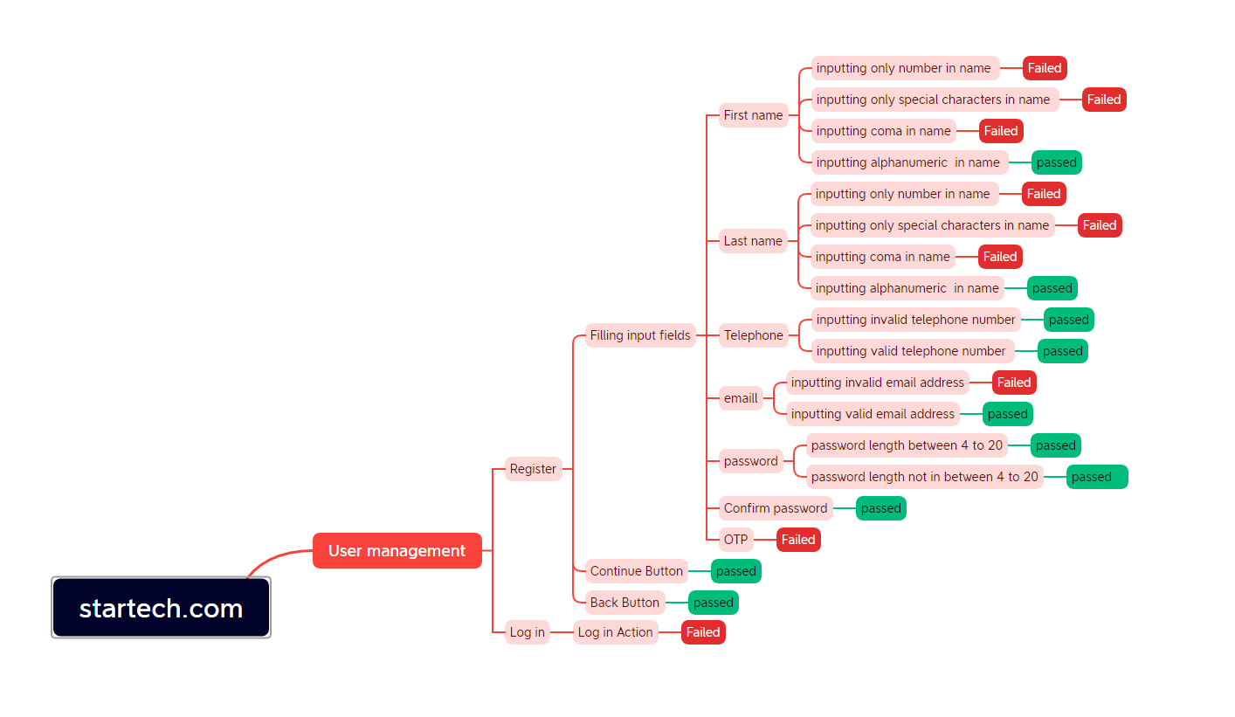
Mindmap for Startech.com website testing

