_tlOutputNamer
tlOuputNamer Module

 | For support contact: | ModuleFactory@bts.com

 | Legend

 | Input Cell Types |  |  | Calculation Cell Types
 |  | Hard-coded cell. Developer may modify. |  |  | Calculated cell. User must not modify.
 |  | Formula cell. Developer may modify.
 |  | Cell must be linked to another worksheet.

 | Inputs / Configuration

 | Sheet prefix for naming | tl | _tlOutputNamer_SheetPre

 | Screen range to search in | Screen | _tlOutputNamer_ScreenName | **Must be manually added for MiniMaster solutions

 | Color of cells to name |  | _tlOutputNamer_Color

Name tlOutput Ranges

frmNavControls
frmNav Controls

 | For questions or support contact: | ModuleFactory@bts.com

 | Legend

 |  | Hard-coded input cell. Developer may modify.
 |  | Input cell prepopulated with formula.
 |  | Calculated cell. User must not modify.

 | Outputs

 | Nav Buttons for Tool Pages

Navigation Menu
 |  | Intro Page | Tool Pages | BTS Facilitator Menu
 | Opens frmNav
 | Must assign ToolNavMenu macro | Intro Page Start Button |  | ToolBTSMenu

 | Inputs
 | **Click on START button in outputs to browse current structure. Form will update and show after clicking the controls below.

 | Instructions
 | 1) Enter desired number of tabs and rows in "tabCount" and "rowCount" (make sure to keep values in these cells)

 | 2) Press "Tabulate Nav Layout" to update layout preferences

 | 3) In the cells for the remaining tabs and rows, enter the desired tab name, label text, and desired navigation target, and name of macro to run

 | a) If you do not wish to navigate, leave "Target Worksheet" blank. If you do not wish to run a macro on click, leave "Macro to Run" blank.

 | 4) Assign button visibility as "True" or "False" as desired

 | 5) For buttons assigned as "True," - upload a corresponding image / mouseover image (must be JPEG only)

 | 6) Images must be uploaded and stored in a folder titled "Images" in the same root folder as the simulation

 | 7) Press "Format Nav Menu" to apply label and image changes

 | Number of Tabs Desired | 4 | tabCount

 | Maximum Rows per Tab | 1 | rowCount

 |  |  |  | Intro Tool Page
1 | Tab Name | Central | tab1_text | ScreentoolIntro | icon_macro[ ]

 | Tab Visible? | TRUE | tab1_visible |  |  | 1 | tab1_rows

TRUE | Label Text Row1 | Sales and Marketing | Corporate | Strategic Initiatives | label[ ]_text
TRUE
TRUE | Image Filename | Communication_1 | Global_1 | Initiatives
TRUE
TRUE | Mouseover Image Filename | Communication_1_light | Global_1_light | Initiatives_light
TRUE
TRUE | Target Worksheet | ScreentoolBusinessA | ScreentoolPeople | ScreentoolInitiatives | icon_macro[ ]
TRUE
TRUE | Macro to Run |  |  |  | icon_script[ ] | Row Used?
TRUE
TRUE | Button visible? | TRUE | TRUE | TRUE | button[ ]_visible | TRUE
TRUE

2 | Tab Name | Practices | tab2_text
FALSE
 | Tab Visible? | TRUE | tab2_visible |  |  | 1 | tab2_rows
FALSE
TRUE | Label Text Row1 | CRM | HCM | Futuria | label[ ]_text
TRUE
TRUE | Image Filename | Handshake | People | Idea
TRUE
TRUE | Mouseover Image Filename | Handshake_light | People_light | Idea_light
TRUE
TRUE | Target Worksheet | ScreentoolBusAPrac1 | ScreentoolBusAPrac2 | ScreentoolBusAPrac3 | icon_macro[ ]
TRUE
TRUE | Macro to Run |  |  |  | icon_script[ ] | Row Used?
TRUE
TRUE | Button visible? | TRUE | TRUE | TRUE | button[ ]_visible | TRUE
TRUE

3 | Tab Name | Reports | tab3_text
FALSE
 | Tab Visible? | TRUE | tab3_visible |  |  | 1 | tab3_rows
FALSE
TRUE | Label Text Row1 | Profit and Loss | Label 20 | Decision Summary | label[ ]_text
TRUE
TRUE | Image Filename | Money | Ideas_Knowledge_1 | Report
TRUE
TRUE | Mouseover Image Filename | Money_light | Ideas_Knowledge_1_light | Report_light
TRUE
TRUE | Target Worksheet | ScreentoolPNLBusA | ScreentoolProd2 | ScreentoolDecSummary | icon_macro[ ]
TRUE
TRUE | Macro to Run |  |  |  | icon_script[ ] | Row Used?
TRUE
TRUE | Button visible? | TRUE | FALSE | TRUE | button[ ]_visible | TRUE
TRUE

4 | Tab Name | Actions | tab4_text
FALSE
 | Tab Visible? | TRUE | tab4_visible |  |  | 1 | tab4_rows
FALSE
TRUE | Label Text Row1 | Save Tool | Export Decisions | Import Balances | label[ ]_text
TRUE
TRUE | Image Filename | Software | Relationship | Cycle
TRUE
TRUE | Mouseover Image Filename | Software_light | Relationship_light | Cycle_light
TRUE
TRUE | Target Worksheet |  |  |  | icon_macro[ ]
TRUE
TRUE | Macro to Run | ToolSave | ToolDataExportRunFinal | ToolDataImportBalances | icon_script[ ] | Row Used?
TRUE
TRUE | Button visible? | TRUE | TRUE | TRUE | button[ ]_visible | TRUE
TRUE

5 | Tab Name | Tab 5 | tab5_text
FALSE
 | Tab Visible? | FALSE | tab5_visible |  |  | 0 | tab5_rows
FALSE

6 | Tab Name | Tab 6 | tab6_text

 | Tab Visible? | FALSE | tab6_visible |  |  | 0 | tab6_rows

7 | Tab Name | Tab 7 | tab7_text
FALSE
 | Tab Visible? | FALSE | tab7_visible |  |  | 0 | tab7_rows
FALSE

8 | Tab Name | Tab 8 | tab8_text
FALSE
 | Tab Visible? | FALSE | tab8_visible |  |  | 0 | tab8_rows
FALSE

toolIntro
Appirio Leadership Summit 2016

 | Year
 | 1

Team Number: | 1

Team Name: | Entrevard

Start

toolDecSummary
Navigation Menu

Decision Summary Report |  |  |  |  |  |  |  | Entrevard, Year 1

 | Sales Decisions

 |  |  | CRM | HCM | Futuria

 | Avg. Price per Hour |  | $255 | $275 | $295

 | Market Growth Forecast |  | 20% | 20% | 20%

 | Salesforce Allocation |  | 90,000 | 40,000 | 15,000

 | Thought Leadership |  | 1 | 2 | 0

 | Marketing Expense |  | $7,500,000

 | CRM Practice

 |  |  | Director / EM | PM / Analyst | Technical | Global Delivery

 | Hours Staffed |  | 40,000 | 110,000 | 175,000 | 295,000

 | Offshore |  | 5%

 | HCM Practice

 |  |  | Director / EM | PM / Analyst | Technical | Global Delivery

 | Hours Staffed |  | 25,000 | 85,000 | 165,000 | 20,000

 | Offshore |  | 5%

 | Futuria Practice

 |  |  | Director / EM | PM / Analyst | Technical | Global Delivery

 | Hours Staffed |  | 6,000 | 25,000 | 50,000 | 20,000

 | Offshore |  | 5%

 | Recruiting Decisions

 |  |  | Director / EM | PM / Analyst | Technical | Sales | Global Delivery

 | Hiring Plan |  | 20 | 136 | 204 | 194 | 26

 | In-Year Dismissal |  | Average | Average | Average | Average | Average

 | Compensation |  | At Market | At Market | At Market

 | Training Hours |  | 80 | 120 | 120 | 120

 | Training Budget |  | $4,250 | $4,250 | $4,250 | $1,500

 | Research and Development

 |  | Industry Eminence |  |  | Internal Assets

 | Investment Level |  | 3 |  | 3

 | Strategic Initatives

 |  |  | Number |  | Name

 | Program 1 |  | 0 |  | -

 | Program 2 |  | 0 |  | -

 | Program 3 |  | 0 |  | -

 | Program 4 |  | 0 |  | -

tlBusinessA
Navigation Menu
 | 17%
 | 17%
 | 67%
 | 17%
 | 17%
0-10 | 0.05
Needle | 0
0-10 | 0
10-20 | 0.025
Needle | 0
10-20 | 0
20-30 | 0.05
Needle | 0
20-30 | 0
30-40 | 0.05
Needle | 0
30-40 | 0
40-50 | 0.025
Needle | 0.005
40-50 | 0.025
50-60 | 0.05
Needle | 0
50-60 | 0
60-70 | 0.05
Needle | 0
60-70 | 0
70-80 | 0.05
Needle | 0
70-80 | 0
80-90 | 0.05
Needle | 0
80-90 | 0
90-100 | 0.05
Needle | 0
90-100 | 0
100-110 | 0.05
Needle | 0
100-110 | 0
Invisible | 0.5
 | 17%
 | 17%
 | 67%
 | 17%
 | 17%
0-10 | 0.05
Needle | 0
0-10 | 0
10-20 | 0.025
Needle | 0
10-20 | 0
20-30 | 0.05
Needle | 0
20-30 | 0
30-40 | 0.05
Needle | 0
30-40 | 0
40-50 | 0.05
Needle | 0
40-50 | 0
50-60 | 0.025
Needle | 0.005
50-60 | 0.025
60-70 | 0.05
Needle | 0
60-70 | 0
70-80 | 0.05
Needle | 0
70-80 | 0
80-90 | 0.05
Needle | 0
80-90 | 0
90-100 | 0.05
Needle | 0
90-100 | 0
100-110 | 0.05
Needle | 0
100-110 | 0
Invisible | 0.5
 | 17%
 | 17%
 | 67%
 | 17%
 | 17%
0-10 | 0.05
Needle | 0
0-10 | 0
10-20 | 0.025
Needle | 0
10-20 | 0
20-30 | 0.05
Needle | 0
20-30 | 0
30-40 | 0.05
Needle | 0
30-40 | 0
40-50 | 0.05
Needle | 0
40-50 | 0
50-60 | 0.025
Needle | 0.005
50-60 | 0.025
60-70 | 0.05
Needle | 0
60-70 | 0
70-80 | 0.05
Needle | 0
70-80 | 0
80-90 | 0.05
Needle | 0
80-90 | 0
90-100 | 0.05
Needle | 0
90-100 | 0
100-110 | 0.05
Needle | 0
100-110 | 0
Invisible | 0.5
 | 17%
 | 17%
 | 67%
 | 17%
 | 17%
0-10 | 0.05
Needle | 0
0-10 | 0
10-20 | 0.025
Needle | 0
10-20 | 0
20-30 | 0.05
Needle | 0
20-30 | 0
30-40 | 0.05
Needle | 0
30-40 | 0
40-50 | 0.05
Needle | 0
40-50 | 0
50-60 | 0.025
Needle | 0.005
50-60 | 0.025
60-70 | 0.05
Needle | 0
60-70 | 0
70-80 | 0.05
Needle | 0
70-80 | 0
80-90 | 0.05
Needle | 0
80-90 | 0
90-100 | 0.05
Needle | 0
90-100 | 0
100-110 | 0.05
Needle | 0
100-110 | 0
Invisible | 0.5
 | Sales and Marketing |  |  |  |  |  |  |  | A1:X52
 |  |  |  |  |  | Bookings: $338.8M Bookings CAGR: 0.0% Revenues: $200.5M GM: 34.8% OM: -73.2%
UTE
 |  | Director / EM: 50.6% | PM / Analyst: 46.2% |  | Technical: 47.7% |  | Global Delivery Centers: 81.2%

 |  |  |  |  |  | Goodwilll Hours Expense: $1.5M Employee NPS: 68.9% Client NPS: 64.3%

 |  | Sales Forecast |  |  |  |  |  | Forecasted Bookings ($m)
 | Forecasted Bookings ($m)
CRM | $217
HCM | $148
Futuria | $74

 |  |  | CRM | HCM | Futuria

 |  | Average Bill Rate | $255 | $275 | $295

 |  | Last Year | $255 | $275 | $295

 |  | Market Share Forecast | 20.0% | 20.0% | 20.0%

 |  | Forecasted Bookings Growth | 20% | 35% | 59%

 |  | Last Year Market Share | 20.0% | 20.0% | 20.0%

 | 17%
 | 17%
 | 67%
 | 17%
 | 17%
0-10 | 0.05
Needle | 0
0-10 | 0
10-20 | 0.025
Needle | 0
10-20 | 0
20-30 | 0.05
Needle | 0
20-30 | 0
30-40 | 0.05
Needle | 0
30-40 | 0
40-50 | 0.05
Needle | 0
40-50 | 0
50-60 | 0.025
Needle | 0.005
50-60 | 0.025
60-70 | 0.05
Needle | 0
60-70 | 0
70-80 | 0.05
Needle | 0
70-80 | 0
80-90 | 0.05
Needle | 0
80-90 | 0
90-100 | 0.05
Needle | 0
90-100 | 0
100-110 | 0.05
Needle | 0
100-110 | 0
Invisible | 0.5
 |  | Salesforce Allocation

 |  |  | CRM | HCM | Futuria

 |  | Sales Hours | 90,000 | 40,000 | 15,000
 |  |  |  |  |  |  |  | Selling Utilization: 18.7%

 |  | Salesforce Allocation | 62% | 28% | 10%

 |  | Marketing |  | % of Total Revenue | 4%

 |  | Marketing Expense ($000s) | 7,500

 |  | Thought Leadership |  | Total Payroll Expense (000) | $924

 |  |  | CRM | HCM | Futuria

 |  | Development Levels | 1 | 2 | 0

 |  | Total Thought Leadership | 3 | 5 | 1

tlBusAPrac1
Navigation Menu
 | 17%
 | 17%
 | 67%
 | 17%
 | 17%
0-10 | 0.05
Needle | 0
0-10 | 0
10-20 | 0.025
Needle | 0
10-20 | 0
20-30 | 0.05
Needle | 0
20-30 | 0
30-40 | 0.05
Needle | 0
30-40 | 0
40-50 | 0.025
Needle | 0.005
40-50 | 0.025
50-60 | 0.05
Needle | 0
50-60 | 0
60-70 | 0.05
Needle | 0
60-70 | 0
70-80 | 0.05
Needle | 0
70-80 | 0
80-90 | 0.05
Needle | 0
80-90 | 0
90-100 | 0.05
Needle | 0
90-100 | 0
100-110 | 0.05
Needle | 0
100-110 | 0
Invisible | 0.5
 | 17%
 | 17%
 | 67%
 | 17%
 | 17%
0-10 | 0.05
Needle | 0
0-10 | 0
10-20 | 0.025
Needle | 0
10-20 | 0
20-30 | 0.05
Needle | 0
20-30 | 0
30-40 | 0.05
Needle | 0
30-40 | 0
40-50 | 0.05
Needle | 0
40-50 | 0
50-60 | 0.025
Needle | 0.005
50-60 | 0.025
60-70 | 0.05
Needle | 0
60-70 | 0
70-80 | 0.05
Needle | 0
70-80 | 0
80-90 | 0.05
Needle | 0
80-90 | 0
90-100 | 0.05
Needle | 0
90-100 | 0
100-110 | 0.05
Needle | 0
100-110 | 0
Invisible | 0.5
 | 17%
 | 17%
 | 67%
 | 17%
 | 17%
0-10 | 0.05
Needle | 0
0-10 | 0
10-20 | 0.025
Needle | 0
10-20 | 0
20-30 | 0.05
Needle | 0
20-30 | 0
30-40 | 0.05
Needle | 0
30-40 | 0
40-50 | 0.05
Needle | 0
40-50 | 0
50-60 | 0.025
Needle | 0.005
50-60 | 0.025
60-70 | 0.05
Needle | 0
60-70 | 0
70-80 | 0.05
Needle | 0
70-80 | 0
80-90 | 0.05
Needle | 0
80-90 | 0
90-100 | 0.05
Needle | 0
90-100 | 0
100-110 | 0.05
Needle | 0
100-110 | 0
Invisible | 0.5
 | 17%
 | 17%
 | 67%
 | 17%
 | 17%
0-10 | 0.05
Needle | 0
0-10 | 0
10-20 | 0.025
Needle | 0
10-20 | 0
20-30 | 0.05
Needle | 0
20-30 | 0
30-40 | 0.05
Needle | 0
30-40 | 0
40-50 | 0.05
Needle | 0
40-50 | 0
50-60 | 0.025
Needle | 0.005
50-60 | 0.025
60-70 | 0.05
Needle | 0
60-70 | 0
70-80 | 0.05
Needle | 0
70-80 | 0
80-90 | 0.05
Needle | 0
80-90 | 0
90-100 | 0.05
Needle | 0
90-100 | 0
100-110 | 0.05
Needle | 0
100-110 | 0
Invisible | 0.5
 | CRM Practice |  |  |  |  |  |  |  |  |  |  | A1:W32
 |  |  |  |  |  |  | Bookings: $338.8M Bookings CAGR: 0.0% Revenues: $200.5M GM: 34.8% OM: -73.2%
UTE
 |  | Director / EM: 50.6% |  | PM / Analyst: 46.2% |  | Technical: 47.7% |  |  | Global Delivery Centers: 81.2%

 |  |  |  |  |  |  | Goodwilll Hours Expense: $1.5M Employee NPS: 68.9% Client NPS: 64.3%

 |  | Project Staffing |  |  | % of Projects Staffed | 63% |  |  |  | CRM Workload Distribution

Offshore | 5%
Global Delivery Centers | 25%
Technical | 14%
PM / Analyst | 13%
Director / EM | 6%
Unallocated | 37%
 |  |  |  | Director / EM | PM / Analyst | Technical

 |  | Onsite |  | 40,000 | 110,000 | 175,000

 |  |  |  | 6% | 13% | 14%

 |  | Global Delivery Centers |  |  |  | 295,000

 |  |  |  |  |  | 25%

 |  | Offshore |  |  |  | 5%

 |  | Offshore
0%
30%
 |  | 0-30% allocation

 |  | Utilization | 31.6%

 |  |  |  |  |  |  |  |  |  |  |  |  |  |  |  |  |  |  |  |  |  |  |  |  |  |  |  |  |  |  |  |  |  | Senior Manager / | Consultant /
 |  |  |  |  |  |  |  |  |  |  |  |  |  |  |  |  |  |  |  |  |  |  |  |  |  |  |  |  |  |  |  |  |  | Senior Manager / | Consultant /

 | Consulting Workforce Time Allocation
 |  |  |  |  |  |  |  | Senior Manager / |  | Consultant / |  |  |  |  |  |  |  |  |  |  |  |  |  |  |  |  |  |  |  |  |  |  |  | Senior Manager / | Consultant /
 | Current Engagements |  | Staffing Profile |  |  | Acc. Leader |  | Manager |  | Analyst | Percent Staffed |  |  |  |  |  |  |  |  |  |  |  |  |  |  |  |  |  |  | tlInputBusAStaffProf | Profile Choice | Staffing Level | Acc. Leader | Manager | Analyst | Solutions WF | Base | Lvl Affected

 | 0 | MC Practice 1 | Top Heavy |  |  |  |  |  |  |  | 0.63068635278 |  |  |  |  |  |  |  |  |  |  |  |  |  |  |  |  |  |  | IF(tlInputBusAStaffProf1="Diamond",1,IF(tlInputBusAStaffProf1="Top Heavy",2,IF(tlInputBusAStaffProf1="Mod. Top Heavy",3,IF(tlInputBusAStaffProf1="Guideline",4,IF(tlInputBusAStaffProf1="Mod. Bottom Heavy",5,IF(tlInputBusAStaffProf1="Bottom Heavy",6,4)))))) | 2 | 74 | 0.11 | 0.4 | 0.49 |  | 589001 | 435860.74
 |  |  |  |  |  | 0.12307692308 |  | 0.33846153846 |  | 0.53846153846 |  |  |  |  |  |  |  | Practice 1 |  |  |  |  |  |  |  |  |  |  |  |  |  |  |  |  |  | 41
 |  |  |  |  |  |  |  |  |  |  |  |  |  |  |  |  |  |  |  |  |  |  |  |  |  |  |  |  |  |  |  | 57
 | 0 | SI & T Practice 1 | Top Heavy |  |  |  |  |  |  |  |  |  |  |  |  |  |  |  |  |  |  |  |  |  |  |  |  |  |  |  | 2 | 105 | 0.08 | 0.3 | 0.62 |  | 457001 | 479851.05

 | #DIV/0! | Solutions WF | N/A

 | 0 | MC Practice 2 | Guideline |  |  |  |  |  |  |  | 0.57004167465 |  |  |  |  |  |  |  |  |  |  |  |  |  |  |  |  |  |  |  | 4 | 45 | 0.07 | 0.32 | 0.61 |  | 353001.29412 | 158850.58235
 |  |  |  |  |  | 0.090909090909 |  | 0.30909090909 |  | 0.6 |  |  |  |  |  |  |  |  |  |  |  |  |  |  |  |  |  |  |  |  |  |  |  |  |  | 158

 | 0 | SI & T Practice 2 | Top Heavy |  |  |  |  |  |  |  |  |  |  |  |  |  |  |  |  |  |  |  |  |  |  |  |  |  |  |  | 2 | 133 | 0.08 | 0.3 | 0.62 |  | 252001 | 335161.33

 | #DIV/0! | Solutions WF | N/A

 | 0 | MC Practice 3 | Bottom Heavy |  |  |  |  |  |  |  | 0.48702026015 |  |  |  |  |  |  |  |  |  |  |  |  |  |  |  |  |  |  |  | 6 | 105 | 0.03 | 0.24 | 0.73 |  | 315501.05525 | 331276.10802
 |  |  |  |  |  | 0.074074074074 |  | 0.30864197531 |  | 0.61728395062 |  |  |  |  |  |  |  |  |  |  |  |  |  |  |  |  |  |  |  |  |  |  |  |  |  | 8

 | 0 | SI & T Practice 3 | Top Heavy |  |  |  |  |  |  |  |  |  |  |  |  |  |  |  |  |  |  |  |  |  |  |  |  |  |  |  | 2 | 120 | 0.08 | 0.3 | 0.62 |  | 101001 | 121201.2

 | #DIV/0! | Solutions WF | N/A

 |  |  |  |  |  |  |  | Senior Manager / |  | Consultant / |  |  |  |  |  |  |  |  |  |  |  |  |  |  |  |  |  |  |  |  |  |  |  | Senior Manager / | Consultant /
 | Business Development |  | Staffing Profile |  |  | Acc. Leader |  | Manager |  | Analyst |  |  |  |  |  |  |  |  |  |  |  |  |  |  |  |  |  |  |  |  | Profile Choice |  | Acc. Leader | Manager | Analyst | Solutions WF | Base | Lvl Affected

 | 0 | MC Practice 1 | Top Heavy |  |  |  |  |  |  |  |  |  |  |  |  |  |  |  |  |  |  |  |  |  |  |  |  |  |  |  | 2 | 25 | 0.11 | 0.4 | 0.49 |  | 65001 | 16250.25
 |  |  |  |  |  | 0.395256917 |  | 0.20948616601 |  | 0.395256917 |  |  |  |  |  |  |  |  |  |  |  |  |  |  |  |  |  |  |  |  |  |  |  |  |  | 19

 | 0 | SI & T Practice 1 | Guideline |  |  |  |  |  |  |  |  |  |  |  |  |  |  |  |  |  |  |  |  |  |  |  |  |  | Diamond |  | 4 | 78 | 0.05 | 0.24 | 0.71 |  | 28001.032258 | 21840.805161
 |  |  |  |  |  | 0.072727272727 |  | 0.25454545455 |  | 0.67272727273 |  |  |  |  |  |  |  |  |  |  |  |  |  |  |  |  |  |  | Top Heavy

 | #DIV/0! | Solutions WF | N/A

 |  |  |  |  |  |  |  |  |  |  |  |  |  |  |  |  |  |  |  |  |  |  |  |  |  |  |  |  | Mod. Top Heavy
 | 0 | MC Practice 2 | Guideline |  |  |  |  |  |  |  |  |  |  |  |  |  |  |  |  |  |  |  |  |  |  |  |  |  | Guideline |  | 4 | 11 | 0.07 | 0.32 | 0.61 |  | 74001 | 8140.11
 |  |  |  |  |  | 0.11764705882 |  | 0.29411764706 |  | 0.58823529412 |  |  |  |  |  |  |  |  |  |  |  |  |  |  |  |  |  |  | Mod. Bottom Heavy |  |  |  |  |  |  | 26
 |  |  |  |  |  |  |  |  |  |  |  |  |  |  |  |  |  |  |  |  |  |  |  |  |  |  |  |  | Bottom Heavy
 | 0 | SI & T Practice 2 | Guideline |  |  |  |  |  |  |  |  |  |  |  |  |  |  |  |  |  |  |  |  |  |  |  |  |  |  |  | 4 | 109 | 0.05 | 0.24 | 0.71 |  | 32001.028302 | 34881.120849

 | #DIV/0! | Solutions WF | N/A

 | 0 | MC Practice 3 | Guideline |  |  |  |  |  |  |  |  |  |  |  |  |  |  |  |  |  |  |  |  |  |  |  |  |  |  |  | 4 | 95 | 0.07 | 0.32 | 0.61 |  | 68001 | 64600.95
 |  |  |  |  |  | 0.088235294118 |  | 0.32352941176 |  | 0.58823529412 |  |  |  |  |  |  |  |  |  |  |  |  |  |  |  |  |  |  |  |  |  |  |  |  |  | 5

 | 0 | SI & T Practice 3 | Guideline |  |  |  |  |  |  |  |  |  |  |  |  |  |  |  |  |  |  |  |  |  |  |  |  |  |  |  | 4 | 91 | 0.05 | 0.24 | 0.71 |  | 22001.033333 | 20020.940333

 | #DIV/0! | Solutions WF | N/A

 |  |  |  |  |  |  |  |  |  |  |  |  |  |  |  | Cons/An/Soln | SM/Mgr | AL |  |  | Cons/An/Soln | SM/Mgr | AL |  |  | Cons/An/Soln | SM/Mgr | AL
 |  |  |  |  |  |  |  |  |  |  |  |  |  |  | Practice 1 | 14250 | 6150 | 6000 |  | Practice 2 | 16100 | 5500 | 1400 |  | Practice 3 | 23750 | 12600 | 3450
 |  |  |  |  |  |  |  |  |  |  |  |  |  |  | Practice 1 | -14250 | -6150 | -6000 |  | Practice 2 | -16100 | -5500 | -1400 |  | Practice 3 | -23750 | -12600 | -3450
 |  |  |  |  |  |  |  |  |  |  |  |  |  |  | Practice 1 | 0.53977272727 | 0.23295454545 | 0.22727272727 |  | Practice 2 | 0.7 | 0.23913043478 | 0.060869565217 |  | Practice 3 | 0.59673366834 | 0.31658291457 | 0.086683417085

 |  |  |  |  |  |  |  |  |  |  |  |  | Business Development Level |  |  |  |  | Data Validation
 |  |  |  |  |  |  |  |  |  |  |  |  | 0.02 |  |  |  |  | 0
 |  |  |  |  |  |  |  |  |  |  |  |  | 0.04
 |  |  |  |  |  |  |  |  |  |  |  |  | 0.06
 |  |  |  |  |  |  |  |  |  |  |  |  | 0.08
 |  |  |  |  |  |  |  |  |  |  |  |  | 0.1

 |  |  |  |  |  |  |  |  |  |  |  |  |  |  |  |  |  |  |  |  |  |  |  |  |  |  |  |  |  |  |  | 120

 | Global Service Lines |  | Hours Available |  |  | Hours Borrowed

 |  | Practice 1 | 80000 |  |  | 0

 |  | Practice 2 | 20000 |  |  | 0 |  |  |  |  |  |  |  | Acc. Leader | Sr. Manager/Manager | Consultant/Analyst | Solutions WF |  | Director / EM | PM / Analyst | Consultant/Analyst | Offshore |  | Director / EM | PM / Analyst | Consultant/Analyst | Offshore

 |  | Practice 3 | 50000 |  |  | 0
 |  |  |  |  |  |  |  |  |  |  |  |  | Practice 1 | 40000 | 110000 | 175000 | 5 | Practice 2 | 25000 | 85000 | 165000 | 5 | Practice 3 | 6000 | 25000 | 50000 | 5

 |  |  |  |  |  |  |  |  |  |  |  |  |  | Director / EM | PM / Analyst | Consultant/Analyst | Offshore |  | Director / EM | PM / Analyst | Consultant/Analyst | Offshore |  | Director / EM | PM / Analyst | Consultant/Analyst | Offshore

 |  |  |  |  |  |  |  |  |  |  |  |  | Practice 1 | 10000 | 5300 | 10000 | 2500 | Practice 2 | 1000 | 2500 | 5000 | 2200 | Practice 3 | 6000 | 22000 | 40000 | 3500

tlBusAPrac2
Navigation Menu
 | 17%
 | 17%
 | 67%
 | 17%
 | 17%
0-10 | 0.05
Needle | 0
0-10 | 0
10-20 | 0.025
Needle | 0
10-20 | 0
20-30 | 0.05
Needle | 0
20-30 | 0
30-40 | 0.05
Needle | 0
30-40 | 0
40-50 | 0.025
Needle | 0.005
40-50 | 0.025
50-60 | 0.05
Needle | 0
50-60 | 0
60-70 | 0.05
Needle | 0
60-70 | 0
70-80 | 0.05
Needle | 0
70-80 | 0
80-90 | 0.05
Needle | 0
80-90 | 0
90-100 | 0.05
Needle | 0
90-100 | 0
100-110 | 0.05
Needle | 0
100-110 | 0
Invisible | 0.5
 | 17%
 | 17%
 | 67%
 | 17%
 | 17%
0-10 | 0.05
Needle | 0
0-10 | 0
10-20 | 0.025
Needle | 0
10-20 | 0
20-30 | 0.05
Needle | 0
20-30 | 0
30-40 | 0.05
Needle | 0
30-40 | 0
40-50 | 0.05
Needle | 0
40-50 | 0
50-60 | 0.025
Needle | 0.005
50-60 | 0.025
60-70 | 0.05
Needle | 0
60-70 | 0
70-80 | 0.05
Needle | 0
70-80 | 0
80-90 | 0.05
Needle | 0
80-90 | 0
90-100 | 0.05
Needle | 0
90-100 | 0
100-110 | 0.05
Needle | 0
100-110 | 0
Invisible | 0.5
 | 17%
 | 17%
 | 67%
 | 17%
 | 17%
0-10 | 0.05
Needle | 0
0-10 | 0
10-20 | 0.025
Needle | 0
10-20 | 0
20-30 | 0.05
Needle | 0
20-30 | 0
30-40 | 0.05
Needle | 0
30-40 | 0
40-50 | 0.05
Needle | 0
40-50 | 0
50-60 | 0.025
Needle | 0.005
50-60 | 0.025
60-70 | 0.05
Needle | 0
60-70 | 0
70-80 | 0.05
Needle | 0
70-80 | 0
80-90 | 0.05
Needle | 0
80-90 | 0
90-100 | 0.05
Needle | 0
90-100 | 0
100-110 | 0.05
Needle | 0
100-110 | 0
Invisible | 0.5
 | 17%
 | 17%
 | 67%
 | 17%
 | 17%
0-10 | 0.05
Needle | 0
0-10 | 0
10-20 | 0.025
Needle | 0
10-20 | 0
20-30 | 0.05
Needle | 0
20-30 | 0
30-40 | 0.05
Needle | 0
30-40 | 0
40-50 | 0.05
Needle | 0
40-50 | 0
50-60 | 0.025
Needle | 0.005
50-60 | 0.025
60-70 | 0.05
Needle | 0
60-70 | 0
70-80 | 0.05
Needle | 0
70-80 | 0
80-90 | 0.05
Needle | 0
80-90 | 0
90-100 | 0.05
Needle | 0
90-100 | 0
100-110 | 0.05
Needle | 0
100-110 | 0
Invisible | 0.5
 | HCM Practice |  |  |  |  |  |  |  |  | A1:X32
 |  |  |  |  |  |  | Bookings: $338.8M Bookings CAGR: 0.0% Revenues: $200.5M GM: 34.8% OM: -73.2%
UTE
 |  | Director / EM: 50.6% |  | PM / Analyst: 46.2% |  | Technical: 47.7% |  | Global Delivery Centers: 81.2%

 |  |  |  |  |  |  | Goodwilll Hours Expense: $1.5M Employee NPS: 68.9% Client NPS: 64.3%

 |  | Project Staffing |  |  | % of Projects Staffed | 57% |  |  | HCM Workload Distribution
Offshore | 5%
Global Delivery Centers | 3%
Technical | 24%
PM / Analyst | 18%
Director / EM | 7%
Unallocated | 43%

 |  |  |  | Director / EM | PM / Analyst | Technical

 |  | Onsite |  | 25,000 | 85,000 | 165,000

 |  |  |  | 7% | 18% | 24%

 |  | Global Delivery Centers |  |  |  | 20,000

 |  |  |  |  |  | 3%

 |  | Offshore |  |  |  | 5%

 |  | Offshore
0%
30%
 |  | 0-30% allocation

 |  | Utilization | 31.6%

 |  |  |  |  |  |  |  |  |  |  |  | Director / EM | PM / Analyst | Consultant/Analyst | Offshore |  | Director / EM | PM / Analyst | Consultant/Analyst | Offshore |  | Director / EM | PM / Analyst | Consultant/Analyst | Offshore

 |  |  |  |  |  |  |  |  |  |  | Practice 1 | 10000 | 5300 | 10000 | 2500 | Practice 2 | 1000 | 2500 | 5000 | 2200 | Practice 3 | 6000 | 22000 | 40000 | 3500

tlBusAPrac3
Navigation Menu
 | 17%
 | 17%
 | 67%
 | 17%
 | 17%
0-10 | 0.05
Needle | 0
0-10 | 0
10-20 | 0.025
Needle | 0
10-20 | 0
20-30 | 0.05
Needle | 0
20-30 | 0
30-40 | 0.05
Needle | 0
30-40 | 0
40-50 | 0.025
Needle | 0.005
40-50 | 0.025
50-60 | 0.05
Needle | 0
50-60 | 0
60-70 | 0.05
Needle | 0
60-70 | 0
70-80 | 0.05
Needle | 0
70-80 | 0
80-90 | 0.05
Needle | 0
80-90 | 0
90-100 | 0.05
Needle | 0
90-100 | 0
100-110 | 0.05
Needle | 0
100-110 | 0
Invisible | 0.5
 | 17%
 | 17%
 | 67%
 | 17%
 | 17%
0-10 | 0.05
Needle | 0
0-10 | 0
10-20 | 0.025
Needle | 0
10-20 | 0
20-30 | 0.05
Needle | 0
20-30 | 0
30-40 | 0.05
Needle | 0
30-40 | 0
40-50 | 0.05
Needle | 0
40-50 | 0
50-60 | 0.025
Needle | 0.005
50-60 | 0.025
60-70 | 0.05
Needle | 0
60-70 | 0
70-80 | 0.05
Needle | 0
70-80 | 0
80-90 | 0.05
Needle | 0
80-90 | 0
90-100 | 0.05
Needle | 0
90-100 | 0
100-110 | 0.05
Needle | 0
100-110 | 0
Invisible | 0.5
 | 17%
 | 17%
 | 67%
 | 17%
 | 17%
0-10 | 0.05
Needle | 0
0-10 | 0
10-20 | 0.025
Needle | 0
10-20 | 0
20-30 | 0.05
Needle | 0
20-30 | 0
30-40 | 0.05
Needle | 0
30-40 | 0
40-50 | 0.05
Needle | 0
40-50 | 0
50-60 | 0.025
Needle | 0.005
50-60 | 0.025
60-70 | 0.05
Needle | 0
60-70 | 0
70-80 | 0.05
Needle | 0
70-80 | 0
80-90 | 0.05
Needle | 0
80-90 | 0
90-100 | 0.05
Needle | 0
90-100 | 0
100-110 | 0.05
Needle | 0
100-110 | 0
Invisible | 0.5
 | 17%
 | 17%
 | 67%
 | 17%
 | 17%
0-10 | 0.05
Needle | 0
0-10 | 0
10-20 | 0.025
Needle | 0
10-20 | 0
20-30 | 0.05
Needle | 0
20-30 | 0
30-40 | 0.05
Needle | 0
30-40 | 0
40-50 | 0.05
Needle | 0
40-50 | 0
50-60 | 0.025
Needle | 0.005
50-60 | 0.025
60-70 | 0.05
Needle | 0
60-70 | 0
70-80 | 0.05
Needle | 0
70-80 | 0
80-90 | 0.05
Needle | 0
80-90 | 0
90-100 | 0.05
Needle | 0
90-100 | 0
100-110 | 0.05
Needle | 0
100-110 | 0
Invisible | 0.5
 | Futuria Practice |  |  |  |  |  |  |  |  | A1:X32
 |  |  |  |  |  |  | Bookings: $338.8M Bookings CAGR: 0.0% Revenues: $200.5M GM: 34.8% OM: -73.2%
UTE
 |  | Director / EM: 50.6% |  | PM / Analyst: 46.2% |  | Technical: 47.7% |  | Global Delivery Centers: 81.2%

 |  |  |  |  |  |  | Goodwilll Hours Expense: $1.5M Employee NPS: 68.9% Client NPS: 64.3%

 |  | Project Staffing |  |  | % of Projects Staffed | 49% |  |  | Futuria Workload Distribution

Offshore | 5%
Global Delivery Centers | 8%
Technical | 19%
PM / Analyst | 13%
Director / EM | 4%
Unallocated | 51%
 |  |  |  | Director / EM | PM / Analyst | Technical

 |  | Onsite |  | 6,000 | 25,000 | 50,000

 |  |  |  | 4% | 13% | 19%

 |  | Global Delivery Centers |  |  |  | 20,000

 |  |  |  |  |  | 8%

 |  | Offshore |  |  |  | 5%

 |  | Offshore
0%
30%
 |  | 0-30% allocation

 |  | Utilization | 31.6%

 |  |  |  |  |  |  |  |  |  |  |  | Director / EM | PM / Analyst | Consultant/Analyst | Offshore |  | Director / EM | PM / Analyst | Consultant/Analyst | Offshore |  | Director / EM | PM / Analyst | Consultant/Analyst | Offshore

 |  |  |  |  |  |  |  |  |  |  | Practice 1 | 10000 | 5300 | 10000 | 2500 | Practice 2 | 1000 | 2500 | 5000 | 2200 | Practice 3 | 6000 | 22000 | 40000 | 3500

tlPeople
Navigation Menu
 | 17%
 | 17%
 | 67%
 | 17%
 | 17%
0-10 | 0.05
Needle | 0
0-10 | 0
10-20 | 0.025
Needle | 0
10-20 | 0
20-30 | 0.05
Needle | 0
20-30 | 0
30-40 | 0.05
Needle | 0
30-40 | 0
40-50 | 0.05
Needle | 0
40-50 | 0
50-60 | 0.025
Needle | 0.005
50-60 | 0.025
60-70 | 0.05
Needle | 0
60-70 | 0
70-80 | 0.05
Needle | 0
70-80 | 0
80-90 | 0.05
Needle | 0
80-90 | 0
90-100 | 0.05
Needle | 0
90-100 | 0
100-110 | 0.05
Needle | 0
100-110 | 0
Invisible | 0.5
 | 17%
 | 17%
 | 67%
 | 17%
 | 17%
0-10 | 0.05
Needle | 0
0-10 | 0
10-20 | 0.025
Needle | 0
10-20 | 0
20-30 | 0.05
Needle | 0
20-30 | 0
30-40 | 0.05
Needle | 0
30-40 | 0
40-50 | 0.025
Needle | 0.005
40-50 | 0.025
50-60 | 0.05
Needle | 0
50-60 | 0
60-70 | 0.05
Needle | 0
60-70 | 0
70-80 | 0.05
Needle | 0
70-80 | 0
80-90 | 0.05
Needle | 0
80-90 | 0
90-100 | 0.05
Needle | 0
90-100 | 0
100-110 | 0.05
Needle | 0
100-110 | 0
Invisible | 0.5
 | 17%
 | 17%
 | 67%
 | 17%
 | 17%
0-10 | 0.05
Needle | 0
0-10 | 0
10-20 | 0.025
Needle | 0
10-20 | 0
20-30 | 0.05
Needle | 0
20-30 | 0
30-40 | 0.05
Needle | 0
30-40 | 0
40-50 | 0.05
Needle | 0
40-50 | 0
50-60 | 0.025
Needle | 0.005
50-60 | 0.025
60-70 | 0.05
Needle | 0
60-70 | 0
70-80 | 0.05
Needle | 0
70-80 | 0
80-90 | 0.05
Needle | 0
80-90 | 0
90-100 | 0.05
Needle | 0
90-100 | 0
100-110 | 0.05
Needle | 0
100-110 | 0
Invisible | 0.5
 | 17%
 | 17%
 | 67%
 | 17%
 | 17%
0-10 | 0.05
Needle | 0
0-10 | 0
10-20 | 0.025
Needle | 0
10-20 | 0
20-30 | 0.05
Needle | 0
20-30 | 0
30-40 | 0.05
Needle | 0
30-40 | 0
40-50 | 0.05
Needle | 0
40-50 | 0
50-60 | 0.025
Needle | 0.005
50-60 | 0.025
60-70 | 0.05
Needle | 0
60-70 | 0
70-80 | 0.05
Needle | 0
70-80 | 0
80-90 | 0.05
Needle | 0
80-90 | 0
90-100 | 0.05
Needle | 0
90-100 | 0
100-110 | 0.05
Needle | 0
100-110 | 0
Invisible | 0.5
 | Corporate |  |  |  |  |  |  |  |  |  |  |  |  |  |  |  |  |  |  | A1:X75
 |  |  |  |  |  |  |  |  | Bookings: $338.8M Bookings CAGR: 0.0% Revenues: $200.5M GM: 34.8% OM: -73.2%
UTE
 |  | Director / EM: 50.6% |  |  |  | PM / Analyst: 46.2% |  | Technical: 47.7% |  |  |  | Global Delivery Centers: 81.2%

 |  |  |  |  |  |  |  |  |  |  | Goodwilll Hours Expense: $1.5M Employee NPS: 68.9% Client NPS: 64.3%

 | CRM | HCM | Futuria
 | 20.0% | 20.0% | 20.0%
 |  | Recruiting |  |  |  |  |  |  |  |  |  |  |  |  | Projected Growth by Practice

 |  |  |  |  |  | Director / EM | PM / Analyst | Technical |  | Sales
 |  | Onsite

 |  | Hiring Plan |  |  |  | 20 | 136 | 204 |  | 194
 |  | Candidates in Job Market |  |  |  | 128 | 850 | 1275 |  | 500

 |  | Involuntary Attrition Level |  |  |  | Average | Average | Average |  | Average

 |  | Starting Headcount |  |  |  | 94 | 313 | 500 |  | 126

 |  | Involuntary Attrition |  |  |  | 7 | 22 | 35 |  | 9

 |  | Voluntary Attrition |  |  |  | 9 | 47 | 100 |  | 16

 |  | Ending Headcount (Pre-Hiring Plan) |  |  |  | 78 | 244 | 365 |  | 102

 |  | Global Delivery Centers

 |  | Hiring Plan |  |  |  |  |  | 26

 |  | Involuntary Attrition Level |  |  |  |  |  | Average

 |  | Starting Headcount |  |  |  |  |  | 438

 |  | Involuntary Attrition |  |  |  |  |  | 31

 |  | Voluntary Attrition |  |  |  |  |  | 79

 |  | Ending Headcount (Pre-Hiring Plan) |  |  |  |  |  | 328

 |  | Compensation

 |  |  |  |  |  | Director / EM | PM / Analyst | Technical

 |  | Average Salary |  |  |  | At Market | At Market | At Market

 | Revenue | Salary
This Year | $201 | $68
Next Year | $419 | $116
 |  |  |  |  |  |  |  |  |  |  |  |  |  |  | Salary vs. Forecasted Revenue
 |  | People Investments

 |  |  |  |  |  | Director / EM | PM / Analyst | Technical |  | Sales

 |  | Training per Employee (hrs) |  |  |  | 80 | 120 | 120 |  | 120

 |  | Last Year |  |  |  | 80 | 120 | 120 |  | 120

 |  | Development & Fun (per Emp.) |  |  |  | $4,250 | $4,250 | $4,250 |  | $1,500

 |  | Last Year |  |  |  | $4,250 | $4,250 | $4,250 |  | $1,500

 |  | Research and Development

 |  | Industry Eminence |  |  |  | 3 | Internal Assets |  |  | 3

 |  | Cumulative Investment |  |  |  | 4 | Cumulative Investment |  |  | 7

 |  |  |  |  |  |  |  |  |  |  |  |  |  |  |  |  |  |  |  |  | 5
 |  | Enterprise Marketing & Sales Support
 |  |  |  |  |  |  |  |  |  | % of Total Revenue

 |  | Sales Support Level |  |  |  |  | Marketing Expense ($000s) |  |  | 3.7%

 |  | Outsourcing Non-Payroll BD |  | $825 | ($000s) |  | Consulting Non-Payroll BD |  | ($000s)

 |  |  |  |  |  |  |  |  |  |  |  |  |  |  |  |  |  |  |  |  |  |  |  |  |  |  | This Year | Next Year
 |  |  |  |  |  |  |  |  |  |  |  |  |  |  |  |  |  |  |  |  |  |  |  |  |  | Revenue | $200,528
 |  |  |  |  |  |  |  |  |  |  |  |  |  |  |  |  |  |  |  |  |  |  |  |  |  | Salary | $94,031 | $563,306

 |  |  |  |  |  |  | Forecasted % Staffed of Expected Engagements Next Yr. | 56.6%

 |  |  |  | MC Headcount |  | SI&T Headcount | SWF Headcount
 |  |  |  | Suggested Change |  | Suggested Change | Suggested Change
 |  | Increase (+) / Decrease (-) |  |  |  |  |  | Scenarios Tested |  | Tests Remaining
 |  | Headcount by this % |  |  |  |  |  | 0 |  | 3

 |  |  |  | MC Headcount |  | SI&T Headcount | SWF Headcount
 |  | Resource Changes |  | Actual Change |  | Actual Change | Actual Change
 |  |  |  | 22.5% |  | -12.8% | -25.3%

 |  | Recruiting

 |  | Hiring Plan (Headcount)* |  |  |  | Senior Manager/ | Consultant/
 |  | Management Consulting |  | Acc. Leader |  | Manager | Analyst

 |  | Expected Attrition |  | 9 |  | 47 | 100

 |  | Ending Headcount |  | 78 |  | 244 | 365

 |  | Hiring Plan |  |  |  |  |  |  |  |  |  |  |  |  |  |  | Con. | Solutions | SI Sr. Exec. | SI & T Mgr. | SI & T Consultant
 |  |  |  |  |  |  |  |  |  |  |  |  |  |  |  |  | 569 | 234 | 61 | 171 | 354
 |  | SI & T |  | Acc. Leader |  | Manager | Analyst | Solutions WF

 |  |  |  |  |  |  |  |  |  |  |  |  |  |  | Sr. Exec | Mgr.
 |  | Expected Attrition |  | 6 |  | 31 | 79 | 79 |  |  |  |  |  |  | 98 | 380

 |  | Ending Headcount |  | 61 |  | 171 | 328 | 234

 |  | Hiring Plan |  |  |  |  |  |  |  |  |  |  |  |  |  |  | Next Year | Percentage
 |  |  |  |  |  |  |  |  |  |  |  |  |  |  |  |  | 156 | 22.5%
 |  |  |  |  |  | Senior Manager/ | Consultant/ |  |  |  |  |  |  |  |  |  | 116 | -12.8%
 |  | Outsourcing |  | Acc. Leader |  | Manager | Analyst | Solutions WF |  |  |  |  |  |  |  |  | 79 | -25.3%
 |  |  |  |  |  |  |  |  |  |  |  |  |  |  |  | This Year
 |  | Expected Attrition |  | 2 |  | 4 | 5 | 4 |  |  |  |  |  | 4.3.2 | Consultants | 906
 |  |  |  |  |  |  |  |  |  |  |  |  |  | 7.8.9 | SI & T | 705
 |  | Ending Headcount |  | 11 |  | 18 | 18 | 9 |  |  |  |  |  | 1 | Solutions WF | 313

 |  | Hiring Plan |  | 0 |  | 0 | 0 | 0

 |  | Total Hiring Plan |  | 20 |  | 136 | 230 | 0

 |  | Enterprise WF |  |  |  |  | In-Year
 |  |  |  |  |  | Headcount Reduction | Attrition | Total Headcount
 |  |  | Hiring Plan (Headcount)* |  |  |  | 16 | 102

 |  |  | Forecasted Usage Next Year | 223720.5%

 |  |  |  |  |  | * All Employees Recruited will Start January 1st of Next Yr.

 |  | Compensation |  |  |  | Senior Manager/ | Consultant/ |  |  |  |  |  |  |  |  |  |  |  |  |  |  |  |  |  |  |  |  |  |  | Senior Manager/ | Consultant/
 |  |  |  | Acc. Leader |  | Manager | Analyst | Solutions WF |  |  |  |  |  |  |  |  |  |  |  |  |  |  |  |  |  |  |  |  | Acc. Leader | Manager | Analyst | Solutions WF

 |  | Average Salary ($) |  |  |  |  |  |  |  |  |  |  |  |  |  |  |  |  |  |  |  |  |  |  |  |  |  |  | 103.0% | 105.0% | 105.0% | 105.0%

 |  | Training |  |  |  | Consulting / Outsourcing
 |  |  |  | Acc. Leader |  | Senior Manager/ | Consultant/
 |  |  |  |  |  | Manager | Analyst | Solutions WF |  | Enterprise WF

 |  | Training / Employee (Hours)

 |  | Target Training Hours

 |  | Non-Payroll Budget /Emp. ($)

 |  | Target Budget

 | Mgmt Consulting Workforce Reduction

 |  |  |  | In-Year |  | Acc. Leader |  | Senior Manager/ Manager |  | Consultant/ Analyst |  |  |  |  |  |  |  |  |  |  |  | Emp1 | Emp2 | Emp3 | Emp4
 |  |  |  | Headcount Dismissal

 |  |  |  | Attrition Rate |  | 9.0% |  | 15.0% |  | 20.0%

 |  |  |  | Headcount This Year |  | 78 |  | 244 |  | 365

 | SI & T Consulting Workforce Reduction

 |  |  |  |  | In-Year | Acc. Leader |  | Senior Manager/ Manager |  | Consultant/ Analyst |  |  |  |  |  |  |  |  |  |  |  | Emp1 | Emp2 | Emp3 | Emp4
 |  |  |  |  | Headcount Dismissal

 |  |  |  |  | Attrition Rate | 9.0% |  | 15.0% |  | 18.0%
 |  |  |  |  |  |  |  |  |  |  |  |  | Solutions WF
 |  |  |  |  | Headcount This Year | 61 |  | 171 |  | 328

 |  |  |  |  |  |  |  |  |  |  |  |  | 25.0%

 |  |  |  |  |  |  |  |  |  |  |  |  | 234
 |  | 0 |  | 0 |  | 0 | Solutions WF | Solutions WF

 |  | 0 |  | 0 |  | 0 | At Market | 120

 |  | 6 |  | 31 |  | 79 |  | 120

 |  | 61 |  | 171 |  | 234 |  | $1,000

 |  |  |  |  |  |  |  | $1,000

tlInitiatives
 |  |  |  |  |  |  | TRUE | TRUE | TRUE | TRUE

Navigation Menu
 | 17%
 | 17%
 | 67%
 | 17%
 | 17%
0-10 | 0.05
Needle | 0
0-10 | 0
10-20 | 0.025
Needle | 0
10-20 | 0
20-30 | 0.05
Needle | 0
20-30 | 0
30-40 | 0.05
Needle | 0
30-40 | 0
40-50 | 0.025
Needle | 0.005
40-50 | 0.025
50-60 | 0.05
Needle | 0
50-60 | 0
60-70 | 0.05
Needle | 0
60-70 | 0
70-80 | 0.05
Needle | 0
70-80 | 0
80-90 | 0.05
Needle | 0
80-90 | 0
90-100 | 0.05
Needle | 0
90-100 | 0
100-110 | 0.05
Needle | 0
100-110 | 0
Invisible | 0.5
 | 17%
 | 17%
 | 67%
 | 17%
 | 17%
0-10 | 0.05
Needle | 0
0-10 | 0
10-20 | 0.025
Needle | 0
10-20 | 0
20-30 | 0.05
Needle | 0
20-30 | 0
30-40 | 0.05
Needle | 0
30-40 | 0
40-50 | 0.05
Needle | 0
40-50 | 0
50-60 | 0.025
Needle | 0.005
50-60 | 0.025
60-70 | 0.05
Needle | 0
60-70 | 0
70-80 | 0.05
Needle | 0
70-80 | 0
80-90 | 0.05
Needle | 0
80-90 | 0
90-100 | 0.05
Needle | 0
90-100 | 0
100-110 | 0.05
Needle | 0
100-110 | 0
Invisible | 0.5
 | 17%
 | 17%
 | 67%
 | 17%
 | 17%
0-10 | 0.05
Needle | 0
0-10 | 0
10-20 | 0.025
Needle | 0
10-20 | 0
20-30 | 0.05
Needle | 0
20-30 | 0
30-40 | 0.05
Needle | 0
30-40 | 0
40-50 | 0.05
Needle | 0
40-50 | 0
50-60 | 0.025
Needle | 0.005
50-60 | 0.025
60-70 | 0.05
Needle | 0
60-70 | 0
70-80 | 0.05
Needle | 0
70-80 | 0
80-90 | 0.05
Needle | 0
80-90 | 0
90-100 | 0.05
Needle | 0
90-100 | 0
100-110 | 0.05
Needle | 0
100-110 | 0
Invisible | 0.5
 | 17%
 | 17%
 | 67%
 | 17%
 | 17%
0-10 | 0.05
Needle | 0
0-10 | 0
10-20 | 0.025
Needle | 0
10-20 | 0
20-30 | 0.05
Needle | 0
20-30 | 0
30-40 | 0.05
Needle | 0
30-40 | 0
40-50 | 0.05
Needle | 0
40-50 | 0
50-60 | 0.025
Needle | 0.005
50-60 | 0.025
60-70 | 0.05
Needle | 0
60-70 | 0
70-80 | 0.05
Needle | 0
70-80 | 0
80-90 | 0.05
Needle | 0
80-90 | 0
90-100 | 0.05
Needle | 0
90-100 | 0
100-110 | 0.05
Needle | 0
100-110 | 0
Invisible | 0.5
 | Strategic Initiatives |  |  |  |  |  |  |  |  |  |  |  |  |  |  | A1:Z75
 |  |  |  |  |  |  |  |  |  |  |  |  | Bookings: $338.8M Bookings CAGR: 0.0% Revenues: $200.5M GM: 34.8% OM: -73.2%
UTE
 |  | Director / EM: 50.6% |  |  |  | PM / Analyst: 46.2% |  |  |  |  |  | Technical: 47.7% |  | Global Delivery Centers: 81.2%

 |  |  |  |  |  |  |  |  |  |  |  |  | Goodwilll Hours Expense: $1.5M Employee NPS: 68.9% Client NPS: 64.3%

 |  | Strategic Initiatives

 |  |  |  | Initiative # |  |  |  |  |  |  | Name
 |  |  |  |  |  | Valid | Not used Previously | Prereq | Not used This Year | Code

 |  |  | Program 1 | 0 |  | FALSE | FALSE | TRUE | TRUE | 0 | - |  |  |  |  |  | 0

 |  |  | Program 2 | 0 |  | FALSE | FALSE | TRUE | FALSE | 0 | - |  |  |  |  |  | 0

 |  |  | Program 3 | 0 |  | FALSE | FALSE | TRUE | FALSE | 0 | - |  |  |  |  |  | 0

 |  |  | Program 4 | 0 |  | FALSE | FALSE | TRUE | FALSE | 0 | - |  |  |  |  |  | 0

 |  |  | Program 5 | 0 |  | FALSE | FALSE | TRUE | FALSE | 0 | - |  |  |  |  |  | 0

 |  |  |  | FALSE | FALSE | TRUE | TRUE | 0 |  | - |  |  |  |  |  |  | -

 |  |  |  | FALSE | FALSE | TRUE | TRUE | 0 |  | - |  |  |  |  |  |  | -

 |  | Strategic Initiatives History

 |  |  |  | Initiatives Selected in Year 1

 |  |  | Program 1 | 0 |  |  |  |  |  |  | -- |  |  |  | Support Level Drop Down
 |  |  |  |  |  |  |  |  |  |  |  |  |  |  | 0
 |  |  | Program 2 | 0 |  |  |  |  |  |  | -- |  |  |  | 1
 |  |  |  |  |  |  |  |  |  |  |  |  |  |  | 2
 |  |  | Program 3 | 0 |  |  |  |  |  |  | -- |  |  |  | 3
 |  |  |  |  |  |  |  |  |  |  |  |  |  |  | 4
 |  |  | Program 4 | 0 |  |  |  |  |  |  | -- |  |  |  | 5

 |  |  |  | Initiatives Selected in Year 2

 |  |  | Program 1 | 0 |  |  |  |  |  |  | --

 |  |  | Program 2 | 0 |  |  |  |  |  |  | --

 |  |  | Program 3 | 0 |  |  |  |  |  |  | --

 |  |  | Program 4 | 0 |  |  |  |  |  |  | --

tlPNLBusA
Navigation Menu
 |  |  |  |  |  |  |  |  | A1:R40 | Screen
Profit and Loss Statement (000's) |  |  |  |  |  |  |  | Entrevard, Year 1

 |  |  |  | CRM | HCM | Futuria | Total

 | Total Revenues |  |  | $115,165 | $62,660 | $22,687 | $200,513
 |  |  |  | 57.4% | 31.2% | 11.3% | 100%

 |  | Cost of Sales
 |  |  | Compensation | 34,579 | 21,414 | 6,610 | 62,603
 |  |  | Thought Leadership Expenses | 289 | 635 | 0 | 924
 |  |  | Recruiting/Dismissal Costs | 14,687 | 7,453 | 2,935 | 25,075
 |  |  | Engagement Overhead | 3,667 | 1,861 | 733 | 6,260
 |  |  | Goodwill Hours Expense | 727 | 405 | 139 | 1,271
 |  | Total Cost of Sales |  | 53,949 | 31,768 | 10,416 | 96,133

 | Gross Profit |  |  | 61,216 | 30,892 | 12,271 | 104,379
 |  |  | Gross Margin (% of Revenue) | 53.2% | 49.3% | 54.1% | 52.1%

 |  | Sales and Marketing
 |  |  | Sales Expenses | 24,682 | 15,908 | 11,521 | 52,110
 |  |  | Marketing Expenses | 4,393 | 2,229 | 878 | 7,500
 |  |  | Total Sales and Marketing Expense | 29,075 | 18,137 | 12,398 | 59,610
 |  |  |  | 25.2% | 15.7% | 10.8% | 51.8%

 |  | General and Admin Costs
 |  |  | Unallocated Time Salary Expense | 31,219 | 15,842 | 6,239 | 53,301
 |  |  | General Training Salary Expense | 4,181 | 2,122 | 836 | 7,138
 |  |  | Development & Fun Expense | 2,527 | 1,282 | 505 | 4,314
 |  |  | Employee Admin Expense | 3,511 | 1,782 | 702 | 5,995
 |  |  | Other Operating Expense | 0 | 0 | 0 | 0
 |  |  | Special Programs Expense | 0 | 0 | 0 | 0
 |  |  | Total G&A Expense | 41,438 | 21,028 | 8,281 | 70,747
 |  |  |  | 36.0% | 18.3% | 7.2% | 61.4%

 |  | Research and Development Expense |  | 5,757 | 3,132 | 1,134 | 10,023
 |  |  |  | 5.0% | 5.0% | 5.0% | 5.0%

 | Total Operating Expense |  |  | 76,270 | 42,297 | 21,814 | 140,381
 |  |  |  | 66% | 66% | 66% | 66%

 | Operating Profit |  |  | -15,053 | -11,405 | -9,543 | -36,002
 |  | Operating Margin (% of Revenue) |  | -13.1% | -18.2% | -42.1% | -18.0%

ProcessingInstructions
Table of Contents
1 | Creating Round 1 Simulation and Team Tools
2 | Loading Tools on Team Computers
3 | The Decision Rounds
4 | Exporting Team Decisions from the Tool
5 | Importing Team Decisions into the Simulation
6 | Processing the Results
7 | Making Adjustments
8 | Creating the Feedback Presentation
9 | Printing the Reports
10 | Exporting New Balances from the Simulation
11 | Importing New Balances into Tool

STEP 1
The natural state of the simulation is Round or Year 0. This simulation must be advanced into the Round 1 or Year 1 (from now on, the simulation ‘year’ will be referred to as ‘Round’).

· Open a new Yr 0 Simulation (in every case, enable macros when prompted)

· Advance the Simulation into Year 1
o From the simulation drop-down menu, select ‘New Year.’ You will be asked to confirm New Year; select ‘Yes.’
o The simulation will copy closing balances from the current round and paste these values into the opening balances for the next round. Then the simulation round counter is advanced by one.
o When the simulation has advanced to Round 1, a dialogue box will appear to confirm ‘New Year Created.’

· Setting the Export/Import Drive Destination
o The simulation and tools have the ability to export and import files to/from multiple destinations. To designate the export/import drive, use the drop-down cell to determine the appropriate destination (i.e. ‘A:\,’ ‘B:\’, etc.).
o In most cases, if the USB drive is used, this should be set to ‘E:\,’ but verify the drive actually used.

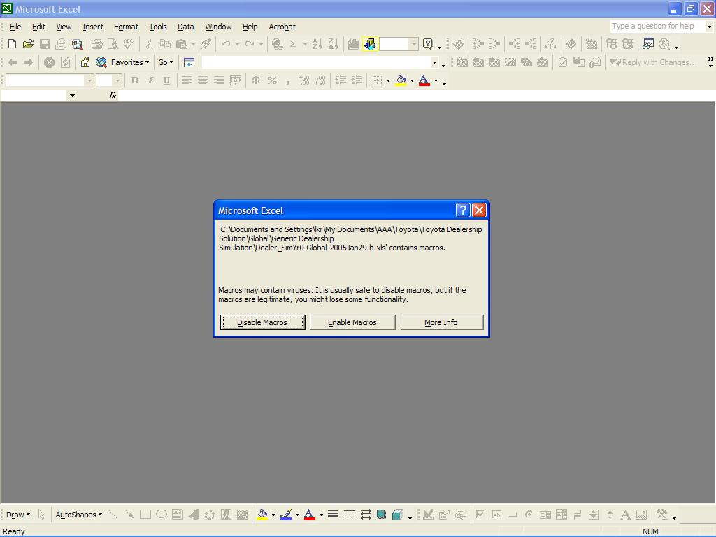
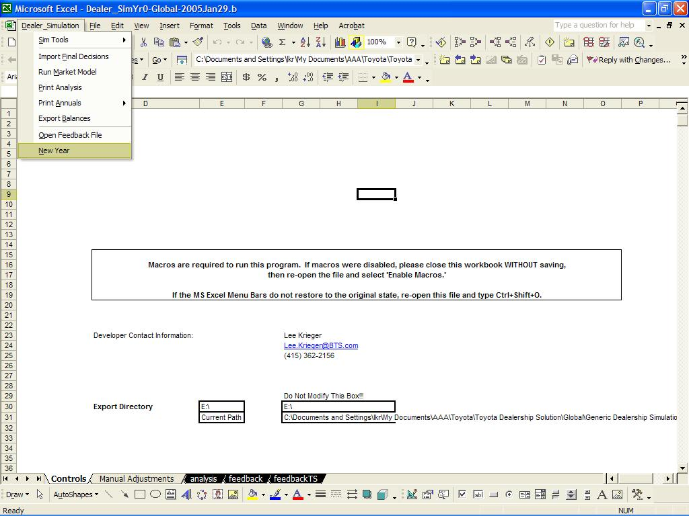
· Create the Team Tools
o From the simulation drop-down menu, select ‘Sim Tools,’ and then select ‘Create Tool.’
o You will be asked the following questions; answer with the following responses:
§ “Do you want to create a tool?”: OK
§ “Do you want to save this file?”: NO (you could say yes here, but normally not necessary)
§ “Do you want to create multiple tools?”: YES
o The simulation will delete unnecessary pages for the tool and remove unneeded columns. When the five tools are created, a dialogue box will appear to confirm “Tool Created.”
After the five tools are created, you may close the simulation and the open tool in MS Excel.

STEP 2
The five newly created tools must be loaded onto the teams’ computers. STEP 1 created five unique tools, each with its own team number. Please ensure that the appropriate tool is loaded on the correct team computers (the team numbers is stored in the file name, e.g. “Dealer_T1Y1” where ‘T’ represents the team number and ‘Y’ represents the decision round or year).

· Create a folder on the desktop of the team computer to store all simulation files for the competition.

· Copy one tool for each team into this folder.

· On each of the teams’ computers, open each tool by double-clicking on the file.
o When prompted, choose to ‘Enable Macros.’
o The tool will automatically “close the hood.” This process will show the appropriate tool pages and format the simulation to full screen. Drop-down menus to navigate through the simulation appear. After completing this step, the teams’ tools are ready for decision-making.

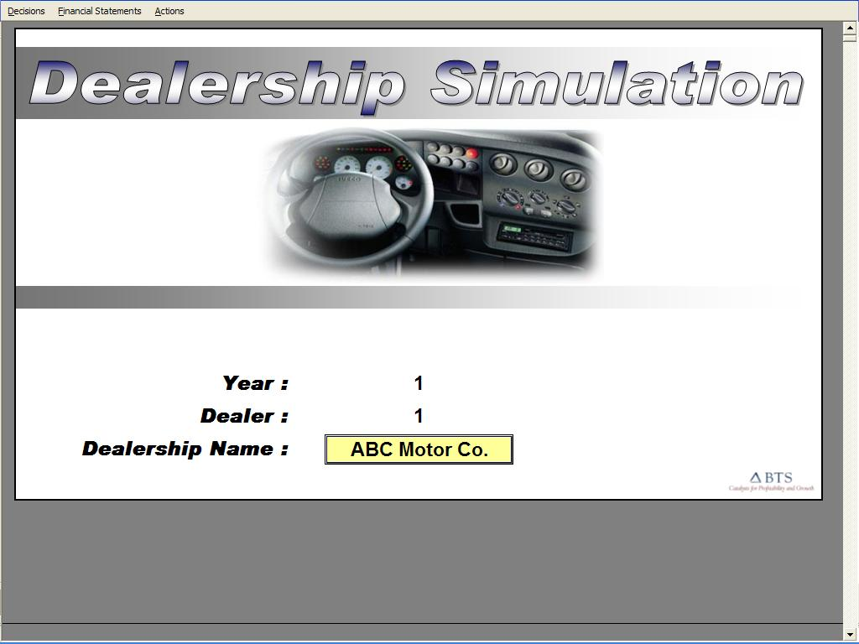

STEP 3
The teams make decisions in their tools according to the course schedule. Use the drop-down menus to navigate through the tool. To exit the tool, select ‘Exit Tool’ from the ‘Actions’ menu.

STEP 4
When the teams have finished their decision-making, the decisions must be exported from each team tool onto a USB drive or diskette. The exported decisions file is very small (approximately 70kb).

· From each team tool, select ‘Export Decisions’ from the ‘Actions’ drop-down menu.
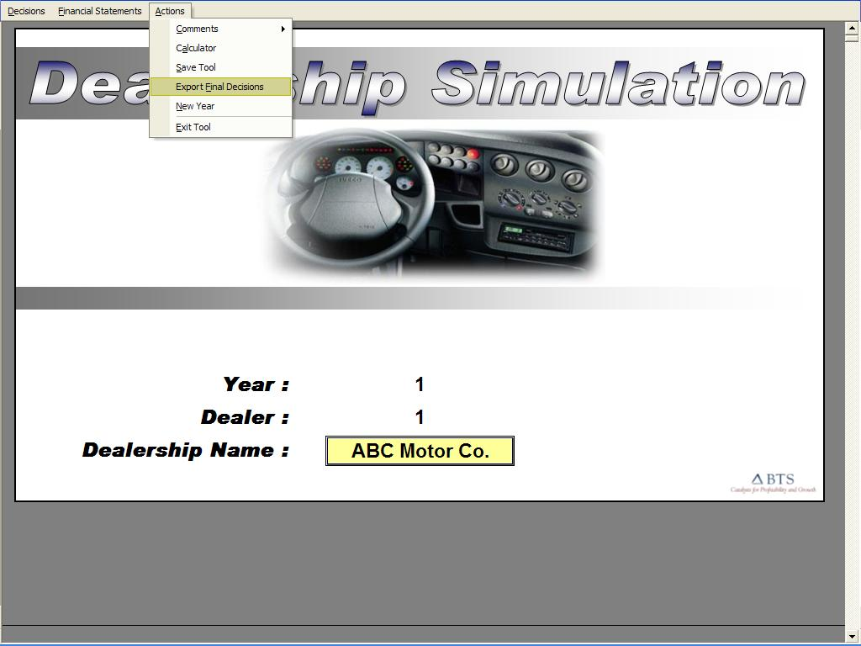

STEP 5
All five sets of team decisions must be imported into the master simulation for processing.

· Import teams’ decisions
o From the simulation drop-down menu, select ‘Import Decisions.’
o Locate the directory of the exported decision files from the dialogue box that appears.
o After each team’s decisions are imported, you will be asked whether to import another; select appropriately.
After importing all decisions, you will be asked whether to save the simulation before proceeding; select appropriately.

STEP 6
· Run the Market Model
o From the simulation drop-down menu, select ‘Run Market Model.’
o This function compares the decisions relative to one another, and then applies a ‘market model weighting’ to the outcome.
o These numeric outcomes are translated into initial market shares; but based on the desired message / learning-points, the market share allocations can be manually adjusted.
Use the ‘analysis’ page to assess the market and financial results. This page may also be printed by selecting ‘Print Analysis Report’ from the simulation drop-down menu. If adjustments are made to the market share allocations, however, ensure that a new report is printed.

STEP 7
Adjusting the Market Allocations

· Adjustments to each segment’s market share and customer satisfaction indices can be made.
· Use the ‘Manual Adjustments’ page for all adjustments. The new actual shares will be shown as adjustments are made. However, based on supply available, some teams might stock-out, and therefore, actual share allocated might not match with the manual allocation.
· Use ONLY the yellow cells to make adjustments.
o Change initial market shares for each segment by placing the actual market share awarded (pre-stockout).
o Change the Satisfaction Indices as an additive adjustment. Add 1%, or subtract 2%, etc.
o Note: Employee Retention is only a minor adjustment that will not have a lasting effect on attrition. Adjustments made this round will not help reduce attrition next round.

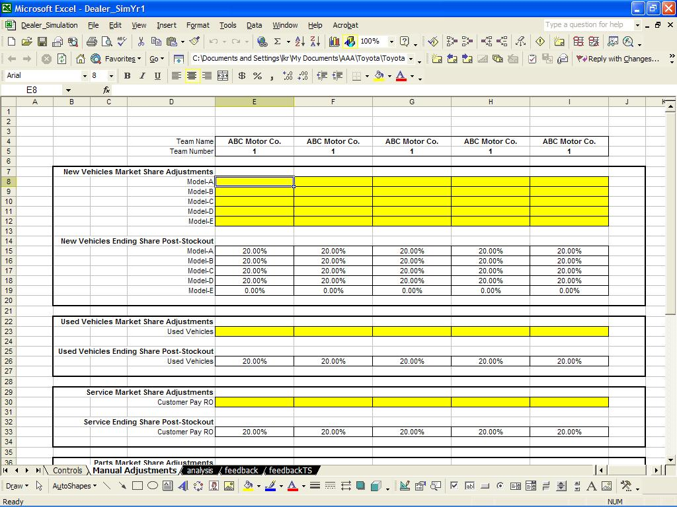

STEP 8
Create the Feedback Presentation

· Following the processing of each decision round, the Feedback presentation must be created. The presentation format is MS PowerPoint, but the source of the charts is the Dealer_Feedbacks.xls file.
· To open the Dealer_Feedbacks.xls file, select ‘Open Feedback File’ from the simulation drop-down menu.
· To link the source file to the Feedback.ppt file, first open the appropriate Feedback.ppt file (e.g. Dealer Feedback 1).
o If the links have not been updated, it will be necessary to ‘Change the Source’ of each slide. If the links have already been created, select ‘Update Links’ when prompted.
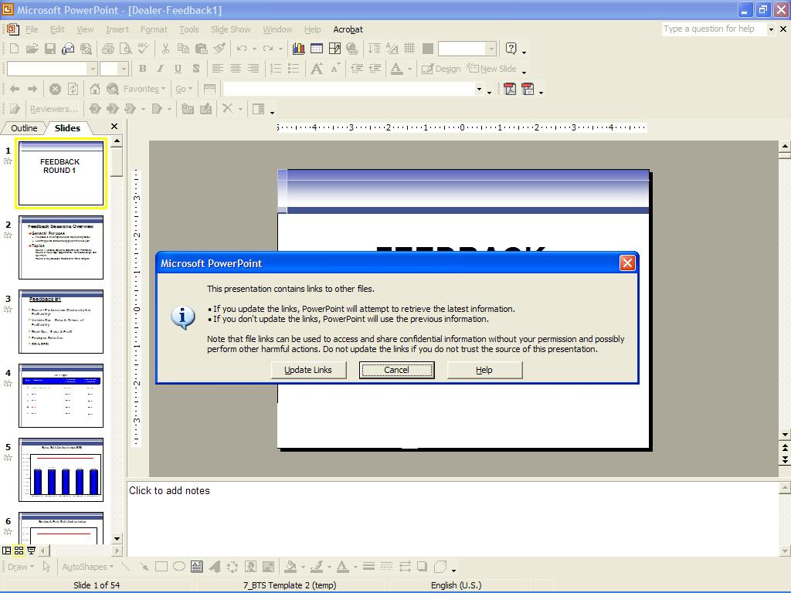

STEP 9
Annual Reports are given to each team after each Feedback Presentation. These reports are automatically printed by the simulation for each team by selecting ‘Print Annual Reports’ from the simulation drop-down menu.

STEP 10
The actual results of the competitive marketplace must be used to update the teams’ tools into the next round. These actual results are exported from the simulation by selecting ‘Export Balances’ from the simulation drop-down menu.

STEP 11
The new balances must be imported into the teams’ tools. With the media device in place (e.g. floppy disk, USB drive, etc.), select ‘New Year.’

· When prompted, use the following case-sensitive password “import”

tlGraphs
Dashboard Gauges |  |  |  |  |  |  |  |  |  |  |  |  |  | A1:U400

Consulting Time Demand

 | Background |  |  | Consultant Util % |  |  |  | Manager. Util % |  | Leader Util %
 | 17% |  |  | 0-10 | 0.05 |  |  | 0-10 | 0.05 | 0-10 | 0.05
 | 17% |  |  | Needle | 0 |  |  | Needle | 0 | Needle | 0
 | 67% |  |  | 0-10 | 0 |  |  | 0-10 | 0 | 0-10 | 0
 | 17% |  |  | 10-20 | 0.025 |  |  | 10-20 | 0.025 | 10-20 | 0.025
 | 17% |  |  | Needle | 0 |  |  | Needle | 0 | Needle | 0
 |  |  |  | 10-20 | 0 |  |  | 10-20 | 0 | 10-20 | 0
 |  |  |  | 20-30 | 0.05 |  |  | 20-30 | 0.05 | 20-30 | 0.05
 |  |  |  | Needle | 0 |  |  | Needle | 0 | Needle | 0
 |  |  |  | 20-30 | 0 |  |  | 20-30 | 0 | 20-30 | 0
 |  |  |  | 30-40 | 0.05 |  |  | 30-40 | 0.05 | 30-40 | 0.05
 |  |  |  | Needle | 0 |  |  | Needle | 0 | Needle | 0
 |  |  |  | 30-40 | 0 |  |  | 30-40 | 0 | 30-40 | 0
 |  |  |  | 40-50 | 0.05 |  |  | 40-50 | 0.05 | 40-50 | 0.025
 |  |  |  | Needle | 0 |  |  | Needle | 0 | Needle | 0.005
 |  |  |  | 40-50 | 0 |  |  | 40-50 | 0 | 40-50 | 0.025
 |  |  |  | 50-60 | 0.025 |  |  | 50-60 | 0.025 | 50-60 | 0.05
 |  |  |  | Needle | 0.005 |  |  | Needle | 0.005 | Needle | 0
 |  |  |  | 50-60 | 0.025 |  |  | 50-60 | 0.025 | 50-60 | 0
 |  |  |  | 60-70 | 0.05 |  |  | 60-70 | 0.05 | 60-70 | 0.05
 |  |  |  | Needle | 0 |  |  | Needle | 0 | Needle | 0
 |  |  |  | 60-70 | 0 |  |  | 60-70 | 0 | 60-70 | 0
 |  |  |  | 70-80 | 0.05 |  |  | 70-80 | 0.05 | 70-80 | 0.05
 |  |  |  | Needle | 0 |  |  | Needle | 0 | Needle | 0
 |  |  |  | 70-80 | 0 |  |  | 70-80 | 0 | 70-80 | 0
 |  |  |  | 80-90 | 0.05 |  |  | 80-90 | 0.05 | 80-90 | 0.05
 |  |  |  | Needle | 0 |  |  | Needle | 0 | Needle | 0
 |  |  |  | 80-90 | 0 |  |  | 80-90 | 0 | 80-90 | 0
 |  |  |  | 90-100 | 0.05 |  |  | 90-100 | 0.05 | 90-100 | 0.05
 |  |  |  | Needle | 0 |  |  | Needle | 0 | Needle | 0
 |  |  |  | 90-100 | 0 |  |  | 90-100 | 0 | 90-100 | 0
 |  |  |  | 100-110 | 0.05 |  |  | 100-110 | 0.05 | 100-110 | 0.05
 |  |  |  | Needle | 0 |  |  | Needle | 0 | Needle | 0
 |  |  |  | 100-110 | 0 |  |  | 100-110 | 0 | 100-110 | 0
 |  |  |  | Invisible | 0.5 |  |  | Invisible | 0.5 | Invisible | 0.5

S&IT Time Demand

 |  |  |  | Leader Util % |  |  |  | Manager. Util % |  | Consultant Util % |  | Solutions WF Util %
 |  |  |  | 0-10 | 0.05 |  |  | 0-10 | 0.05 | 0-10 | 0.05 | 0-10 | 0.05
 |  |  |  | Needle | 0 |  |  | Needle | 0 | Needle | 0 | Needle | 0
 |  |  |  | 0-10 | 0 |  |  | 0-10 | 0 | 0-10 | 0 | 0-10 | 0
 |  |  |  | 10-20 | 0.025 |  |  | 10-20 | 0.025 | 10-20 | 0.025 | 10-20 | 0.025
 |  |  |  | Needle | 0 |  |  | Needle | 0 | Needle | 0 | Needle | 0
 |  |  |  | 10-20 | 0 |  |  | 10-20 | 0 | 10-20 | 0 | 10-20 | 0
 |  |  |  | 20-30 | 0.05 |  |  | 20-30 | 0.05 | 20-30 | 0.05 | 20-30 | 0.05
 |  |  |  | Needle | 0 |  |  | Needle | 0 | Needle | 0 | Needle | 0
 |  |  |  | 20-30 | 0 |  |  | 20-30 | 0 | 20-30 | 0 | 20-30 | 0
 |  |  |  | 30-40 | 0.05 |  |  | 30-40 | 0.05 | 30-40 | 0.05 | 30-40 | 0.05
 |  |  |  | Needle | 0 |  |  | Needle | 0 | Needle | 0 | Needle | 0
 |  |  |  | 30-40 | 0 |  |  | 30-40 | 0 | 30-40 | 0 | 30-40 | 0
 |  |  |  | 40-50 | 0.05 |  |  | 40-50 | 0.05 | 40-50 | 0.05 | 40-50 | 0.025
 |  |  |  | Needle | 0 |  |  | Needle | 0 | Needle | 0 | Needle | 0.005
 |  |  |  | 40-50 | 0 |  |  | 40-50 | 0 | 40-50 | 0 | 40-50 | 0.025
 |  |  |  | 50-60 | 0.05 |  |  | 50-60 | 0.05 | 50-60 | 0.025 | 50-60 | 0.05
 |  |  |  | Needle | 0 |  |  | Needle | 0 | Needle | 0.005 | Needle | 0
 |  |  |  | 50-60 | 0 |  |  | 50-60 | 0 | 50-60 | 0.025 | 50-60 | 0
 |  |  |  | 60-70 | 0.05 |  |  | 60-70 | 0.05 | 60-70 | 0.05 | 60-70 | 0.05
 |  |  |  | Needle | 0 |  |  | Needle | 0 | Needle | 0 | Needle | 0
 |  |  |  | 60-70 | 0 |  |  | 60-70 | 0 | 60-70 | 0 | 60-70 | 0
 |  |  |  | 70-80 | 0.025 |  |  | 70-80 | 0.05 | 70-80 | 0.05 | 70-80 | 0.05
 |  |  |  | Needle | 0.005 |  |  | Needle | 0 | Needle | 0 | Needle | 0
 |  |  |  | 70-80 | 0.025 |  |  | 70-80 | 0 | 70-80 | 0 | 70-80 | 0
 |  |  |  | 80-90 | 0.05 |  |  | 80-90 | 0.025 | 80-90 | 0.05 | 80-90 | 0.05
 |  |  |  | Needle | 0 |  |  | Needle | 0.005 | Needle | 0 | Needle | 0
 |  |  |  | 80-90 | 0 |  |  | 80-90 | 0.025 | 80-90 | 0 | 80-90 | 0
 |  |  |  | 90-100 | 0.05 |  |  | 90-100 | 0.05 | 90-100 | 0.05 | 90-100 | 0.05
 |  |  |  | Needle | 0 |  |  | Needle | 0 | Needle | 0 | Needle | 0
 |  |  |  | 90-100 | 0 |  |  | 90-100 | 0 | 90-100 | 0 | 90-100 | 0
 |  |  |  | 100-110 | 0.05 |  |  | 100-110 | 0.05 | 100-110 | 0.05 | 100-110 | 0.05
 |  |  |  | Needle | 0 |  |  | Needle | 0 | Needle | 0 | Needle | 0
 |  |  |  | 100-110 | 0 |  |  | 100-110 | 0 | 100-110 | 0 | 100-110 | 0
 |  |  |  | Invisible | 0.5 |  |  | Invisible | 0.5 | Invisible | 0.5 | Invisible | 0.5

Outsourcing Time Demand

 | Background |  |  | Consultant Util % |  |  |  | Manager. Util % |  | Leader Util % |  | Solutions WF Util %
 | 17% |  |  | 0-10 | 0.05 |  |  | 0-10 | 0.05 | 0-10 | 0.05 | 0-10 | 0.05
 | 17% |  |  | Needle | 0 |  |  | Needle | 0 | Needle | 0 | Needle | 0
 | 67% |  |  | 0-10 | 0 |  |  | 0-10 | 0 | 0-10 | 0 | 0-10 | 0
 | 17% |  |  | 10-20 | 0.025 |  |  | 10-20 | 0.025 | 10-20 | 0.025 | 10-20 | 0.025
 | 17% |  |  | Needle | 0 |  |  | Needle | 0 | Needle | 0 | Needle | 0
 |  |  |  | 10-20 | 0 |  |  | 10-20 | 0 | 10-20 | 0 | 10-20 | 0
 |  |  |  | 20-30 | 0.05 |  |  | 20-30 | 0.025 | 20-30 | 0.025 | 20-30 | 0.05
 |  |  |  | Needle | 0 |  |  | Needle | 0.005 | Needle | 0.005 | Needle | 0
 |  |  |  | 20-30 | 0 |  |  | 20-30 | 0.025 | 20-30 | 0.025 | 20-30 | 0
 |  |  |  | 30-40 | 0.025 |  |  | 30-40 | 0.05 | 30-40 | 0.05 | 30-40 | 0.025
 |  |  |  | Needle | 0.005 |  |  | Needle | 0 | Needle | 0 | Needle | 0.005
 |  |  |  | 30-40 | 0.025 |  |  | 30-40 | 0 | 30-40 | 0 | 30-40 | 0.025
 |  |  |  | 40-50 | 0.05 |  |  | 40-50 | 0.05 | 40-50 | 0.05 | 40-50 | 0.05
 |  |  |  | Needle | 0 |  |  | Needle | 0 | Needle | 0 | Needle | 0
 |  |  |  | 40-50 | 0 |  |  | 40-50 | 0 | 40-50 | 0 | 40-50 | 0
 |  |  |  | 50-60 | 0.05 |  |  | 50-60 | 0.05 | 50-60 | 0.05 | 50-60 | 0.05
 |  |  |  | Needle | 0 |  |  | Needle | 0 | Needle | 0 | Needle | 0
 |  |  |  | 50-60 | 0 |  |  | 50-60 | 0 | 50-60 | 0 | 50-60 | 0
 |  |  |  | 60-70 | 0.05 |  |  | 60-70 | 0.05 | 60-70 | 0.05 | 60-70 | 0.05
 |  |  |  | Needle | 0 |  |  | Needle | 0 | Needle | 0 | Needle | 0
 |  |  |  | 60-70 | 0 |  |  | 60-70 | 0 | 60-70 | 0 | 60-70 | 0
 |  |  |  | 70-80 | 0.05 |  |  | 70-80 | 0.05 | 70-80 | 0.05 | 70-80 | 0.05
 |  |  |  | Needle | 0 |  |  | Needle | 0 | Needle | 0 | Needle | 0
 |  |  |  | 70-80 | 0 |  |  | 70-80 | 0 | 70-80 | 0 | 70-80 | 0
 |  |  |  | 80-90 | 0.05 |  |  | 80-90 | 0.05 | 80-90 | 0.05 | 80-90 | 0.05
 |  |  |  | Needle | 0 |  |  | Needle | 0 | Needle | 0 | Needle | 0
 |  |  |  | 80-90 | 0 |  |  | 80-90 | 0 | 80-90 | 0 | 80-90 | 0
 |  |  |  | 90-100 | 0.05 |  |  | 90-100 | 0.05 | 90-100 | 0.05 | 90-100 | 0.05
 |  |  |  | Needle | 0 |  |  | Needle | 0 | Needle | 0 | Needle | 0
 |  |  |  | 90-100 | 0 |  |  | 90-100 | 0 | 90-100 | 0 | 90-100 | 0
 |  |  |  | 100-110 | 0.05 |  |  | 100-110 | 0.05 | 100-110 | 0.05 | 100-110 | 0.05
 |  |  |  | Needle | 0 |  |  | Needle | 0 | Needle | 0 | Needle | 0
 |  |  |  | 100-110 | 0 |  |  | 100-110 | 0 | 100-110 | 0 | 100-110 | 0
 |  |  |  | Invisible | 0.5 |  |  | Invisible | 0.5 | Invisible | 0.5 | Invisible | 0.5

Enterprise Workforce Time Demand

 | Background |  |  | Enterprise WF
 | 17% |  |  | 0-10 | 0.05
 | 17% |  |  | Needle | 0
 | 67% |  |  | 0-10 | 0
 | 17% |  |  | 10-20 | 0.025
 | 17% |  |  | Needle | 0
 |  |  |  | 10-20 | 0
 |  |  |  | 20-30 | 0.05
 |  |  |  | Needle | 0
 |  |  |  | 20-30 | 0
 |  |  |  | 30-40 | 0.05
 |  |  |  | Needle | 0
 |  |  |  | 30-40 | 0
 |  |  |  | 40-50 | 0.05
 |  |  |  | Needle | 0
 |  |  |  | 40-50 | 0
 |  |  |  | 50-60 | 0.025
 |  |  |  | Needle | 0.005
 |  |  |  | 50-60 | 0.025
 |  |  |  | 60-70 | 0.05
 |  |  |  | Needle | 0
 |  |  |  | 60-70 | 0
 |  |  |  | 70-80 | 0.05
 |  |  |  | Needle | 0
 |  |  |  | 70-80 | 0
 |  |  |  | 80-90 | 0.05
 |  |  |  | Needle | 0
 |  |  |  | 80-90 | 0
 |  |  |  | 90-100 | 0.05
 |  |  |  | Needle | 0
 |  |  |  | 90-100 | 0
 |  |  |  | 100-110 | 0.05
 |  |  |  | Needle | 0
 |  |  |  | 100-110 | 0
 |  |  |  | Invisible | 0.5

Tool Pages

Sales Page

 |  | Forecasted Bookings ($m) | Growth
 | CRM | $217 | -1%
 | HCM | $148 | 0%
 | Futuria | $74 | 0%

 |  |  | 24,186,044
 |  |  | 38,048,471

Hours Required

 |  |  |  | Hours Required

 |  | Director / EM | PM / Analyst | Technical | Offshore |  | Payroll Expense
 | Onsite | 880 | 1,320 | - | - |  | ($000s)
 | Global Delivery Centers | - | - | - | - |  | $924

 | Total | 880 | 1,320 | - | -

 | Sales Hours Allocation
 |  | CRM | HCM | Futuria
 |  | 62% | 28% | 10%

 |  |  |  |  | Total
 |  | 90000 | 40000 | 15000 | 145000

Consulting Practice 1

 | Current Engagements
 |  | Consultant | Manager | Leader
 | Practice 1 | 235,003 | 120,000 | 40,000
 | Practice 1 | (235,003) | (120,000) | (40,000)
 | Practice 1 | 59% | 30% | 10%

 |  | Offshore | Global Delivery Centers | Technical | PM / Analyst | Director / EM | Unallocated
 | Practice 1 | 5% | 25% | 14% | 13% | 6% | 37%

 |  |  |  | 63%

 | Business Development
 |  | Cons/An/Soln | SM/Mgr | AL
 | Practice 1 | 14,250 | 6,150 | 6,000
 | Practice 1 | (14,250) | (6,150) | (6,000)
 | Practice 1 | 54% | 23% | 23%

 |  | Consultant | Manager | Leader
 | Practice 1 | 54% | 23% | 23%

 | 0.060223821655

Consulting Practice 2

 | Current Engagements
 |  | Cons/An | SM/Mgr | AL
 | Practice 2 | 92,503 | 82,500 | 27,500
 | Practice 2 | (92,503) | (82,500) | (27,500)
 | Practice 2 | 46% | 41% | 14%

 |  | Offshore | Global Delivery Centers | Technical | PM / Analyst | Director / EM | Unallocated
 | Practice 1 | 5% | 3% | 24% | 18% | 7% | 43%

 | Business Development
 |  | Cons/An/Soln | SM/Mgr | AL
 | Practice 2 | 16,100 | 5,500 | 1,400
 | Practice 2 | (16,100) | (5,500) | (1,400)
 | Practice 2 | 70% | 24% | 6%

 |  | Technical | PM / Analyst | Director / EM
 | Practice 1 | 70% | 24% | 6%

Consulting Practice 3

 | Current Engagements
 |  | Cons/An | SM/Mgr | AL
 | Practice 3 | 35,003 | 28,500 | 7,500
 | Practice 3 | (35,003) | (28,500) | (7,500)
 | Practice 3 | 49% | 40% | 11%

 |  | Offshore | Global Delivery Centers | Technical | PM / Analyst | Director / EM | Unallocated
 | Practice 1 | 5% | 8% | 19% | 13% | 4% | 51%

 | Business Development
 |  | Cons/An/Soln | SM/Mgr | AL
 | Practice 3 | 23,750 | 12,600 | 3,450
 | Practice 3 | (23,750) | (12,600) | (3,450)
 | Practice 3 | 60% | 32% | 9%

 |  | Technical | PM / Analyst | Director / EM
 | Practice 1 | 60% | 32% | 9%

Corporate and HR

 |  | This Year | Next Year
 | Revenue | $201 | $419 |  | 1.0896965117
 | Salary | $68 | $116 |  | 0.70273146295

 |  | finPNLBusATotalGlobalSalaryExp
 |  | 0

 | Total Hiring Plan
Director / EM | 20
PM / Analyst | 136
Technical | 230
Sales | 194

toolBusinessB
Outsourcing
Outsourcing
 |  |  |  |  |  |  | Bookings: $338.8M Bookings CAGR: 0.0% Revenues: $200.5M GM: 34.8% OM: -73.2%
 | 17%
 | 17%
 | 67%
 | 17%
 | 17%
0-10 | 0.05
Needle | 0
0-10 | 0
10-20 | 0.025
Needle | 0
10-20 | 0
20-30 | 0.025
Needle | 0.005
20-30 | 0.025
30-40 | 0.05
Needle | 0
30-40 | 0
40-50 | 0.05
Needle | 0
40-50 | 0
50-60 | 0.05
Needle | 0
50-60 | 0
60-70 | 0.05
Needle | 0
60-70 | 0
70-80 | 0.05
Needle | 0
70-80 | 0
80-90 | 0.05
Needle | 0
80-90 | 0
90-100 | 0.05
Needle | 0
90-100 | 0
100-110 | 0.05
Needle | 0
100-110 | 0
Invisible | 0.5
 | 17%
 | 17%
 | 67%
 | 17%
 | 17%
0-10 | 0.05
Needle | 0
0-10 | 0
10-20 | 0.025
Needle | 0
10-20 | 0
20-30 | 0.05
Needle | 0
20-30 | 0
30-40 | 0.025
Needle | 0.005
30-40 | 0.025
40-50 | 0.05
Needle | 0
40-50 | 0
50-60 | 0.05
Needle | 0
50-60 | 0
60-70 | 0.05
Needle | 0
60-70 | 0
70-80 | 0.05
Needle | 0
70-80 | 0
80-90 | 0.05
Needle | 0
80-90 | 0
90-100 | 0.05
Needle | 0
90-100 | 0
100-110 | 0.05
Needle | 0
100-110 | 0
Invisible | 0.5
 | 17%
 | 17%
 | 67%
 | 17%
 | 17%
0-10 | 0.05
Needle | 0
0-10 | 0
10-20 | 0.025
Needle | 0
10-20 | 0
20-30 | 0.025
Needle | 0.005
20-30 | 0.025
30-40 | 0.05
Needle | 0
30-40 | 0
40-50 | 0.05
Needle | 0
40-50 | 0
50-60 | 0.05
Needle | 0
50-60 | 0
60-70 | 0.05
Needle | 0
60-70 | 0
70-80 | 0.05
Needle | 0
70-80 | 0
80-90 | 0.05
Needle | 0
80-90 | 0
90-100 | 0.05
Needle | 0
90-100 | 0
100-110 | 0.05
Needle | 0
100-110 | 0
Invisible | 0.5
 | 17%
 | 17%
 | 67%
 | 17%
 | 17%
0-10 | 0.05
Needle | 0
0-10 | 0
10-20 | 0.025
Needle | 0
10-20 | 0
20-30 | 0.05
Needle | 0
20-30 | 0
30-40 | 0.025
Needle | 0.005
30-40 | 0.025
40-50 | 0.05
Needle | 0
40-50 | 0
50-60 | 0.05
Needle | 0
50-60 | 0
60-70 | 0.05
Needle | 0
60-70 | 0
70-80 | 0.05
Needle | 0
70-80 | 0
80-90 | 0.05
Needle | 0
80-90 | 0
90-100 | 0.05
Needle | 0
90-100 | 0
100-110 | 0.05
Needle | 0
100-110 | 0
Invisible | 0.5
 | Leader: 25.7% |  |  | Manager: 28.5% |  |  |  |  | Consultant: 39.6% |  |  |  |  | Solutions WF: 20.4%

 |  |  |  |  |  |  | Cost of Quality: $12.7M Forecasted New Outsourcing Revenue: $0.0M

hours towards deal
 | Industry 1

 |  |  | Client Costs | Internal Costs |  | Price (000) |  | Leader |  | Manager |  | Consultant

 | A: PHQ Systems |  | $450,000 | $325,551 |  | $0 |  | 1,200 |  | 1,800 |  | 2,200

 | B: PHQ Systems |  |  |  |  | $0 |  | - |  | - |  | -

 | C: H&R Ameriprise |  |  |  |  | $0 |  | - |  | - |  | -

 |  |  |  |  |  | Client's |  | ACN |  |  |  | Deal Pursuit Time Allocation (Hrs.)

 |  |  |  |  |  | Internal |  | Internal |  |  |  | Accenture |  | Sr. Mgr./ |  | Consultant/
 |  | Industry 1 |  | Offering |  | Costs (000s) |  | Costs (000s) |  | Price (000s) |  | Leader |  | Manager |  | Analyst |  | CCI %

 |  | A: PHQ Systems |  | A |  | $450,000 |  | $325,551 |  |  |  |  |  |  |  |  |  |  | 1
 |  |  |  |  | Proposed Client Savings %: | 100.0%

 |  | B: Thompson Cook |  | B |  | $900,000 |  | $694,548 |  | $0 |  | 0 |  | 0 |  | 0 |  |  | 2
 |  |  |  |  | Proposed Client Savings %: | 100.0%

 |  | C: H&R Ameriprise |  | C |  | $250,000 |  | $178,030 |  | $0 |  | 0 |  | 0 |  | 0 |  |  | 3
 |  |  |  |  | Proposed Client Savings %: | 100.0%

 |  | Industry 2

 |  | A: Vandaley Industries |  | A |  | $400,000 |  | $294,343 |  | $0 |  | 0 |  | 0 |  | 0 |  |  | 4
 |  |  |  |  | Proposed Client Savings %: | 100.0%

 |  | B: Bartlet Processing |  | B |  | $600,000 |  | $467,329 |  | $0 |  | 0 |  | 0 |  | 0 |  |  | 5
 |  |  |  |  | Proposed Client Savings %: | 100.0%

 |  | C: Northern Pacific |  | C |  | $200,000 |  | $146,221 |  | $0 |  | 0 |  | 0 |  | 0 |  |  | 6
 |  |  |  |  | Proposed Client Savings %: | 100.0%

 |  | Industry 3

 |  | A: Werham Hogg |  | A |  | $400,000 |  | $304,994 |  | $0 |  | 0 |  | 0 |  | 0 |  |  | 7
 |  |  |  |  | Proposed Client Savings %: | 100.0%

 |  | B: Inventech |  | B |  | $500,000 |  | $389,441 |  | $0 |  | 0 |  | 0 |  | 0 |  |  | 8
 |  |  |  |  | Proposed Client Savings %: | 100.0%

 |  | C: Doodle Search |  | C |  | $150,000 |  | $106,818 |  | $0 |  | 0 |  | 0 |  | 0 |  |  | 9
 |  |  |  |  | Proposed Client Savings %: | 100.0%

 |  |  |  |  |  |  |  |  |  | Total ACN Cost |  | Accenture |  | Sr. Mgr./ |  | Consultant/
 |  |  |  |  |  |  |  | Delivery |  | Savings ($000s) |  | Leader |  | Manager |  | Analyst |  | Soln. WF

 |  |  |  |  |  |  |  | Productivity Gains |  | $0 |  | 2,700 |  | 4,500 |  | 7,200 |  | 3,000

 |  |  |  |  |  |  |  |  |  |  |  | Accenture |  | Sr. Mgr./ |  | Consultant/
 |  |  |  |  |  |  |  |  |  |  |  | Leader |  | Manager |  | Analyst |  | Soln. WF
 |  |  |  |  |  |  |  |  |  | In-Year | In-Year | In-Year | In-Year | In-Year | In-Year | In-Year | In-Year | In-Year
 |  |  |  |  |  |  |  |  |  | Headcount Dismissal |  | 0 |  | 0 |  | 0 |  | 0

 |  |  |  |  |  |  |  |  |  | Attrition Rate |  | 9.0% |  | 15.0% |  | 20.0% |  | 25.0%

 |  |  |  |  |  |  |  |  |  | Headcount This Year |  | 11 |  | 18 |  | 18 |  | 9

 |  |  |  |  |  |  |  |  |  |  |  |  |  |  |  |  |  |  |  | Check Boxes
 |  |  |  |  |  |  |  |  |  |  |  |  |  |  |  |  |  |  | Bid1 | TRUE
 |  |  |  |  |  |  |  |  |  |  |  |  |  |  |  |  |  |  | Bid2 | FALSE
 |  |  |  |  |  |  |  |  |  |  |  |  |  |  |  |  |  |  | Bid3 | FALSE
 |  |  |  |  |  |  |  |  |  |  |  |  |  |  |  |  |  |  | Bid4 | FALSE
 |  |  |  |  |  |  |  |  |  |  |  |  |  |  |  |  |  |  | Bid5 | FALSE
 |  |  |  |  |  |  |  |  |  |  |  |  |  |  |  |  |  |  | Bid6 | FALSE
 |  |  |  |  |  |  |  |  |  |  |  |  |  |  |  |  |  |  | Bid7 | FALSE
 |  |  |  |  |  |  |  |  |  |  |  |  |  |  |  |  |  |  | Bid8 | FALSE
 |  |  |  |  |  |  |  |  |  |  |  |  |  |  |  |  |  |  | Bid9 | FALSE

toolCompDev
Bookings: $338.8M Bookings CAGR: 0.0% Revenues: $200.5M GM: 34.8% OM: -73.2%
(Outsourcing Time Demand) Acc. Leader: 25.7% Sr. Manager/Manager: 28.5% Consultant/Analyst: 39.6% Solutions WF: 40.6%
(Consulting Time Demand) Acc. Leader: 50.6% Sr. Manager/Manager: 46.2% Consultant/Analyst: 47.7%
(SI&T Time Demand) Acc. Leader: 91.2% Sr. Manager/Manager: 101.8% Consultant/Analyst: 81.2% Solutions WF: 20.4%

Offering and Practice Development

Outsourcing Expertise
 | Outsourcing Offering Development
 |  |  |  |  |  |  | Offering
 |  |  | Industry 1 |  | Industry 2 | Industry 3 | Expertise

 |  | A | 0 |  | 0 | 0 | 10

 |  | B | 0 |  | 0 | 0 | 8

 |  | C | 0 |  | 0 | 0 | 6

 |  | Industry
 |  | Expertise | 10 |  | 4 | 10

 |  |  |  | Hours Required |  |  | Payroll Expense
 |  |  | Senior Manager/ |  | Consultant/ |  | ($000s)
 |  | Acc. Leader | Manager |  | Analyst | Solutions WF

 |  | 0 | 0 |  | 0 | 0 | $0

 |  |  |  |  |  |  |  |  | Industry 1 | Industry 2 | Industry 3
 |  |  |  |  |  |  |  | A | 4 | 0 | 6
 |  |  |  |  |  |  |  | B | 4 | 2 | 2
 |  |  |  |  |  |  |  | C | 2 | 2 | 2

 |  |  |  |  |  |  |  |  | Vertical Dev Drop Down
 |  |  |  |  |  |  |  |  |  | 0
 |  |  |  |  |  |  |  |  |  | 1
 |  |  |  |  |  |  |  |  |  | 2
 |  |  |  |  |  |  |  |  |  | 3
 |  |  |  |  |  |  |  |  |  | 4
 |  |  |  |  |  |  |  |  |  | 5

