tlInputFinancials
Save Scenario 1
Save Scenario 2
Reset
Chevron Financial Fluency Tool
 |  |  |  |  |  |  |  |  |  |  |  | A1:S80 | Screen |  | AA51:AH75 | Compare
Project NPV: -$24.9 MM Project Investment PV: $8.3 MM Project DPI: -2.02 Project IRR: -2.7% Proect Payback: 0 Years

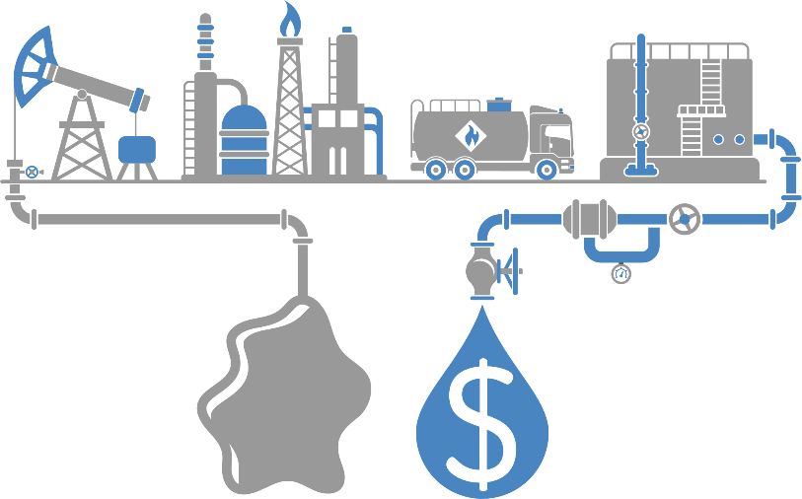
 |  |  |  |  |  |  |  | Scenario 1 | Scenario 2 | Scenario 3 | Scenario 4
Project Schedule (Duration) |  | 1.00 Years |  |  |  | Project NPV10 |  | $26.4 MM | $26.4 MM | $26.4 MM | $26.4 MM |  | 1 | tlOutputResetSched |  |  | -$24.9 MM | tlOutputDash1
Project Capital Expenditures |  | $10 MM |  |  |  | Project Investment PV10 |  | $55.6 MM | $55.6 MM | $55.6 MM | $55.6 MM |  | 10 | tlOutputResetCapEx |  |  | $8.3 MM | tlOutputDash2
 |  |  |  |  |  | Project Incremental DPI |  | 1.48 | 1.48 | 1.48 | 1.48 |  |  |  |  |  | -2.02 | tlOutputDash3
Peak Production Rate |  | 1.0 MBD |  |  |  | Project IRR |  | 17.2% | 17.2% | 17.2% | 17.2% |  | 1 | tlOutputResetProd |  |  | -2.7% | tlOutputDash4
Recoverable Resource |  | 1 MMBBL |  |  |  |  |  |  |  |  |  |  | 1 | tlOutputResetRes |  |  | 0 Years | tlOutputDash5
Reliability / Uptime |  | 90% |  |  |  | Project Schedule (Duration) |  | 1.50 Years | 0.75 Years | 0.75 Years | 0.75 Years |  | 90% | tlOutputResetRel
 |  |  |  |  |  | Project Capital Expenditures |  | $30 MM | $10 MM | $10 MM | $10 MM
Operating Expenses |  | $15.00 / BBL |  |  |  | Payback (Years) |  | 30 Years | 10 Years | 10 Years | 10 Years |  | 15 | tlOutputResetOpEx
Resource Price |  | $50.00 / BBL |  |  |  |  |  |  |  |  |  |  | 50 | tlOutputResetNetback
Working Capital Days |  | 40 Days |  |  |  | Peak Production Rate |  | 9.5 MBD | 2.5 MBD | 2.5 MBD | 2.5 MBD |  | 40 | tlOutputResetWorkingCap
 |  |  |  |  |  | Recoverable Resource |  | 5 MMBBL | 3 MMBBL | 3 MMBBL | 3 MMBBL

Project Financials

Investment Efficiency Chart
 | 1.3 Hurdle |  | 1.5 Hurdle |  | Scenario 1 |  | Scenario 2 |  | Scenario 3 |  | Scenario 4
$1 MM | $0 MM | $1 MM | $1 MM | $56 MM | $26 MM | $56 MM | $26 MM | $56 MM | $26 MM | $56 MM | $26 MM
$250 MM | $75 MM | $250 MM | $125 MM
Project Cash Flow

 |  | Year 0 |  | Year 1 | Year 2 | Year 3 |  | Year 5 | Year 10

Production |  | 0.0 MBD |  | 0.0 MBD | 0.9 MBD | 0.9 MBD |  | 0.2 MBD | 0.0 MBD
Revenue |  | $0 MM |  | $0 MM | $16 MM | $16 MM |  | $4 MM | $0 MM

- Royalty |  | $0 MM |  | $0 MM | $2 MM | $2 MM |  | $1 MM | $0 MM
- OpEx |  | $0 MM |  | $0 MM | $10 MM | $10 MM |  | $2 MM | $0 MM
- Tax |  | $0 MM |  | $0 MM | $1 MM | $1 MM |  | $0 MM | $0 MM
- CapEx |  | $0 MM |  | $10 MM | $0 MM | $0 MM |  | $0 MM | $0 MM
- Change in Working Capital |  | $0 MM |  | $0 MM | $2 MM | $0 MM |  | -$1 MM | $0 MM

Net Cash Flow |  | $0 MM |  | -$10 MM | $1 MM | $3 MM |  | $2 MM | $0 MM

Project Cash Flow

 |  |  | Section Removed

BU Financials

Business Unit P&L
Business Unit Net Cash Flow
 | Revenue | Royalty | OpEx | Income Tax | CapEx | Working Capital | Net Cash Flow
Year 1 | $2,096 MM | -$314 MM | -$629 MM | -$346 MM | $0 MM | -$2 MM | $805 MM
Year 2 | $2,113 MM | -$317 MM | -$634 MM | -$349 MM | -$10 MM | -$2 MM | $802 MM
Year 3 | $2,091 MM | -$316 MM | -$637 MM | -$346 MM | $0 MM | $1 MM | $809 MM
Year 4 | $2,036 MM | -$308 MM | -$621 MM | -$337 MM | $0 MM | $6 MM | $793 MM
Year 5 | $1,951 MM | -$295 MM | -$595 MM | -$323 MM | $0 MM | $9 MM | $763 MM
Year 6 | $1,843 MM | -$277 MM | -$555 MM | -$304 MM | $0 MM | $13 MM | $723 MM
Year 7 | $1,717 MM | -$257 MM | -$515 MM | -$283 MM | $0 MM | $14 MM | $675 MM
Year 8 | $1,577 MM | -$237 MM | -$473 MM | -$260 MM | $0 MM | $15 MM | $623 MM
Year 9 | $1,431 MM | -$215 MM | -$429 MM | -$236 MM | $0 MM | $16 MM | $567 MM
Year 10 | $1,282 MM | -$192 MM | -$385 MM | -$211 MM | $0 MM | $16 MM | $510 MM
 |  | Year 0 |  | Year 1 | Year 2 | Year 3 |  | Year 5 | Year 10

Production |  | 115 MBD |  | 116 MBD | 115 MBD | 112 MBD |  | 101 MBD | 62 MBD |  |  |  |  |  |  |  | 115 MBD |  | 116 MBD | 115 MBD | 112 MBD | 101 MBD | 62 MBD
Revenue |  | $2,096 MM |  | $2,113 MM | $2,108 MM | $2,052 MM |  | $1,847 MM | $1,134 MM |  |  |  |  |  |  |  | $2,096 MM |  | $2,113 MM | $2,091 MM | $2,036 MM | $1,843 MM | $1,134 MM

OpEx |  | $629 MM |  | $634 MM | $637 MM | $621 MM |  | $555 MM | $340 MM |  |  |  |  |  |  |  | $629 MM |  | $634 MM | $627 MM | $611 MM | $553 MM | $340 MM
DD&A |  | $188 MM |  | $183 MM | $178 MM | $174 MM |  | $165 MM | $146 MM |  |  |  |  |  |  |  | $188 MM |  | $183 MM | $178 MM | $174 MM | $165 MM | $146 MM
Royalties & Taxes |  | $660 MM |  | $666 MM | $662 MM | $645 MM |  | $581 MM | $357 MM |  |  |  |  |  |  |  | $660 MM |  | $666 MM | $659 MM | $641 MM | $581 MM | $357 MM
Total Costs |  | $1,477 MM |  | $1,482 MM | $1,478 MM | $1,440 MM |  | $1,302 MM | $843 MM |  |  |  |  |  |  |  | $1,477 MM |  | $1,482 MM | $1,464 MM | $1,426 MM | $1,299 MM | $843 MM

Net Earnings |  | $620 MM |  | $631 MM | $630 MM | $613 MM |  | $545 MM | $291 MM |  |  |  |  |  |  |  | $620 MM |  | $631 MM | $627 MM | $610 MM | $544 MM | $291 MM
 |  | $14.78/BBL |  | $14.92/BBL | $14.93/BBL | $14.93/BBL |  | $14.75/BBL | $12.82/BBL |  |  |  |  |  |  |  | $14.78 |  | $14.92 | $14.99 | $14.98 | $14.77 | $12.83

Business Unit Net Cash Flow

 |  | Year 0 |  | Year 1 | Year 2 | Year 3 |  | Year 5 | Year 10

Revenue |  | $2,096 MM |  | $2,113 MM | $2,108 MM | $2,052 MM |  | $1,847 MM | $1,134 MM |  |  |  |  |  |  |  | $2,096 MM |  | $2,113 MM | $2,091 MM | $2,036 MM | $1,843 MM | $1,134 MM

Royalty |  | $314 MM |  | $317 MM | $316 MM | $308 MM |  | $277 MM | $170 MM |  |  |  |  |  |  |  | $314 MM |  | $317 MM | $314 MM | $305 MM | $276 MM | $170 MM
OpEx |  | $628.9 MM |  | $633.9 MM | $637.2 MM | $620.6 MM |  | $555.3 MM | $340.2 MM |  |  |  |  |  |  |  | $628.9 MM |  | $633.9 MM | $627.4 MM | $610.8 MM | $552.9 MM | $340.2 MM
Income Tax |  | $346 MM |  | $349 MM | $346 MM | $337 MM |  | $304 MM | $187 MM |  |  |  |  |  |  |  | $346 MM |  | $349 MM | $345 MM | $336 MM | $304 MM | $187 MM
CapEx |  | $0 MM |  | $10 MM | $0 MM | $0 MM |  | $0 MM | $0 MM |  |  |  |  |  |  |  | $0 MM |  | $0 MM | $0 MM | $0 MM | $0 MM | $0 MM
Net Cash Flow |  | $805 MM |  | $802 MM | $809 MM | $793 MM |  | $723 MM | $453 MM |  |  |  |  |  |  |  | $805 MM |  | $812 MM | $808 MM | $790 MM | $721 MM | $453 MM
 |  | $19.21/BBL |  | $18.97/BBL | $19.18/BBL | $19.31/BBL |  | $19.58/BBL | $19.96/BBL |  |  |  |  |  |  |  | $19.21 |  | $19.21 | $19.31 | $19.40 | $19.57 | $19.96

Capital Employed |  | $7,313 MM |  | $7,140 MM | $6,961 MM | $6,787 MM |  | $6,452 MM | $5,685 MM |  |  |  |  |  |  |  | $7,313 MM |  | $7,130 MM | $6,951 MM | $6,778 MM | $6,443 MM | $5,677 MM
ROCE |  | 8.5% |  | 8.8% | 9.0% | 9.0% |  | 8.4% | 5.1% |  |  |  |  |  |  |  | 8.5% |  | 8.8% | 9.0% | 9.0% | 8.4% | 5.1%

 |  | LMS related range names
 | false | LMS_FINISHED |  |  |  | 0 | tlInput_LMS_FINISHED
 | 0 | LMS_HIT
 | 0 | LMS_NAME
 | 0 | LMS_NICK_NAME
 | 0 | LMS_OTHER_TEXT
 | 0 | LMS_SCORE

