HIKVISION
 |  |  |  |  | Dealer Price SAR Excluding VAT
 | Photo | Item Code | Datasheet | Item Name
 | 1080P HDTVI Camera - 2MP |  |  | 1080P HDTVI Camera - 2MP
1 | 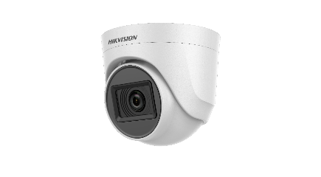 | DS-2CE56D0T-IRMM |  | HD1080P Turbo Indoor Dome IR Turret Camera, Fixed 3.6mm Lens | SAR 40.00
2 |  | DS-2CE76D0T-EXIPF-B28 |  | HIKVISION HD1080P Turbo Indoor Dome IR Turret Camera, NTSC Fixed lens 2.8mm,3.6mm | SAR 47.07
3 |  | DS-2CE76D0T-EXIMF |  | HIKVISION 2MP Outdoor Dome EXIR Fixed Turret Camera - lens 2.8mm. | SAR 64.63
4 |  | DS-2CE76D0T-EXIPF |  | HIKVISION 2MP Outdoor Dome EXIR Fixed Turret Camera - lens 2.8mm/ 3.6mm | SAR 45.60
5 | 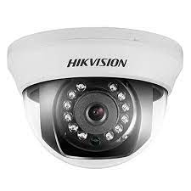 | DS-2CE56D0T-IRMM |  | HIKVISION HD1080P Turbo Outdoor Bullet Camera, Fixed 3.6mm, 2.8mm Lens,plastic | SAR 56.89
6 | 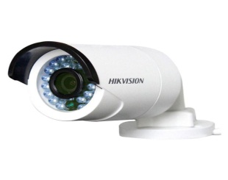 | DS-2CE16D0T-IPF |  | HIKVISION HD1080P Turbo Outdoor Bullet Camera, Fixed 3.6mm, 2.8mm Lens,plastic | SAR 51.00
7 |  | DS-2CE16D0T-ITF-B36 |  | HIKVISION HD1080P Turbo Outdoor Bullet Camera, Fixed 3.6mm, 2.8mm Lens,Metal | SAR 65.00
8 |  | DS-2AE4215T-D3 |  | HIKVISION 2MP Turbo PTZ Indoor Camera, 15X zoom Optical Zoom,16× digital zoom | SAR 750.03
9 |  | DS-2AE4225TI-D |  | HIKVISION HD1080P Turbo PTZ Outdoor Dome Camera, 25X IR Optical Zoom | SAR 911.07
10 | 7200 Series DVR -5MP |  |  | DVRS Support up to 5MP- Cameras Bulit in MIC | SAR 0.00
11 |  | iDS-7204HQHI-M1-STD-(S) |  | AcuSense HIKVISION 4CHTurbo DVR 1080P, Non Real Time, 4K HDMI OutPut | SAR 194.31
12 |  | iDS-7208HQHI-M1-STD-(S) |  | AcuSense HIKVISION 8CHTurbo DVR 1080P Non Real Time, 4K HDMI OutPut | SAR 307.07
13 |  | DS-7216HQHI-K1/E(S) |  | HIKVISION 16CHTurbo DVR 1080 Non Real Time, economy, with audio | SAR 586.45
14 |  | iDS-7216HQHI-M1-STD-(S) |  | HIKVISION 16-ch 1080P 1U H.265 AcuSense DVR, 1 SATA | SAR 640.00
15 |  | iDS-7232HQHI-M2-STD-(S) |  | HIKVISION 32CH HDTVI DVR - support 5 mp live view | SAR 1,300.00
16 |  | DS-7332HQHI-K4-STD |  | HIKVISION 32CHTurbo DVR 1080P Non Real Time, 4K HDMI OutPut - support 5 mp live view | SAR 2,573.01
17 | 5MP HDTVI Camera |  |  | 5MP HDTVI Camera | SAR 0.00
18 |  | DS-2CE76H0T-ITPF |  | HIKVISION 5MP Turbo Dome EXIR Camera, Fixed 2.8mm or 3.6mm Lens, NTSC- plastic- 4 in 1 video output (switchable TVI/AHD/CVI/CVBS) | SAR 70.56
19 |  | DS-2CE79H0T-IT3ZF |  | Hikvision Turbo 5MP CMOS Sensor, EXIR, 40m IR, Dome EXIR,True WDR, 2.8~12mm Motorized Vari-focal Lens | SAR 227.60
20 |  | DS-2CE79H8T-AIT3ZF(2.7-13.5mm) |  | Hikvision Turbo 5 MP Ultra Low Light Motorized Varifocal Turret CameraTrue WDR, 2.8~12mm Motorized Vari-focal Lens | SAR 364.00
21 |  | DS-2CE16H0T-ITPF |  | HIKVISION 5MP Turbo Outdoor Bullet EXIR Camera, Fixed 3.6mm Lens, NTSC - Plastic- 4 in 1 video output (switchable TVI/AHD/CVI/CVBS) | SAR 82.00
22 |  | DS-2CE16H0T-ITF |  | HIKVISION 5MP Turbo Outdoor Bullet EXIR Camera, Fixed 3.6mm Lens, NTSC - 4 in 1 video output (switchable TVI/AHD/CVI/CVBS) | SAR 85.07
23 |  | DS-2CE17H0T-IT1F |  | HIKVISION 5MP Turbo Outdoor Bullet EXIR Camera, Fixed 3.6mm Lens, NTSC - 4 in 1 video output (switchable TVI/AHD/CVI/CVBS) | SAR 97.85
24 |  | DS-2CE17H0T-IT3F |  | HIKVISION 5MP Turbo Outdoor Bullet EXIR Camera, Fixed 3.6mm Lens, NTSC - 4 in 1 video output (switchable TVI/AHD/CVI/CVBS) | SAR 108.00
25 |  | DS-2CE17H0T-IT5F |  | HIKVISION 5MP Turbo Outdoor Bullet EXIR Camera, Fixed 3.6mm Lens, NTSC - 4 in 1 video output (switchable TVI/AHD/CVI/CVBS) | SAR 123.11
26 | 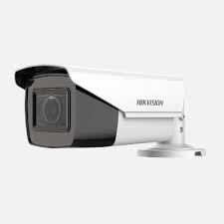 | DS-2CE19H0T-AIT3ZF |  | Hikvision Turbo 5MP CMOS Sensor, EXIR, 40m IR, Outdoor Bullet EXIR,True WDR, 2.8~12mm Motorized Vari-focal Lens | SAR 211.07
27 | 5MP HDTVI Camera |  |  | 5MP Built in MIC - With Audio | SAR 0.00
28 |  | DS-2CE76H0T-ITPFS |  | 5 MP Dome Camera Lens Size: 3.6mm or 2.8mm , Built in MIC | SAR 83.36
29 |  | DS-2CE16H0T-ITPFS |  | Hikvision 5MP Plastic Bullet Camera ,3.6mm - Built in MIC | SAR 97.07
30 |  | DS-2CE16H0T-ITFS |  | Hikvision 5 MP Metal Bullet Camera,audio up coaxial(Only TVI)-B36 - Built in MIC | SAR 115.07
31 | 5MP HDTVI Camera - COLORVU |  |  | 5MP HDTVI Camera COLORVU | SAR 0.00
32 |  | DS-2CE72HFT-F |  | HIKVISION 5 MP ColorVu Fixed Turret Camera,3.6MM | SAR 118.29
33 |  | DS-2CE10HFT-F |  | HIKVISION 5 MP ColorVu Fixed Mini Bullet Camera-B36 | SAR 104.28
34 |  | DS-2CE12HFT-F |  | HIKVISION 5 MP ColorVu Fixed Bullet Camera-B36 | SAR 131.64
35 | 7200 Series - 8MP and Down |  |  | DVR up to 8MP - Support Cameras Bulit in MIC ( Audio) | SAR 0.00
36 |  | DS-7204HUHI-K1/E(S) |  | HIKVISION 4CHTurbo HD DVR 5MP/4MP HDTVI VIDEO INPUT AND LIVE VIEW, ECONOMY SERIES, with AUDIO | SAR 284.05
37 |  | iDS-7204HUHI-M1-STD-(S) |  | AcuSense HIKVISION 4CH 5 MP 1U DVR-STD-(S) - 1 sata | SAR 332.00
38 |  | iDS-7204HUHI-M2-STD-(S) |  | AcuSense HIKVISION 4CHTurbo DVR 1080 Real Time-STD-(S) - 2 sata | SAR 431.25
39 |  | iDS-7208HUHI-M1-STD-(S) |  | AcuSense HIKVISION 8CH 5MP 1U H.265 AcuSense DVR-STD-(S) - 1 sata | SAR 536.53
40 |  | iDS-7208HUHI-M2-STD-(S) |  | AcuSense HIKVISION 8CH 5 MP 1U H.265 AcuSense DVR-STD-(S) - 2 sata | SAR 694.00
41 |  | iDS-7216HUHI-M2-STD-(S) |  | AcuSense HIKVISION 16CH Turbo DVR 1080 Real Time, HDTVI coaxial video&audio input | SAR 995.07
42 |  | DS-7332HUHI-K4-STD |  | HIKVISION 32CH Turbo DVR 1080,3MP,5MP Real Time | SAR 4,820.31
43 |  |  |  | 3K ( 6MP ) HDTVI Camera - ColorVu PoC | SAR 0.00
44 | 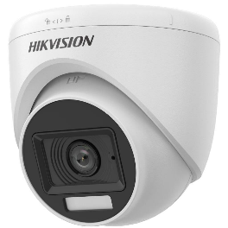 | DS-2CE76K0T-LPFS |  | HIKVISION 3K Dual Light Audio Indoor Fixed Turret Camera - 3K Smart Hybrid Light Audio Indoor Fixed Turret Camera | SAR 78.53
45 |  | DS-2CE10KF0T-FS |  | HIKVISION 4K ColorVu PoC Fixed Bullet Camera-B36 | SAR 120.53
46 | 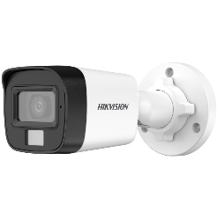 | DS-2CE16K0T-LPFS |  | HIKVISION 3K Smart Hybrid Light Audio Fixed Mini Bullet Camera | SAR 90.00
47 |  | DS-2CE12KF0T-FS |  | HIKVISION 3K outdoor Bullet ColorVu Audio Fixed Bullet Camera | SAR 146.53
48 | 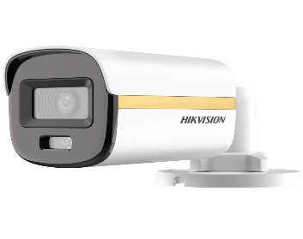 | DS-2CE10KF3T-L |  | HIKVISION 3K ColorVu Dual-light Fixed Mini Bullet Camera | SAR 240.96
49 | 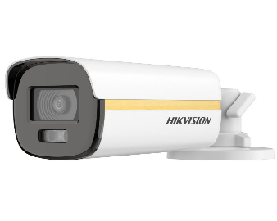 | DS-2CE12KF3T-L |  | 3K ColorVu Dual-light Fixed Bullet Camera | SAR 275.64
50 | 8MP HDTVI Camera |  |  | 8MP HDTVI Camera | SAR 0.00
51 | 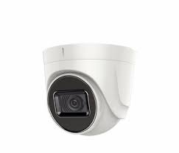 | DS-2CE76U1T-ITPF |  | HIKVISION 8 MP Turbo Indoor Dome IR Turret Camera, 3.6MM or 2.8MM . | SAR 126.73
52 |  | DS-2CE57U1T-VPITF |  | HIKVISION 8 MP Turbo Indoor Dome IR Turret Camera, 3.6MM or 2.8MM . | SAR 228.16
53 |  | DS-2CE56U1T-ITZF |  | Hikvision Turbo 8MP CMOS Sensor, EXIR, 30m IR, Outdoor Dome EXIR,True WDR, 2.7~13.5mm Motorized Vari-focal Lens - | SAR 315.07
54 |  | DS-2CE16U1T-ITPF DS-2CE16U0T-ITPF |  | HIKVISION 8 MP ANALOG BULLET CAMERA (SWITCHABLE TVI/AHD/CVI/CVBS), 3.6MM or 2.8MM - Plastic Case | SAR 127.00
55 |  | DS-2CE16U1T-ITF DS-2CE16U0T-ITF |  | HIKVISION 8 MP ANALOG BULLET CAMERA (SWITCHABLE TVI/AHD/CVI/CVBS), 3.6MM or 2.8MM - Metal Case | SAR 133.95
56 |  | DS-2CE16U1T-IT1F DS-2CE16U0T-IT1F |  | HIKVISION 8 MP ANALOG BULLET CAMERA (SWITCHABLE TVI/AHD/CVI/CVBS), 3.6MM Or 2.8MM | SAR 147.91
57 |  | DS-2CE16U1T-IT3F DS-2CE16U0T-IT3F |  | HIKVISION 8 MP ANALOG BULLET CAMERA (SWITCHABLE TVI/AHD/CVI/CVBS), 3.6MM or 2.8MM . | SAR 208.00
58 |  | DS-2CE16U1T-IT5F |  | HIKVISION 8 MP ANALOG BULLET CAMERA (SWITCHABLE TVI/AHD/CVI/CVBS), 3.6MM or 2.8MM . | SAR 175.07
59 | 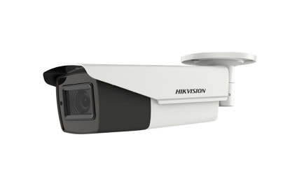 | DS-2CE19U1T-IT3ZF |  | Hikvision 8MP Outdoor Bullet 2.7~13.5mm Motorized Vari-focal Lens . | SAR 270.00
60 |  |  |  | 8MP HDTVI Camera - ColorVu PoC | SAR 0.00
61 | 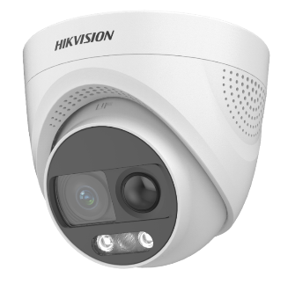 | DS-2CE72UF3T-PIRXO-B36 |  | HIKVISION 4K ColorVu PIR Siren Fixed Turret Camera | SAR 0.00
62 | 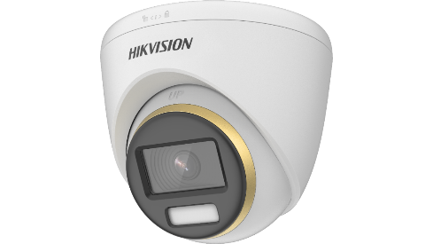 | DS-2CE72UF3T-E-B36 |  | 4K ColorVu PoC Fixed Turret Camera | SAR 333.33
63 |  | DS-2CE10UF3T-E-B36 |  | HIKVISION 4K ColorVu PoC Fixed Bullet Camera | SAR 243.07
64 |  | DS-2CE12UF3T-E-B36 |  | HIKVISION 4K ColorVu PoC Fixed Bullet Camera-B36 | SAR 268.53
65 | Support 8 MP and Down |  |  | 8 MP and Down | SAR 0.00
66 |  | iDS-7204HTHI-M1-STD-(S) |  | HIKVISION 4-ch 4K 1U H.265 AcuSense DVR - 1 HDD Support cameras buit in Audio | SAR 463.60
67 |  | IDS-7204HTHI-M2-STD-(S) |  | HIKVISION 4-ch 4K 1U H.265 AcuSense DVR - 2 HDD Support cameras buit in Audio | SAR 548.55
68 |  | iDS-7208HTHI-M2-STD-(S) |  | HIKVISION 8-ch 4K 1U H.265 AcuSense DVR - - 2 HDD Support cameras buit in Audio | SAR 849.07
69 |  | DS-7316HTHI-K4 |  | 16 Turbo HD/CVI / AHD / CVBS self-adaptive interfaces input, 16-ch video&16-ch audio input, 18-ch IP video input(up to 34-ch IP),H.265+/H.265 compression,8 SATA interfaces, 8 MP@12fps, 4K UHD output,alarm I/O: 16/8, 2U 19" case Recording 8mp . | SAR 2,567.11
70 |  | DS-7332HUHI-K4-STD |  | HIKVISION 32CH Turbo DVR 1080,3MP,5MP Real Time - Support 8MP , Recording less than 8mp | SAR 4,820.30
71 | IP Camera - 2MP |  |  | IP Camera - 2MP | SAR 0.00
72 |  | DS-2CD1123G0E-I |  | HIKVISION IP 2 MP IR Fixed Network Dome Camera | SAR 119.60
73 |  | DS-2CD1023G0E-I |  | HIKVISION IP 2 MP IR Fixed Network Bullet Camera | SAR 119.60
74 | 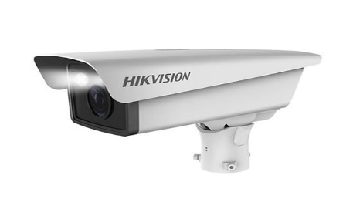 | DS-TCG205-E |  | HIKVISION 2MP ANPR WITH IR LIGHT, 3.1~9MM MOTORIZED VF LENS for Car Entrance and Exit only | SAR 1,541.33
75 |  | 190501359 |  | HIKVISION Traffic Camera7-Wall Mount Bracket for DS-TCG227 | SAR 152.77
76 | 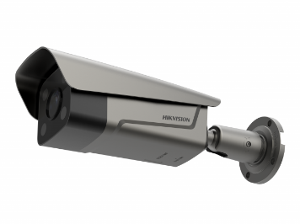 | DS-TCG406-E |  | HIKVISION 4MP ANPR WITH IR LIGHT, 3.1~9MM MOTORIZED VF LENS for Car Entrance and Exit only | SAR 1,990.67
77 |  | IDS-2CD7A46G0/P-IZHSY© |  | HIKVISION 4MP ANPR Dark Fighter Bullet Camera, Car plate Number for streets | SAR 1,898.24
78 | 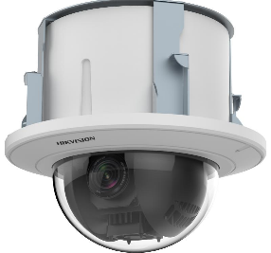 | DS-2DE5225W-AE3-T5 |  | 2 MP 25X Powered by DarkFighter Network Speed Dome - INDOOR | SAR 1,314.00
79 | 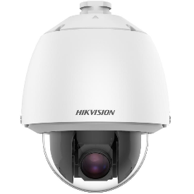 | DS-2DE5225W-AE-T5 |  | 2 MP 25X Powered by DarkFighter Network Speed Dome - OUTDOOR | SAR 1,417.07
80 |  | DS-2DE4225IW-DE |  | HIKVISION 2MP 25X IR Optical Zoom PTZ Dome Network Camera - 100 M IR - OUTDOOR | SAR 1,127.07
81 | IP Camera - 4MP |  |  | IP Camera - 4MP | SAR 0.00
82 | 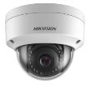 | DS-2CD1143G0-I |  | HIKVISION 4MP Indoor/Outdoor Dome Network Camera, Fixed 4.0mm - 2.8mm Lens | SAR 208.53
83 |  | DS-2CD2143G2-I |  | HIKVISION 4MP Indoor/Outdoor Dome Network Camera 2.8 mm- 4.0mm | SAR 312.00
84 |  | DS-2CD2143G2-IU |  | HIKVISION 4MP Indoor/Outdoor Dome Network Camera, Fixed 2.8mm Lens built in MIC | SAR 318.25
85 |  | DS-2CD2343G0-IU |  | 4MP FIXED LENS TURRET CAMERA WITH IR & AUDIO HIKVISION 2.8mm - 4.0mm - built in MIC | SAR 445.51
86 |  | DS-2CD2543G0-IS |  | HIKVISION 4MP EXIR Mini Dome Network Camera, Fixed 2.8mm Lens with Audio - built in MIC . | SAR 396.93
87 |  | DS-2CD1743G0-IZ |  | HIKVISION 4MP IR VF Dome Network Camera 2.8 to 12mm Varifocal motorized lens . | SAR 395.60
88 |  | DS-2CD1043G0-I |  | HIKVISION 4MP Mini Bullet Network Camera, Fixed 2.8mm Lens | SAR 208.53
89 |  | DS-2CD2T43G0-I8 |  | HIKVISION 4MP Bullet Network EXIR Camera, Fixed 4.0mm - 6.0mm Lens - 80M IR . | SAR 374.00
90 |  | DS-2CD2T43G2-2I |  | HIKVISION 4MP Bullet Network EXIR Camera, Fixed 4.0mm Lens / 2.8mm - 50M IR . | SAR 374.00
91 |  | DS-2CD2T43G2-4I |  | HIKVISION 4MP Bullet Network EXIR Camera, Fixed 2.8mm - 4.0 mm Lens 50M IR . | SAR 371.60
92 |  | DS-2CD1643G0-IZ |  | HIKVISION 4MP Bullet Network Camera, Motorized 2.8~12mm Lens - 30M IR . | SAR 395.60
93 |  | DS-2DE4425IW-DE-T5 |  | HIKVISION 4MP 25X IR Optical Zoom PTZ Dome Network Camera - 100 M IR . Including wall Bracket | SAR 1,360.00
94 |  | DS-2DE5432IW-AE-S5 |  | HIKVISION 5 inches 4MP 32X IR Optical Zoom PTZ Dome Network Camera, deep learning Including wall Bracket | SAR 1,945.85
95 |  | DS-2DE7A432IW-AEB-T5 |  | HIKVISION 7-inch 4 MP 32X Powered by DarkFighter IR Network Speed Dome, Including wall Bracket | SAR 2,486.53
96 | IP Camera - 4MP |  |  | IP Camera - 4MP ColorVu | SAR 0.00
97 | 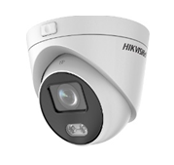 | DS-2CD2347G3E-L |  | Hikvision 4MP ColorVu Network Dome Camera,4.0MM - 2.8MM | SAR 360.00
98 |  | DS-2CD2047G2-L |  | HIKVISISION 4 MP ColorVu Fixed Bullet Network Camera- Lens 2.8mm/4.0mm | SAR 397.05
99 |  | DS-2CD2T47G2-L |  | Hikvision 4MP ColorVu Network Bullet Camera,4.0MM | SAR 459.88
100 | IP Camera - 5MP |  |  | IP Camera - 5MP | SAR 0.00
101 | 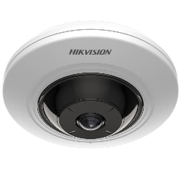 | DS-2CD2955G0-ISU(1.05MM) |  | HIKVISION 5MP Compact Fisheye Network Camera with IR with audio | SAR 812.68
102 |  | DS-2CD1153G0-I |  | HIKVISION 5MP Indoor/Outdoor Dome Network Camera, Fixed 2.8mm Lens/ 4mm | SAR 226.00
103 |  | DS-2CD1153G0-IUF |  | 5MP Build-in Mic Fixed Dome Network Camera - Built in MIC and support memory card. | SAR 226.00
104 |  | DS-2CD1753G0-I |  | HIKVISION 5MP Dome Network Camera, Varifocal 2.8~12mm Lens | SAR 440.99
105 |  | DS-2CD1753G0-IZ |  | HIKVISION 5MP Indoor/Outdoor Dome Network Camera, 2.8~12mm Motorized Lens | SAR 490.85
106 |  | DS-2CD1053G0-I |  | HIKVISION 5MP Mini Bullet Network Camera, Fixed 2.8mm / 4.0mm Lens | SAR 212.53
107 |  | DS-2CD1053G0-IUF |  | HIKVISION 5MP Mini Bullet Network Camera, Fixed 2.8mm / 4.0mm Lens Built in MIC and support memory card. | SAR 226.00
108 |  | DS-2CD1653G0-IZ |  | HIKVISION 5MP Motorized Varifocal Bullet IP Camera, 2.8~12mm Lens | SAR 490.85
109 | IP Camera - 6MP |  |  | IP Camera - 6MP AcuSense / Smart Hybrid Light | SAR 0.00
110 |  | DS-2CD1363G2-LIUF |  | HIKVISION 6MP Turret Network Camera Smart Hybrid Light | SAR 249.60
111 |  | DS-2CD1063G2-LIU |  | 6 MP Smart Hybrid Light Fixed Bullet Network Camera | SAR 226.00
112 |  | DS-2CD1063G2-LIUF |  | 6 MP Smart Hybrid Light Fixed Bullet Network Camera - built in MIC and Support memory card | SAR 249.60
113 | IP Camera - 6MP |  |  | IP Camera - 6MP AcuSense | SAR 0.00
114 |  | DS-2CD2163G2-I |  | HIKVISION 6MP AcuSense Vandal Fixed Dome Network Camera-2.8mm/4.0mm lens | SAR 318.25
115 |  | DS-2CD2163G2-IU |  | HIKVISION 6MP AcuSense Indoor/Outdoor Dome Network Camera Built in MIC 2.8mm/4.0mm | SAR 325.60
116 |  | DS-2CD2163G0-I-B28-BLA |  | HIKVISION 6MP Indoor/Outdoor Dome Network Camera, Fixed 2.8mm Lens - Black Body | SAR 341.52
117 |  | DS-2CD2363G0-IU |  | 6 MP WDR Fixed Turret Network Camera with Build-in Mic.2.8mm | SAR 478.77
118 |  | DS-2CD2163G2-IS |  | HIKVISION 6MP Indoor/Outdoor Dome Network Camera, Fixed 2.8 mm Lens support MIC | SAR 365.04
119 |  | DS-2CD2563G0-IS |  | HIKVISION 6MP EXIR Mini Dome Network Camera, Fixed 2.8mm Lens Support MIC . | SAR 422.09
120 |  | DS-2CD2763G2-IZS |  | 6MP Dome Network EXIR Camera,, 2.8~12mm Motorized Vari-focal Lens | SAR 639.07
121 |  | DS-2CD2763G1-IZS |  | 6MP Dome Network EXIR Camera,, 2.8~12mm Motorized Vari-focal Lens -support MIC | SAR 618.83
122 |  | DS-2CD2T63G2-2I |  | HIKVISION 6MP AcuSense Fixed Bullet Network Camera- 2.8mm / 4.0mm 60M IR . | SAR 371.60
123 |  | DS-2CD2T63G2-4I |  | HIKVISION 6MP AcuSense Fixed Bullet Network Camera- 2.8mm / 4.0mm 80M IR . | SAR 366.13
124 |  | DS-2CD2663G2-IZS |  | 6MP Bullet Network EXIR Camera,, 2.8~12mm Motorized Vari-focal Lens | SAR 639.07
125 | IP Camera - 8MP |  |  | IP Camera - 8MP Series One | SAR 0.00
126 |  | DS-2CD1183G0-I |  | HIKVISION 4K Fixed Dome Network Camera, 8MP | SAR 347.07
127 |  | DS-2CD1183G0-IUF |  | HIKVISION 4K Fixed Dome Network Camera, 8MP - built in MIC and Support memory card | SAR 358.53
128 | 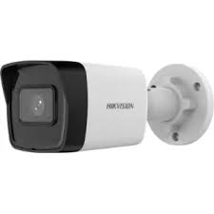 | DS-2CD1083G0-I |  | HIKVISION 4K Fixed Bullet Network Camera, 8MP | SAR 358.00
129 |  | DS-2CD1083G0-IUF |  | HIKVISION 4K Fixed Bullet Network Camera, 8MP - built in MIC and Support memory card | SAR 365.07
130 | IP Camera - 8MP |  |  | IP Camera - 8MP AcuSense | SAR 0.00
131 |  | DS-2CD2183G2-I |  | HIKVISION 8 MP AcuSense Vandal WDR Fixed Dome Network Camera 2.8mm / 4.0mm lens | SAR 386.53
132 |  | DS-2CD2183G2-IS |  | HIKVISION 8MP AcuSense Vanda Dome Network Camera, Fixed 2.8mm Lens Support MIC | SAR 380.33
133 |  | DS-2CD2183G2-IU |  | HIKVISION 8 MP AcuSense Vandal Fixed Dome Network Camera -Built in MIC | SAR 393.07
134 |  | DS-2CD2383G0-IU |  | HIKVISION 8MP Indoor/Outdoor Dome Network Camera, Fixed Lens B28 , Built in MIC | SAR 428.37
135 |  | DS-2CD2T83G2-2I |  | 8 MP AcuSense Fixed Bullet Network Camera - 2.8mm / 4.0mm lens 60M IR . | SAR 415.07
136 |  | DS-2CD2T83G2-4I |  | HIKVISION 8MP AcuSense Fixed Bullet Network Camera- 2.8mm / 4.0mm lens 80M IR . | SAR 482.00
137 |  | DS-2CD2683G2-IZS |  | Hikvision 8MP Motorized Bullet Network Camera, 2.8~12mm , support MIC and speaker . | SAR 709.07 | SAR 496.35
138 | 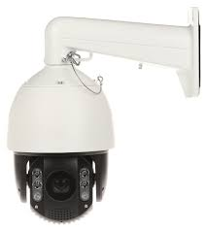 | DS-2DE7A825IW-AEB-T5 |  | HIKVISION 7-inch 8 MP 25X Powered by DarkFighter IR Network Speed Dome | SAR 3,853.07
139 | IP Camera - 8MP |  |  | IP Camera - 8MP ColorVU | SAR 0.00
140 |  | DS-2CD2387G2-LK |  | HIKVISION ColorVu 8MP 24/7 ColorVU Turret Dome Network Camera-B28 | SAR 523.15
141 | 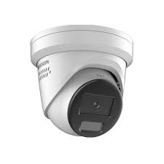 | DS-2CD2387G2H-LIU |  | HIKVISION 8 MP Smart Hybrid Light with ColorVu Fixed Turret Network Camera | SAR 767.12
142 | 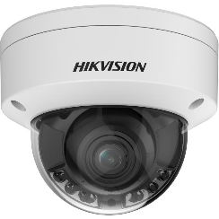 | DS-2CD2787G2HT-LIZS |  | HIKVISION 8 MP Smart Hybrid Light with ColorVu Motorized Varifocal Dome Camera | SAR 1,072.00 | SAR 804.00
143 | 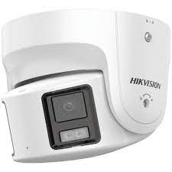 | DS-2CD2387G2P-LSU/SL |  | HIKVISION 8 MP Panoramic 180 Degree ColorVu Fixed Turret Network Camera | SAR 894.64
144 | 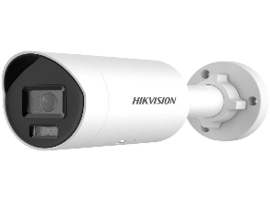 | DS-2CD2087G2H-LIU |  | HIKVISION 8 MP Smart Hybrid Light with ColorVu Fixed Mini Bullet Network Camera | SAR 553.60
145 | 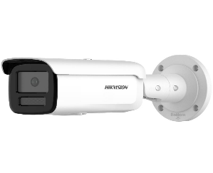 | DS-2CD2T87G2H-LI |  | Hikvision 8MP Fixed Lens Smart Hybrid Light ColorVu Bullet Camera, 4.0mm lens | SAR 621.07
146 | 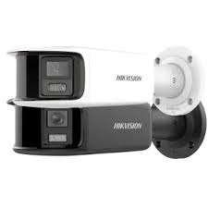 | DS-2CD2T87G2P-LSU/SL |  | HIKVISION 8 MP Panoramic 180 Degree ColorVu Fixed Bullet Network Camera كاميرا خارجية 8 ميجا ملونة 24 ساعة تغطي زاوية رؤية 180 درجة | SAR 1,307.00
147 | 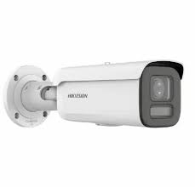 | DS-2CD2687G2HT-LIZS |  | HIKVISION 8 MP Smart Hybrid Light with ColorVu Motorized Varifocal Bullet Network Camera | SAR 1,072.00
148 | NVRS - Support up to 4 MP |  |  | NVRS - Q Series - Support up to 4MP | SAR 0.00
149 |  | DS-7104NI-E1/4P |  | HIKVISION 4CH Network Video Recorder 4 Independent PoE | SAR 110.23
150 | NVRS - Support up to 8MP |  |  | NVRS - K Series - Support up to 6MP | SAR 0.00
151 |  | DS-7604NI-Q1/4P |  | HIKVISION 4CH Network Video Recorder 4 Independent PoE - 1 HDD Support | SAR 336.00
152 |  | DS-7104NI-Q1/M |  | HIKVISION 4CH Network Video Recorder 4 Independent PoE - 1 HDD Support | SAR 194.00
153 |  | DS-7608NI-Q1 |  | HIKVISION 8CH Network Video Recorder- 1 HDD Support | SAR 258.00
154 |  | DS-7616NI-Q2 |  | HIKVISION 16CH Network Video Recorder- 2 HDD Support | SAR 429.07
155 |  | DS-7616NI-Q2/16P |  | HIKVISION 16CH Network Video Recorder- 2 HDD Support - 16 port POE | SAR 773.60
156 | NVRS - Support up to 8MP |  |  | NVRS - K Series - Support up to 8MP | SAR 0.00
157 |  | DS-7604NI-K1 |  | HIKVISION 4CH Network Video Recorder without PoE - 1 HDD Support | SAR 297.99
158 |  | DS-7604NI-K1/4P |  | HIKVISION 4CH Network Video Recorder 4 Independent PoE - 1 HDD Support | SAR 353.33
159 |  | DS-7604NXI-K1/4P |  | HIKVISION 4-ch PoE 1U K Series AcuSense 4K NVR - 4 Independent PoE - 1 HDD Support | SAR 365.07
160 |  | DS-7608NI-K1 |  | HIKVISION 8CH Network Video Recorder | SAR 325.75
161 |  | DS-7608NI-K2 |  | HIKVISION 8CH Network Video Recorder, 2 SATA without POE Ports | SAR 382.61
162 |  | DS-7608NXI-K2 |  | HIKVISION 4-ch PoE 1U K Series AcuSense 4K NVR - without POE- 1 HDD Support | SAR 420.91
163 |  | DS-7608NI-K1/8P |  | HIKVISION 8CH Network Video Recorder 8 Independent PoE Network Interfaces - 1 HDD Support | SAR 513.87
164 |  | DS-7608NI-K2/8P |  | HIKVISION 8CH Network Video Recorder 8 Independent PoE Network Interfaces - 2 HDD Support | SAR 637.85
165 |  | DS-7608NXI-K2/8P |  | HIKVISION 8-ch PoE 1U K Series AcuSense 4K NVR without POE | SAR 663.07
166 |  | DS-7616NI-K1 |  | HIKVISION 16CH Network Video Recorder - 160Mbps Bit Rate Input Max (up to 16-ch IP video), 1 SATA interfaces | SAR 388.08
167 |  | DS-7616NI-K2 |  | HIKVISION 16CH Network Video Recorder - 160Mbps Bit Rate Input Max (up to 16-ch IP video), 2 SATA interfaces, 380 1U case, alarm I/O: 4/1(optional) | SAR 435.84
168 |  | DS-7616NXI-K2 |  | HIKVISION 16CH Network Video Recorder - 160Mbps Bit Rate Input Max (up to 16-ch IP video), 2 SATA interfaces, 380 1U case, alarm I/O: 4/1(optional) - AcuSense | SAR 487.60
169 |  | DS-7616NI-K2/16P |  | 16CH Network Video Recorder 16 Independent PoE Network Interfaces - 2 HDD Support | SAR 802.03
170 |  | DS-7616NXI-K2/16P |  | 16CH Network Video Recorder 16 Independent PoE Network Interfaces - 2 HDD Support - AcuSense | SAR 862.53
171 |  | DS-7616NI-K2/4G |  | HIKVISION 16ch 4G NVR, 2 SATA interface, 4G wireless network | SAR 952.00
172 |  | DS-7732NXI-K4 |  | HIKVISION (4K & H.265) 32CH Network Video Recorder - 4 HDD Support - AcuSense | SAR 1,097.07
173 |  | DS-7732NI-K4/16P |  | HIKVISION (4K & H.265) 32CH Network Video Recorder- 16 Independent PoE Network Interfaces - 4 HDD Support AcuSense | SAR 1,479.05
174 |  |  |  | NVRS - Support up to 12MP | SAR 0.00
175 |  | DS-7608NXI-I2/8P/S |  | HIKVSION 8-Channel 12MP . | SAR 1,207.60
176 |  | DS-7616NXI-I2/S |  | HIKVISION 16ch Acusense NVR, up to 12MP resolution | SAR 1,026.83
177 |  | DS-7616NXI-I2/16P/S |  | HIKVISION 16ch Acusense NVR,16 Port POE up to 12MP resolution | SAR 1,591.60
178 |  | DS-7716NXI-I4/S |  | HIKVISION 16CH Network Video Recorder 1.5U AcuSense 4K - Support 4*HDD | SAR 1,504.00
179 |  | DS-7716NI-I4/16P |  | HIKVISION 16CH Network Video Recorder 1.5U AcuSense 4K Built in 16 port POE - Support 4*HDD | SAR 1,948.95
180 |  | DS-9616NI-I8 |  | HIKVISION 16CH Network Video Recorder,8 SATA . For Price Please Call | Ask for Price
181 |  | DS-9632NI-I8 |  | HIKVISION 32CH Network Video Recorder,8 SATA - 8 HDD Support . For Price Please Call | Ask for Price
182 |  | DS-9632NI-I16 |  | HIKVISION 32CH Network Video Recorder,16 SATA , For Price Please Call | Ask for Price
183 |  | DS-9664NI-I8 |  | HIKVISION 64CH Network Video Recorder, 8 SATA - 8 HDD Support . For Price Please Call | Ask for Price
184 |  | DS-9664NI-I16 |  | HIKVISION 64CH Network Video Recorder, 16 SATA - 16 HDD Support . For Price Please Call | Ask for Price
185 |  | DS-96128NI-I24 |  | HIKVISION 128CH Network Video Recorder,24 SATA , For Price Please Call | Ask for Price
186 |  |  |  | NVRS - Support up to 32MP | SAR 0.00
187 |  | DS-7716NI-M4 |  | HIKVISION 16CH Network Video Recorder -without POE | SAR 1,719.07
188 |  | DS-7716NI-M4/16P |  | HIKVISION 16CH Network Video Recorder - 160Mbps Bit Rate Input Max (up to 16-ch IP video), 2 SATA interfaces, 380 1U case, alarm I/O: 4/1(optional) - | SAR 2,212.00
189 |  | DS-7732NI-M4 |  | HIKVISION (4K & H.265) 32CH Network Video Recorder - 4 HDD Support | SAR 2,071.07
190 | POE Switches |  |  | Fast Ethernet Smart POE Switch 10/100 Mbps Low Power | SAR 0.00
191 |  | DS-3E1105P-EI/M |  | HIKVISION 4 Port Fast Ethernet Smart POE Switch - low power - 38 W | SAR 121.60
192 |  | DS-3E0109P-E/M |  | 8-Port 100 Mbps Unmanaged PoE Switch - 65 W | SAR 183.07
193 |  | DS-3E0318P-E/M |  | HIKVISION 16 Port Fast Ethernet 10/100Mbps Smart POE Switch - Low Power 130 W. | SAR 526.67
194 |  | DS-3E1326P-EI/M |  | HIKVISION 24 Port Fast Ethernet 10/100Mbps Smart POE Switch - low power 230 W. | SAR 730.00
195 | POE Switches |  |  | POE Switches 10/100 Mbps - High Power | SAR 0.00
196 |  | DS-3E1105P-EI |  | HIKVISION 4 Port 10/100Mbps Fast Ethernet Smart POE Switch high power - 60 W | SAR 137.60
197 |  | DS-3E1309P-EI |  | HIKVISION 8 Port Fast 10/100Mbps Ethernet Smart POE Switch - High power 110W. | SAR 207.60
198 |  | DS-3E1318P-EI |  | HIKVISION 16 Port 10/100Mbps Fast Ethernet Smart POE Switch high power - 230W. | SAR 600.00
199 |  | DS-3E1326P-EI |  | HIKVISION 24 Port 10/100Mbps Fast Ethernet Smart POE Switch high power - 370W. | SAR 796.00
200 | Giga POE Switches |  |  | Giga Unmanaged POE Switches 10/100/1000 Mbps High Power | SAR 0.00
201 |  | DS-3E1510P-SI |  | HIKVISION 8 Port Gigabit Smart POE Switch - high power 110 W. | SAR 557.07
202 |  | DS-3E1518P-SI |  | HIKVISION 16 Port Gigabit Smart POE Switch - high power 225 W. | SAR 1,040.53
203 |  | DS-3E1526P-SI |  | HIKVISION 24 Port Gigabit Smart POE Switch - high power 370 W. | SAR 1,374.53
204 |  | DS-3E0520HP-E |  | HIKVISION 16 Port Gigabit Unmanaged POE Switch - 250 W 12 × gigabit PoE ports, 4 × gigabit Hi-PoE ports, 2 × gigabit RJ45 ports, and 2 × gigabit fiber optical ports | SAR 1,073.60
205 | Industrial Switches |  |  | Industrial Switches 10/100M without POE | SAR 0.00
206 | 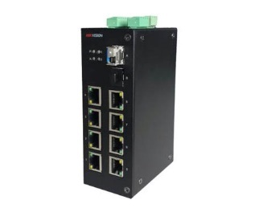 | DS-3D08T/ADAP |  | Hikvision 100M 8-Port Network Optical Fiber Receiver + POWER SUPPLY 48V 3.13A,150 W | SAR 306.17
207 | 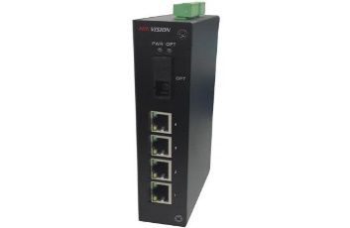 | DS-3D04T/ADAP |  | Hikvision 100M 4-Port Network Optical Fiber Receiver + POWER SUPPLY 48V 3.13A,150W | SAR 168.00
208 |  | DS-3D201T/ADAP |  | Hikvision 1000M Single Mode Network Optical Fiber Transceiver + POWER SUPPLY 48V 3.13A,150W | SAR 222.00
209 |  | DS-2FP2020 |  | HIKVISION CCTV HI-FI Microphone | SAR 73.33
210 | Industrial Switches |  |  | Industrial Switches 1000 Mbps with POE | SAR 0.00
211 |  | DS-3T0506P |  | 4 Port Gigabit Unmanaged Industrial POE Switch - without adapter | SAR 973.33
212 | 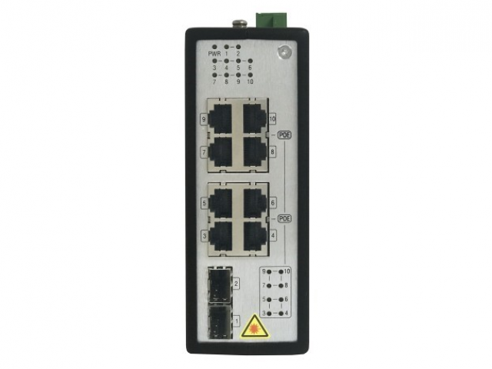 | DS-3T0510P |  | 8 Port Gigabit Unmanaged Industrial POE Switch - without adapter | SAR 1,546.67
213 |  | ELG-150-48A |  | INDUSTRIAL POWER SUPPLY 48V 3.13A,150W for DS-3T0510P and DS-3T0506P | SAR 360.00
214 | Brackets |  |  | Brackets PTZ - Dome - Bullet | SAR 0.00
215 |  | DS-1602ZJ |  | PTZ Camera Wall Mount Bracket, Hik White Aluminum Alloy, 97 x 194 x 310mm | SAR 53.48
216 |  | DS-1663ZJ |  | PTZ Camera Ceiling Mount Bracket, Hik White Aluminum Alloy, 116.5 x 57mm | SAR 39.00
217 |  | DS-1672ZJ |  | PTZ Camera Corner Mount Bracket (Corner Only) | SAR 45.00
218 |  | DS-1276ZJ-SUS |  | PTZ Camera Bracket Corner Mount Bracket | SAR 96.00
219 |  | DS-1475ZJ-SUS |  | PTZ Camera Hikvision Vertical Pole Mount - for PTZ | SAR 96.00
220 | 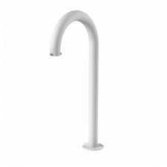 | DS-1619ZJ |  | PTZ Camera Hikvision Swan Neck Bracket | SAR 209.16
221 |  | DS-1280ZJ-DM18 |  | HIKVISION Junction box for Dome 2CD( 1153G0 , 1143G0, 2143G2, 2163G2, 2183G2 ) | SAR 22.60
222 | 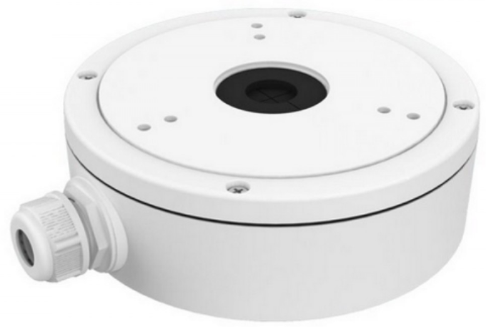 | DS-1280ZJ-S |  | Hikvision Aluminum alloy junction box bracket for Indoor and Outdoor Camera | SAR 44.00
223 | 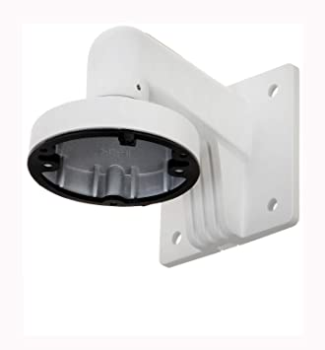 | DS-1272ZJ-110 |  | HIKVISION Wall Mounting Bracket for Mini Dome Camera 2CD( 1153G0 , 1143G0, 2143G2, 2163G2, 2183G2 ) | SAR 36.51
224 |  | DS-1272ZJ-110B |  | HIKVISION Wall Mounting Bracket for Dome Camera with Junction Box 2CD( 1153G0 , 1143G0, 2143G2, 2163G2, 2183G2 ) | SAR 90.00
225 |  | DS-1271ZJ-110 |  | Hikvision Pendant Mount Aluminum Alloy Bracket 150×560mm Dome 2CD( 1153G0 , 1143G0, 2143G2, 2163G2, 2183G2 ) | SAR 70.36
226 |  | DS-1273ZJ-135 |  | Wall Mount for Dome Camera for Dome Motorized Varifocal DS-2CD( 1743G0, 1753G0 ) | SAR 60.00
227 |  | DS-1473ZJ-155 |  | Wall Mount for Dome Camera for Dome Motorized Varifocal DS-2CD( 2763G2 , 2783G2 ) | SAR 90.39
228 | 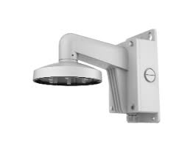 | DS-1473ZJ-155B |  | Wall Mount for Dome Camera with Junction Box حامل الجدار لكاميرا المراقبة المتحركة موديل DS-2CD2387G2P-LSU/SL | SAR 215.11
229 |  | DS-1471ZJ-155 |  | Hikvision Pendant Mount Aluminum Alloy Bracket - 155 mm × 565 mm Dome Motorized Varifocal DS-2CD( 2763G2 , 2783G2 ) | SAR 96.20
230 | 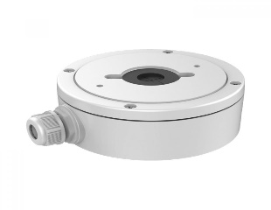 | DS-1280ZJ-XS |  | Hikvision Aluminum alloy junction box bracket Bullet For DS-2CD( 1043G0 ,1053G0 ) | SAR 27.25
231 |  | DS-1260ZJ |  | Junction Box for Bullet Camera ø88.5mm DS-2CD( 2T63 - 2T83 - 2683 - 2663 - 1643 - 1653 ) | SAR 29.25
232 | 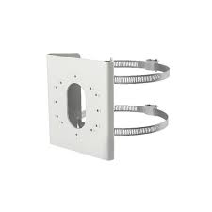 | DS-1275ZJ-S-SUS |  | Hikvision Vertical Pole Mount Bracket for outdoor bullet cameras . | SAR 63.33
233 |  | DS-1005KI |  | HIKVISION USB KEYBOARD, 3D PTZ CONTROL AND 2 JOYSTICK CONTROL BUTTONS | SAR 642.40
234 |  | DS-1006KI |  | RS-485 Keyboard, 3D Joystick | SAR 654.00
235 |  | DS-1200KI |  | HIKVISION NETWORK KEYBOARD AND 4-AXIS JOYSTICK CONTROL BUTTONS | SAR 954.00
236 |  | DS-1LN6U-W/CCA |  | HIKVISION CAT6 White UTP Cable 24AWG (305m per box) (CCA,0.565 mm) | SAR 220.00
237 |  | DS-1LN6U-SC0 |  | CAT6 WHITE UTP Cable (305m per box) , Orang Color , 23 AWG | SAR 464.00
238 |  | DS-1LN6-UE-W |  | HIKVISION CAT6 White UTP Cable (305m per box ) ,24AWG UL Listed certifcate - FLUKE Test Pass - Test Report | SAR 470.53
239 |  | DS-1LN6-UU |  | CAT6 WHITE UTP Cable (305m per box) , Orang Color , 23 AWG UL Listed certifcate - FLUKE Test Pass - Test Report | SAR 532.53
240 | Analog Villa Video Door Phone |  |  | Analog Villa Video Door Phone | SAR 0.00
241 |  | DS-KIS202T |  | HIKVISION Analog Video Doorphone set (1PC Indoor Station DS-KH2220, 1PC Door Station DS-KB2411-IM) | SAR 305.07
242 |  | DS-KB2411T-IM |  | HIKVISION Analog Four Wire Door Station - Plastic Case Support ( DS-KIS202T and DS-KH2220 ) | SAR 137.07
243 |  | DS-KB2411-IM |  | HIKVISION Analog Video Intercom Outdoor Station Support ( DS-KH2220-S ) | SAR 110.00
244 | 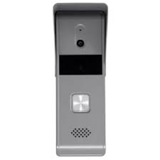 | DS-KB2421-IM |  | HIKVISION Analog Four Wire Door Station - Metal Case Support ( DS-KH2220-S ) | SAR 180.00
245 | 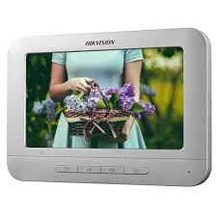 | DS-KH2220-S |  | Hikvision 7“ Screen LCD Indoor Station, Video Intercom Communication, Support Three Indoor Stations Cascading in Intercom System, Remote Unlocking, Monitoring Door Station and External Analog Camera - Support memory card . | SAR 267.07
246 |  | DS-KIS101-P/Surface |  | HIKVISION 2-Wire ColorVU 24H/Day Analog Intercom Kit ( DS-KV1101-ME2/Surface x1 + DS-KH1200 x1 ) Touch Screen. | SAR 560.00
247 | IP Villa Video Door Phone |  |  | IP Villa Video Door Phone | SAR 0.00
248 | 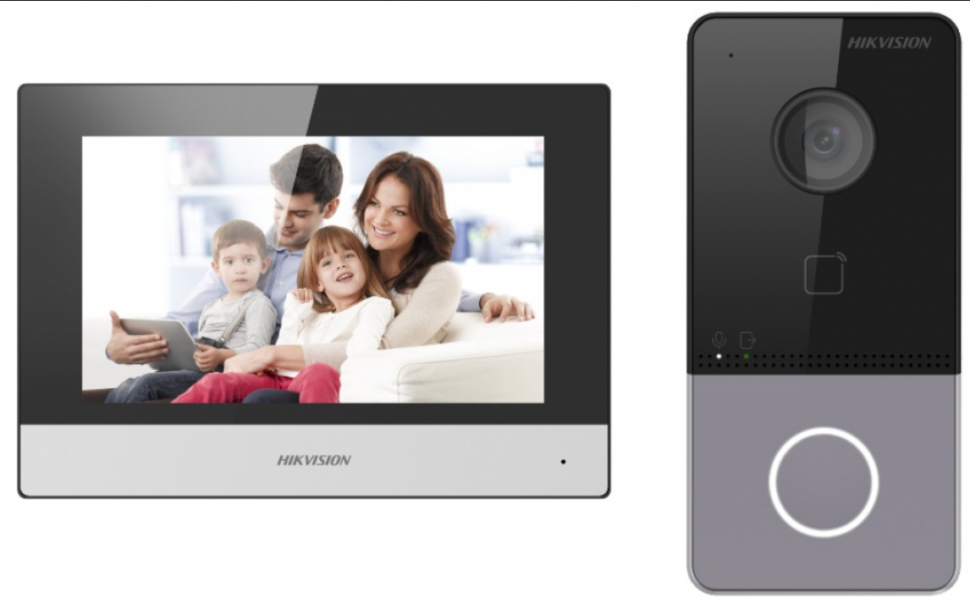 | DS-KIS603-P |  | IP video intercom kit for villa or house, only one call button, 1pc DS-KV6113-WPE1, 1pc DS-KH6320-WTE1, 2pcs PSU | SAR 690.00
249 | 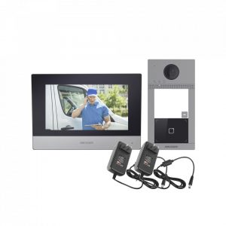 | DS-KIS604-P |  | IP video intercom kit DS-KV8113-WME1 x1 & DS-KH6320-WTE1 x1 with out switch - outdoor and indoor unit built in Wireless | SAR 791.60
250 | 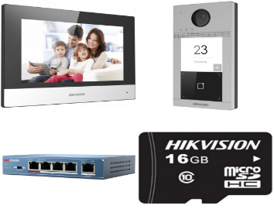 | DS-KIS604-S |  | IP video intercom kit - POE with switch . | SAR 890.00
251 | 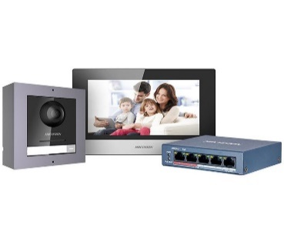 | DS-KIS602 |  | HIKVISION Video Intercom KIT 1PC DS-KD8003-IME1/Surface, 1PC DS-KH6320-WTE1 and 1pc 4 port standard PoE switch and 1pc 16GB TF card - Must be cable is CAT6. | SAR 880.53
252 | 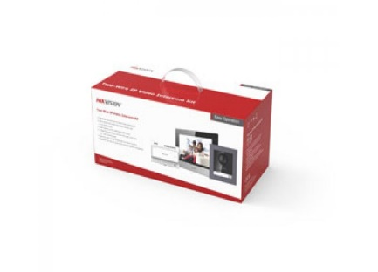 | DS-KIS702-P |  | IP HIKVISION Video Intercom Two Wire IP Video Doorphone KIT -( 2 Wired ) | SAR 951.00
253 | IP Villa Video Door Phone |  |  | IP Villa Video Door Phone modules | SAR 0.00
254 |  | DS-KD8003-IME1 |  | Main unit , needs accessories. CMOS 2MP HD Colorful Camera, Fish eye, 1 Call Button, 1-ch Indoor station access, 2 relays for door lock control IR Supplement , 10M/100M Self-adaptive Ethernet, module connection with RS-485 , 4-ch alarm input IP65, 12 VDC or standard POE | SAR 341.07
255 | 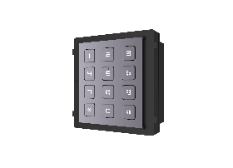 | DS-KD-KP |  | Keypad module, module connection with RS-485 , IP65,Backlight compensation,Flush mounting, Surface mounting, 98.21mmx100.21 mm x33.7mm, unlock door via inputing swiping card, powered by other module (Power input: 12VDC, Power output: 12VDC) | SAR 304.53
256 |  | DS-KD-M |  | HIKVISION Series Pro Modular Door Station Card Reader Mifare | SAR 149.25
257 |  | DS-KD-E |  | HIKVISION Series Pro Modular Door Station Card Reader proximity RFID 125kHz . | SAR 149.25
258 | 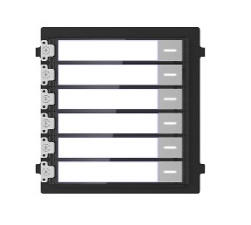 | DS-KD-KK |  | Hikvision Video Intercom Nametag Module | SAR 112.11
259 |  | DS-KD-IN |  | HIKVISION Indicator Module | SAR 94.00
260 |  | DS-KD-DIS |  | KD8 Series Pro Modular Door Station 3.5 inch LCD screen, 4 buttons, backlight, IP65 ,Dial number display, pin code unlock, contact list display Up to 2000 contacts can be added to the device Stores and searches contact list Multiple languages | SAR 217.60
261 | 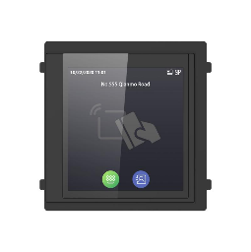 | DS-KD-TDM |  | Touch Display Module with M1 Card Reader | SAR 839.07
262 |  | DS-KD-ACW1 |  | Hikvision Wall mounting Aluminium frame 1 surface module | SAR 112.11
263 | 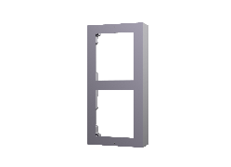 | DS-KD-ACW2 |  | 2 module accessories , used for Surface mounting , includes 2 module frame , 2 module front panel and some other necessary accessories . | SAR 155.60
264 | 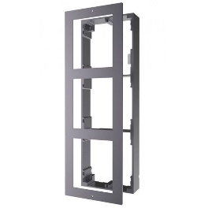 | DS-KD-ACW3 |  | 3 module accessories , used for Surface mounting , includes 3 module frame , 3 module front panel and some other necessary accessories . | SAR 261.07
265 | 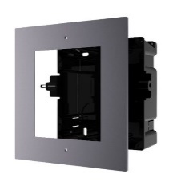 | DS-KD-ACF1/Plastic |  | HIKVISION Second Video Intercom Bracket Flush mounting . | SAR 75.07
266 |  | DS-KD8003-IME1/Surface |  | Hikvision Video Intercom Module Door Station . DS-KD8003-IME1 X 1 PC + DS-KD-ACW1 X 1 PC . | SAR 438.00
267 |  | DS-KH8350-WTE1 |  | HIKVISION Video Intercom Indoor Station 7" Touch Screen Compatible with DS-KIS602, DS-KIS604-P and DS-KIS604-S | SAR 654.00
268 |  | DS-KH6320-WTE1 |  | 7“ Touch-Screen Indoor Station, 7-inch Colorful TFT LCD, display resolution: 1024 * 600; 10/100Mbps Ethernet, Wi-Fi 802.11b/g/n; standard PoE/ 12 VDC. TF card, max 32G 8-ch alarm input, 2xalarm output, 1x485 | SAR 389.60
269 |  | DS-KH6320-WTE2 |  | HIKVISION 2 Wire Video Intercom Indoor station with 7-Inch Colorful TFT LCD , Compatible with DS-KIS702-P | SAR 377.00
270 | DASH CAM |  |  | Access Control | SAR 0.00
271 |  | DS-K1T320EX |  | Value Face Recognition Terminal Max. 500 faces, 1,000 cards, and 100,000 events - NO finger print. | SAR 256.00
272 |  | DS-K1T320EFX |  | Value Face Recognition Terminal Max. 500 faces, 1,000 cards, 1,000 fingerprints and 100,000 events | SAR 313.07
273 |  | DS-K1T320EFWX |  | Value Face Recognition Terminal Max. 500 faces, 1,000 cards, 1,000 fingerprints and 100,000 events - WI-FI | SAR 342.00
274 |  | DS-K1T321EFX |  | ITEM CODE: DS-K1T321EFX Value Series Face Access Terminal 2.4-inch LCD screen, 2 MP lens , Multiple authentication methods, including face, fingerprint, card (EM card), and PIN, etc. Max. 500 faces, 3000 cards, 3000 fingerprints and 150,000 events, Face recognition duration < 0.2 s/User, Supports ISAPI and ISUP 5.0 protocols ,Configuration via the PC web client and mobile web client, Supports wiring with secure door control unit or card reader via RS-485 | SAR 356.00
275 |  | DS-K1T321EFWX |  | ITEM CODE: DS-K1T321EFX Value Series Face Access Terminal 2.4-inch LCD screen, 2 MP lens , Multiple authentication methods, including face, fingerprint, card (EM card), and PIN, etc. Max. 500 faces, 3000 cards, 3000 fingerprints and 150,000 events, Face recognition duration < 0.2 s/User, Supports ISAPI and ISUP 5.0 protocols ,Configuration via the PC web client and mobile web client, Supports wiring with secure door control unit or card reader via RS-485 | SAR 428.52
276 |  | DS-K1T341AMF |  | ITEM CODE: DS-K1T341AMF Support Mifare Crad Value Series Face Access Terminal Deep learning algorithm 4.3-inch capacitive touch screen, 2 MP wide-angle dual-lens 3,000 face capacity, 3,000 card capacity, 3,000 fingerprint capacity and 150,000 event capacity Multiple authentication modes, including face, fingerprint and card, etc. Face recognition duration < 0.2 s/User Supports mask wearing detection Connects to external access controller or Wiegand card reader via Wiegand protocol Connects to secure door control unit via RS-485 protocol to avoid the door opening when the terminal is destroyed Two-way audio with client software, door station, indoor station, and main station | SAR 704.00
277 |  | DS-K1T341CMF |  | ITEM CODE: DS-K1T341CMF Value Series Face Access Terminal Deep learning algorithm 4.3-inch capacitive touch screen, 2 MP wide-angle dual-lens 3,000 face capacity, 3,000 card capacity, 3,000 fingerprint capacity and 150,000 event capacity Multiple authentication modes, including face, fingerprint and card, etc. Face recognition duration < 0.2 s/User Supports mask wearing detection Connects to external access controller or Wiegand card reader via Wiegand protocol Connects to secure door control unit via RS-485 protocol to avoid the door opening when the terminal is destroyed Two-way audio with client software, door station, indoor station, and main station | SAR 688.53
278 |  | DS-K1T341CMFW |  | ITEM CODE: DS-K1T341CMF Value Series Face Access Terminal WI-FI Deep learning algorithm 4.3-inch capacitive touch screen, 2 MP wide-angle dual-lens 3,000 face capacity, 3,000 card capacity, 3,000 fingerprint capacity and 150,000 event capacity Multiple authentication modes, including face, fingerprint and card, etc. Face recognition duration < 0.2 s/User Supports mask wearing detection Connects to external access controller or Wiegand card reader via Wiegand protocol Connects to secure door control unit via RS-485 protocol to avoid the door opening when the terminal is destroyed Two-way audio with client software, door station, indoor station, and main station | SAR 717.07
279 |  | DS-K1T342EFWX |  | ITEM CODE: DS-K1T342EFWX Value Series Face Access Terminal - WI-FI and card type proximity 125Khz Max.1500 faces capacity, Max.3000 fingerprints capacity, and Max.3000 cards Face Recognition Terminal, 4.3-inch LCD touch screen,2 Mega pixel wide-angle lens,Built-in EM card reading module Two-way audio with client software, indoor station, and main station; Supports TCP/IP, Wi-Fi Supports ISAPI, ISUP5.0 Configuration via the web client Face Recognition Distance: 0.3 m to 1.5 m Duration ＜ 0.2 s/User Accuracy rate ≥ 99% Supports mask recognition جهاز بصمة وجة واصبع | SAR 536.53
280 |  | DS-K1T342MFWX |  | ITEM CODE: DS-K1T342EFWX Value Series Face Access Terminal - WI-FI and card type Mifare 13.56Mhz Max.1500 faces capacity, Max.3000 fingerprints capacity, and Max.3000 cards Face Recognition Terminal, 4.3-inch LCD touch screen,2 Mega pixel wide-angle lens,Built-in EM card reading module Two-way audio with client software, indoor station, and main station; Supports TCP/IP, Wi-Fi Supports ISAPI, ISUP5.0 Configuration via the web client Face Recognition Distance: 0.3 m to 1.5 m Duration ＜ 0.2 s/User Accuracy rate ≥ 99% Supports mask recognition جهاز بصمة وجة واصبع | SAR 558.00
281 |  | DS-K1T502DBFWX-C |  | Access Control Terminal Manage access control and intercom functions in one device IP65 & IK09 protections, as well as increased stability with zinc alloy materials Supports multiple authentication methods (card, fingerprint, PIN, etc.) Remote control via the Hik-Connect mobile app Connects to external access controller via Wiegand protocol Video intercom via SIP protocol. Supported SIP server: Brekeke, miniSipServer,FreePBX, Asterisk, 3CX, ELASTIX, and PBX ware RS-485 communication for connecting external card reader and calling elevator Supports AP mode Press calling button to call one of the following objects: management center, indoor station, specified indoor station, or Hik-Connect App Supports up to 256 GB SD card memory Supports PIN settings under platform mode and local mode Setting the priority of wired network and wireless network is available | SAR 645.07
282 |  | DS-K1T673DX |  | Pro Face Access Terminal 7-inch LCD touch screen,2 Mega pixel wide-angle lens Recognition distance: 0.3 to 3 m Face recognition duration ＜ 0.2 s/User Face recognition accuracy rate ≥ 99% Built-in M1 card, Felica card, and DESfire card reading module (Presents card on the screen to authenticate) Face mask detection 10,000 face capacity, 10,000 fingerprint capacity (With fingerprint module), 50,000 card capacity, and 150,000 event capacity Supports ISAPI, ISUP 5.0, TCP/IP (IPv4 and IPv6) Supports single person and multiple people (Up to 5 people) recognition | SAR 1,241.63
283 |  | DS-K1T671MF |  | Pro Face Access Terminal Forced mask wearing alert: If the recognizing face does not wear a mask, the device will prompt a voice reminder. At the same time, the authentication or attendance will be failed 7-inch LCD touch screen, 2 Mega pixel wide-angle lens, built-in M1 card reading module Face recognition distance (without face mask): 0.3 m to 3 m, Duration ＜ 0.2 s/User, Accuracy rate ≥ 99% Max.6000 faces, Max.6000 cards and Max. 5000 fingerprints Two-way audio with client software,indoor station, and main station Supports TCP/IP Configuration via the web client Supports ISAPI and ISUP5.0 protocol IP65 | SAR 1,431.00
284 |  | DS-K1T804AEF |  | ITEM CODE: DS-K1T804AEF K1T804A Pro Series Fingerprint Terminal Integrated management of access control and the time and attendance functions 3,000 fingerprints, 3,000 cards and 100,000 events storage Built-in card reader for EM card Communication via TCP/TP and Wi-Fi RS-485, Wiegand interface Alarm input and output interface ISUP5.0, ISAPI جهاز اكسس كنترول بصمة اصبع وكارت وباسورد | SAR 288.00
285 |  | DS-K2604T |  | Hikvision Four-door Access Controller | SAR 920.53
286 |  | DS-K1103MK |  | HIKVISION Pro 1103 Series Card Reader | SAR 130.00
287 |  | DS-K1104MK |  | HIKVISION Reads Mifare card, with keypad | SAR 243.07
288 |  | DS-K1801MK |  | HIKVISION Mifare card reader | SAR 72.00
289 |  | DS-K1201MF |  | • A group of messy code encrypted data for the security of fingerprint storage • Supports RS485 communication with 19200bps-N-8-1 transmission rate. There are CRC test for the protocol. • Supports EM card reading (DS-K1201EF) • Supports Mifare card reading (DS-K1201MF) • Card induction distance is 30mm to 100mm • Supports multiple authentication modes (card, fingerprint, and card + fingerprint) • Optical CMOS fingerprint module. The characters of fingerprint can be export to the card reader • Max. 5000 fingerprints storage • Adopts the optical fingerprint module, supporting 1:N mode (fingerprint, card + fingerprint) and 1:1 mode (card + fingerprint) • Fingerprint comparison time: 1:1≤1s, 1:1000≤1s; FRR≤0.01%, FAR≤0.001% • Communication circuit is designed with optical coupling isolation and noise suppression function • Build-in buzzer for status indication • Accurate data and time display provided by built-in electronic clock and watchdog program to ensure the basic function of the terminal • Tamper-proof function. | SAR 229.00
290 |  | DS-K1201EF |  | • A group of messy code encrypted data for the security of fingerprint storage • Supports RS485 communication with 19200bps-N-8-1 transmission rate. There are CRC test for the protocol. • Supports EM card reading (DS-K1201EF) • Supports Mifare card reading (DS-K1201MF) • Card induction distance is 30mm to 100mm • Supports multiple authentication modes (card, fingerprint, and card + fingerprint) • Optical CMOS fingerprint module. The characters of fingerprint can be export to the card reader • Max. 5000 fingerprints storage • Adopts the optical fingerprint module, supporting 1:N mode (fingerprint, card + fingerprint) and 1:1 mode (card + fingerprint) • Fingerprint comparison time: 1:1≤1s, 1:1000≤1s; FRR≤0.01%, FAR≤0.001% • Communication circuit is designed with optical coupling isolation and noise suppression function • Build-in buzzer for status indication • Accurate data and time display provided by built-in electronic clock and watchdog program to ensure the basic function of the terminal • Tamper-proof function. | SAR 229.00
291 |  | DS-K1F100-D8E |  | Plug-and-play USB with no-driver technology; Supports various card types (Mifare card and EM card). Card Issuer for Project Market | SAR 113.00
292 |  | DS-K1F820-F |  | Plug-and-play USB with no-driver technology, USB 2.0; Fingerprint enrollment for DS-K1T201, DS-K1201, DS-K1T804, DS-K1A802 and DS-K1T501. | SAR 223.07
293 |  | DS-K1F600U-D6E-F |  | Supports enrolling face picture, fingerprint, 13.56 MHz Mifare 1 card, DESfire card,Felica card and 125KHz EM card. 3.97-inch LCD touch screen,2 Mega pixel wide-angle lens; Supports TCP/IP, USB communication,DC 12V/2A Dimensions：121.6 mm × 137.9 mm × 125 mm (4.8" × 5.4" × 4.9") | SAR 1,010.53
294 |  | DS-K7P01 |  | Aluminum alloy panel, metal button; Dimension(L×W×H): 86×86×20mm(3.39×3.39×0.79"). | SAR 28.53
295 |  | DS-K7M101-E0 |  | EM Contactless Smart card, Frequency: 125KHz. | SAR 2.11
296 |  | DS-KAB6-QR |  | QR Code Module | SAR 295.07
297 |  | DS-K4H250S |  | Single-door Magnetic Lock, supports static linear thrust of 280kg; Working Current: DC12V(500 mA) / 24VAC(250 mA). | SAR 133.07
298 |  | DS-K4H250D |  | Double-door Magnetic Lock, supports static linear thrust of 2 x 280kg; Working Current: 12V/500mA×2 24V/250mA×2. | SAR 270.00
299 |  | DS-K4H250-LZ |  | LZ-Bracket of Magnetic Lock, for DS-K4H250S/D. | SAR 60.05
300 |  | DS-K4H250-U |  | U-Bracket of Magnetic Lock, for DS-K4H250S/D. | SAR 29.76
301 |  | DS-K4H450S |  | Single-door Magnetic Lock, supports static linear thrust of 500kg; Working Current: DC12V(500 mA) / 24VAC(250 mA). | SAR 265.60
302 |  | DS-K4H450D |  | Double-door Magnetic Lock, supports static linear thrust of 2 x 500kg; Working Current: 12V/500mA×2, 24V/250mA×2. | SAR 525.60
303 |  | DS-K4H450-LZ |  | LZ-Bracket of Magnetic Lock, for DS-K4H450S/D. | SAR 101.16
304 | DASH CAM |  |  | DASH CAM | SAR 0.00
305 |  | AE-DC2018-K2 |  | 2MP DASHCAM - Up to 1080P HD camera - Support built-in MIC and speaker for audio in and out - Built-in Wi-Fi module - Supports TF card storage (Max.128GB) - Built-in G-Sensor module - support video recording linkage at car crash or strong vibration. | SAR 169.33
306 |  | AE-DC2018-K2/BuckLine |  | 2MP DASHCAM - Up to 1080P HD camera - Support built-in MIC and speaker for audio in and out - Built-in Wi-Fi module - Supports TF card storage (Max.128GB) - Built-in G-Sensor module - support video recording linkage at car crash or strong vibration. | SAR 208.00
307 |  | AE-DC2015-B1 |  | 2MP / up to 1080p resolution - Built-in Wi-Fi module - Built-in G-sensor - Supports TF card storage (Max.128GB) - Supports the access of one external 1080p camera - Low power consumption and high performance | SAR 184.00
308 |  | AE-DC5013-F6PRO |  | 3MP / 1600P Dashcam with GPS - Up to 1600P high resolution, gold wide angle up to 130°. - Support built-in MIC and speaker for audio in and out. - Built-in WIFI module and WIFI AP function supported. - Micro SD card for video recording, up to 256GB. | SAR 252.76
309 |  | AE-DC5013-F6 |  | 3MP / 1600P Dashcam - Up to 1600P high resolution, gold wide angle up to 130°. - Support built-in MIC and speaker for audio in and out. - Built-in WIFI module and WIFI AP function supported. - Micro SD card for video recording, up to 256GB. | SAR 333.33
310 |  | AE-DC5013-F6PRO |  | HIKVISION DashCam, JPEG, G-sensor, GPS, Built-in Loudspeaker, Storage. | SAR 252.76
311 |  | AE-DC4328-K5 |  | 2K 2ch Dashcam - Display: 3 inch touch screen, Resolution : 854*480. - Built-in G-Sensor sensor. - Support Micro SD card for video recording, up to 256GB. - Support mobile APP connection. Parking monitoring | SAR 388.00
312 |  | AE-DC4328-K5/BuckLine |  | HIKVISION 1440P and 1080P Dual Cam/WIFI/3.93 inch Touch Screen/APP/Parking monitoring | SAR 430.67
313 |  | AE-DC5113-F6S |  | HIKVISION Up to 1600P high resolution. - Built-in WIFI module and WIFI AP function supported - Support built-in MIC and speaker for audio in and out - Display: 2 inches. - SD card for video recording, up to 128GB. | SAR 397.33
314 |  | AE-DC4928-N6PRO |  | 2k front and 1080P rear dual high definition digital lens -Full touch screen, IPS screen / Support built-in MIC and speaker for audio in and out -GPS module is optional to support speed display and route tracking playback -Built-in G-sensor Supports TF card with the storage up to 128GB | SAR 444.00
315 |  | AE-DI5042-G4 |  | 2 MP / 5ch Dashcam 4G/GPS - Supports GPS and speed overlay on picture - Built-in Wi-Fi module, supports Wi-Fi AP - Supports 4G network / Supports dual-TF card storage - Supports connecting to HCP&HCC - Supports object detection, driving safety monitoring etc | Ask for Price
316 | Alarm system |  |  | Wireless Alarm system | SAR 0.00
317 |  | DS-PWA64-Kit-WB |  | 433MHz AX PRO Wireless Control Panel Kit ● DS-PWA64-L-WB * 1 ● DS-PKF1-WB * 1 ● DS-PDP15P-EG2-WB * 1 ● DS-PDMC-EG2-WB * 1 | SAR 664.53
318 |  | DS-PWA64-L-WB |  | 433MHz AX PRO Wireless Control Panel Light Level | SAR 464.00
319 |  | DS-PK1-E-WB |  | 433MHz AX PRO Series Wireless Keypad | SAR 192.53
320 |  | DS-PKF1-WB |  | 433MHz AX PRO Series Wireless Keyfob | SAR 65.40
321 |  | DS-PS1-I-WB (Blue Indicator) |  | 433MHz AX PRO Series Wireless Indoor Sounder | SAR 138.36
322 |  | DS-PS1-E-WB (Red Indicator) |  | 433MHz AX PRO Series Wireless Outdoor Sounder | SAR 213.60
323 |  | DS-PM1-O1L-WB |  | 433MHz AX PRO Series Relay Module | SAR 0.00
324 |  | DS-PM1-O1H-WB |  | 433MHz AX PRO Series Wall Switch | SAR 95.60
325 |  | DS-PM1-I16O2-WB |  | 433MHz AX PRO Series Multi-IO Transmitter | SAR 0.00
326 |  | DS-PDP15P-EG2-WB |  | 433MHz AX PRO Series Wireless PIR Detector | SAR 120.23
327 |  | DS-PDPC12PF-EG2-WB |  | 433MHz AX PRO Series Wireless PIRCAM Detector | SAR 289.44
328 |  | DS-PDMC-EG2-WB |  | 433MHz AX PRO Series Wireless Magnetic Contact | SAR 83.11
329 |  | DS-PDEB1-EG2-WB(B) (Single button) |  | 433MHz AX PRO Series Wall-mounted Water-proof Wireless Emergency Button | SAR 62.00
330 |  | DS-PDBG8-EG2-WB |  | 433MHz AX PRO Series Wireless Glass Break Detector | SAR 112.65
331 |  | DS-PDMCK-EG2-WB |  | 433MHz AX PRO Series Wireless Magnet Shock Detector | SAR 0.00
332 |  | DS-PDSMK-S-WB |  | 433MHz AX PRO Series Wireless Smoke Detector | SAR 171.60
333 |  | DS-PDTPH-E-WB |  | 433MHz AX PRO Series Wireless Temperature Detector | SAR 136.91
334 |  | DS-PDCL12-EG2-WB |  | 433MHz AX PRO Series Wireless PIR Ceiling Detector | SAR 122.11
335 |  | DS-PDMCX-E-WB |  | 433MHz AX PRO Series Wireless External Magnetic Contact | SAR 0.00
336 | Alarm system |  |  | Wired Alarm system | SAR 0.00
337 |  | DS-PHA64-LP |  | AX Hybrid Pro Panel 8 on-board zones and 56 wired/wireless zones expandable；4 on-board outputs（2 relay outputs & 2 I/O outputs） and 60 wired/wireless outputs expandable power supply: 110 - 220V AC Operation temperature -10℃ to 40℃ | SAR 397.33
338 |  | DS-PK1-LRT-HWB |  | Wired LCD Keypad ● LCD screen display ● Supports one-touch arm（Arming without password） ● Supports Fire/Panic/Medical alarm key ● Supports company name, phone number, time display ● Supports 2 on-board alarm inputs and 1 on-board alarm output ● Supports maximum 64 keyfobs | SAR 176.00
339 |  | DS-PM1-I8O2-H |  | Wired Input Expander（Cascade） ● 8 on-board wired zones ● Support 3EOL connection(Alarm：1KΩ；Tamper：1KΩ；Fault：2.2KΩ) ● Support zone alarm，tamper，masking，fault，short detection ● 1 power output for wired detectors ● 2 Speed-X bus, supporting wired input expander cascade mode | SAR 131.51
340 |  | DS-PM1-RT-HWB |  | WIRELESS receiver ● 433MHz wireless receiver ● Wireless transmission distance up to 1300m ● Supports 32 wireless detectors，4 wireless indoor sounders and 8 wireless outdoor sounder | SAR 0.00
341 |  | DS-PM1-O4H-H |  | wired expander Supports 4 onboard power relays，each relay can handle current of up to 16A · Powered by Speed-X technology，supporting expander cascading with 1 uplink Speed-X port and 1 downlink Speed-X port | SAR 0.00
342 |  | DS-PM2-S(EU) |  | 3G/4G Communication Module(EU) ● FDD-LTE B1/B3/B7/B8/B20 ● Dual-Band UMTS/HSDPA/HSPA+B1/B8 ● GSM/GPRS/EDGE 900/1800MHz | SAR 0.00
343 |  | DS-PS1-R |  | Sounder PC+ABS shell Red/Blue colors for option 105dB at 30cm IP54 Protective level Sound and LED Flash indication separately Easy installation with new designed structure | SAR 60.05
344 |  | DS-PM1-O4L-H |  | Wired I&O Expander ● 4 on-board low current relays, supporting 6-30V and up to 5A current ● 1 power output, maximum 500mA ● Powered by Speed-X technology，supporting expander cascading with 1 uplink Speed-X port and 1 downlink Speed-X port | SAR 0.00
345 |  | DS-PDPC12P-EG2 |  | ● Detection range: 12m / 85.9° BUS PIRCAM ● Up to 30KG pet immunity ● SEC (Smart Environmental Control) - Advanced digital signal processing and 3D optics ● Polarizing IR lens design for more uniform night illumination and excellent night shots ● Large integrated memory buffer for image storage ● Fully remote configurable through App | SAR 231.07
346 |  | DS-PD1-MC-WS |  | ABS plating shell Connection type: NC Desohmed for the surface mounting on wood door Dimension(L x W x H): 63.5mm x 12.5mm x 15.7mm 63.5mm x 12.5mm x 12.5mm (Magnet) | SAR 7.45
347 |  | DS-PD1-MC-MS |  | Metal plating shell Connection type: NC Designed for doors or windows Dimension(L x W x H): 50mm x 18mm x 10mm | SAR 22.96
348 |  | DS-PD1-MC-RS |  | Metal plating shell Connection type: NC Designed for rolling door Surface mounting | SAR 36.45
349 |  | DS-PDSKM-VG3 |  | Wired Shock Detector NC;12VDC;EN Grade3 | SAR 154.00
350 |  | DS-PDP18-EG2(PET) |  | PIR Detector Detection range: 18M, 85.9 degree Alarm: Tamper alarm, intruder alarm Pet-immunity: up to 10kg within 10m | SAR 36.45
351 |  | DS-PDC15-EG2 |  | PIR Detector Detection range: 15M, 6.3 degree Alarm: Tamper alarm, intruder alarm Selectable EOL resistors for alarm and tamper-proof wiring | SAR 120.00
352 |  | DS-PDB-IN-Universalbracket |  | Internal universal bracket compatible to all the indoor PIR detector and Dual-Tech detector for Wall/Celling mount(0-90° vertical adjustable ±40° horizontal adjustable) | SAR 6.67
353 |  | DS-PDCL12-EG2 |  | Ceiling PIR Detector Detection range:12m | SAR 70.85
354 |  | DS-PDC10DM-VG3 |  | Dual Detection Technologies: PIR + 24GHz Microwave; Detection Range: 10m Wall Mount/5m Ceiling Mount Anti-masking support | SAR 0.00
355 |  | DS-PDSK-P |  | Shock Detector Potentiometer Adjustment LED Latch support | SAR 0.00
356 |  | DS-PDBG8-EG2 |  | Break-Glass Detector Up to 8m/120° detection coverage Potentiometer sensitivity adjustment | SAR 57.60
357 |  | DS-PD1-EB |  | Panic Button Flame retardant ABS shell Capacity: ≤ 250V/300mA Connection mode: NO/NC | SAR 7.45
358 |  | DS-PDSMK-4 |  | 4-wire Photoelectric Smoker Detector Operating voltage: 10.2 ~ 13.8 V DC Dimensions: Φ 100 mm × 35 mm Alarm response threshold(smoke): 0.10 ~ 0.16 dB/m 1.51 ~ 2.73 % / ft bnscuration | SAR 44.56
 |  |  |  | Total

 |  |  |  | ملاحظات

 |  |  |  | قد تختلف صور أو مواصفات بعض المنتجات عن الصورة أو المواصفات المعروضة عاليه. للتأكد يرجى مراجعه الموقع الإلكترونى للشركة المصنعه او فريق المبيعات
 |  |  |  | قد يتغير السعر المعروض عاليه بدون أى إخطار مسبق, للتأكد من السعر الحالى يرجى مراجعه فريق المبيعات
 |  |  |  | الأسعار المعروضه عاليه بالريال السعودى ولا تتضمن ضريبة القيمه المضافه 15%
 |  |  |  | للتأكد من توافر الموديلات بالمخزون, يرجى مراجعه فريق المبيعات

