June 15
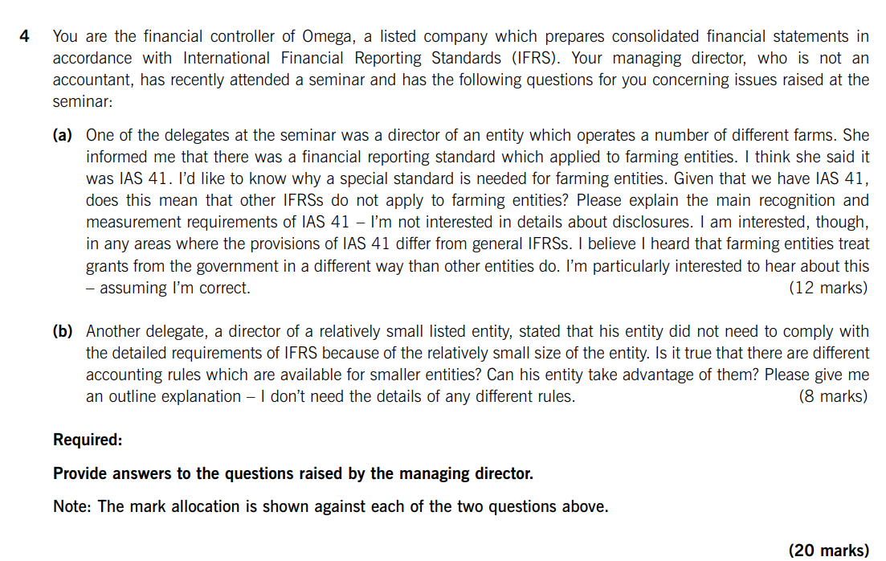

Dec 15
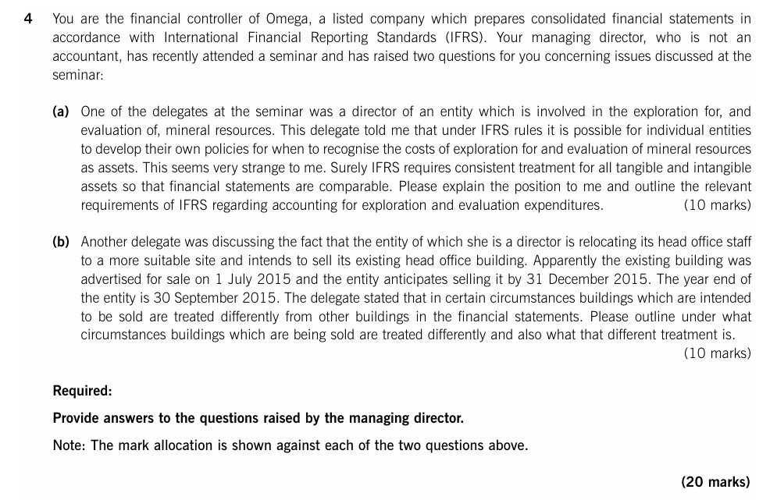

June 16
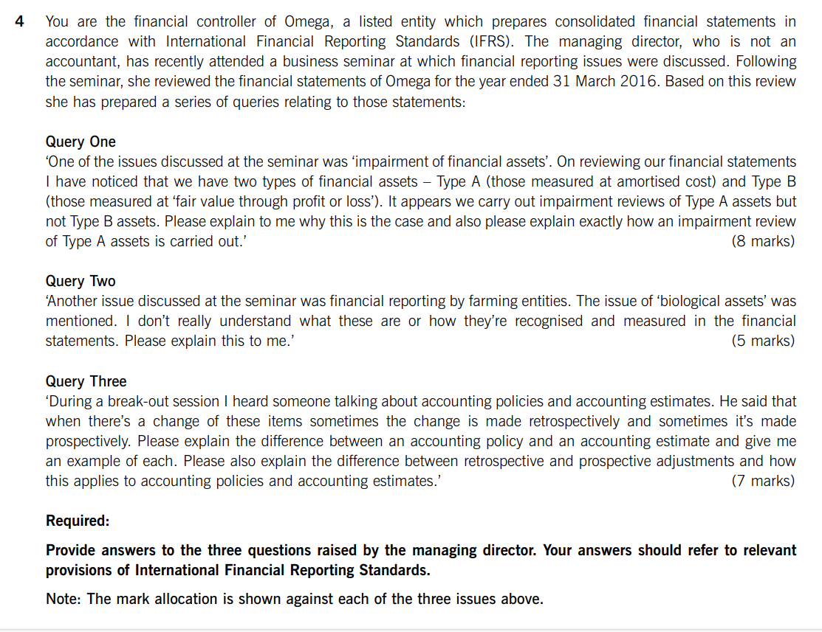

Dec 16
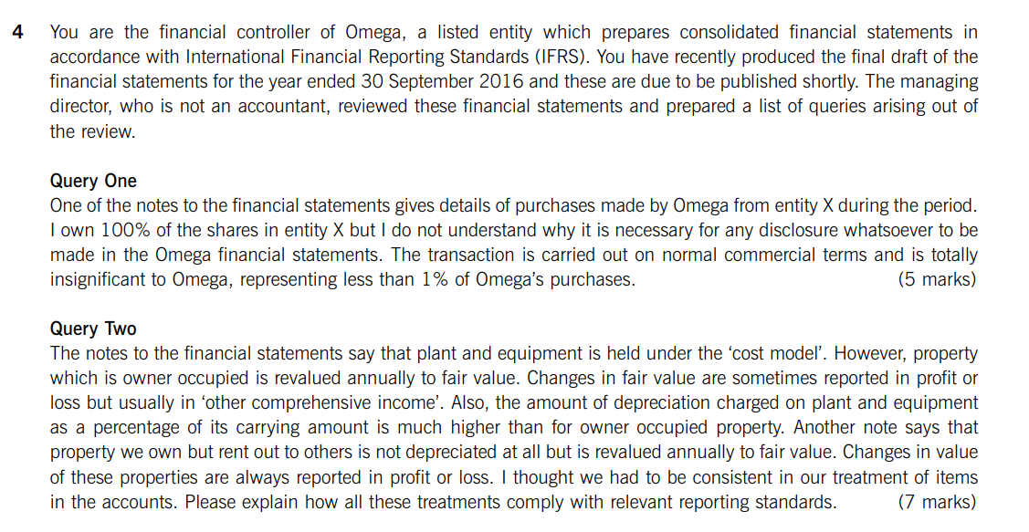

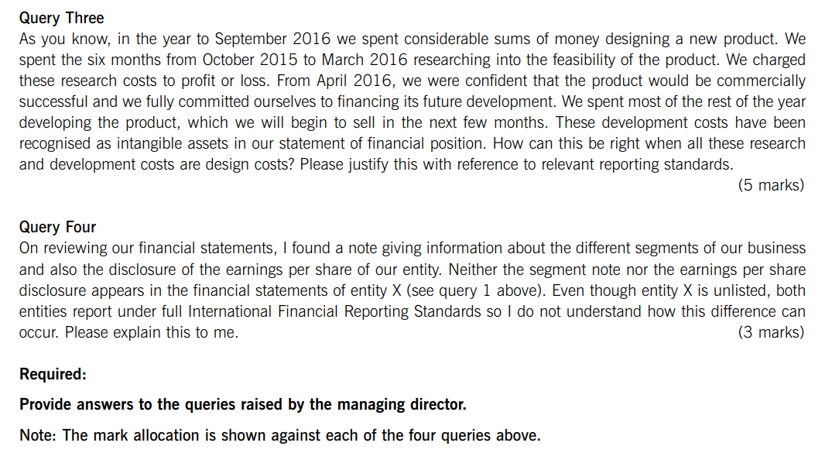

June 17
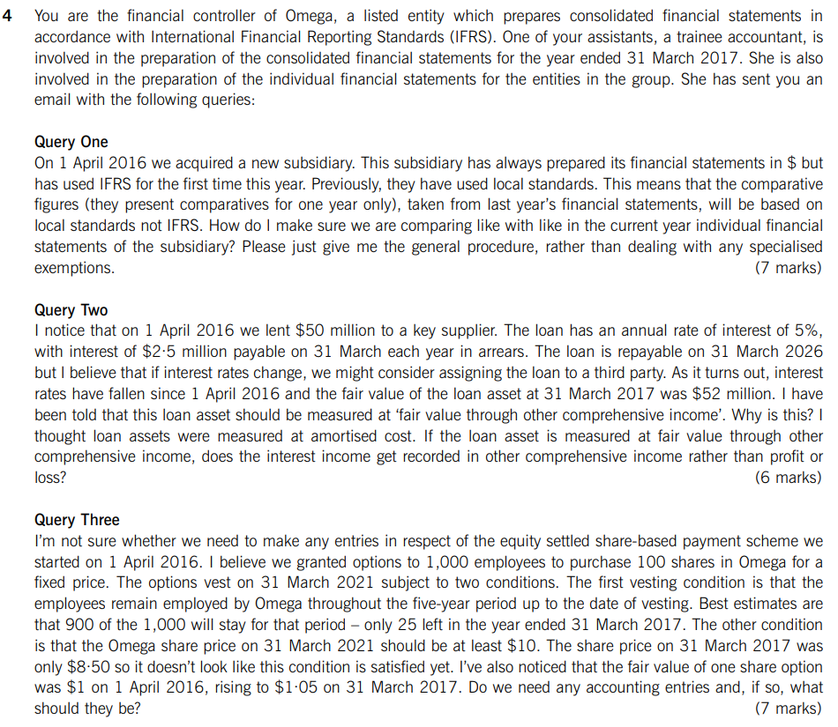

Dec 17
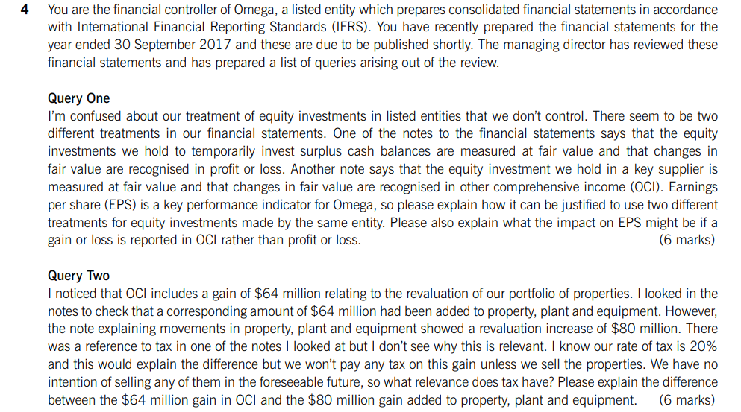

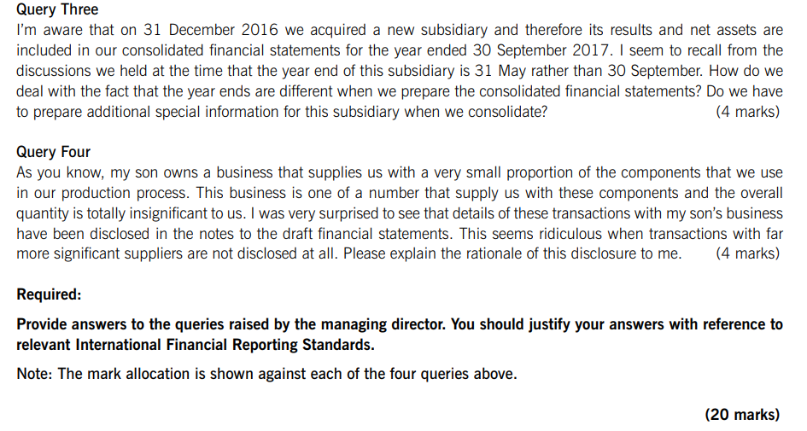

June 18
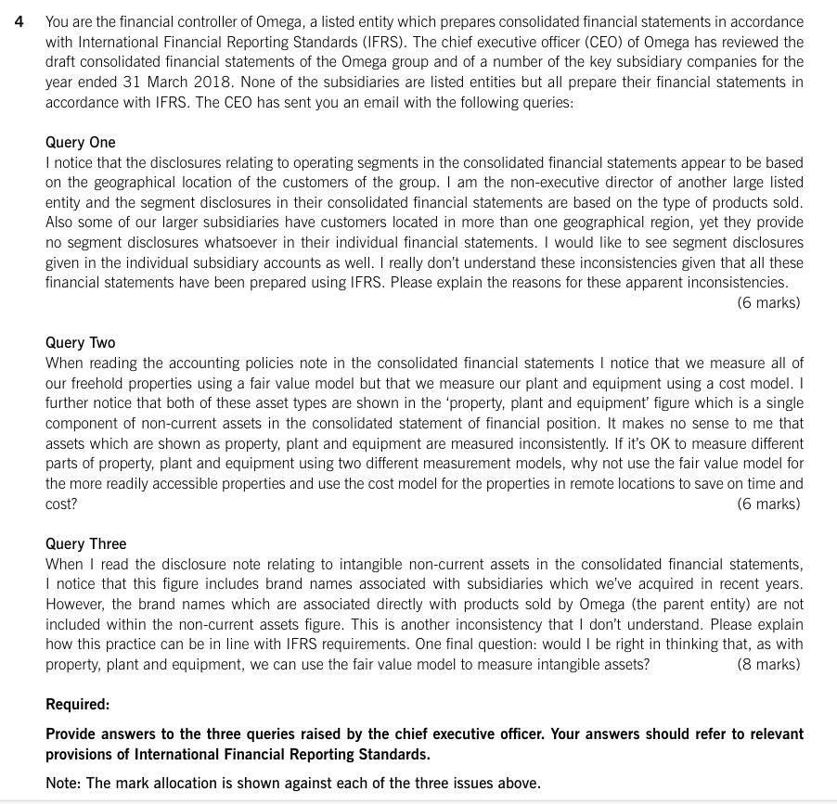

Dec 18
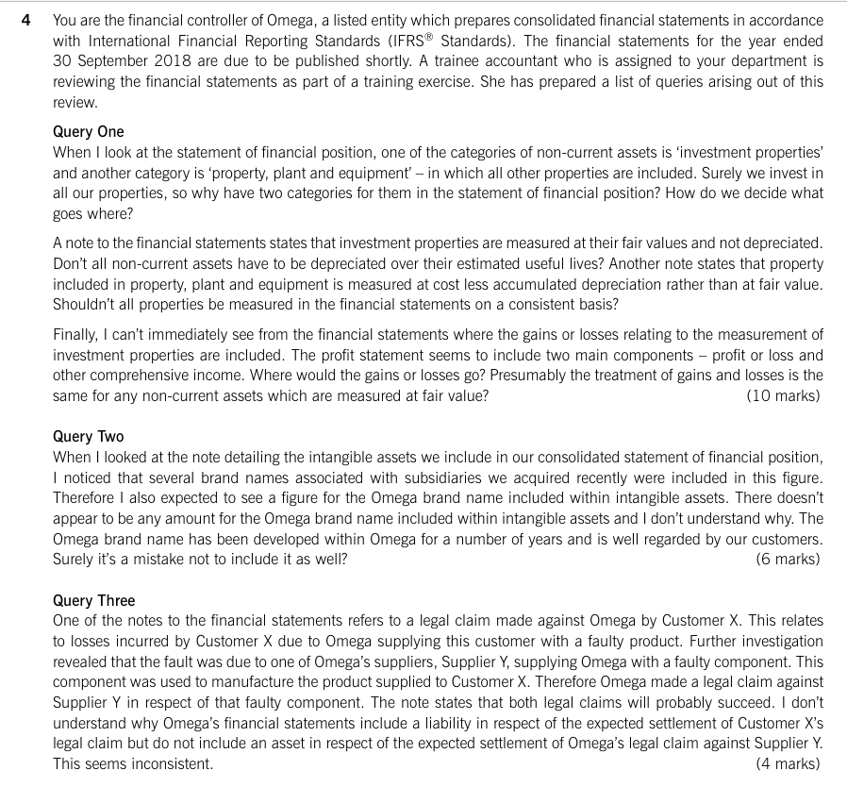

June 19
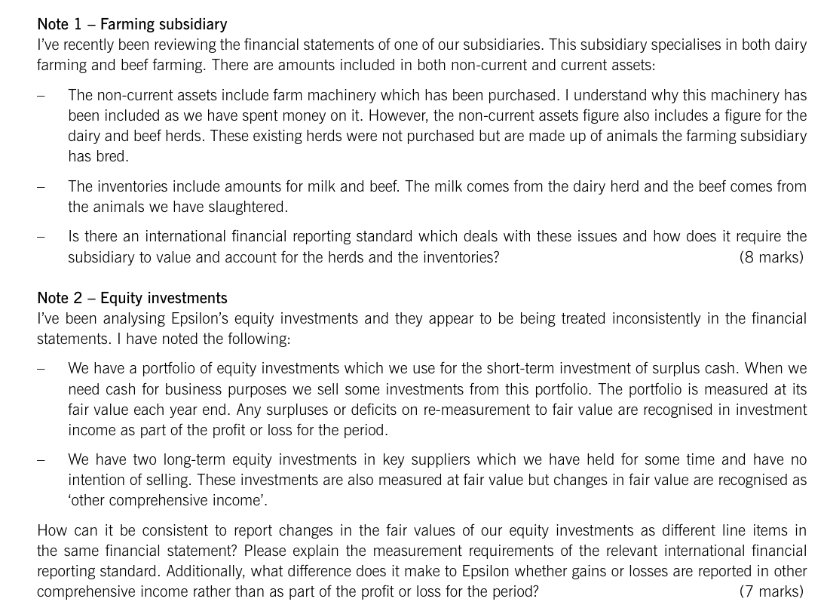

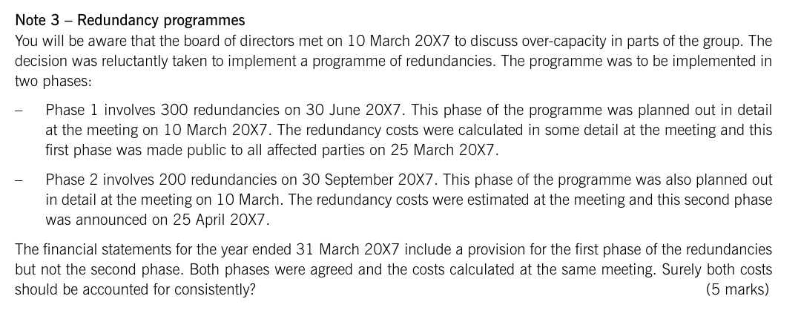

Dec 19
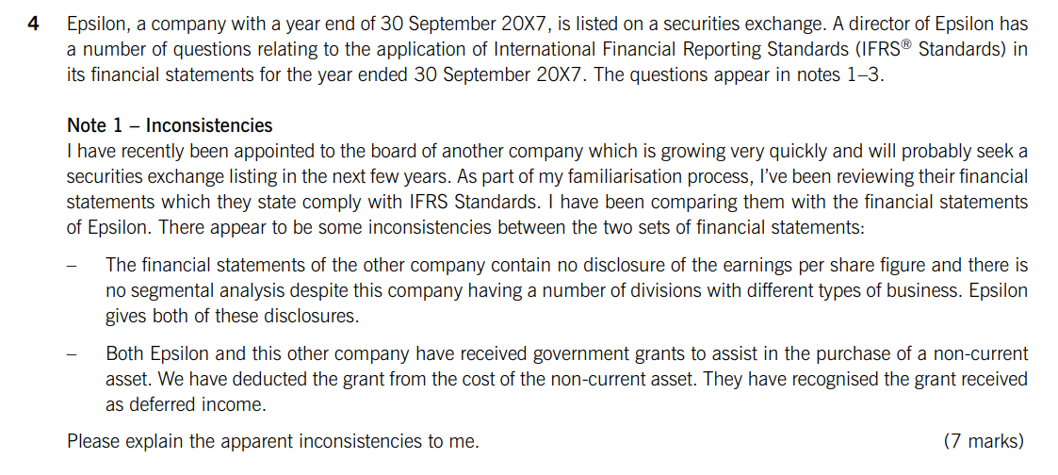

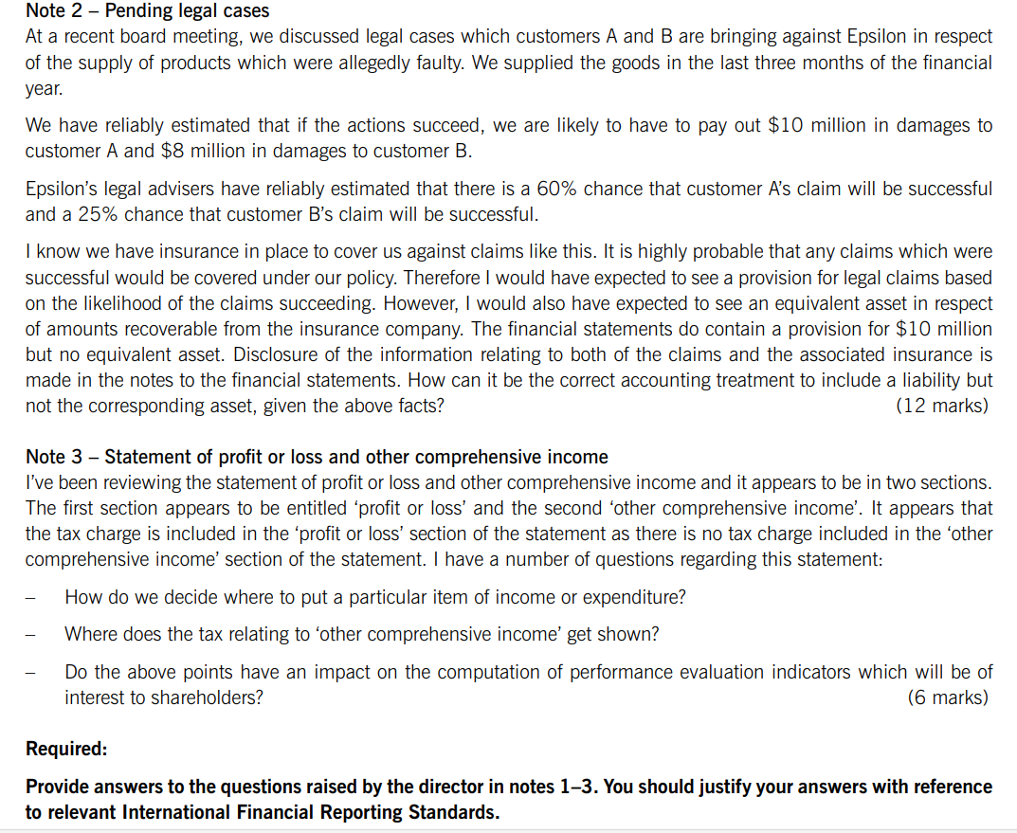

June 20
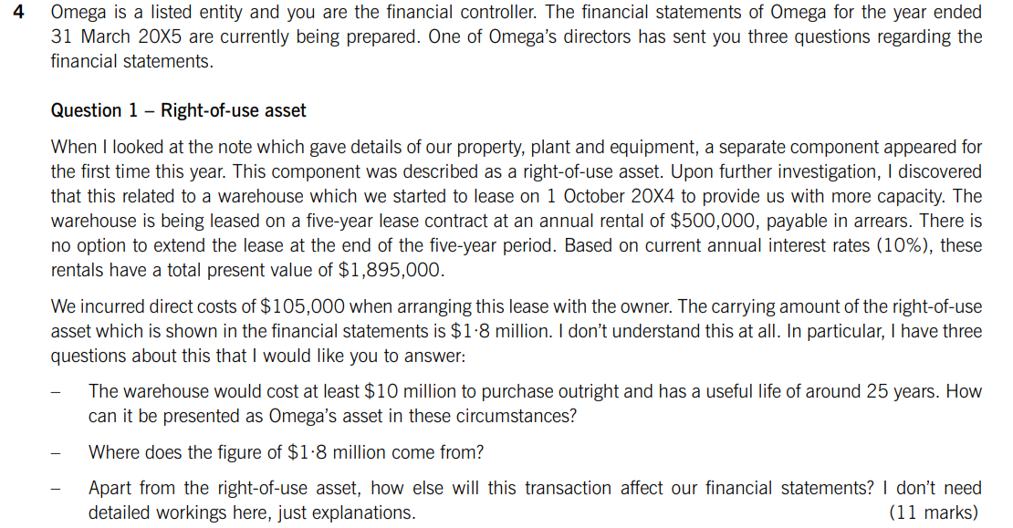
RD | 31/3/2015 | The relevant standard is IFRS-16 Leases. In this case Omega is a lessee. IFRS-16 states that accounting for lease has one accounting model
2014-01-10 |  | a lease contract must be identified, and the lessor cannot substitute the underlying asset.
lease term | 5
annual | 500 | IFRS-16 requires that at date of commencment, the lessee should recognise a lease liability equal to the present value of the of unpaid lease
PV | 1895 | payment, as in the question is $1895.
direct cost | 105
CA | 1800 | IFRS-16 also requires recognition with right of use asset (ROU) equal to the lease liability plus any direct cost, UNLESS the lease term is less
cost | 10000 | than 12 months or the underlying asset is of low value then its treated as an operating lease, these direct cost cannot be part of the opening
useful life | 25 | lease liability, therefore the ROU equal to $2000 (1895+105).

 |  | On the reporting date the ROU should be depreciated over lease term or useful life which is lower, so it will be depreciated over 5-years lease
 |  | term, therefore the depreciation expense is $200 reported in the SOPL, and therefore the closing carrying amount of ROU will be $1800
 |  | shown as a non-current asset in the SOFP.

 |  | On RD the lease liability will be amortised over 5 years lease term based on implicit rate, increased by the finance cost which is recognised in
 |  | the SOPL, and reduce by the annual lease payments of 500 for six months treated as a current liability.

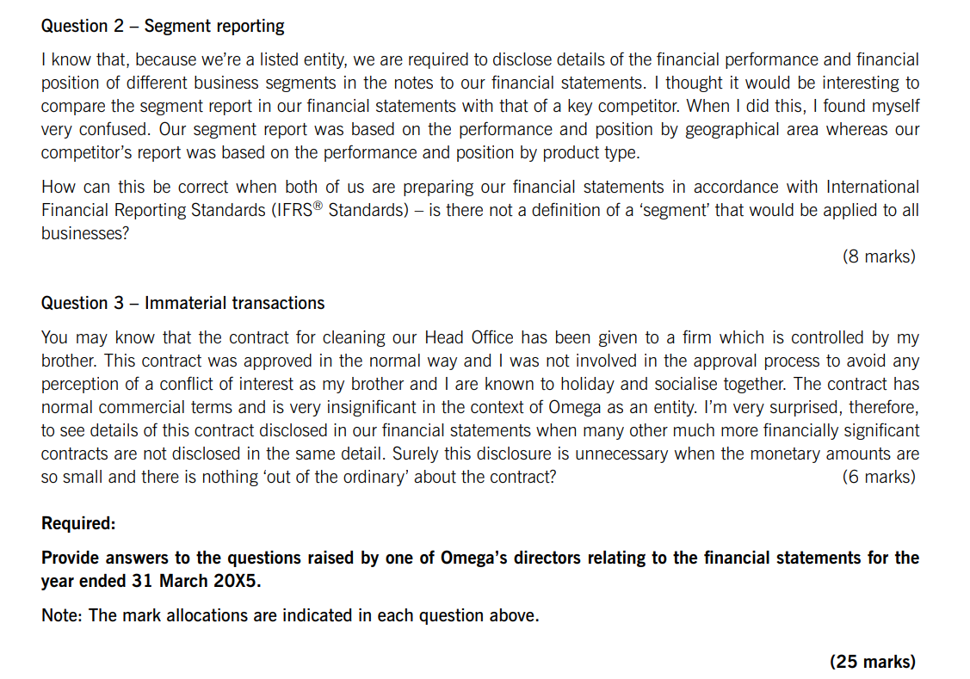
 |  | The relevant standard is IFRS-8 Operating segments, IFRS-8 requires entities to provide segmental disclosures based on its operating segment.

 |  | An operating segment is a business component for which desecrate financial information is available and whose operating results are regularly
 |  | reviewed by the chief operating decision maker (CODM). The CODM is a functional role, that monitor performance and allocate recourses.

 |  | IFRS 8 normally requires all entities to give details of revenues by geographical area and by product type and non-current assets by geographical
 |  | area. This explain the difference between Omega disclosures by geographical area, and the competitor which disclose by product type.

 |  | The relevant standard is IAS-24 Related party disclosures, the transactions with your brother firm's needs to be disclosure, because it’s a
 |  | related party of Omega.

 |  | IAS-24 states that a director of an entity is a key management personal (KMP), and therefore automatically a related party. IAS-24 further states
 |  | that a close family member of the related parties of an entity are them self a related party. Therefore your brother is a related party of omega,
 |  | and therefore its firm is a related party of omega.

 |  | Therefore the transactions with your brother firm's need to be disclosure, even if financially insignificant or at arm's length, as the related party
 |  | relationship are material by nature, and help users to assess their significance.

 |  | Disclosures should include, the nature of the relationship, the amount of the transaction, and any outstanding balance of the year.

Dec 20
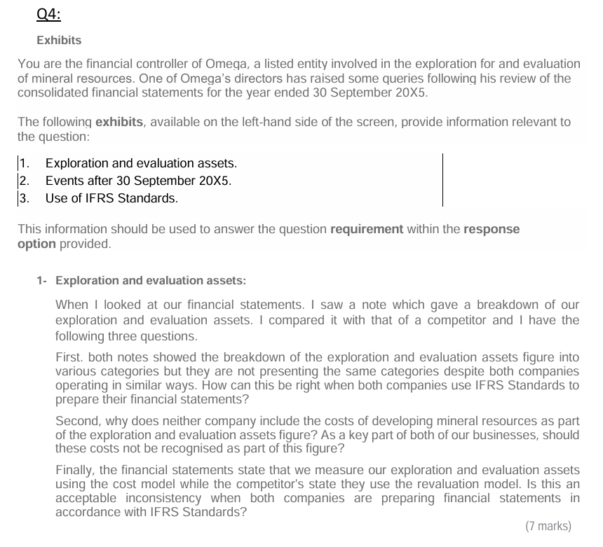

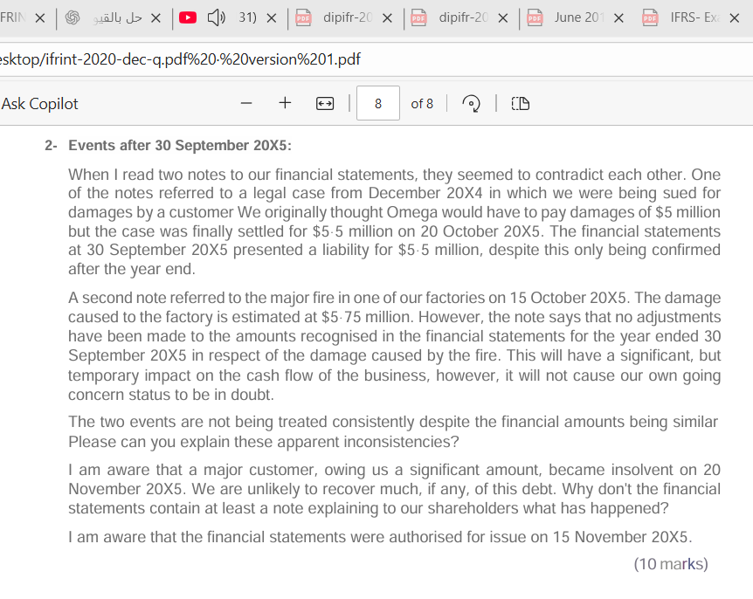

June 21
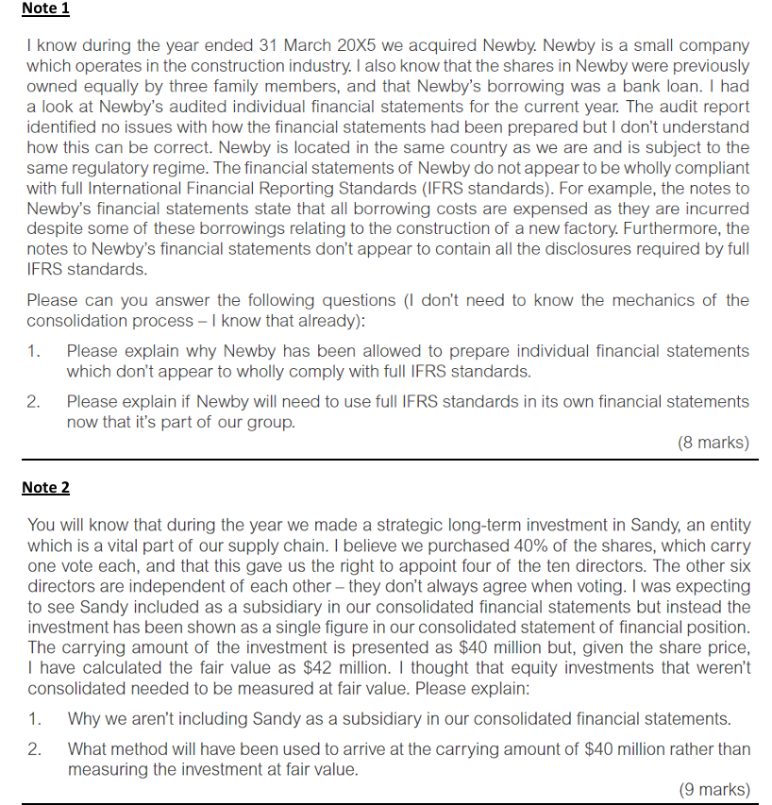
 |  | The relevant standard is IFRS for SMEs, which is not avilable for all small and meduim entitys, but to the entitis with public accountability.
 |  | Since newby is not public accountability, its permitted but not required to apply IFRS for SMEs.

 |  | The IFRS for SMEs is a single standard that can be used as an alternative to full IFRS, omitting the requriments of the full IFRS standards
 |  | that are specific to listed entity, such as earning per share and segmental reporting.

 |  | In addition, it contains semplified recognition, measurment, presentation and disclosures requirement compared to full IFRS. For expample
 |  | borrowing costs are always expensed in the SOPL rather than capitlise as a part of an asset.

 |  | A further benefits that IFRS for SMEs is updates every three years, reducing change in reporting practice.

 |  | Under IFRS-10 consolidated financial statements, requires that consolidated financial statements to be uniform with the parent in terms of
 |  | reporting date, currency, accounting policy.

 |  | If individual group entites use accounting policy different from the parent's, appropriate adjustments must be made in soncolidation to align
 |  | assets, liaiblities, profit, and losses.

 |  | In future periods, its peneficial to require Newby to use full IFRS, to make the consolidation process more straightforward.

40% | of shares
one votes |  | The relevant standard is IAS 28 Investments in Associates and Joint Ventures.
4 of 10
 |  | Sandy is not a subsidiary of Epsilon under IFRS-10 Consolidated Financial Statements a subsidiary entity is one which is controlled by the investor,
equity method |  | since Epsilon holds only 40% of shares and can appoint just 4 of 10 directors, indicating no control.
CA | 40
FV | 42 | However, as there is no evidence that the other shareholders act in concert to restrict its participation in policy decisions, Epsilon is presumed to
 |  | have significant influence under IAS 28.

 |  | IAS 28 contains a rebuttable presumption that ownership of between 20% and 50% of the voting power of an investee generally indicates
 |  | that the investor has significant influence. Therefore sandy is an associate.
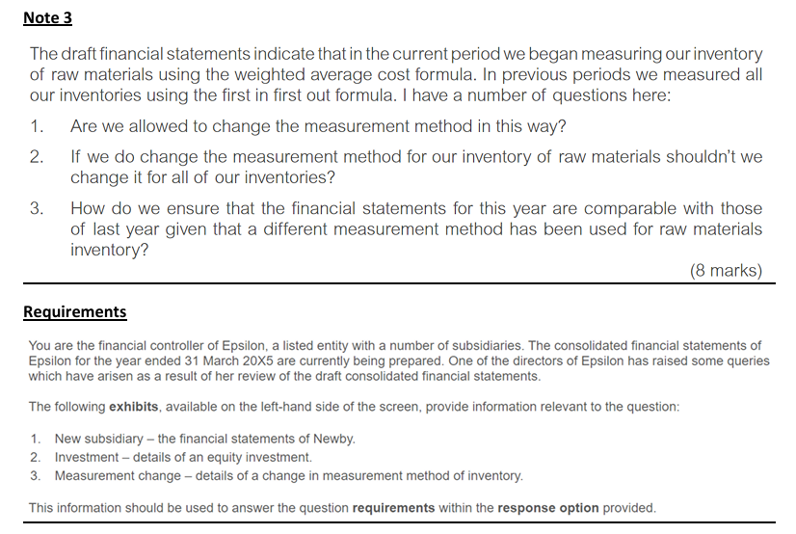
 |  | Significant influence is the power to participate in the financial and operating policy decisions of the investee, but not control or joint control.

 |  | IAS 28 requires investments in associates to be accounted for using the equity method, initially recognised at cost and subsequently adjusted for the
 |  | investor’s share of post-acquisition changes in net assets, recognised in profit or loss or OCI. This amount is not necessarily to equal fair value at any date.

 |  | The relevant standard is IAS-8 Basis for preparation of financial statements. IAS-8 defines accounting policies as the specific principal, bases,
 |  | conventions, rules and practices applied by an entity to prepare and present the financial statements

 |  | Under IAS-8 chang in accounting policy is appropriate only if it results in more reliable and relevant information about the affects of the transactions
 |  | , events or conditions on financial position, performance, or cash flow.

 |  | Changing from first in first out formula to weighted average cost formula for raw material is a change in accounting policy, as it changes the asset
 |  | measurement principal.

 |  | Under IAS-2 inventories, decision about the most relevant measurement formula are made for categories of inventory with a similar nature and use.
 |  | As raw material differ in nature and use from other inventories, its appropriate to measure them at weighted average formula, while the others
 |  | inventories use the first in first out formula.

 |  | When such changes occur, its applied retrospectively to insure comparability by restating prior year figures as if the new accounting policy had
 |  | always been applied

 |  | The difference between the opening and closing equity is adjusted against the opening balance of the retained earnings and presented in the
 |  | statement of changes in equity, without affecting profit or loss.

Dec 21
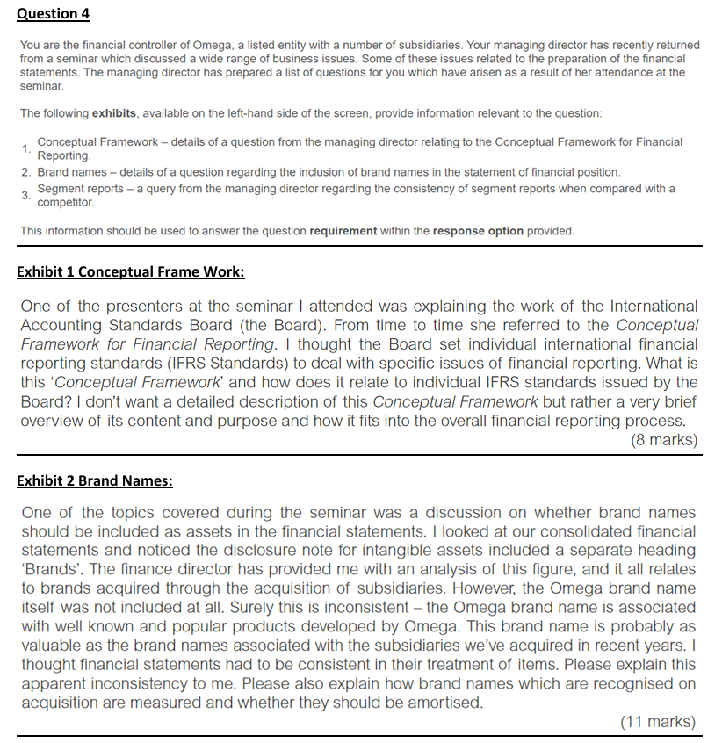
1- conseptual framwork:
 | The Conceptual Framework (Framework) is a document which sets out the objectives and concepts for general
 | purpose financial reporting. The Framework provides the foundations for the IFRS Standards but it is not a standard itself.

 | These concepts are set out in a number of distinct chapters in the document. These chapters address issues such as the overall
 | objective of general-purpose financial reporting which is to provide financial information which is useful to existing and
 | potential investors, lenders and other creditors.

 | A further chapter details the qualitative characteristics of useful financial information. A key purpose of the Framework is to assist the
 | International Accounting Standards Board in developing and revising individual IFRS Standards which are based on consistent concepts.

 | Therefore, the concepts underpinning any specific IFRS Standard should generally be consistent with those outlined in the Framework.
 | The Framework does not override any specific IFRS Standard.

 | In rare circumstances where the Board issues a new or revised Standard that conflicts with the Framework, it will highlight and explain
 | the reasons for the departure in the Basis for Conclusions.

 | A further purpose of the Framework is to help preparers develop consistent accounting policies for areas not covered by an IFRS Standard
 | or where there is choice of accounting policy, and to assist all parties in understanding and interpreting IFRS Standards.

2- Brand name:
 | The relevant standard is IAS-38 Intangible assets. An intangible asset is a non-monetary asset without physical substance.

 | IAS 38 required that asset must be identifiable – meaning it comes from contractual or other legal rights and if it is separable (can be sold
 | without selling the whole business). The key question is how did the intangible asset arise? It could be from a purchase, exchange of assets, a
 | grant, internally generated, or acquired in a business combination according to IFRS-3 business combination.

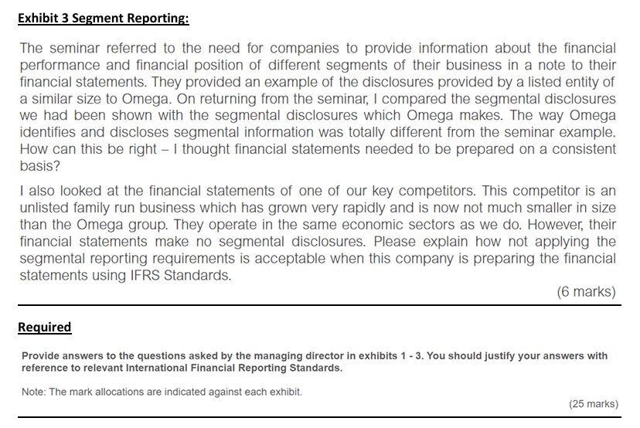
 | Where a brand name is purchased in a separate transaction, it can be recognised as an intangible asset at its purchase cost. IAS 38, does not
 | allow recognised internally generated intangible assets unless they result from a research and development project. because their cost cannot
 | usually be measured reliably.

 | IAS 38 requires research costs to be expensed in the SOPL, while development costs meeting certain criteria identifiable project, measurable
 | expenditure, sufficient resources, and probable future economic benefits — are recognised as intangible assets. So, Omega cannot recognize its
 | own brand names in the individual financial statements because they were internally generated and do not meet the criteria.

 | However, IFRS-3 business combination allows the recognition of intangible assets acquired in a business combination. That’s why the brand
 | names from acquired subsidiaries are shown in the consolidated financial statements, as they were measured at fair value at the acquisition
 | date. IAS 38 requires recognised brand names to be included as intangible assets and amortised over their estimated useful lives.

 | Where a brand name is assessed as having an indefinite useful life, it is not amortised, but must be tested annually for impairment under
 | IAS 36, irrespective of whether indicators exist. Therefore, the apparent inconsistency arises because acquired brand names are recognised at
 | fair value under IFRS 3, while internally generated brands like Omega’s own cannot be recognised under IAS 38.

3- Segment reporting:
 | The relevant standard is IFRS-8 Operating segments. IFRS 8 requires entities to provide segmental disclosures based on its operating segment.

 | An operating segment is a component of a business that earns revenues and incurs expenses, for which discrete financial information is
 | available, and whose operating results are regularly reviewed by the chief operating decision maker (CODM).

 | The chief operating decision maker is a functional role, not a manager with a specific title, that monitors performance and allocates resources.

 | Reported segments are those that exceed IFRS 8 quantitative thresholds and help users assess the nature of business activities and the
 | economic environment.

 | Because entities organise operations differently, the identified and reported segments may differ between similar entities.

 | IFRS-8 applies only to listed entities. That’s why large unlisted family entity, being unlisted, is not required to provide segmental information
 | or disclose. However, if provides such disclosures, then it must comply with the requirements of IFRS-8.

June 22
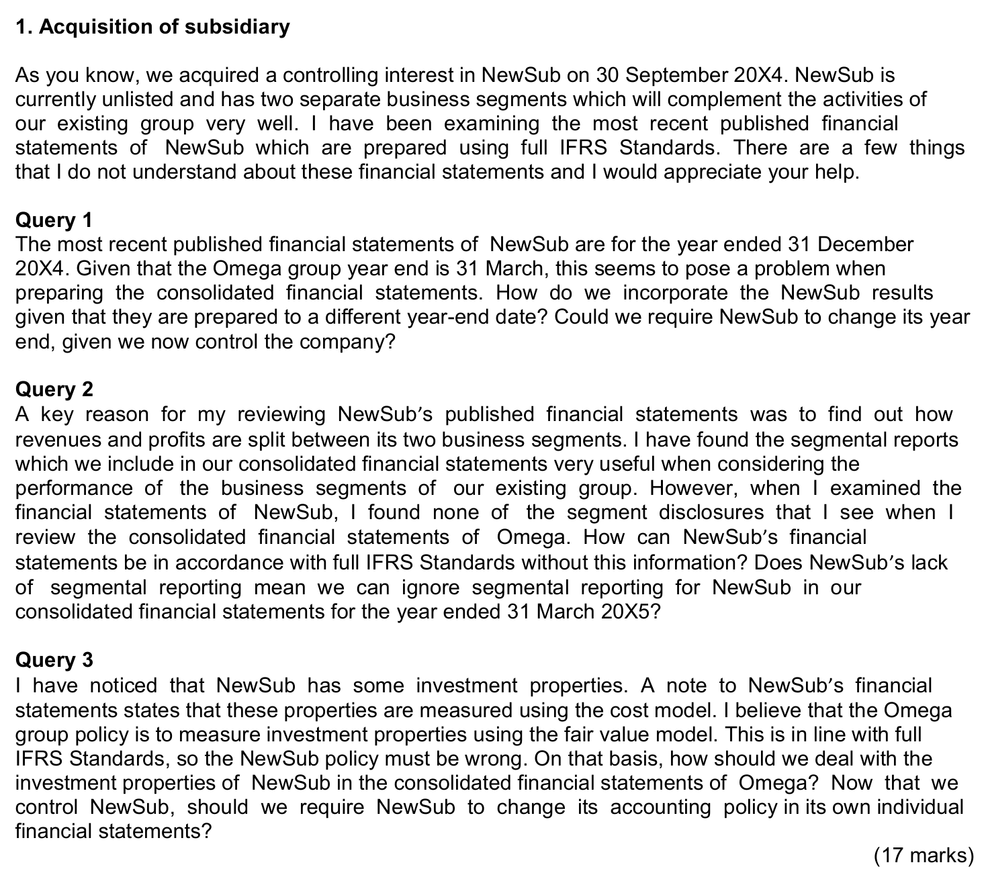
1- acquisition of Sub:
Query 1
 | The relevant standard is IFRS-10 consolidated financial statements, which deals with the procedures for preparing such statements.
 | IFRS-10 requires consolidated financial statements to be uniform with parent in reporting date, currency, accounting policies

 | Where a subsidiary has a reporting date differ from that of the parent, it should provide additional financial information as of the
 | parents reporting dates for consolidation purpose.

 | If impracticable, IFRS-10 allows parent to use the most resent financial information of the subsidiary, adjusted for significant
 | transactions or events in the intervening period between both reporting dates, provided the difference does not exceed three months.

 | Therefore its possible to use the financial statements of Newsub for the year ended 31/12/2014 to prepare Omega's consolidated
 | financial statements for the year ended 31/3/2015.

 | There is no requirement to Newsub to change its reporting date following its acquisition by Omega, but this might make the
 | consolidation process more straightforward.

Query 2

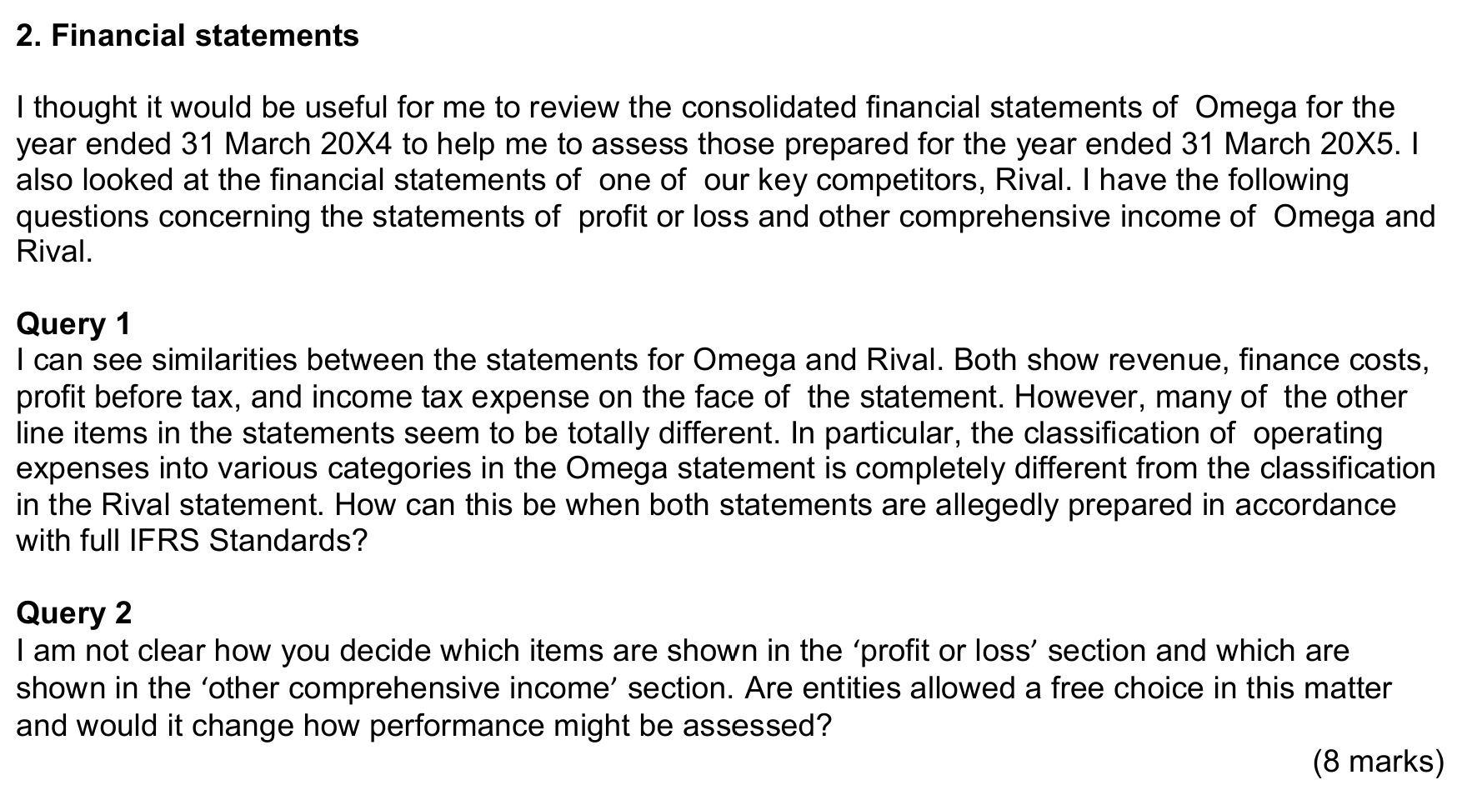

Query 3
 | The relevant standard is IAS-40 Investment property.
 | IAS-40 states that asset is recognised initially at cost, and subsequently using either the cost model or the fair value model, the chosen
 | policy must be applied consistently.

 | On the date when Omega acquires NewSub, the ‘cost’ of NewSub’s investment properties from the perspective of the consolidated
 | financial statements would be their fair value at the date of acquisition of NewSub.

 | Therefore, for consolidation purpose the Newsub's investment properties needs to be measured using fair value model, This will require
 | on-going adjustments to be made at group consolidation level.

 | There is no requirement to Newsub to change its accounting policy following its acquisition by Omega, but this might make the
 | consolidation process more straightforward.

Financial statements:
 | The relevant standard is IFRS-18 Presentation and disclosure in financial statements.
 | IFRS-18 requires that all income and expense presented in the SOPL and OCI, classified into operating, investing, and financing categories.

 | IFRS-18 requires entities to present subtotals for each category, and disclose about management performance measures (MPMs), which is
 | using in public communicate to explain the aspects of the financial performance.

 | IFRS-18 allows operating expense to be presented either b nature or by functions, depending on which provided more relevant and reliable
 | information, leading to differences between omega and rival.

 | IFRS-18 does not allow entities to choose whether income or expenses to recognised in SOPL or OCI, UNLESS is required or permitted by
 | another IFRS-standard, all income and expenses recognised in the SOPL.

 | For earning per share (EPS) which is mandatory for all listed entities, only income from SOPL is taken into account, while unrealised items of
 | OCI have no impact. EPS is a key performance indicator for listed entities like Omega.

Dec 22
 | 1- agriculture
 |  | The relevant standard is IAS-41 agriculture. Which deals with agriculture activity.
 |  | agriculture activity is the transformation of the biological asset and harvest of biological assets for sale or conversion into agricultural produce or
 |  | into additional biological assets.

 |  | A biological assets are living plants or animals held for use agriculture produce. A key issue in IAS-41 is the measurers of the biological
 |  | assets, given their nature cost is impracticable. Therefore its measured initially and subsequentially at fair value less costs to sell. Any change in
 |  | fair value is recognised in the SOPL.

 |  | When we purchase a new cattle or sheep from market, its recognised at its fair value less costs to sell. And the difference between the purchase
 |  | price and the fair value less costs to sell is recognised in the SOPL.
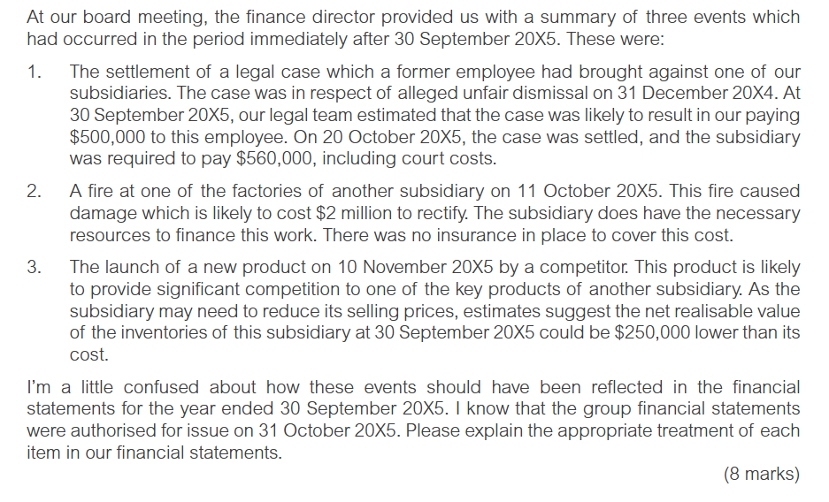
 |  | At point of harvest, harvesting produce is the detachment of produce from biological assets such as milk. Agriculture produce is the harvested
 |  | produce of the biological assets, which is measured at fair value less costs to sell under IAS-41 .

 |  | Accordingly the inventory will recognised in the statement of profit or loss and becomes the deemed cost of the inventory under IAS-2 inventory.
 |  | this is presented as a current asset in the SOFP. Any change in fair value will not recognised unless the inventory is sold.

 |  | For new born it measured at fair value less costs to sell, if the fair value cannot be fined its can be measured at cost.

 |  | IFRS-18 presentation and disclosure of financial statements. States that biological asset to be presented as a separate line asset in the SOFP. Other
 |  | assets would be measured at their related standard.

 | 2- Events after the reporting period.
 |  | the relevant standard is IAS-10 Events after the reporting period. IAS-10 defines events after the reporting period are those events occurring between
 |  | the reporting date and the date in which financial statements are authorised for issue.

 |  | IAS-10 classifies events after the reporting period into two types adjusting events and non adjusting events. An adjusting events provide additional
 |  | information for events already exist at the reporting date.

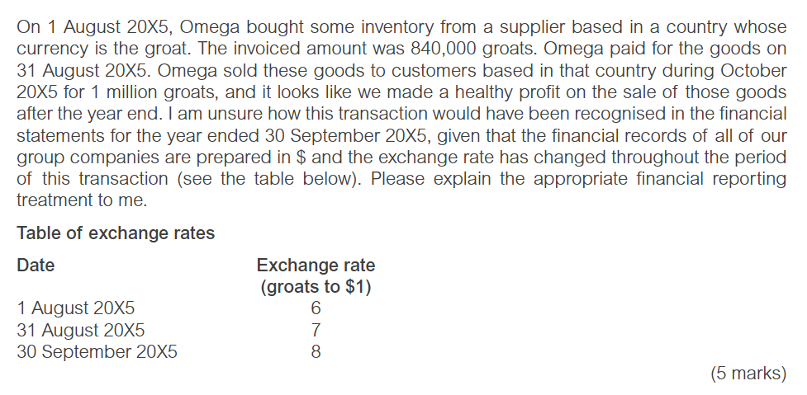
 |  | Case-1 is classified as an adjusting event, IAS-10 requires that the impact of adjusting event to be recognised in the financial statements, therefore
 |  | omega will recognised with provision liability in the SOFP with a corresponding expense in the SOPL. Additional disclosures should be made if this
 |  | assess users of the financial statements.

 |  | Case-2 is classified as a non adjusting events as it indicative condition that arose after the reporting date. Therefore no adjustment is required unless
 |  | it affects on going concern. The fire is no impact on going concern so no adjustment is required, but it may be disclosed if material.

 |  | Case-3 lunch of the new product is a non adjusting event as it occur after the date in which financial statements are authorised for issue. Therefore,
 |  | it will not impact on the financial statements, but its impact will reflect in the financial statements for the next year.

 |  | This explain the difference between adjusting and non adjusting and events occur after the reporting date.

 | 3-Effects of change in foreign exchange rate.
 | RD | 30/9/2015
 | 2014-01-08
 | inventory | 840000 | 6 | $140,000.00
 | paid | 31/8/2015 | 7 | $120,000.00
 | Sold | 1000000 |  | October
30/9/2015 | 8

 |  | The relevant standard is IAS-21 effects of change in foreign exchange rate.
 |  | IAS-21 states that foreign currency transaction should be recognised initially at the exchange rate in force when the transaction occurred.

 |  | Therefore the inventory will be recognised initially at date of delivery using spot rate of 6 =$1 resulting initial recognition of $140000 with a
 |  | corresponding account payable of $140000.

 |  | IAS-21 required that monetary items to be retranslated either at the reporting date or date of settlement, therefore as account payable is a
 |  | monetary item it should be retranslated at 31/8/2015 date of settlement, using spot rate of 7 =$1 the retranslated account payable of $120000
 |  | resulting in a foreign currency gain of $20000 recognised in the SOPL for the year ended 30/9/2015.

 |  | Under IAS-2 inventory. As inventory is a non monetary item it will not be retranslated, however IAS-2 requires that it will be measured at the
 |  | lower of cost and neat realisable value.

 |  | The net realisable value is $12500, therefore the inventory will be shown as a current asset in the SOFP at $125000, with write down of 15000
 |  | recognised in the SOPL for the year ended 30/9/2015.

June 24
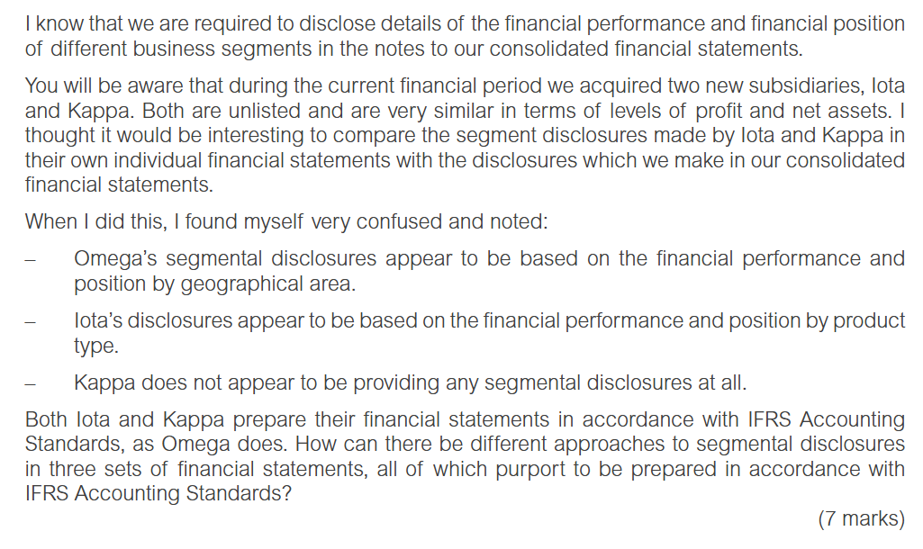
IFRS-8 operating segments:
 | the relevant standard is IFRS-8 operating segments. IFRS-8 requires entities to provide segmental disclosures based on
 | its operating segments.

 | An operating segment is a component of business that earns revenue and incurred expense, for which discrete financial]
 | information is available, and hose operating results are regularly reviewed by chief operating decision maker (CODM).

 | The CODM is functional rule not a manager with a specific title, that monitor performance and allocate recourses.

 | IFRS-8 applies only to listed entities, that’s why Kappa is not required to provide segmental information or disclosures.
 | However if the entity voluntarily provides such disclosures it must comply with requirements of IFRS-8, in case of entity Lota

 | IFRS-8 normally requires entities to give details of revenue by geographical area and by product type and non current assets
 | by geographical area.

 | This explain the different accounting treatment between Omega and its subsidiaries about segmental disclosures.

IFRS-9 Financial instruments:
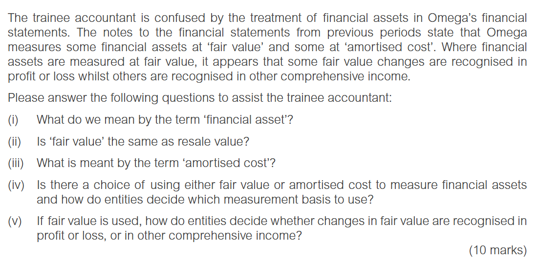
i | Under IAS 32 – Presentation of Financial Instruments, a financial asset is cash, an equity instrument of another entity, or a contractual right
 | either to receive cash or another financial asset, or to exchange financial assets or financial liabilities under potentially favourable conditions.

ii | No, since under IFRS-13 fair value measurement, fair value is the exit price received to sell an asset or paid to transfer a liability in an orderly
 | transaction between market participants, and this is different from resale value.

iii | Amortised cost is a method to measure a financial asset. Under IFRS-9 it is defined as the amount at initial recognition plus or minus the cumulative
 | amortisation using the effective interest method, and adjusted for any loss allowance. Any difference is treated as interest income.

iv | Under IFRS-9 financial assets are clasified according to business model and whether the contractual cash flows are solely payment of
 | principal and interest on principal amount outstanding, and they measured at amortised cost (AC), fair value through other comprehensive
 | incoem (FVTOCI) or fair value through profit or loss (FVTPL).

 | If the business model is to held asset for collect cash flows, and the contractual cash flows are SPPI on the principal amount outstandaing, then the
 | asset is measured at amortised cost.

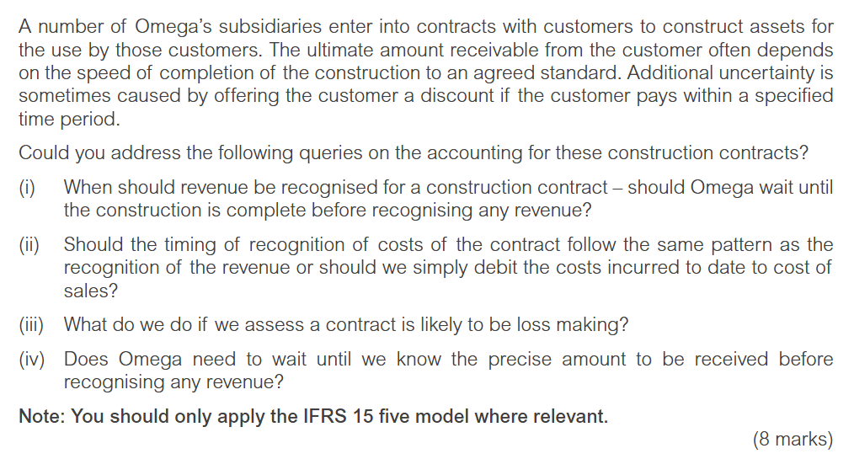
 | If the business model is both to hold the asset to collect cash flows and sell asset, and the contractual cash flows are SPPI on the principal amount
 | outstanding, then the asset is measured at fair value through other comprehensive income.

 | If the asset dose not met the SPPI test, and cannot measured at AC or FVTOCI, or is held for trading, its measured at FVTPL, which is the
 | default category.

v | the default measurement for equity investment is FVTPL, but if the investment is not held for trading irrevocable election may be made to
 | measure it at FVTOCI. IFRS 9 allows entities to irrevocably designate at the date of initial recognition any financial asset
 | at fair value through profit or loss to reduce a measurement inconsistency.

IFRS-15 Revenue from contracts with the customer:

i | The relevant standard is IFRS-15 Revenue from contracts with customers.
 | IFRS-15 requires that the timing of revenue recognition is either at a point in time when control is transferred to the customer, or over
 | time as service provide such as construction contract as performance obligations are satisfied.

ii | Under IFRS 15, there is no specific prescribed method for measuring the stage of completion of a performance obligation satisfied
 | over time. Instead, the standard permits the use of either output methods (proportion of the total value of the contract completed)
 | , or input methods (proportion of the total expected costs of the contract incurred). Once an appropriate method is selected,
 | it must be applied consistently to contracts of a similar nature.

 | IFRS 15 states that if the criteria are met, direct costs of fulfilling a construction contract should be recognised as an asset, then
 | amortised to cost of sales matching with revenue recognition on the contract.

iii | If future revenue on a contract is less than expected costs, an impairment loss equal to the shortfall is recognised immediately
 | in profit or loss. In such cases, the contract is treated as an onerous contract under IAS 37, which requires recognition of the future
 | net cost of fulfilling the contract.

iv | IFRS 15 acknowledges that some contracts include both fixed and variable consideration, making the total receivable uncertain
 | at the start. The standard permits using either the expected value method (probability-based) or the most likely amount method,
 | and the selected approach must be applied consistently over the life of the contract.

Dec 24
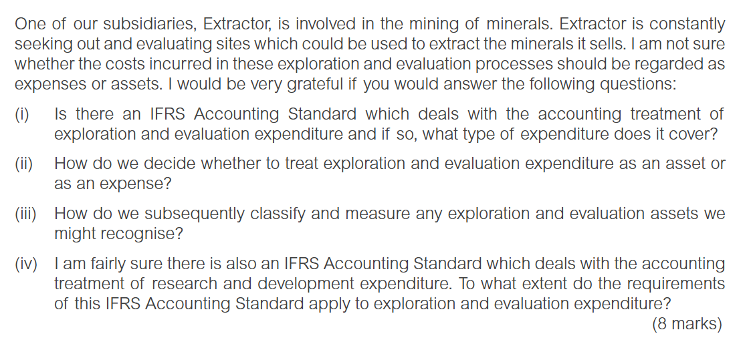
i | Yes, IFRS-6 Exploration for and evaluation of mineral resources, which applies for a specific period start after obtaining legal rights
 | and before proving technical feasibility and commercial viability.

ii | IFRS-6 does not prescribe which expenditure to treated as asset. An entities decided which expenditure to treated as exploration and
 | evaluation asset or expense. The policy should be consistently under IAS-8 basis for preparation of financial statements.

iii | Exploration and evaluation asset is classified as tangible or intangible based on their nature, and its measured subsequently using
 | the revaluation model or the cost model under IAS-16 or IAS 38

iv | IAS-38 intangible asset, deals with research and development, since it prohibit recognition with internally generated intangible assets
 | unless from development projects. All research costs are recognised in the SOPL, but when technical feasibility and commercial viability
 | achieved development costs can recognised as intangible asset if met certain criteria.

 | IFRS-6 prohibit recognition with development costs as exploration and evaluation assets, as it covered by IAS-38.
 | in practise exploration and evaluation costs under IFRS-6 is treated as research costs, once technical and commercial viability is proven
 | its reclassified or tested for impairment under IAS 36 impairment of assets.
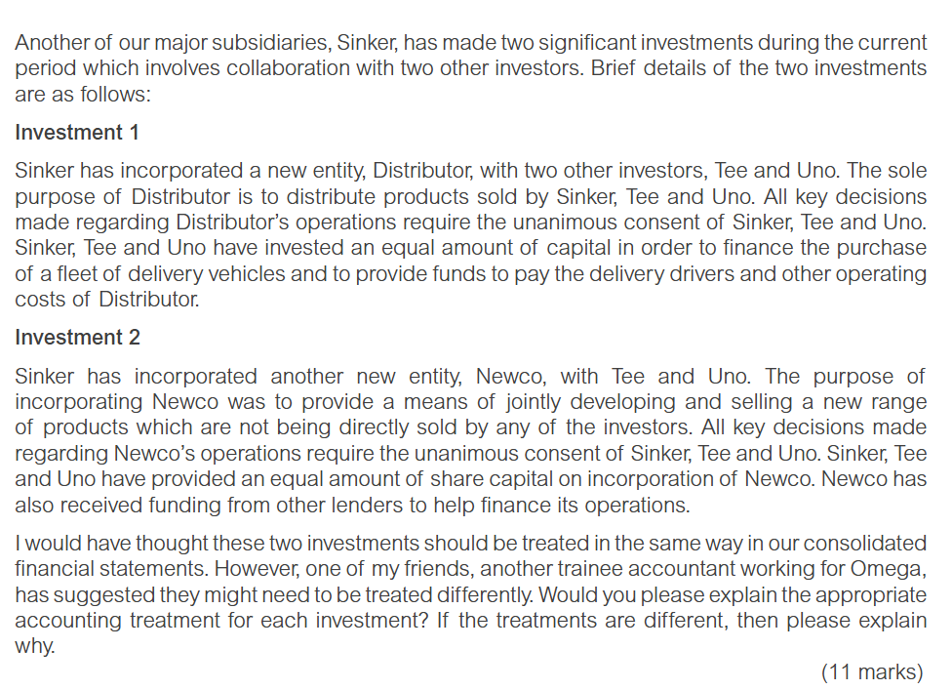

 | The relevant standard is IFRS-11 Joint arrangements. It applies only when two or more parties share a joint control, meaning the decision
 | about relevant activities need unanimous consent.

 | IFRS-11 classifies joint arrangements to either joint operation where parties have the rights to the assets and obligation for a liabilities, or
 | joint venture when they have a share in the net asset of the joint arrangement.

 | Where the joint arrangement is only to vehicle for more effective operation of the exiting business, the investor have rights to assets and
 | obligation for a liabilities.

 | Therefore investment -1 is classified as a joint operation and operator accounts for each share of the assets, liabilities, revenue and expenses
 | of the joint operation in its separate financial statements.

 | Since sinker contributed cash to purchase and operate the vehicles as property plant and equipment in the SOFP, and its share of the related
 | income and expense in the SPOPL.

 | Where a joint arrangement carries out that is separate from the exiting businesses of the investors, the investors are likely to have the share
 | in the net asset, and the arrangement is classified as a joint venture.

 | Therefore the investment -2 is a joint venture, and each investor should measure its investment as a single amount using the equity method
 | under IAS-28 investment in associate and joint venture. '

 | The equity method measures the investment at the investor's shares of the investee's net asset at the reporting date, and recognised post
 | acquisition profits in the SOPL over the investments life.

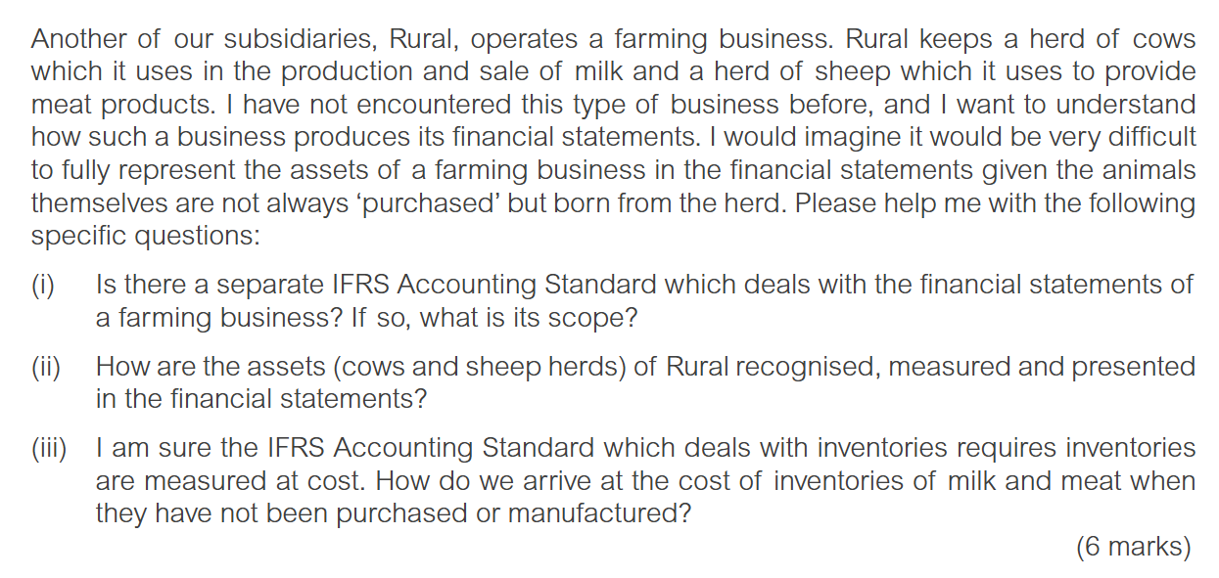
i | The relevant standard is IAS 41 agricluture, which deals with agricluture activity, the management of the biological transformation
 | and harvest for biological assets for sale or convesrion into another biological assets

 | A biological assets are living plants or animal, such as cows, cattles, and sheeps.

ii | The key issue in IAS 41 is the measurment of the biological assets given theire nature cost is impracticable, therefore its measured
 | initially and subsequantly using fair vlaue, any changes form one period to another recognised in the SOPL.
 | and its presented as a separate category of assets in the SOFP as a non currrent assets under IFRS-18 presentaion and disclosures
 | of financial statements.

iii | At point of harvest, harvesteting is the detatchment of produce from a biological assets like milking a cow, or cessation of biological
 | assets life processes (like slaughtering a sheap). Agricluture produce is the harvested produce of the biological assets, is measured at
 | fair value less costs to sell at point of harvest.

 | This fair value is recognised in the SOPL and become the demeed cost of the inventory under IAS-2 inventories, the inventory is
 | presented as a current asset in the SOFP, and any profit or loss on its subsequent sale is recognised when actually sold.

June 25
