Sheet1
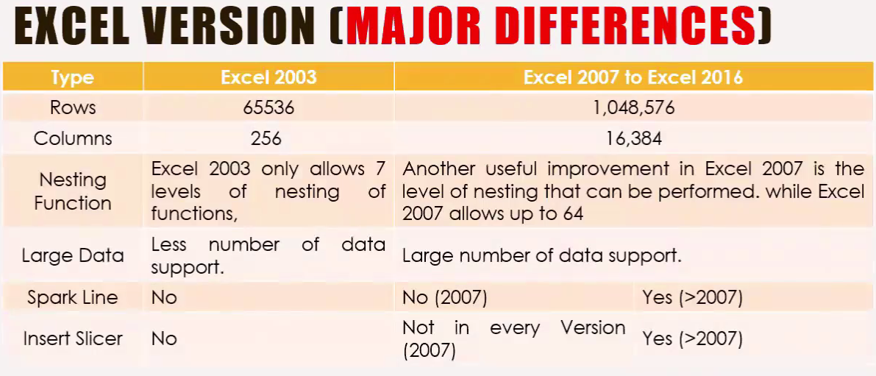
***MS OFFICE is a collection of desktop applications.
1. MS Excel | 2.MS Word | 3.PowerPoint | 4.Outlook | 5.MS Access | 6.Onenote | 7.Project | 8.Visio | 9. Publisher |  |  |  |  |  |  | is called Tab

MS Excel is used for Data Entry, Analysis, management, visuals, graphs and much much more |  |  |  |  |  |  |  |  |  |  |  |  |  |  | is called Ribbon(Under a Tab)
MS Word is used for Word Processor
MS PowerPoint is used for Data Presentation

 |  |  |  |  |  |  |  |  |  |  |  |  |  | Why Use Excel? It is the most popular spreadsheet program in the world Easy to learn and to get started. The skill ceiling is high, which means that you can do more advanced things as you become better. It can be used with both work and in everyday life, such as to create a family budget. It has a huge community support. It is continuously supported by Microsoft. Templates and frameworks can be reused by yourself and others, lowering creation costs.
# 3 types of Reference is: |  |  |  | A, B, C… etc called Column Name |  |  |  |  |  | Any cell we click, this is called an "Active cell"
1. Relative Reference = B22 |  |  |  | 1, 2, 3… etc called Row Name |  |  |  |  |  | (To Fixed Position use $)
2. Absolute Reference = $C$25 |  |  |  | Under menu bar all option called Ribbon |  |  |  |  |  | Row = Numeric Value(1, 2, 3,..)
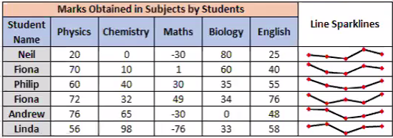
3. Mixed Reference = D$28 / $D28 |  |  |  | A1, B2, C3… etc called Name Box/Cell Address |  |  |  |  |  | Column = Alphabetical Letter (A, B, C..)
 |  |  |  | Beside the Name Box it's called Formula Box |  |  |  |  |  | To Fixed column = $A
 |  |  |  |  |  |  |  |  |  | To Fixed row = $1

Type | C | C | C | C
Value | 100 | 1 | 2 | 3
 |  |  |  |  |  |  |  | Type | Q1 | Q2 | Q3 | Q4
 | Type | D | D | D | D |  |  | value 1 | 100 | 1 | 2 | 3
 | value | 20 | 1 | 2 | 4 |  |  | value 2 | 20 | 1 | 2 | 4
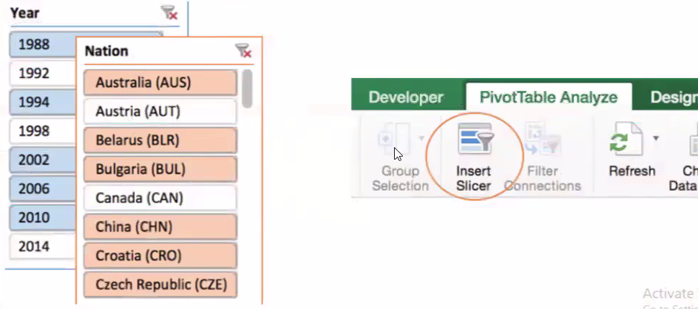
 |  |  |  |  |  |  |  | Total | 120 | 2 | 4 | 7
 |  | Type | E | E | E | E
 |  | value | 100 | 1 | 2 | 3

Relative Reference |  | C | C | C | C |  |  | Mixed Reference 1 |  | E | E | E | E
 |  | 100 | 1 | 2 | 3 |  |  |  |  | 100 | 1 | 2 | 3
 |  | 0 | 0 | 0 | 0

Absolute Reference |  | D | D | D | D |  |  | Mixed Reference 2 |  | E | E | E | E
 |  | 20 | 20 | 20 | 20 |  |  |  |  | 100 | 100 | 100 | 100
 |  | 2 | 2 | 2 | 2

Tip: You can use the hotkey Shift + F11 to create new sheets. Try it!

