Error Types
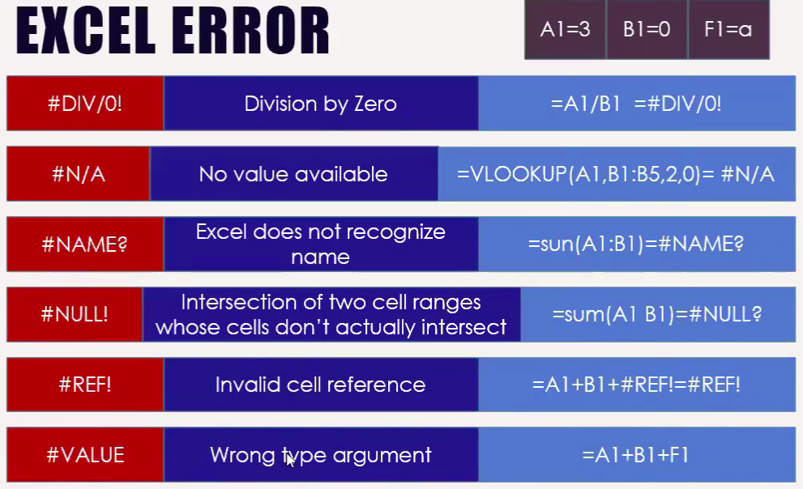
 | Excel Error Types:

Error Value |  | Meaning | Causes of Error
#DIV/0 |  | Division By zero | The division operation in your formula refers to a cell that contains the value 0 or blank

#N/A |  | No value available | Technically, this is not an error value but a special value that you can manually enter into a cell to indicate that you don't yet have a necessary value.

#NAME? |  | Excel doesn't recognize a name | This error value appears when you incorrectly type the range name, refer to a deleted range name, or forget to put quotation marks around a text string in a formula.
 |  |  |  | Example

#NULL! |  | You specified an intersection of two cell ranges whose cells don't actually intersect | Because a space indicates an intersection, this error will occur if you insert a space instead of a comma (the union operator) between ranges used in function arguments.

#REF! |  | Invalid cell referance | This error occurs when you delete a cell referred to in the formula or if you paste cells over the ones reffered to in the formula.

#VALUE! |  | Wrong type of argument in a function or wrong type of Operator | This error is most often the result of specifying a mathematical operation with one or more cells that contain text.

