Cell Referance Example
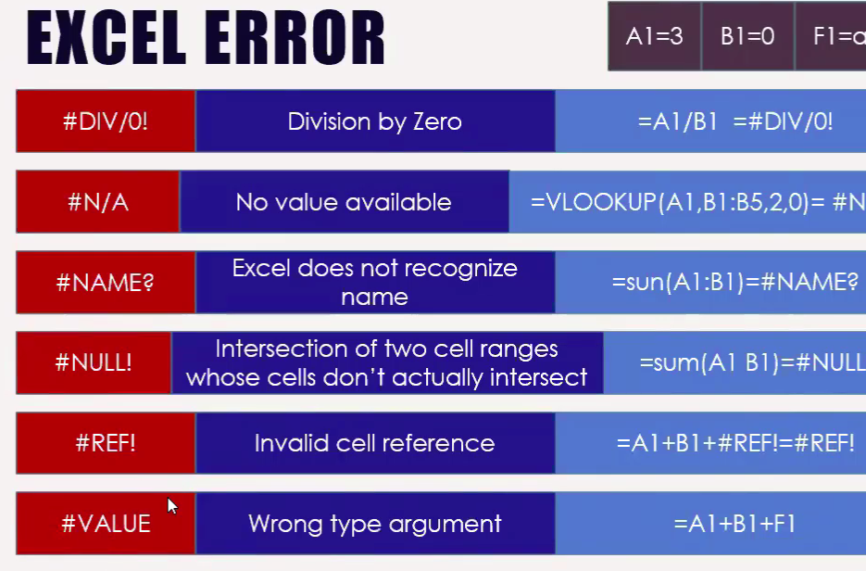
 | Sum function Shortcut is (Alt +=)

 |  |  | ***Here, we will work with Absolute and Cell References below:

 |  |  | Name | Subjects |  |  |  | SUM | AVERAGE
1. Relative Reference = B22 |  |  |  | Bangla | English | Math | General Knowledge
2. Absolute Reference = $C$25 |  |  | Arif | 34 | 64 | 78 | 54 | 230 | 57.5
3. Mixed Reference = D$28 / $D28 |  |  | Kamal | 44 | 56 | 45 | 85 | 230 | 57.5
 |  |  | Karim | 55 | 59 | 58 | 54 | 226 | 56.5
 |  |  | Sarif | 55 | 48 | 88 | 33 | 224 | 56
 | Subject | GraceMark | Malik | 62 | 36 | 52 | 85 | 235 | 58.75
 | Bangla | 5 | Zarin | 78 | 64 | 59 | 72 | 273 | 68.25
 | English | 4 | Nahid | 58 | 68 | 45 | 54 | 225 | 56.25
 | Math | 6 | Zahid | 88 | 57 | 44 | 36 | 225 | 56.25
 | Gk | 2 | Salam | 58 | 42 | 68 | 89 | 257 | 64.25
 |  |  | Maximum | 88 | 68 | 88 | 89 | 273 | 68.25
 |  |  | Minimum | 34 | 36 | 44 | 33 | 224 | 56

 |  |  | Name | Subjects |  |  |  | SUM | AVERAGE
 |  |  |  | Bangla | English | Math | General Knowledge
 |  |  | Arif | 39 | 68 | 84 | 56 | 247 | 61.75
 |  |  | Kamal | 49 | 60 | 51 | 87 | 247 | 61.75
 |  |  | Karim | 60 | 63 | 64 | 56 | 243 | 60.75
 |  |  | Sarif | 60 | 52 | 94 | 35 | 241 | 60.25
 |  |  | Malik | 67 | 40 | 58 | 87 | 252 | 63
 |  |  | Zarin | 83 | 68 | 65 | 74 | 290 | 72.5
 |  |  | Nahid | 63 | 72 | 51 | 56 | 242 | 60.5
 |  |  | Zahid | 93 | 61 | 50 | 38 | 242 | 60.5
 |  |  | Salam | 63 | 46 | 74 | 91 | 274 | 68.5

