Sheet1
***MS OFFICE is a collection of desktop applications.
1. MS Excel | 2.MS Word | 3.PowerPoint | 4.Outlook | 5.MS Access | 6.Onenote | 7.Project | 8.Visio | 9. Publisher |  |  |  |  |  | is called Tab

MS Excel is used for Data Analysis |  |  |  |  |  |  |  |  |  |  |  |  |  | is called Ribbon(Under a Tab)
MS Word is used for Word Processor
MS PowerPoint is used for Data Presentation

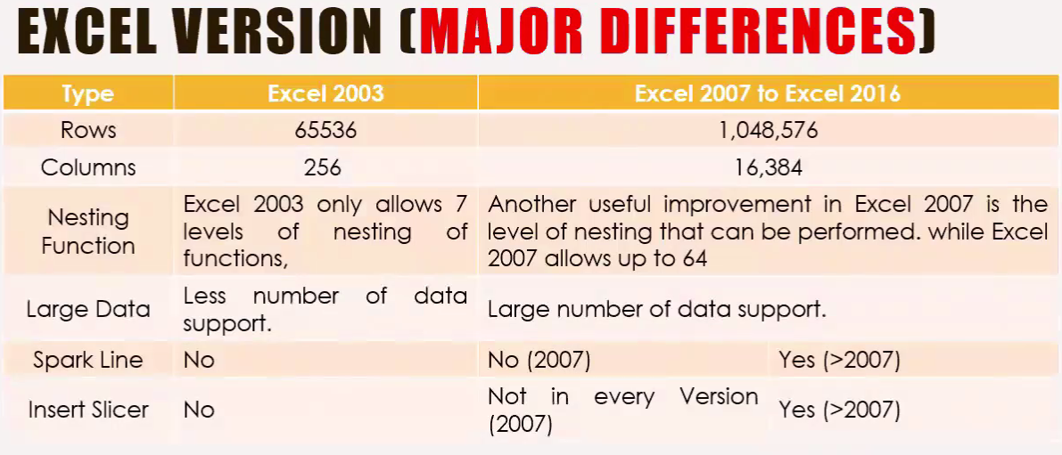
# 3 types of Reference is: |  |  |  | A, B, C… etc called Column Name |  |  |  |  |  | Any cell we click, this is called an "Active cell"
1. Relative Reference = B22 |  |  |  | 1, 2, 3… etc called Row Name |  |  |  |  |  | (To Fixed Position use $)
2. Absolute Reference = $C$25 |  |  |  | Under menu bar all option called Ribbon |  |  |  |  |  | Row = Numeric Value(1, 2, 3,..)
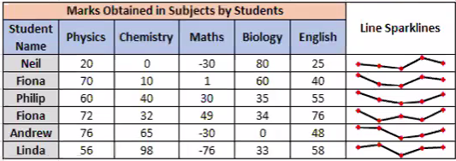
3. Mixed Reference = D$28 / $D28 |  |  |  | A1, B2, C3… etc called Name Box/Cell Address |  |  |  |  |  | Column = Alphabetical Letter (A, B, C..)
 |  |  |  | Beside the Name Box it's called Formula Box |  |  |  |  |  | To Fixed column = $A
 |  |  |  |  |  |  |  |  |  | To Fixed row = $1

Type | C | C | C | C
Value | 100 | 1 | 2 | 3
 |  |  |  |  |  |  |  | Type | Q1 | Q2 | Q3 | Q4
 | Type | D | D | D | D |  |  | value 1 | 100 | 1 | 2 | 3
 | value | 20 | 1 | 2 | 4 |  |  | value 2 | 20 | 1 | 2 | 4
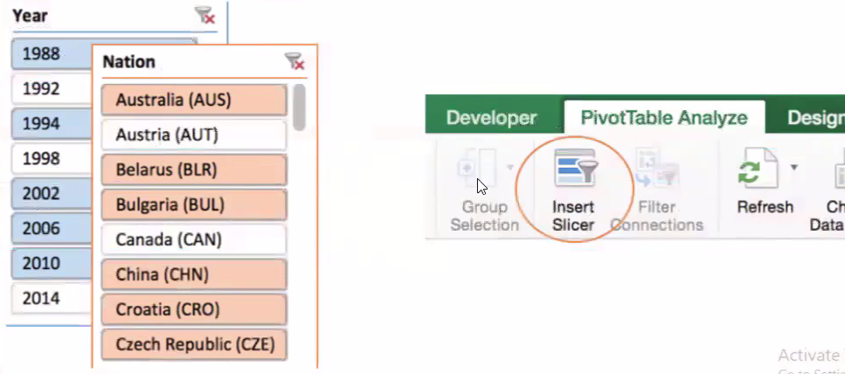
 |  |  |  |  |  |  |  | Total | 120 | 2 | 4 | 7
 |  | Type | E | E | E | E
 |  | value | 100 | 1 | 2 | 3

Relative Reference |  | C | C | C | C |  |  | Mixed Reference 1 |  | E | E | E | E
 |  | 100 | 1 | 2 | 3 |  |  |  |  | 100 | 1 | 2 | 3
 |  | 0 | 0 | 0 | 0

Absolute Reference |  | D | D | D | D |  |  | Mixed Reference 2 |  | E | E | E | E
 |  | 20 | 20 | 20 | 20 |  |  |  |  | 100 | 100 | 100 | 100
 |  | 2 | 2 | 2 | 2

