Data Types
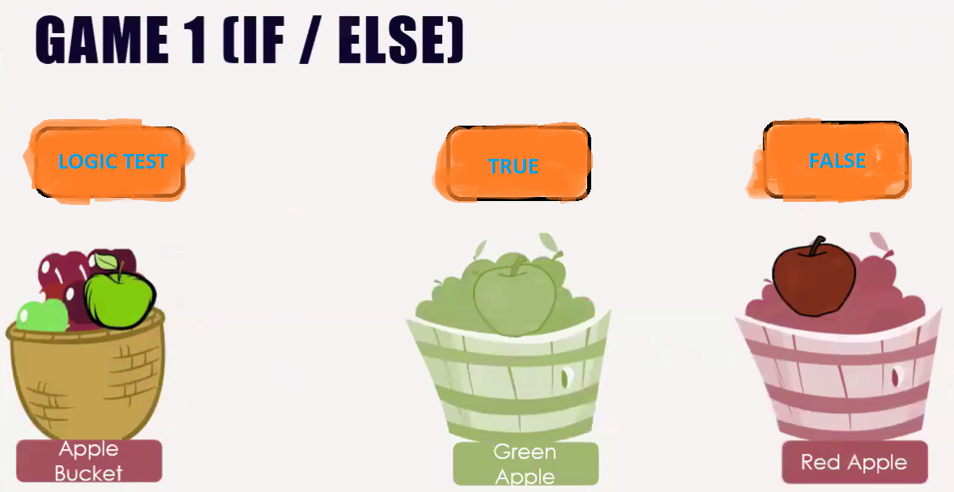
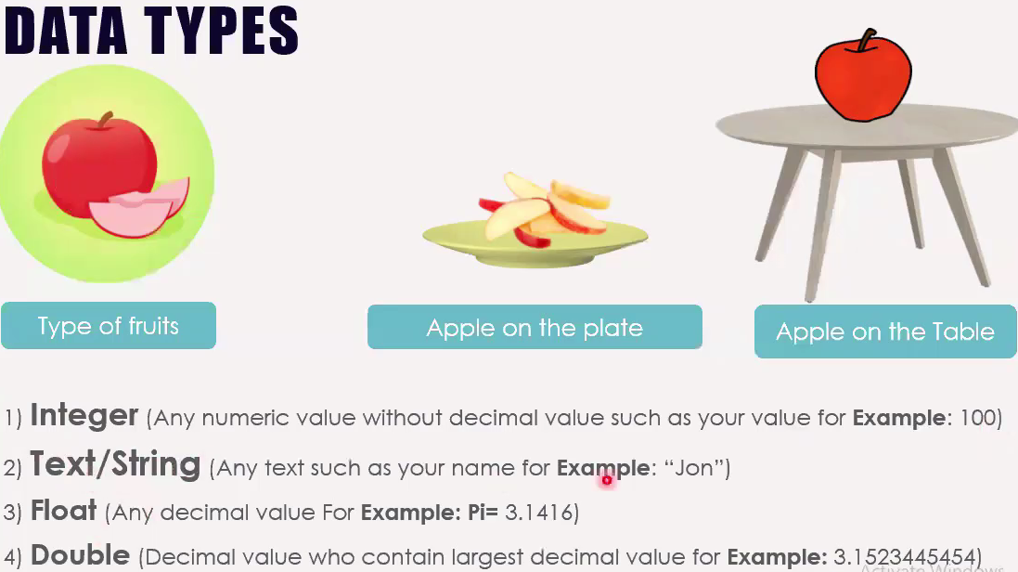
 | Data types:
 | 1. Integer: Any numeric value without decimal value such as your value for Example: 100
 | 2. Text/String: Any text such as your name for Example: "James", "45", "Ame"
 | 3. Float: Any decimal value for Example: Pi = 3.1416
 | 4. Double: Decimal value who contain largest decimal value for Example: 3.54463465657573

 | Name | Subject |  |  | IF
 |  | Bangla | English | Math
 | Mark | 44 | 66 | 76 | YES
 | Karim | 55 | 57 | 78 | NO
 | james | 65 | 46 | 57 | NO
 | Aline | 45 | 67 | 64 | NO
 |  |  |  |  |  | IF = if(logical_test, [value_if_true], [value_if_false])

 | There are 3 function on excel. |  |  |  |  | 1. if(5>3, TRUE, FALSE) [TRUE, FALSE boolean data type so no need to use "".

 | 1. Basic Function
 | 2. Advance 1
 | 3. Advance 2

Function |  | Description
= | AND | Returns TRUE or FALSE based on two or more conditions
= | AVERAGE | Calculates the average (arithmetic mean)
= | AVERAGEIF | Calculates the average of a range based on a TRUE or FALSE condition
= | AVERAGEIFS | Calculates the average of a range based on one or more TRUE/FALSE conditions
= | CONCAT | Links together the content of multiple cells
= | COUNT | Counts cells with numbers in a range
= | COUNTA | Counts all cells in a range that has values, both numbers and letters
= | COUNTBLANK | Counts blank cells in a range
= | COUNTIF | Counts cells as specified
= | COUNTIFS | Counts cells in a range based on one or more TRUE or FALSE condition
= | IF | Returns values based on a TRUE or FALSE condition
= | IFS | Returns values based on one or more TRUE or FALSE conditions
= | LEFT | Returns values from the left side of a cell
= | LOWER | Reformats content to lowercase
= | MAX | Returns the highest value in a range
= | MEDIAN | Returns the middle value in the data
= | MIN | Returns the lowest value in a range
= | MODE | Finds the number seen most times. The function always returns a single number
= | NPV | The NPV function is used to calculate the Net Present Value (NPV)
= | OR | Returns TRUE or FALSE based on two or more conditions
= | RAND | Generates a random number
= | RIGHT | Returns values from the right side of a cell
= | STDEV.P | Calculates the Standard Deviation (Std) for the entire population
= | STDEV.S | Calculates the Standard Deviation (Std) for a sample
= | SUM | Adds together numbers in a range
= | SUMIF | Calculates the sum of values in a range based on a TRUE or FALSE condition
= | SUMIFS | Calculates the sum of a range based on one or more TRUE or FALSE condition
= | TRIM | Removes irregular spacing, leaving one space between each value
= | VLOOKUP | Allows vertical searches for values in a table
= | XOR | Returns TRUE or FALSE based on two or more conditions

