Sheet1
Wuxi Bewis Sensing Technology LLC |  |  |  |  |  |  | Quote

 |  |  |  |  | Date: |  | June,27th.2025
 |  |  |  |  | Valid Until: |  | July,27th.2025
 |  |  |  |  | Quote Number: |  | Bewis-MC-0627-AU
 |  |  |  |  | Customer ID |  | N/A

Customer: |  |  | Quote/Project Description
Name:
Customer Contact:
Address:
Phone Number:
Email:

Description |  | Bewis No | Qty(Set) | Unit Price/USD (FOB ) | Line Total | Picture | Remark |  | 6.8
Inclinometer |  | BWS5000 | 1 | $500.00 | $500.00 | 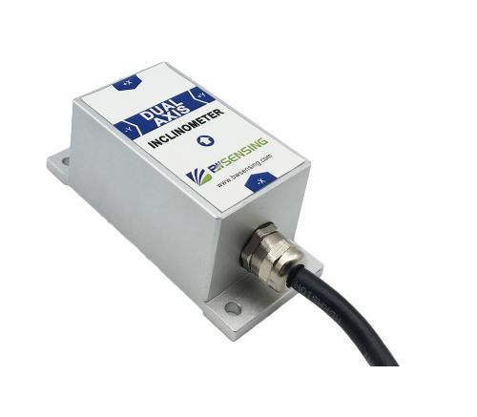 | Dual Axis Measuring range ±15° Accuracy 0.001° Output :RS232，RS485，TTL optional | 350 | 51.47
 |  |  | 10 | $600.00 | $6,000.00 |  |  | 300 | 44.12
 |  |  | 30 | $700.00 | $21,000.00 |  |  | 200 | 29.41
 |  | BWS2000 | 1 | $800.00 | $800.00 |  | Dual axis Measuring range ±30° Accuracy: 0.001° Power supply voltage: 9-36V Output: RS232，RS485，TTL optional | 950 | 139.71
 |  |  | 10 | $900.00 | $9,000.00 |  |  | 800 | 117.65
 |  |  | 30 | $1,100.00 | $33,000.00 |  |  | 650 | 95.59
Wireless Inclinometer |  | LWHD-WM400 | 1 | $1,300.00 | $1,300.00 | 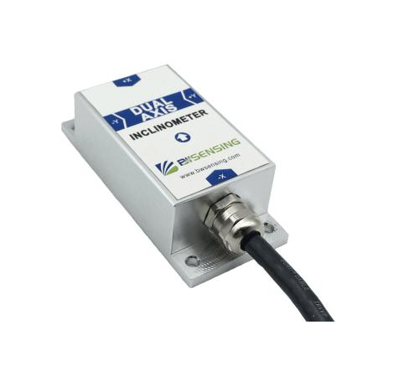 | Dual axis Measuring range ±90° Accuracy: 0.01° Power supply voltage: 9-36V Output: RS232，RS485，TTL optional | 950 | 139.71
 |  |  | 10 | $1,610.00 | $16,100.00 |  |  | 800 | 117.65
 |  |  | 100 | $1,300.00 | $130,000.00 |  |  | 650 | 95.59

Remarks |  |  |  | Subtotal | N/A
1. Payment Terms-- T/T 100% advanced by BEWIS official on-line shop （priority）(≤$5000) Bewis Business Bank Account or L/C Irrevocable at sight（＞$5000） 2. Lead Time-- for sample -5-7 working days after the payment 3. Quotation Validity-- 1 Month 4. Package-- Bewis Carton package or your customized package（please inform Bewis in advance） 5. MOQ-- 1 set 6. Warranty -- 12months |  |  |  | Discount | N/A

 |  |  |  | Freight

 |  |  |  | Insurance | N/A

 |  |  |  | Total | N/A

 |  |  |  | Thank you for your business!
Should you have any enquiries concerning this quote,please contact
M A Mahmud Chowdhury | Account Manager | mahmud@bwsensing.com |  |  | Tel: (0086) 510 83737178*801
 |  |  |  |  | Cel: (0086) 15618476753

