Summary
Category | Count
Passed | 9
Failed | 6
Skipped | 0
Total | 35
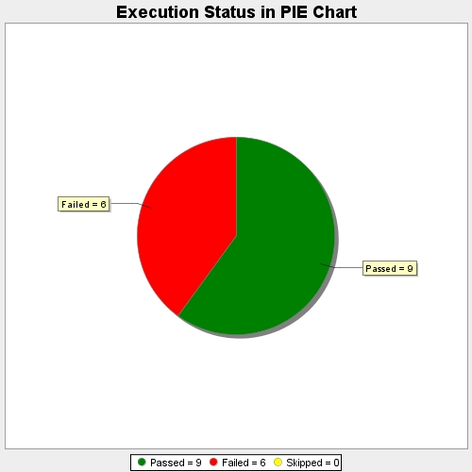
Start Time | 2019-10-21T16:05:27Z
End Time | 2019-10-21T16:06:02Z
Duration | 34695 ms

