Covariance
Covariance
Housing data

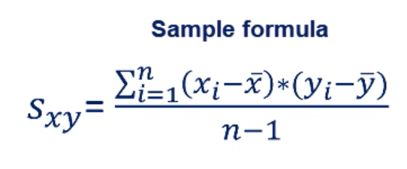
 | Size (ft.) | Price ($) |  | (x-x̅)*(y-ȳ)
 | 650 | 772,000 |  | 34,776,000
 | 785 | 998,000 |  | - 5,265,000
 | 1200 | 1,200,000 |  | 89,178,000
 | 720 | 800,000 |  | 19,418,000
 | 975 | 895,000 |  | - 4,142,000
Mean | 866 | 933,000 | Sum | 133,965,000
 |  |  | Sample size | 5
 |  |  | Cov. Sample | 33,491,250

Correlation
Covariance
Housing data

 | Size (ft.) | Price ($) |  | (x-x̅)*(y-ȳ)
 | 650 | 772,000 |  | 34,776,000
 | 785 | 998,000 |  | - 5,265,000
 | 1200 | 1,200,000 |  | 89,178,000
 | 720 | 800,000 |  | 19,418,000
 | 975 | 895,000 |  | - 4,142,000
Mean | 866 | 933,000 | Sum | 133,965,000
 |  |  | Sample size | 5
 |  |  | Cov. Sample | 33,491,250

