All Feedback
ID | Language | Type | Page | Issue / Feedback | Current text (EN or as seen) | Desired / Correct translation | Source | Reporter | Screenshot file | Slack / Doc link | Has screenshot | Screenshot
FR-001 | French | Missing Translation | Onboarding Hub / Welcome (Rocketlane) | Onboarding Hub content is not translated to French; browser cannot auto-translate (front-end). Mixed FR/EN nav ("Maison", "Partager" vs English content). | Welcome to Guesty!; Onboarding Hub & Guesty Onboarding Overview; Project Plan; Educational Resources; etc. | Full French translation of Onboarding Hub content and navigation | FR doc (Remi Cannessant) + Slack thread | Rémi Cannessant | page1_img1.jpg | https://guesty.slack.com/archives/C0BDXUK6V1R/p1782905939091019?thread_ts=1782895353.663379 | Yes | 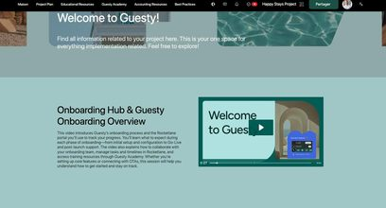
FR-002 | French | Missing Translation | Mobile App – Language & region settings | Language set to French, but settings page labels remain in English. | Language & region; Language | Langue et région; Langue | FR doc (Remi Cannessant) | Rémi Cannessant | page1_img2.jpg | https://guesty.slack.com/archives/C0BDXUK6V1R/p1782905939091019?thread_ts=1782895353.663379 | Yes | 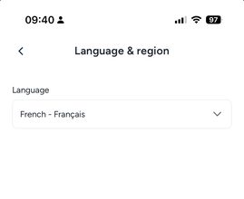
FR-003 | French | Missing Translation | Mobile App – Home / Daily activity | Mobile app Home dashboard largely in English (Lockey Conciergerie churned partly due to poor FR mobile translation). | Hello; Daily activity; Check-ins; Check-outs; Weekly activity; Home; Calendar; Inbox; Reservations; More | Full French mobile Home translation | FR doc (Remi Cannessant) | Rémi Cannessant | page1_img3.jpg |  | Yes | 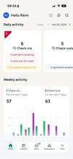
FR-004 | French | Missing Translation | Message Automations – Best practice templates | Automation strategy wizard partially FR, but template descriptions remain in English. | For 1 night stays booked on the same day; For 2+ nights stays booked on the same day; For any stays booked more than 1 day in advance; For when a reservation is altered; For when a reservation is canceled | French translations of all best-practice template descriptions | FR doc (Remi Cannessant) | Rémi Cannessant | page2_img4.jpg |  | Yes | 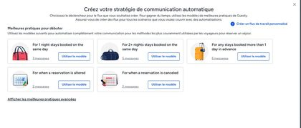
FR-005 | French | Missing Translation | Message Automations – Default message content | Default automation message templates are in English while surrounding UI is French. | Hi {{guest_first}}, Thank you so much for booking with us! ... | French default guest message templates | FR doc (Remi Cannessant) | Rémi Cannessant | page2_img5.jpg |  | Yes | 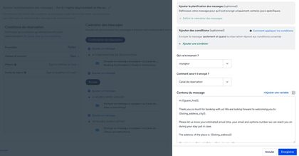
FR-006 | French | Missing Translation | Registration / Onboarding email | Registration email subject (object) remains in English while body is French. | Subject: Let's Get Started with Guesty! | French subject line (e.g. Commençons avec Guesty !) | FR doc (Remi Cannessant) | Rémi Cannessant | page3_img6.jpg |  | Yes | 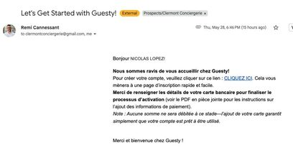
FR-007 | French | Missing Translation | Guesty Copilot – first screen | Guesty Copilot intro and suggested prompts are in English. | Hi Rémi, I'm your Guesty Copilot...; suggested analysis prompts in English | Full French Copilot intro + suggested prompts | FR doc (Remi Cannessant) | Rémi Cannessant | page3_img7.jpg |  | Yes | 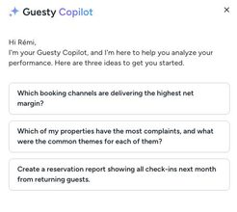
FR-008 | French | Missing Translation | In-platform Support – Contact support | Support entry screens / first questions are in English. | Hi Rémi, how can we help?; Contact support; How would you like to contact us?; Open chat (24/7); Submit a support ticket | Full French support contact UI | FR doc (Rémi Cannessant) | Rémi Cannessant | page4_img8.jpg |  | Yes | 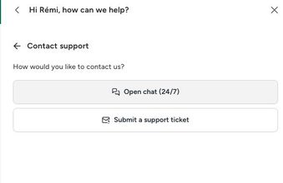
FR-009 | French | Missing Translation | In-platform Support – Gus AI chat | Support AI chat (Gus) messages displayed in English. | Hi, I'm Gus. How can I help you today? | French Gus AI greetings and responses | FR doc (Rémi Cannessant) | Rémi Cannessant | page4_img9.jpg |  | Yes | 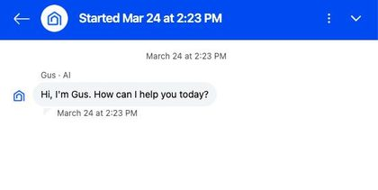
FR-010 | French | Missing Translation | Bookings Dashboard – Upcoming Bookings / AI prompt | Page title and Gemini/AI prompt field remain in English; status value "Confirmed" untranslated in filter. | Upcoming Bookings; Show reservations with pending payments; Status is in Confirmed | Réservations à venir; French AI prompt placeholder; Confirmé | FR doc (Rémi Cannessant) | Rémi Cannessant | page4_img10.jpg |  | Yes | 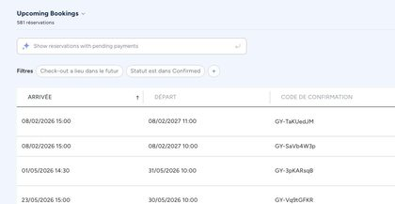
FR-011 | French | Missing Translation | Multi-Calendar – Reservation Details – Additional information | Additional information field labels not translated (values are FR). | License Number; Early Check in; Late Check Out; VIP Guesty; Reason for Stay; Estimated Arrival Time; Special Requests; Number of Pets; Celebration package; Boat Transfer | French labels for all additional information fields | FR doc (Rémi Cannessant) | Rémi Cannessant | page5_img11.jpg |  | Yes | 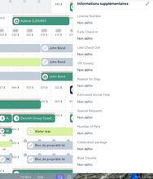
FR-012 | French | Missing Translation | Add a property – Property address | Primary address field/placeholder remain in English while other address fields are French. | Property address*; Enter address | Adresse de la propriété*; Saisir l'adresse | FR doc (Rémi Cannessant) | Rémi Cannessant | page6_img12.jpg |  | Yes
FR-013 | French | Missing Translation | Add a property – Amenities list | Many amenity names remain in English in an otherwise French amenities picker. | Baking sheet; Barbeque utensils; Beach access; Bikes; Blender; Board games; Ceiling fan; Cleaning products; Coffee; Coin Laundry; etc. | French amenity names for all channel amenities | FR doc (Rémi Cannessant) | Rémi Cannessant | page6_img13.jpg |  | Yes | 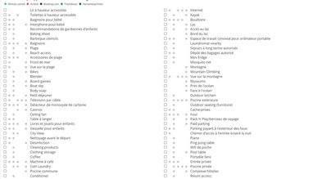
FR-014 | French | Missing Translation | Owner Portal – Reservation report | Owner Portal reservation report filters and column titles not translated. | Filters; Check-out is previous month; Status is in Confirmed; CHECK-IN; CHECK-OUT; NUMBER OF NIGHTS; CONFIRMATION CODE; LISTING; GUEST; ACCOMMODATION... | Full French translation of Owner Portal reservation report columns/filters | FR doc (Rémi Cannessant) | Rémi Cannessant | page6_img14.jpg |  | Yes | 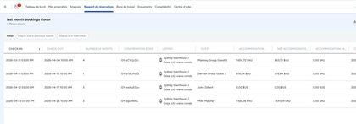
FR-015 | French | Missing Translation | Owner Portal – Owner Statement / Owner reports | Owner reports / Owner Statement not translated to French (mandatory for owners who don’t speak English). | Owner Statement; Occupancy; Nights Occupied; Proceeds; Working Capital; Initial balance; Rental Income; Ending balance; etc. | Full French Owner Statement / owner reports | FR doc (Rémi Cannessant) | Rémi Cannessant | page7_img15.jpg |  | Yes | 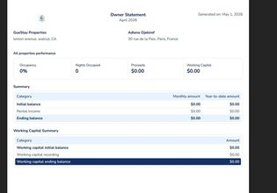
FR-016 | French | Missing Translation | Advanced Analytics | Advanced analytics entirely in English. | Advanced analytics (all UI in English) | French Advanced Analytics | Slack thread | Steven Brumwell |  | https://guesty.slack.com/archives/C0BDXUK6V1R/p1782900012709669?thread_ts=1782895353.663379 | No
FR-017 | French | Missing Translation | Default reservation reports | Default reservation reports not translated. | Default reservation reports in English | French default reservation reports | Slack thread | Steven Brumwell |  | https://guesty.slack.com/archives/C0BDXUK6V1R/p1782900012709669?thread_ts=1782895353.663379 | No
FR-018 | French | Missing Translation | Inbox (new UI) | New Inbox UI is not translated. | New Inbox UI in English | French Inbox UI | Slack thread | Steven Brumwell |  | https://guesty.slack.com/archives/C0BDXUK6V1R/p1782900012709669?thread_ts=1782895353.663379 | No
FR-019 | French | Missing Translation | Roles + Permissions | Roles and permissions not translated. | Roles + permissions in English | French Roles + Permissions | Slack thread | Steven Brumwell |  | https://guesty.slack.com/archives/C0BDXUK6V1R/p1782900012709669?thread_ts=1782895353.663379 | No
FR-020 | French | Missing Translation | Subscription information | Subscription information only shows in English. | Subscription information in English | French subscription information | Slack thread | Steven Brumwell |  | https://guesty.slack.com/archives/C0BDXUK6V1R/p1782900012709669?thread_ts=1782895353.663379 | No
FR-021 | French | Missing Translation | CRM – Stages + Contact reports | CRM stages and contact reports are English only. | CRM stages + contact reports in English | French CRM stages and contact reports | Slack thread | Steven Brumwell |  | https://guesty.slack.com/archives/C0BDXUK6V1R/p1782900012709669?thread_ts=1782895353.663379 | No
FR-022 | French | Missing Translation | Marketplace | Marketplace is only in English. | Marketplace in English | French Marketplace | Slack thread | Steven Brumwell |  | https://guesty.slack.com/archives/C0BDXUK6V1R/p1782900012709669?thread_ts=1782895353.663379 | No
FR-023 | French | Missing Translation | Support (product + staffing) | Main complaints from FR focus group: translation gaps in product and support; support in French is a manpower issue. ReplyAI not in French during onboarding (Ma conciergerie Pro). | Support / ReplyAI / onboarding support in English | French support experience (AI bot + human) | Slack thread (Kayla Adams focus group; Rémi customer cases) | Kayla Adams; Rémi Cannessant |  | https://guesty.slack.com/archives/C0BDXUK6V1R/p1782904755019229?thread_ts=1782895353.663379 | No
IT-001 | Italian | Missing Translation | Unified Inbox / Messaging | Inbox largely English for Italian users; missing real-time message translation forces users back to OTA apps. Search placeholder partially Italian. | Inboxes UI in English; search "Digita / cercare sa..."; Type your message here... | Full Italian Inbox UI + real-time guest message translation | IT doc (Visar/Flavio) | Visar Gerbeshi / Flavio Veccaro | page2_img1.jpg | https://guesty.slack.com/archives/C0BDXUK6V1R/p1782909131117629?thread_ts=1782895353.663379 | Yes | 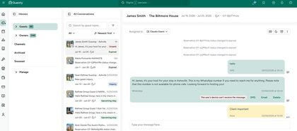
IT-002 | Italian | Missing Translation | Quotes & Estimates / Guest communication | Quotes often generated in English; email templates show raw variables; quote links may fail/infinite load on localized browsers. Booking status/source values English. | Status values: inquiry / reserved / Confirmed; Source: manual; English quote emails / raw variables | Italian quotes by default; translated status/source values; fixed variables | IT doc | Visar Gerbeshi / Flavio Veccaro | page3_img2.jpg |  | Yes | 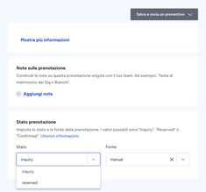
IT-003 | Italian | Missing Translation | Analytics – General Overview / Dashboards | Analytics partially localized; dashboard list, widgets, and filters still English. | General Overview; Revenue; Commission; Average Nightly Rate; Occupancy; Filters; Period; Listing Nickname; Include all; Dashboards list in English | Full Italian Analytics module | IT doc | Visar Gerbeshi / Flavio Veccaro | page4_img3.jpg |  | Yes | 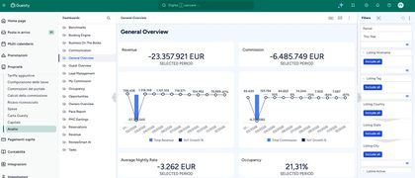
IT-004 | Italian | Missing Translation | Owner Portal – Reservation report | Owner Portal reservation report title, filters, and column headers remain in English. | last month bookings...; Filters; CHECK-IN; CHECK-OUT; NUMBER OF NIGHTS; CONFIRMATION CODE; LISTING; GUEST; CREATION DATE | Italian Owner Portal reservation report columns/filters | IT doc | Visar Gerbeshi / Flavio Veccaro | page5_img4.jpg |  | Yes
IT-005 | Italian | Missing Translation | Bookings – Upcoming Bookings | Upcoming Bookings title, AI banner, some headers/status remain English in Italian UI. | Upcoming Bookings; Show reservations with pending payments; CHECK IN; CHECK OUT; Confirmed | Prossime prenotazioni; Italian AI banner; Italian headers/status | IT doc | Visar Gerbeshi / Flavio Veccaro | page5_img5.jpg |  | Yes | 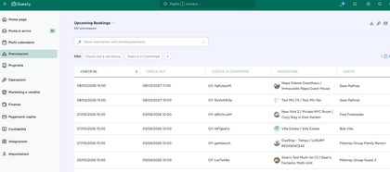
IT-006 | Italian | Missing Translation | Guesty Copilot / AI searchbars | Copilot suggestions/sentences still in English (placeholder partially Italian). | Hi Flavio, I'm your Guesty Copilot...; English suggested prompts | Italian Copilot intro + suggestions | IT doc | Visar Gerbeshi / Flavio Veccaro | page6_img6.jpg |  | Yes | 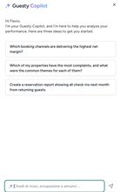
IT-007 | Italian | Missing Translation | Help Center / Technical documentation | Italian Help Center launched but gaps remain; complex guides often redirect to English. | English fallback for complex troubleshooting content | Complete Italian Help Center coverage | IT doc | Visar Gerbeshi / Flavio Veccaro |  |  | No
IT-008 | Italian | Missing Translation | Localized data fields (Compliance) | No native UI field for Italian Codice Fiscale; custom fields workaround insufficient for automated check-in/fiscal reporting. | No standard Codice Fiscale field | Native Codice Fiscale (and related IT fiscal fields) | IT doc | Visar Gerbeshi / Flavio Veccaro |  |  | No
IT-009 | Italian | Missing Translation | Owner Portal – Settings & report customization | Untranslated strings in Owner Portal settings and report customization menus. | Various English strings in Owner Portal settings/report menus | Full Italian Owner Portal UI | IT doc | Visar Gerbeshi / Flavio Veccaro |  |  | No
IT-010 | Italian | Missing Translation | Billing / Accounting | Technical billing/accounting terms untranslated; friction in owner statements. | English technical terms in billing/accounting | Italian billing/accounting terminology | IT doc deficit matrix | Visar Gerbeshi / Flavio Veccaro |  |  | No
IT-011 | Italian | Missing Translation | Guest Web App | Guest Web App only partially translated; friction during check-in. | Partial Italian Guest Web App | Full Italian Guest Web App | IT doc deficit matrix | Visar Gerbeshi / Flavio Veccaro |  |  | No
DE-001 | German | Missing Translation | Home / Dashboard – Top banner | Top banner with latest Guesty News is not translated. | Check-in Forms and Rental Agreements will be phased out on Jan 31! Set them up in the Guest app... Learn more / Set up Guest App | Check-in-Formulare und Mietverträge werden zum 31. Januar eingestellt. Richte sie diese rechtzeitig in der Gast-App ein... Mehr erfahren / Guest App einrichten | German HomePage corrections sheet (Patricia) | Patricia Czajkowski |  | https://docs.google.com/spreadsheets/d/1SKALj67sRGZ2MSFAnudTv-CMbDMY_rqiqFSOnWYeF7E/edit | No
DE-002 | German | Incorrect Translation | Home – Navigation tabs (Guest experience) | Provide corrected German for Guest experience nav cluster. | Guest experience; Reservations; Guest app; Recommendations; Documents: Status report, Agreements, Check-in form; Contacts; Automations: Messages, Payments, Custom fields | Gästeerlebnis; Buchungen; Gast-App; Empfehlungen; Dokumente: Statusberichte, Verträge, Check-in-Formulare; Kontakte; Automatisierungen: Nachrichten, Zahlungen, Benutzerdefinierte Felder | German HomePage corrections sheet | Patricia Czajkowski |  |  | No
DE-003 | German | Incorrect Translation | Home – Navigation tabs (Operations) | Provide corrected German for Operations nav cluster. | Operations; Reservations; Properties; Automations...; Field operations: Tasks, Locks manager; Ratings...; Owners...; Phonebook | Vorgänge; Buchungen; Unterkünfte; Automatisierungen...; Einsätze & Aufgaben: Aufgaben, Schloss-Verwaltung; Bewertungen: Bewertungsanalyse, Airbnb-Bericht; Eigentümer: Eigentümer, Eigentümerpreis; Kontakte | German HomePage corrections sheet | Patricia Czajkowski |  |  | No
DE-004 | German | Incorrect Translation | Home – Navigation tabs (Growth) | Provide corrected German for Growth nav cluster. | Growth; Properties; Distribution...; Revenue management...; Coupons; PriceOptimizer; CRM...; Analytics | Wachstum; Unterkünfte; Vertrieb: Distribution-Hub, Fehlerbehebung; Revenue Management: Ratenstrategie, Preis-/Ratenkategorien, Angebote, Gutscheine; PriceOptimizer; CRM: Kunden-/Leadsverwaltung, Kontakte; Analyse | German HomePage corrections sheet | Patricia Czajkowski |  |  | No
DE-005 | German | Incorrect Translation | Home – Navigation tabs (Financials) | Provide corrected German for Financials nav; note Guesty Card not translated. | Financials; ... Financial add-ons; Analytics | Finanzen; ... Finanz-Add-ons: Guesty Card not translated into German; Analyse | German HomePage corrections sheet | Patricia Czajkowski |  |  | No
DE-005b | German | Missing Translation | Home – Navigation tabs (Financials – Guesty Card) | “Guesty Card” not translated into German within Financial add-ons. | Guesty Card | German term for Guesty Card (to be confirmed with localization) | German HomePage corrections sheet | Patricia Czajkowski |  |  | No
DE-006 | German | Incorrect Translation | Home – Navigation tabs (Accounting) | Provide corrected German for Accounting nav cluster. | Accounting; Setup; Business models; General ledger...; Owner accounting...; Disbursements; Cash management...; Vendors | Buchhaltung; Einrichtung; Geschäftsmodelle; Hauptbuch: Buchungsjournal, Kontostände, Vorkonfigurierte Berichte; Eigentümerabrechnungen...; Auszahlungen; Bargeld- & Kassenverwaltung...; Anbieter & Lieferanten | German HomePage corrections sheet | Patricia Czajkowski |  |  | No
DE-007 | German | Incorrect Translation | Home – Navigation tabs (Setup) | Provide corrected German for Setup nav cluster. | Setup; Account settings; User management; Integrations: Marketplace, Open API | Einrichtung; Kontoeinstellungen; Benutzerverwaltung; Integrationen: Marketplace, Open API | German HomePage corrections sheet | Patricia Czajkowski |  |  | No
DE-008 | German | Incorrect Translation | Notifications – Alerts label | Correct translation for Alerts. | alerts | Meldungen | German HomePage corrections sheet | Patricia Czajkowski |  |  | No
DE-009 | German | Missing Translation | Notifications – Alert notification bodies | When clicking Alerts, notification bodies are in English. Full list of alert strings needed for translation. | Alert notification content in English | Full German translations for all alert notification types (list requested) | German HomePage corrections sheet | Patricia Czajkowski |  |  | No
DE-010 | German | Incorrect Translation | Notifications panel | Corrected German for Notifications panel labels/examples. | Notifications; Alerts; Updates; Reservation request; Important; New reservation request for xxx.; Double booking; ... | Benachrichtigungen; Meldungen; Updates; Reservierungsanfrage; Wichtig; Neue Reservierungsanfrage für xxx; Doppelbuchung; ... | German HomePage corrections sheet | Patricia Czajkowski |  |  | No
DE-011 | German | Incorrect Translation | Notifications – Archive / Preferences actions | Corrected German for mark-as-read / archive actions. | Mark all updates as read; Archive all: alerts and updates; Archive all read; View archived; Preferences | Alle Updates als gelesen markieren; Alle Meldungen und Updates archivieren; Alle gelesenen Einträge archivieren; Archivierte Einträge anzeigen; Einstellungen | German HomePage corrections sheet | Patricia Czajkowski |  |  | No
DE-012 | German | Incorrect Translation | Notifications – Archive all confirmation modal | Corrected German for archive-all confirmation. | Archive all alerts and updates?; This will archive 100 alerts and 0 updates.; Cancel; Archive all | Alle Meldungen und Updates archivieren?; Dies wird 100 Meldungen und 0 Updates archivieren.; Abbrechen; Alle archivieren | German HomePage corrections sheet | Patricia Czajkowski |  |  | No
DE-013 | German | Incorrect Translation | Notifications – Archive all read confirmation modal | Corrected German for archive-all-read confirmation. | Archive all read alerts and updates?; ... Cancel; Archive all read | Alle gelesenen Meldungen und Updates archivieren?; ... Abbrechen; Alle gelesenen archivieren | German HomePage corrections sheet | Patricia Czajkowski |  |  | No
DE-014 | German | Incorrect Translation | Notifications – Archived empty state | Corrected German for archived empty state. | Archived; No archived notifications; Try a different filter. | Archiviert; Keine archivierten Benachrichtigungen; Versuchen Sie einen anderen Filter. | German HomePage corrections sheet | Patricia Czajkowski |  |  | No
DE-015 | German | Incorrect Translation | Home – Quick create actions | Corrected German for New property/task/owner/booking/expense (note: Neue unterkunft casing). | New property; New task; New owner; New booking; New expense | Neue unterkunft; Neue Aufgabe; Neuer Eigentümer; Neue Reservierung; Neue Ausgabe | German HomePage corrections sheet | Patricia Czajkowski |  |  | No
DE-016 | German | Missing Translation | Guesty Copilot | Copilot intro/prompts/search not fully German; also called out again for new AI features / GA. | Hi Patricia, I'm your Guesty Copilot...; Ask about revenue, occupancy, or listings ... | Hallo xxx, ich bin Ihr Guesty Copilot...; Fragen Sie nach Umsatz, Auslastung oder Unterkünften ... | German HomePage corrections sheet + Slack (Patricia) | Patricia Czajkowski |  | https://guesty.slack.com/archives/C0BDXUK6V1R/p1783937378056459?thread_ts=1782895353.663379 | No
DE-017 | German | Incorrect Translation | Help panel | Help label + panel copy corrections; popular articles noted as still EN. | Help; Hi Patricia, how can we help?; Search articles...; Popular articles (EN titles) | Hilfe; Hallo xxx, wie können wir Ihnen helfen?; Nach Artikel, Funktionen und mehr suchen; article titles still (auf ENG) | German HomePage corrections sheet | Patricia Czajkowski |  |  | No
DE-017b | German | Missing Translation | Help panel – Popular articles / Guesty Academy | Help resources/popular articles remain in English. | Guesty Academy; Airbnb's self-service dashboard; Managing users; How do taxes sync...; etc. (auf ENG) | German Help Center article titles/content | German HomePage corrections sheet | Patricia Czajkowski |  |  | No
DE-018 | German | Incorrect Translation | Home – Daily activity | Provide German copy for Daily activity widgets. | (English Daily activity UI) | Tägliche Aktivität; Check-ins; x Einheiten müssen gereinigt werden; x unvollständige Check-in-Formulare; Check-outs; x Zahlungen ausstehend; Gastwechsel; Derzeit anwesend; 60 Gäste gesamt | German HomePage corrections sheet | Patricia Czajkowski |  |  | No
DE-019 | German | Incorrect Translation | Home – Check-ins list / filters | Corrected German for check-ins search/filters/status chips. | Search by property nickname; Showing: All; Cleaning status; Stay status; Awaiting payment; Early check-in; Incomplete check-in form | Suche nach Objektname; Angezeigt: Alle; Reinigungsstatus; Aufenthaltsstatus; Zahlung ausstehend; Früher Check-in; Unvollständiges Check-in-Formular | German HomePage corrections sheet | Patricia Czajkowski |  |  | No
DE-020 | German | Incorrect Translation | Home – Guest turnover tooltip | German for guest turnover note on check-in. | (English guest turnover note) | Gastwechsel bei diesem Check-in: Ein früherer Gast checkt vor diesem Check-in aus. | German HomePage corrections sheet | Patricia Czajkowski |  |  | No
DE-021 | German | Incorrect Translation | Home – Showing filter options | Corrected German for Showing filter option list. | Showing: All; Early check-in; Late check-out; Payments pending; Unconfirmed; Incomplete check-in form; Unassigned; Add-ons sold | Angezeigt: Alle; Früher Check-in; Später Check-out; Zahlungen ausstehend; Nicht bestätigt; Unvollständiges Check-in-Formular; Nicht zugewiesen; Zusatzleistungen verkauft | German HomePage corrections sheet | Patricia Czajkowski |  |  | No
DE-022 | German | Incorrect Translation | Home – Cleaning status filter | Corrected German for cleaning status values. | Cleaning status: All; Clean; Dirty | Reinigungsstatus: Alle; Gereinigt; Nicht gereinigt | German HomePage corrections sheet | Patricia Czajkowski |  |  | No
DE-023 | German | Incorrect Translation | Home – Stay status filter | Corrected German for stay status values. | Stay status: All; Pending check-in; Checked-in; No show | Aufenthaltsstatus: Alle; Ausstehender Check-in; Eingecheckt; No-Show | German HomePage corrections sheet | Patricia Czajkowski |  |  | No
DE-024 | German | Incorrect Translation | Home – Empty reservation search state | Corrected German for no-matching-reservation empty state. | We couldn’t find a matching reservation; Here are some tips... Check spelling; Use fewer filters | Wir konnten keine passende Reservierung finden; Überprüfen Sie die Schreibweise; Verwenden Sie weniger Filter | German HomePage corrections sheet | Patricia Czajkowski |  |  | No
DE-025 | German | Incorrect Translation | Home – Weekly activity date format | German date format should be "14. Januar" not "14 of Januar". | Mittwoch, 14 of Januar | Mittwoch, 14. Januar; Wöchentliche Aktivität; Check-outs: x | German HomePage corrections sheet | Patricia Czajkowski |  |  | No
DE-026 | German | Incorrect Translation | Home – Action needed / Handlungsbedarf | German copy for Action needed section. | (English Action needed UI) | Handlungsbedarf; Letzten 24 Stunden; Letzten 3 Tage; Alles auf dem neuesten Stand; Wichtig: Regelmäßig neue Probleme prüfen... | German HomePage corrections sheet | Patricia Czajkowski |  |  | No
DE-027 | German | Incorrect Translation | Bookmarks | Corrected German for Bookmarks. | Bookmarks; Bookmark this page; Start bookmarking to save time. | Merkliste; Diese Seite merken; Einträge merken und Zeit sparen | German HomePage corrections sheet | Patricia Czajkowski |  |  | No
DE-028 | German | Incorrect Translation | Global Search | Corrected German for search placeholders; note “Suche optimieren” still EN. | Search for: Reservations, Properties...; Get the most out of Search | Suche nach: Reservierungen, Unterkünfte...; Suche optimieren (auf ENG) | German HomePage corrections sheet | Patricia Czajkowski |  |  | No
DE-028b | German | Missing Translation | Global Search – Get the most out of Search | “Get the most out of Search / Suche optimieren” content still in English. | Get the most out of Search | German version of search optimization content | German HomePage corrections sheet | Patricia Czajkowski |  |  | No
DE-029 | German | Incorrect Translation | Profile menu | German for profile menu items. | (English profile menu) | Mein Profil; Benachrichtigungen; Abmelden | German HomePage corrections sheet | Patricia Czajkowski |  |  | No
DE-030 | German | Missing Translation | AI features / AI Agent Hub (GA) | New AI features and AI Agent Hub not translated into German yet (beyond Copilot examples). Dashboard sheet is not exhaustive. | AI features / AI Agent Hub in English | German translations for new AI features at GA | Slack thread | Patricia Czajkowski |  | https://guesty.slack.com/archives/C0BDXUK6V1R/p1783937378056459?thread_ts=1782895353.663379 | No

