F02.CFG-Paths
do not print this form |  | VVSS, Info Romana, 2018-2019

F02. calcularea mediilor semestriale pentru fiecare elev (nume, nr. matricol);

F02. Covered source code |  |  | F02. Control Flow Graph (CFG) | F02. Cyclomatic Complexity (CC)

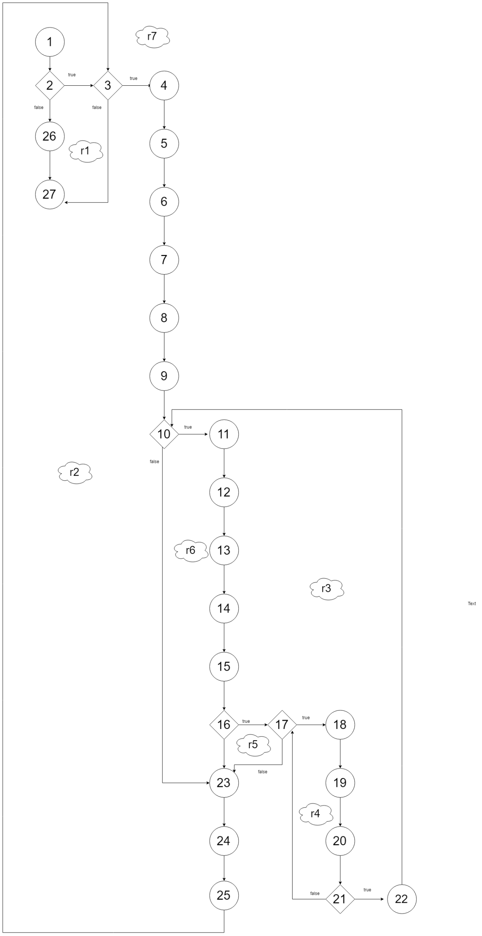
pai | Source code |  | please insert the CFG for this requirement | CC1 = No. of regions = 7 |  | 7
Req02_L01 | … |  | It may be a screen capture, image, etc. | CC2 = Edges - Nodes + 2 = 7 |  | 7
Req02_L02 | … |  | <Req02 CFG > | CC3 = No. of Conditions + 1 = 7 |  | 7
Req02_L03 | …
... | …
.. | … |  |  | F02. Individual Paths
... | …
 |  |  |  | Path No. | Path
 |  |  |  | F02_P01 | 1 - 2(F) - 26 -27
 |  |  |  | F02_P02 | 1 - 2(T) - 3(F) - 27
 |  |  |  | F02_P03 | 1 - 2T - 3T - 4 - 5 - 6- 7 - 8 - 9 - 10F - 23 - 24 - 25 - 3F - 27
 |  |  |  | F02_P04 | 1 - 2T - 3T - 4 - 5 - 6- 7 - 8 - 9 - 10T - 11 -12 -13 -14-15 -16F-23-24-25-3F-27
 |  |  |  | F02_P05 | 1 - 2T - 3T - 4 - 5 - 6- 7 - 8 - 9 - 10T - 11 -12 -13 -14-15 -16T-17F-23-24-25-3F-27
 |  |  |  | F02_P06 | 1 - 2T - 3T - 4 - 5 - 6- 7 - 8 - 9 - 10T - 11 -12 -13 -14-15 -16T-17T-18-19-20-21F-10F-23-24-25-3F-27
 |  |  |  | F02_P07 | 1 - 2T - 3T - 4 - 5 - 6- 7 - 8 - 9 - 10T - 11 -12 -13 -14-15 -16T-17T-18-19-20-21T-22-10F-23-24-25-3F-27

