2020 national CC vs census
 | American Indian or Alaska Native | Asian | Black or African American | Hispanic/Latino | Native Hawaiian or Pacific Islander | Two or More Races | White
General Population | 0.014809640238 | 0.047083478868 | 0.12567237164 | 0.20628711142 | 0.0029339853301 | 0.051554313657 | 0.55151938526
EI Population | 0.0069348407491 | 0.043881089204 | 0.12350949 | 0.2765496259 | 0.0030353282772 | 0.042318910083 | 0.50377071579

 |  | Is White lower because I didn't add the Non-Hispanic White? How should I do this?

Oregon CC vs census
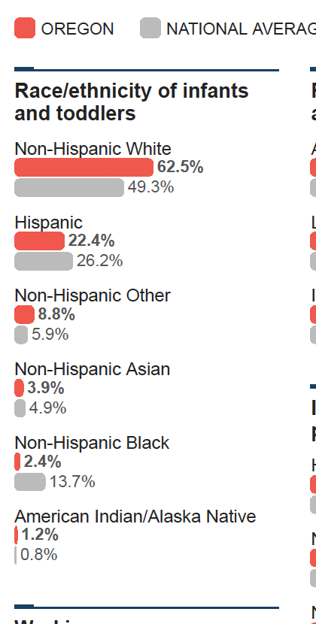
State | American Indian or Alaska Native | Asian | Black or African American | Hispanic/Latino | Native Hawaiian or Pacific Islander | Two or More Races | White
 |  |  |  |  |  |  |  | 2020 The State of Oregon's Babies (but it includes 0-3 years old, but census doesn't have the exact one (they round up to 0-5)
Oregon General Population |  |  |  |  |  |  |  | https://stateofbabies.org/state/oregon/
Oregon EI Population | 0.87 | 3.27 | 2.69 | 22.77 | 0.3 | 5.41 | 64.69

2020
 |  | Oregon General Population | Oregon EI Population
American Indian or Alaska Native |  |  | 0.87
Asian |  |  | 3.27
Black or African American |  |  | 2.69
Hispanic/Latino |  |  | 22.77
Native Hawaiian or Pacific Islander |  |  | 0.3
Two or More Races |  |  | 5.41
White |  |  | 64.69

