2020 national CC vs census cha1
 | General Population | EI Population
American Indian or Alaska Native | 1.48% | 0.69%
Asian | 4.71% | 4.39%
Black or African American | 12.57% | 12.35%
Hispanic/Latino | 20.63% | 27.65%
Native Hawaiian or Pacific Islander | 0.29% | 0.30%
Two or More Races | 5.16% | 4.23%
White | 55.15% | 50.38%

2020 national cc vs cen num2 ch
 | American Indian or Alaska Native | Asian | Black or African American | Hispanic/Latino | Native Hawaiian or Pacific Islander | Two or More Races | White
General Population | 1.87% | 5.93% | 15.84% |  | 0.37% | 6.50% | 69.50%
EI Population | 0.69% | 4.39% | 12.35% | 2.77% | 0.30% | 4.23% | 50.38%

Population | American Indian or Alaska Native | Asian | Black or African American | Native Hawaiian or Pacific Islander | Two or More Races | White
General Population | 212000 | 674000 | 1799000 | 42000 | 738000 | 7895000 | 11360000
EI Population | 5,842 | 36,966 | 104,046 | 2,557 | 35,650 | 424,383 |  | THIS INCLUDES HISPANIC AS a part of the race, so below I TOOK OUT Hispanic entirely from EI and did the ratio

General Populatiom % | 0.018661971831 | 0.059330985915 | 0.15836267606 | 0.0036971830986 | 0.064964788732 | 0.69498239437 | 1
 | 1.87% | 5.93% | 15.84% | 0.37% | 6.50% | 69.50% | 100.00%

Population | American Indian or Alaska Native | Asian | Black or African American | Native Hawaiian or Pacific Islander | Two or More Races | White
General Population | 212000 | 674000 | 1799000 | 42000 | 738000 | 7895000
EI Population | 5,842 | 36,966 | 104,046 | 2,557 | 35,650 | 424,383 | 609,444

EI % | 0.96% | 6.07% | 17.07% | 0.42% | 5.85% | 69.63%

 | General Population | EI Population
American Indian or Alaska Native | 1.87% | 0.69%
Asian | 5.93% | 4.39%
Black or African American | 15.84% | 12.35%
Hispanic/Latino |  | 2.77%
Native Hawaiian or Pacific Islander | 0.37% | 0.30%
Two or More Races | 6.50% | 4.23%
White | 69.50% | 50.38%
 | American Indian or Alaska Native | Asian | Black or African American | Native Hawaiian or Pacific Islander | Two or More Races | White
General Population | 1.87% | 5.93% | 15.84% | 0.37% | 6.50% | 69.50%
EI Population | 0.96% | 6.07% | 17.07% | 0.42% | 5.85% | 69.63%

 | American Indian or Alaska Native | Asian | Black or African American | Native Hawaiian or Pacific Islander | Two or More Races | White
General Population | 1.87% | 5.93% | 15.84% | 0.37% | 6.50% | 69.50%
EI Population | 0.96% | 6.07% | 17.07% | 0.42% | 5.85% | 69.63%

 | General Population | EI Population
American Indian or Alaska Native | 1.87% | 0.96%
Asian | 5.93% | 6.07%
Black or African American | 15.84% | 17.07%
Native Hawaiian or Pacific Islander | 0.37% | 0.42%
Two or More Races | 6.50% | 5.85%
White | 69.50% | 69.63%

2020 Child Count
State | Race/ethnicity Total2 | American Indian or Alaska Native | Asian | Black or African American | Hispanic/Latino | Native Hawaiian or Pacific Islander | Two or More Races | White
US and Outlying Areas | 842,413 | 5,842 | 36,966 | 104,046 | 232,969 | 2,557 | 35,650 | 424,383
 |  | 0.0069348407491 | 0.043881089204 | 0.12350949 | 0.2765496259 | 0.0030353282772 | 0.042318910083 | 0.50377071579


Race/ethnicity Total | Total Number | Total %
American Indian or Alaska Native | 5842 | 0.69%
Asian | 36966 | 4.39%
Black or African American | 104046 | 12.35%
Hispanic/Latino | 232969 | 27.65%
Native Hawaiian or Pacific Islander | 2557 | 0.30%
Two or More Races | 35650 | 4.23%
White | 424383 | 50.38%
Race/ethnicity Total | 842413 | 100.00%

2020 % based on census
 | American Indian or Alaska Native | Asian | Black or African American | Hispanic/Latino | Native Hawaiian or Pacific Islander | Two or More Races | White
General Population | 0.014809640238 | 0.047083478868 | 0.12567237164 | 0.20628711142 | 0.0029339853301 | 0.051554313657 | 0.55151938526
EI Population | 0.0069348407491 | 0.043881089204 | 0.12350949 | 0.2765496259 | 0.0030353282772 | 0.042318910083 | 0.50377071579

Age | 2020
 | Total Race |  | Race |  |  |  |  |  | Hispanic origin \1 | Non-Hispanic White alone
 |  | Race plus Hispanic Yes/No | White alone | Black or African American alone | American Indian, Alaska Native alone | Asian alone | Native Hawaiian and Other Pacific Islander alone | Two or more races |  |  | Total Ethnicity | Total Race and Ethnicity
Under 1 year old | 3,735 |  | 2,597 | 591 | 70 | 217 | 14 | 246 | 970 | 1,807 | 2,777
1 year old | 3,774 |  | 2,623 | 598 | 71 | 223 | 14 | 244 | 986 | 1,819 | 2,805
2 years old | 3,853 |  | 2,675 | 610 | 71 | 234 | 14 | 248 | 997 | 1,859 | 2,856
 | 11,362 | 19,800 | 7,895 | 1,799 | 212 | 674 | 42 | 738 | 2,953 | 5,485 | 8,438 | 19,800
 |  | Above, I added ethnicity + race | 5,485
 |  | Which becomes 198000 | 13,380
% |  |  | 0.5515 | 0.0909 | 0.0107 | 0.0340 | 0.0021 | 0.0373 | 0.1491

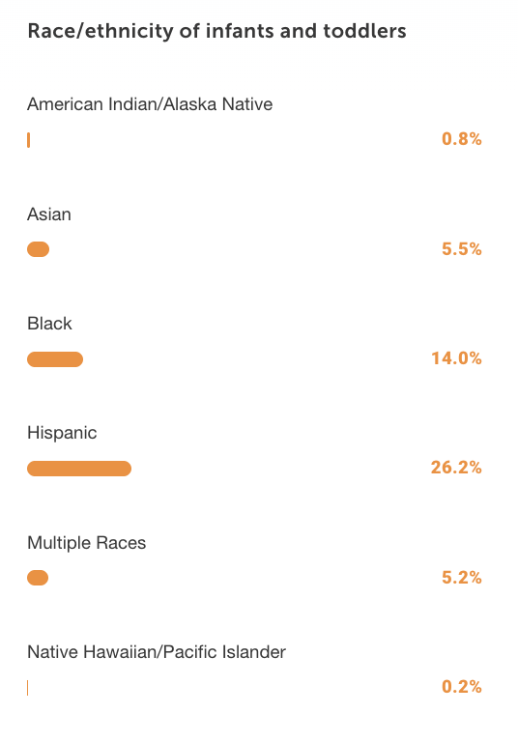

State | Race/ethnicity Total2 | American Indian or Alaska Native | Asian | Black or African American | Hispanic/Latino | Native Hawaiian or Pacific Islander | Two or More Races | White
US and Outlying Areas | 842,413 | 5,842 | 36,966 | 104,046 | 232,969 | 2,557 | 35,650 | 424,383
 |  | 0.0069348407491 | 0.043881089204 | 0.12350949 | 0.2765496259 | 0.0030353282772 | 0.042318910083 | 0.50377071579

Oregon CC vs census
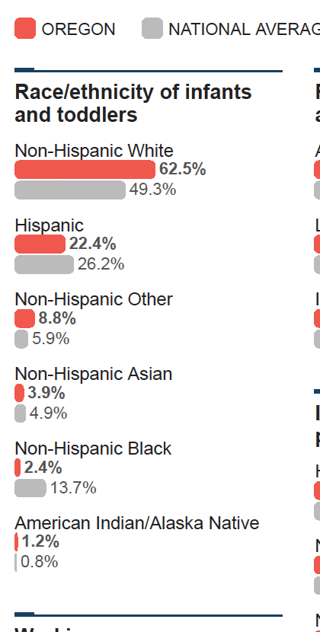
State | American Indian or Alaska Native | Asian | Black or African American | Hispanic/Latino | Native Hawaiian or Pacific Islander | Two or More Races | White
 |  |  |  |  |  |  |  | 2020 The State of Oregon's Babies (but it includes 0-3 years old, but census doesn't have the exact one (they round up to 0-5)
Oregon General Population |  |  |  |  |  |  |  | https://stateofbabies.org/state/oregon/
Oregon EI Population | 0.87 | 3.27 | 2.69 | 22.77 | 0.3 | 5.41 | 64.69

2020
 |  | Oregon General Population | Oregon EI Population
American Indian or Alaska Native |  |  | 0.87
Asian |  |  | 3.27
Black or African American |  |  | 2.69
Hispanic/Latino |  |  | 22.77
Native Hawaiian or Pacific Islander |  |  | 0.3
Two or More Races |  |  | 5.41
White |  |  | 64.69

