Assignment 1
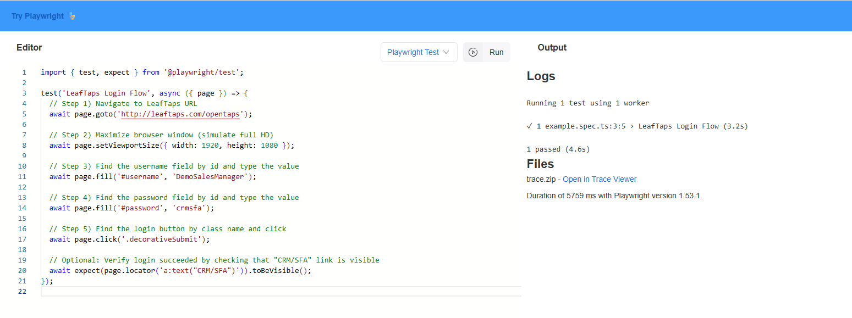
Assignment 1:

Input to Browser:

You are an AI assistant verification engineer to convert the following Selenium code to Playwright Typescript

package week2.day1;
import org.openqa.selenium.By;
import org.openqa.selenium.WebElement;
import org.openqa.selenium.chrome.ChromeDriver;
import org.openqa.selenium.support.ui.Select;
import io.github.bonigarcia.wdm.WebDriverManager;

public class CreateLead {

public static void main(String[] args) {
// Step 0) Setup the chromedriver using webdrivermanager software
WebDriverManager.chromedriver().setup();

// Step 1) Launch the chrome browser (Class Name -> ChromeDriver)
ChromeDriver driver = new ChromeDriver();

// Step 2) Load the URL (http://leaftaps.com/opentaps/control/main) -> get
driver.get("http://leaftaps.com/opentaps");

// Step 3) Maximize the chrome browser
driver.manage().window().maximize();

// Step 4) Find the username and type the value (DemoSalesManager)
driver.findElement(By.id("username")).sendKeys("DemoSalesManager");

// Step 5) Find the password and type the value (crmsfa)
driver.findElement(By.id("password")).sendKeys("crmsfa");

// Step 6) Find the login button and click
driver.findElement(By.className("decorativeSubmit")).click();

Use the locators as it is
[Mandatory] provide the comments wherever required

Example:

import { test, expect } from '@playwright/test';
test('has title', async ({ page }) => {
await page.goto('https://playwright.dev/');
// Expect a title "to contain" a substring.
await expect(page).toHaveTitle(/Playwright/);
});
test('get started link', async ({ page }) => {
await page.goto('https://playwright.dev/');
// Click the get started link.
await page.getByRole('link', { name: 'Get started' }).click();
// Expects page to have a heading with the name of Installation.
await expect(page.getByRole('heading', { name: 'Installation' })).toBeVisible();
});

Output Format: code should be in Typescript

Tone: Use Proper naming conventions and follow coding standards

Persona: Audience are verification engineers

Response from Browser:

import { test, expect } from '@playwright/test';

test('Create Lead - Login to Leaftaps', async ({ page }) => {
// Step 1: Launch the browser and navigate to the target URL
await page.goto('http://leaftaps.com/opentaps');

// Step 2: Maximize the browser window (Playwright opens in full size by default)

// Step 3: Locate the username field by ID and enter the value
await page.locator('#username').fill('DemoSalesManager');

// Step 4: Locate the password field by ID and enter the value
await page.locator('#password').fill('crmsfa');

// Step 5: Locate the login button by class name and click it
await page.locator('.decorativeSubmit').click();

// Optional: Add an assertion to verify successful login
await expect(page.locator('text=CRM/SFA')).toBeVisible(); // Adjust based on actual post-login element
});

