Q3
 |  | Correlations
 | WBC-ASX | MTS-AU
ANN-AU | 0.26667939174 | 0.17464832747
MTS-AU | 0.24586139008
WBC-ASX MTS AU
 | WBC-ASX and MTS AU
0.36% | -0.90%
-1.33% | 1.51%
-0.78% | -0.59%
1.57% | 0.30%
0.41% | 1.19%
-0.15% | 0.88%
-0.62% | -0.29%
-1.19% | 0.00%
-0.78% | -0.29%
0.11% | 0.29%
-0.05% | -0.29%
-0.58% | 1.17%
-0.05% | -1.16%
0.53% | -0.59%
-0.58% | 0.00%
0.53% | 0.00%
1.79% | 0.29%
-1.09% | 0.00%
0.47% | -0.59%
-0.52% | 0.59%
-0.10% | -0.29%
-0.94% | 0.29%
1.32% | 0.29%
0.78% | -0.59%
-0.05% | -1.18%
1.19% | 0.00%
3.12% | -1.79%
-1.14% | -1.52%
-1.06% | -1.23%
-1.12% | 3.12%
-0.72% | -7.88%
-0.72% | -1.32%
0.26% | 0.67%
1.30% | 0.00%
0.82% | -1.32%
-2.54% | -0.67%
-1.36% | 0.00%
0.37% | -0.34%
0.79% | 0.00%
0.58% | 0.34%
-0.78% | -1.01%
0.84% | 0.00%
1.46% | -1.02%
-0.46% | -0.34%
0.67% | 0.35%
-1.02% | -0.34%
-0.26% | -0.35%
-0.78% | 0.35%
0.68% | -0.35%
1.19% | 0.00%
...
ANN-AU WBC-ASX
-0.22% | 0.36%
-0.11% | -1.33%
-0.11% | -0.78%
0.11% | 1.57%
-0.45% | 0.41%
2.60% | -0.15%
-0.11% | -0.62%
1.21% | -1.19%
-0.11% | -0.78%
-0.76% | 0.11%
0.77% | -0.05%
0.22% | -0.58%
-0.11% | -0.05%
2.83% | 0.53%
-2.33% | -0.58%
-0.87% | 0.53%
0.55% | 1.79%
-0.54% | -1.09%
0.11% | 0.47%
0.33% | -0.52%
0.98% | -0.10%
0.97% | -0.94%
-1.39% | 1.32%
0.76% | 0.78%
-0.11% | -0.05%
3.76% | 1.19%
1.04% | 3.12%
-1.03% | -1.14%
1.55% | -1.06%
1.02% | -1.12%
0.30% | -0.72%
1.21% | -0.72%
-0.50% | 0.26%
-0.50% | 1.30%
-0.30% | 0.82%
-0.60% | -2.54%
1.01% | -1.36%
1.71% | 0.37%
-0.20% | 0.79%
2.87% | 0.58%
0.48% | -0.78%
-0.96% | 0.84%
0.39% | 1.46%
-0.87% | -0.46%
0.00% | 0.67%
-0.49% | -1.02%
0.00% | -0.26%
0.00% | -0.78%
0.00% | 0.68%
-0.10% | 1.19%
...

 | ANN-AU MTS AU
-0.22% | -0.90%
-0.11% | 1.51%
-0.11% | -0.59%
0.11% | 0.30%
-0.45% | 1.19%
2.60% | 0.88%
-0.11% | -0.29%
1.21% | 0.00%
-0.11% | -0.29%
-0.76% | 0.29%
0.77% | -0.29%
0.22% | 1.17%
-0.11% | -1.16%
2.83% | -0.59%
-2.33% | 0.00%
-0.87% | 0.00%
0.55% | 0.29%
-0.54% | 0.00%
0.11% | -0.59%
0.33% | 0.59%
0.98% | -0.29%
0.97% | 0.29%
-1.39% | 0.29%
0.76% | -0.59%
-0.11% | -1.18%
3.76% | 0.00%
1.04% | -1.79%
-1.03% | -1.52%
1.55% | -1.23%
1.02% | 3.12%
0.30% | -7.88%
1.21% | -1.32%
-0.50% | 0.67%
-0.50% | 0.00%
-0.30% | -1.32%
-0.60% | -0.67%
1.01% | 0.00%
1.71% | -0.34%
-0.20% | 0.00%
2.87% | 0.34%
0.48% | -1.01%
-0.96% | 0.00%
0.39% | -1.02%
-0.87% | -0.34%
0.00% | 0.35%
-0.49% | -0.34%
0.00% | -0.35%
0.00% | 0.35%
0.00% | -0.35%
-0.10% | 0.00%
...

Q4
 | ANN-AU | WBC-ASX

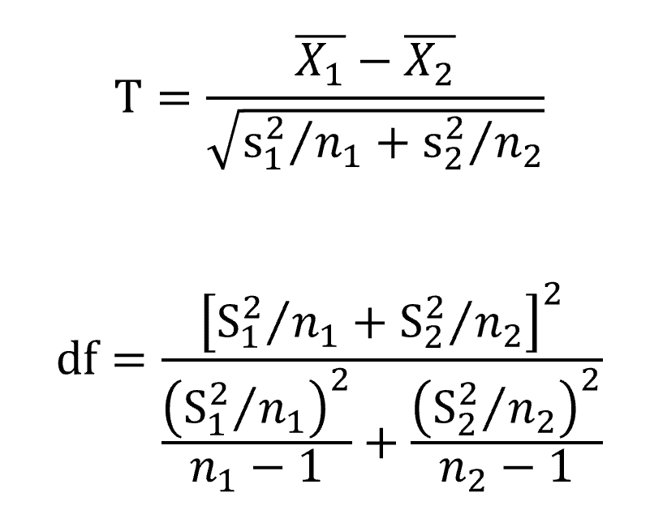
H0:- X (ANN-AU) - X(WBC-ASX) = 0
H1:- X (ANN-AU) - X(WBC-ASX) ≠ 0
We will perform a two - tail test
n | 4554 | 4554
X | 0.041% | 0.017%
s | 0.02 | 0.015961925521
α | 1% | 1%
Confidence interval | 99% | 99% | 1-a
 | 0.995 | 0.995 | 1-a/2
s1^2/n1 | 6.7855319188E-08
s2^2/n2 |  | 5.5947094061E-08

Signal | 0.024%
Noise | 0.00035185567105

t-stat | 0.67838203843
df numerator | 1.5327037526E-14
df denominator | 1.0112770354E-18 | 6.8747580362E-19
df | 15156.121409
Critical Value | 2.5761537381
p value | 0.49753985183

Q5
 | ANN-AU | MTS-AU

H0:- X (ANN-AU) - X(MTS-AU) = 0
H1:- X (ANN-AU) - X(MTS-AU) ≠ 0
We will perform a two - tail test as the
n | 4554 | 4554
X | 1.41% | 1.43%
s | 0.017578769115 | 0.01860547133
α | 0.01 | 0.01
Confidence interval | 0.99 | 0.99 | 1-α
 | 0.995 | 0.995 | 1-α/2
s1^2/n1 | 6.7855319188E-08
s2^2/n2 |  | 7.6013079361E-08

Signal | -0.00012658526587
Noise | 0.00037929987945

t-stat | -0.33373399974
df numerator | 2.0698116101E-14
df denominator | 1.0112770354E-18 | 1.2690507872E-18
df | 20467.305572
Critical Value | 2.5760695429
p value | 0.73858371001

