BUG_MyAddressTest
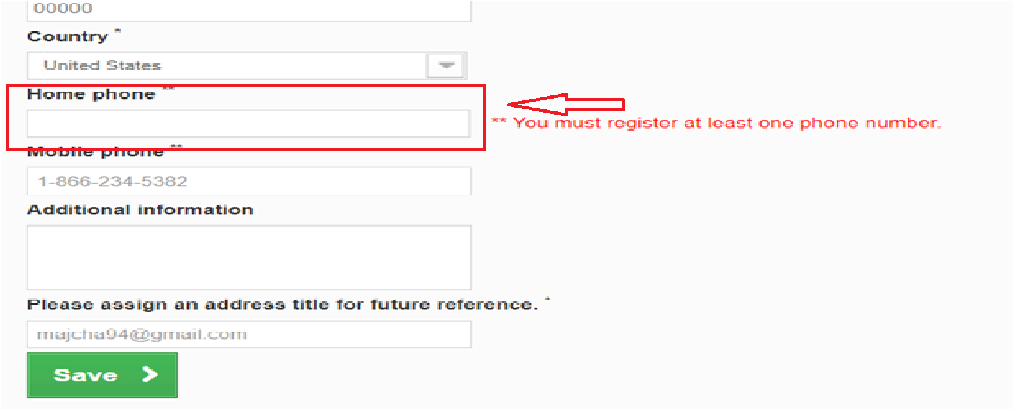
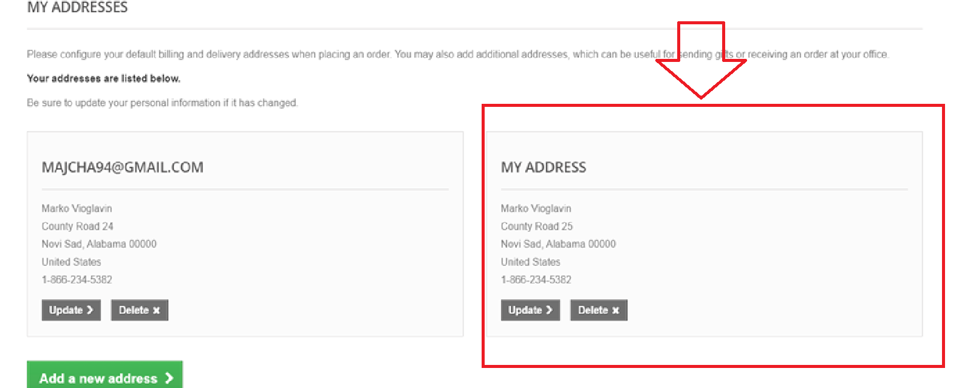
BUG ID: | BUG 3
DESCRIPTION: When user use uppdate form, Home phone field is required but if that field was empty it is posible to click on button "Save" and the operation "uppdate" successfully pass. It is the same for "Add new address" form

Test Case ID: TC3
Priority: High

 | STEPS TO REPRODUCE | INPUT DATA
 | 1. Go to Sign In page | /
 | 2. Enter email | majcha944@gmail.com
 | 3. Enter password | mancestersiti1
 | 4. Click on button "Sign in"
 | 5. Click on button "MY ADDRESS"
 | 6. Click on button "Update"
 | 7. Enter Address | County Road 24
 | 8. Click on button "Save"

EXPECTED RESULT: It is not posibble to do operation "Update" or clicking on button "Save" because the Home phone field is empty. Messagge error: "Please enter Home phone field"

ACTUAL RESULT: The uppdate operation was successfully done and the address was changed

Picture from BUG:

