Requirements
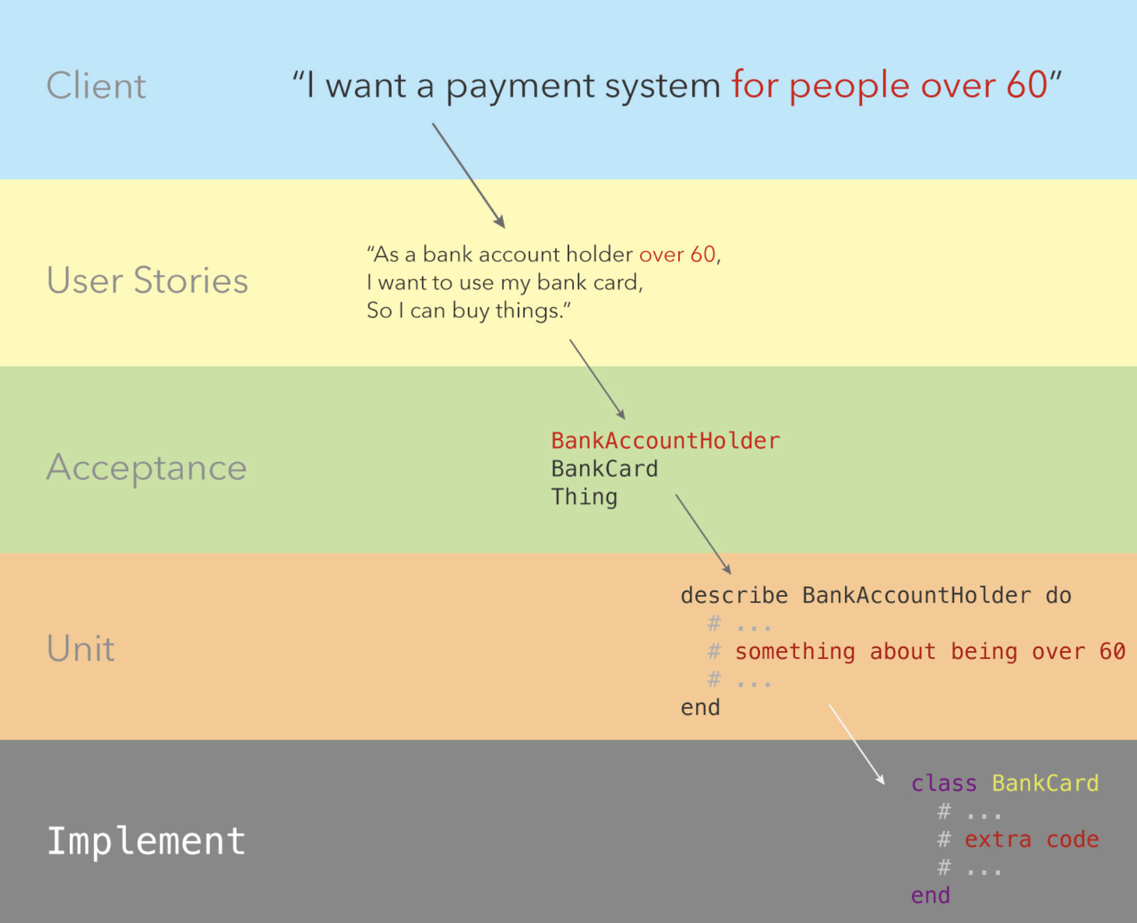
Stories | Acceptance |  |  |  |  | Unit
 | Action | From | To | Expect | Condition

As an air traffic controller |  |  |  |  | Plane | weather | Airport
So I can get passengers to a destination | Instruct | controller | Plane | land | in air | Not stormy | Not full
I want to instruct a plane to land at an airport

As an air traffic controller | Instruct | controller | Plane | take off | landed | Not stormy
So I can get passengers on the way to their destination | confirm | plane | controller | taken off | taken off | Not stormy
I want to instruct a plane to take off from an airport and confirm that it is no longer in the airport

As an air traffic controller | prevent landing | controller | plane | in air |  |  | full
To ensure safety
I want to prevent landing when the airport is full

As the system designer
So that the software can be used for many different airports
I would like a default airport capacity that can be overridden as appropriate | override capacity | system designer | airport | variable

As an air traffic controller
To ensure safety | prevent take off | controller | plane | land |  | stormy
I want to prevent takeoff when weather is stormy

As an air traffic controller | prevent landing | controller | plane | in air |  | stormy
To ensure safety
I want to prevent landing when weather is stormy

Domain Model
