Sheet1
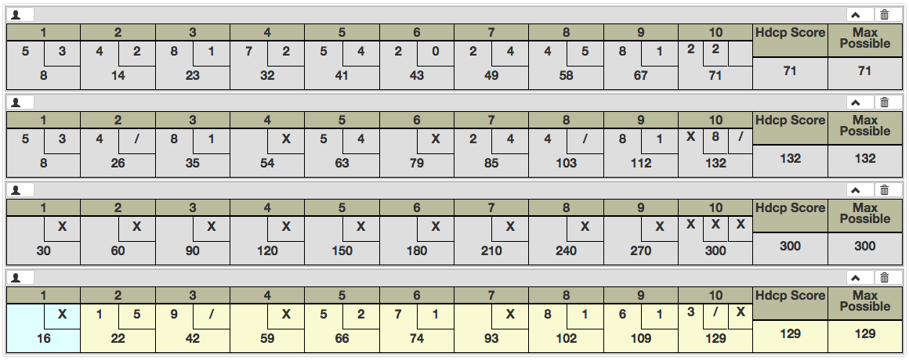
Ten Pin Bowling Rules: Fake Games to Understand / Test Logic
 |  |  |  |  |  |  |  |  |  |  |  |  |  |  | Spare |  |  | Strike
 | Basic game (no strikes or spares)
 | Frame 1 |  | Frame 2 |  | Frame 3 |  | Frame 4 |  | Frame 5 |  | Frame 6 |  | Frame 7 |  | Frame 8 |  | Frame 9 |  | Frame 10
 | Roll 1 | Roll 2 | Roll 1 | Roll 2 | Roll 1 | Roll 2 | Roll 1 | Roll 2 | Roll 1 | Roll 2 | Roll 1 | Roll 2 | Roll 1 | Roll 2 | Roll 1 | Roll 2 | Roll 1 | Roll 2 | Roll 1 | Roll 2 | Roll 3
Pins knocked down | 5 | 3 | 4 | 2 | 8 | 1 | 7 | 2 | 5 | 4 | 2 | 0 | 2 | 4 | 4 | 5 | 8 | 1 | 2 | 2 | 0
Frame score |  | 8 |  | 6 |  | 9 |  | 9 |  | 9 |  | 2 |  | 6 |  | 9 |  | 9 |  |  | 4
Official score |  | 8 |  | 14 |  | 23 |  | 32 |  | 41 |  | 43 |  | 49 |  | 58 |  | 67 |  |  | 71

 | Some strikes and spares (not sequential)
 | Frame 1 |  | Frame 2 |  | Frame 3 |  | Frame 4 |  | Frame 5 |  | Frame 6 |  | Frame 7 |  | Frame 8 |  | Frame 9 |  | Frame 10
 | Roll 1 | Roll 2 | Roll 1 | Roll 2 | Roll 1 | Roll 2 | Roll 1 | Roll 2 | Roll 1 | Roll 2 | Roll 1 | Roll 2 | Roll 1 | Roll 2 | Roll 1 | Roll 2 | Roll 1 | Roll 2 | Roll 1 | Roll 2 | Roll 3
Pins knocked down | 5 | 3 | 4 | 6 | 8 | 1 | 10 | 0 | 5 | 4 | 10 | 0 | 2 | 4 | 4 | 6 | 8 | 1 | 10 | 8 | 2
Frame score |  | 8 |  | 10 |  | 9 |  | 10 |  | 9 |  | 10 |  | 6 |  | 10 |  | 9 |  |  | 20
Known score at this point | 5 | 8 | 12 | 18 | 26 | 35 | 45 | 45 | 55 | 63 | 73 | 73 | 77 | 85 | 89 | 95 | 103 | 112 | 122 | 130 | 132
Official score |  | 8 |  | 26 |  | 35 |  | 54 |  | 63 |  | 79 |  | 85 |  | 103 |  | 112 |  |  | 132
 |  |  |  |  |  |  |  |  |  |  |  |  |  |  |  |  |  |  |  |  | Only two pins remain
 |  |  |  | Show after next roll |  |  |  | Show after next frame |  |  |  | Show after next frame |  |  |  | Show after next roll |  |  |  | Don't show score until after third roll
 |  |  |  | Add roll 1 from frame 3 |  |  |  | Add score from frame 5 |  |  |  | Add score from frame 7 |  |  |  | Add roll 1 from frame 9 |  |  | Get bonus roll

 | Perfect game (all strikes)
 | Frame 1 |  | Frame 2 |  | Frame 3 |  | Frame 4 |  | Frame 5 |  | Frame 6 |  | Frame 7 |  | Frame 8 |  | Frame 9 |  | Frame 10
 | Roll 1 | Roll 2 | Roll 1 | Roll 2 | Roll 1 | Roll 2 | Roll 1 | Roll 2 | Roll 1 | Roll 2 | Roll 1 | Roll 2 | Roll 1 | Roll 2 | Roll 1 | Roll 2 | Roll 1 | Roll 2 | Roll 1 | Roll 2 | Roll 3
Pins knocked down | 10 | 0 | 10 | 0 | 10 | 0 | 10 | 0 | 10 | 0 | 10 | 0 | 10 | 0 | 10 | 0 | 10 | 0 | 10 | 10 | 10
Frame score |  | 10 |  | 10 |  | 10 |  | 10 |  | 10 |  | 10 |  | 10 |  | 10 |  | 10 |  |  | 30
Known score at this point | 10 | 10 | 30 | 30 | 50 | 50 | 70 | 70 | 90 | 90 | 110 | 110 | 130 | 130 | 150 | 150 | 170 | 170 | 190 | 210 | 300
Official score |  | 30 |  | 60 |  | 90 |  | 120 |  | 150 |  | 180 |  | 210 |  | 240 |  | 270 |  |  | 300

 |  |  |  |  | After the 3rd strike, update the score for frame 1 |  | After the 4th strike, update the score for frame 2 |  |  |  |  |  |  |  | After the first strike of frame 10, update the score for frame 8 |  | After the second strike of frame 10, update the score for frame 9 |  | After the third strike of frame 10, update the final score

 | Some strikes and spares (some sequential)
 | Frame 1 |  | Frame 2 |  | Frame 3 |  | Frame 4 |  | Frame 5 |  | Frame 6 |  | Frame 7 |  | Frame 8 |  | Frame 9 |  | Frame 10
 | Roll 1 | Roll 2 | Roll 1 | Roll 2 | Roll 1 | Roll 2 | Roll 1 | Roll 2 | Roll 1 | Roll 2 | Roll 1 | Roll 2 | Roll 1 | Roll 2 | Roll 1 | Roll 2 | Roll 1 | Roll 2 | Roll 1 | Roll 2 | Roll 3
Pins knocked down | 10 |  | 1 | 5 | 9 | 1 | 10 |  | 5 | 2 | 7 | 1 | 10 |  | 8 | 1 | 6 | 1 | 3 | 7 | 10
Frame score |  | 10 |  | 6 |  | 10 |  | 10 |  | 7 |  | 8 |  | 10 |  | 9 |  | 7 |  |  | 20
Known score at this point |  | 10 | 12 | 22 | 31 | 32 | 52 | 52 | 62 | 66 | 73 | 74 | 84 | 84 | 100 | 102 | 108 | 109 | 112 | 119 | 129
Official score |  | 16 |  | 22 |  | 42 |  | 59 |  | 66 |  | 74 |  | 93 |  | 102 |  | 109 |  |  | 129

 | Show after frame 2 |  |  |  | Don't show yet (not sure when!) |  | Only show the 42 for frame 3 after the strike |  |  |  |  |  | Show after frame 8 |  |  |  |  |  |  | Only seven pins show

