Requirements
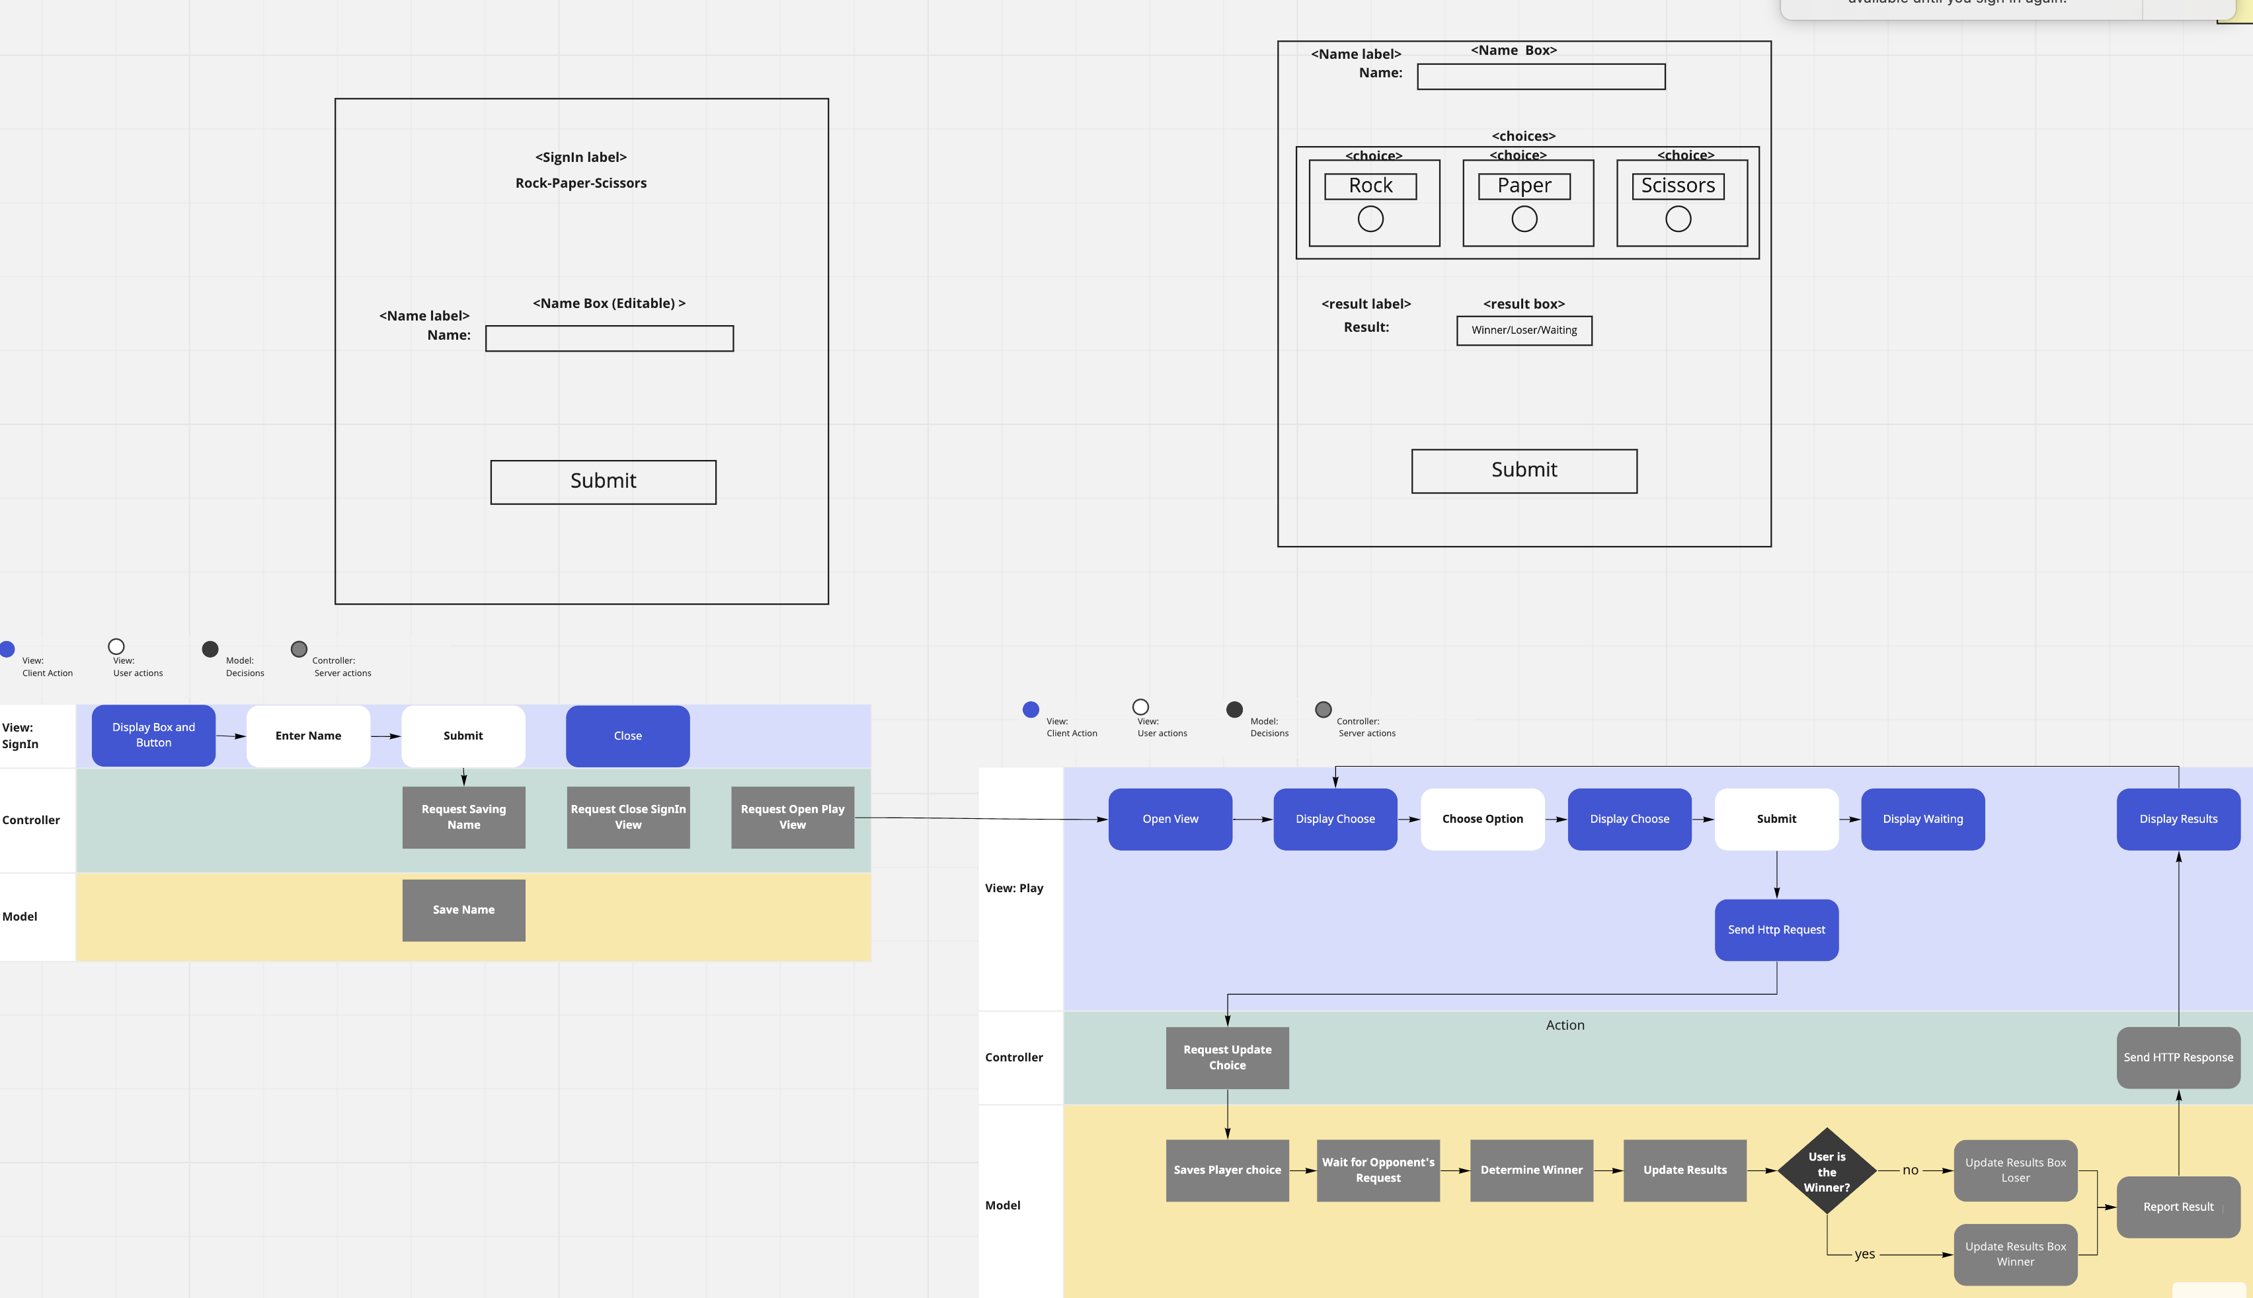
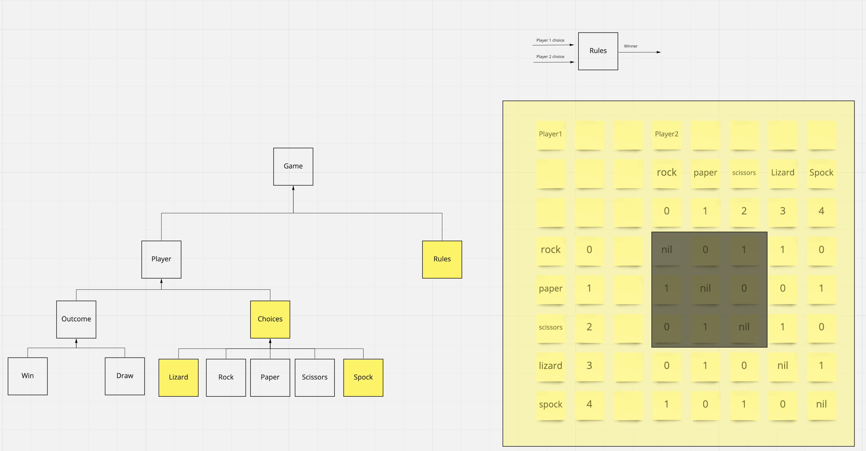
Story | Action | From | To | expect |  | Condition
As a marketeer | register |  |  | name | Jenaro
So that I can see my name in lights
I would like to register my name before playing an online game

As a marketeer
So that I can enjoy myself away from the daily grind | play |  |  | game | RPS
I would like to be able to play rock/paper/scissors

