领英档案
领英上客户对你的第一印象和初步了解，都是来自于你的资料呈现和你的信息介绍。所以一定要填写优化好你的领英个人档案资料，打造设计出专业的个人形象。 1.姓名：填写真实姓名(注册时填写中文姓名，注册完成后再修改补充英文名)。 姓名（First name/Last name）里我的建议是：英文名+核心产品行业关键词简称/公司名称简称，这会帮助你很清晰的告诉客户你叫什么名字，做什么产品/来自哪家公司。 备注：但如果你是新注册领英帐号，那么在领英帐号注册步骤中一定要填写真实的中文姓名，注册登录成功之后，再进行针对性的优化。并且新注册的领英账号一定不要急于去搜索添加好友，前一星期只做好几件事：A.完善自己的个人档案资料；B.发几条专业性(非广告)的图文动态(文笔好的可以发文章)；C.少量的在领英所推荐的人脉里选择有价值的添加；D.手里有客户邮箱的可以通过导入客户邮箱的方式去邀请客户在领英上成为好友关系。 一星期之后再开始根据关键词搜索目标客户添加，并建议前一个月每天加人的数量控制在50个以内，基本第一个月你可以将它看成是一个“养号期”，之后再根据自己邀请添加好友的通过率等实际情况去逐步增加数量。

2.头像：使用真人出镜且着装专业的职场商务照片，肩膀以上，面带微笑(400x400px)。 3.背景图：以展示公司特色产品+品牌Logo+简短描述，让客户一眼就能知道你的产品行业(1584x396px)。 4.职位头衔：这一项内容对领英搜索排名有直接影响，先思考你的客户需要的是什么？然后描述的组成部分可以是核心产品行业关键词+XX产品或服务的制造商/服务商/供应商/产品经理/专家。 尽量不要描述自己只是一名销售/一名业务员，可以用其它的词汇去替代。因为一名销售/一名业务员的角色会让客户第一感官上认为你是来推销的，绝大多数客户都不会喜欢，也会直接影响你后续添加好友的通过率。 职位头衔（Headline）里我的建议是：先思考你的客户需要的是什么？然后描述的组成部分可以是核心产品行业关键词+核心产品行业关键词+XX产品或服务的制造商/服务商/供应商/产品经理/专家，尽量不要描述自己是销售，可以用其它的词汇去替代，因为直接说自己是销售会让客户第一感官上认为你就是来推销的，绝大多数客户都不会喜欢。 备注：姓名（First name/Last name）和职位头衔（Headline）这两个地方是最需要打磨的，一定要让你的介绍描述契合你的客户需求，至少也是和客户利益需求相关的，因为你发送好友添加申请，客户收到的申请列表上直接展示的是这两项内容，所以这直接决定了客户会不会添加你为好友以及能不能让客户更容易搜索到你。 5.自我简介：会展示在领英搜索结果内，对排名影响较大。内容以你是谁+你能提供什么产品服务+你的优势是什么+你能给客户带来什么好处+权威认证为框架。也就是展示你所能解决的客户痛点+个人能力+公司实力。 同步搭配添加作品文件(Media)去顺势填充丰富这项内容，例如在作品文件(Media)里上传体现你公司文化/实力的照片/展现你个人魅力的照片/参展照片/生产照片/客户合影等等。这样会让整体看起来更有说服力，同时也不会那么枯燥。

你是谁+你能提供什么产品服务+你的优势是什么+你能给客户带来什么好处+权威认证+网站联系方式，并且搭配着作品文件（Media）去顺势完成这项内容，比如你可以在作品文件（Media）里上传体现你公司文化/实力的照片/展现你个人魅力的照片/参展照片/生产照片/客户合影等等，这样会让整体看起来更有说服力，同时也不会那么枯燥。 6.工作经历：填写与受众相关的工作经历，以突出自己行业经历丰富和有能力解决客户需求为目的，树立专业形象和提高可信度。视情况可优化杜撰工作中获得的收获和取得的成果。尽可能的去完善优化，你的信息完善的越详细，你在客户心里的可信度也就越高，并且同样配置照片和链接去完成。 备注：每项内容的填充除了要保证内容质量，还需要注重整体的排版优化，你的资料做的越“漂亮”，客户也就越愿意接触你，也有利于加速客户对你的信任度，这样你才能给自己带来销售机会。 7.教育经历：完善相关信息，目的是塑造为一个“完整”“可信”的人物形象 。
8.推荐信：这个板块实际非常有意义，因为推荐信可以公开在你的档案中显示，相当于其它人对你的认可和背书。推荐信可以来自于你的同学、朋友、同事或者客户等，你可以用相互推荐的方式来交换获取。 9.技能专长和认可：使用领英系统推荐的+核心产品行业关键词进行组合，并且想办法多获得一些Endorsements，同样是为了增加了客户信任度和利于排名。技能专长（Skills）里使用系统推荐的+核心产品行业关键词。 10.个人成就：比如你完成的一次项目/你参加的一次展会/你的一次成长经历/你参加的公司活动/你获得的奖项(生活+职场+技能)等等。目的同样是为了完善和提高你的形象和可信度。 11.自定义Profile URL：用核心产品行业关键词替换掉默认的字符串，设置好后不要更换。用核心产品行业关键词自定义一个Profile URL 。 领英个人档案的设计可以参考下方思维导图完成：

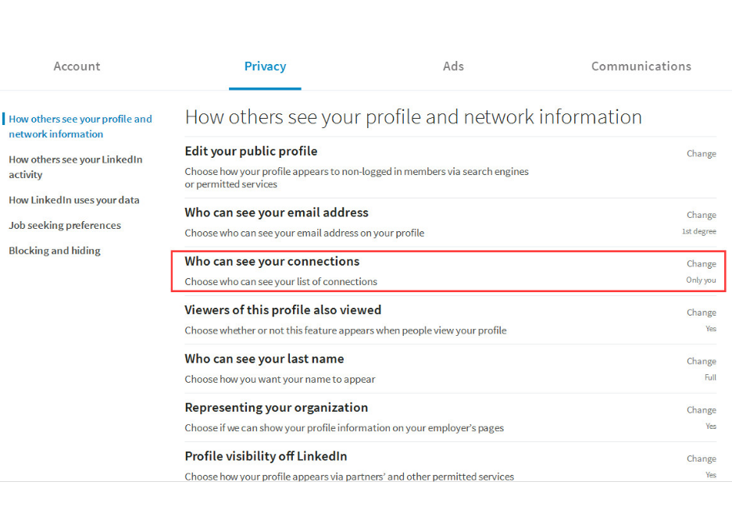
领英帐号的自我保护设置 大部分中国的领英用户群体都是做外贸的，那么就难免会担心自己的同行竞争对手会盯着自己的领英帐号做文章，挖墙脚。首先我们就要学会进行自我保护设置，分别在Settings & Privacy和Edit public profile & URL里进行自定义的隐私设置： 其次还需要在源头上去规避，严格把控自己领英好友的质量，不要随便去添加一些乱起八糟的领英好友，也不要随便接受别人添加你的邀请。当然最主要的还是我们要努力去提升自己，让自己比同行更专业，让自己比同行更优秀才是根本。当然，你也可以很邪恶的反方向去操作，试试挖挖你同行竞争对手领英帐号里的线索客户。 另外如果你是登录使用的领英职场版本，则必须记得在设置和隐私内，开启你的档案显示功能。因为如果你不开启，你的档案在领英将会无法被搜索和查看。

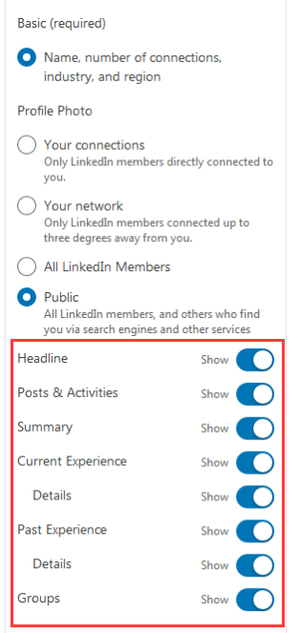

很多人注册领英(LinkedIn)经过一段时间的积累，有了一定数量的优质好友，就开始迫不及待的狂轰滥炸式的开发，随后不久便被封停账号，几个月养号的辛苦一瞬间付诸东流。 批量营销确实是在领英(LinkedIn)开发客户非常高效的一种手段，但要讲究节奏和技巧！ 1.完善档案 首先你在之前完善的领英(LinkedIn)档案资料、发布的动态或者文章等内容，要能支撑起让客户觉得你是有说服力的人，是行业专家，愿意听你在说什么，愿意深入了解你所说的。 2.掌握分寸 无论是添加好友还是给好友群发，所发送的内容要懂得拿捏分寸，拒绝低端的硬性广告，根据个人的产品行业和客户的需求痛点调整撰写。 3.不急于一时 心急吃不了热豆腐，在领英(LinkedIn)拓展人脉添加好友时，不要过于追求某一天的数量，而是要每天都坚持添加积累。 4.注意群发频率 在做这项工作的前中后，一定要利用领英助理对客户进行好归类分组管理，对有回复的和没有回复的，明确拒绝的和表达有兴趣的等等做好备注标识。这些工作都是为了你后续的营销开发是有效的，是精准的，是高质量的，而不是无意义的，骚扰式的，让客户反感的。 5.做好自我营销 在领英(LinkedIn)上更新发布产品或者行业知识文章、动态、视频，可以帮助我们构建一个高质量的领英(LinkedIn)内容营销，从而吸引客户的注意，塑造自己的专业性，促进客户的信任，从而得到客户流量和询盘，帮助转化成交订单。 所以在领英(LinkedIn)上无论是文章、动态还是视频，内容方面你都要做足功夫，进行专业性的内容规划和输出，我们可以围绕三个角度来展开：

在领英(LinkedIn)，只要塑造好专业的个人形象，坚持优质的内容创作，持续主动的积累客户，适当有序的营销开发，领英(LinkedIn)就会成为一个非常优质的拓展市场，开发客户的渠道。 而且能够依托领英(LinkedIn)建立个人KOL形象，主动开发和被动流量会让你获得持续性的价值

linkedin开发客户
 | 方法 | 思维 | 目的
1 | 利用关键词在领英(LinkedIn)搜索人脉 搜索框输入： ①职位头衔ceo/purchasing at 公司 ②行业LED+类型 MANUFACTURER +in 国家/地区/城市 ③公司名字/人名 | 在人脉内输入关键词组，选择重点国家区域，搭配人脉级别、职业头衔进行定向精准搜索，找出目标国家内自己产品的潜在客户，获得精准丰富的客户资源。 | 最常见的开发方法可以优化Linkedin给我们推送匹配人脉的机制
2 | 从领英(LinkedIn)的群组里寻找潜在客户 搜索框输入“行业”关键词搜索相关群组： ①行业（led)+类目（purchasing)+group ②行业 | 领英(LinkedIn)群组是一个值得我们花一些小心思去添加和打理的方向，通过关键词搜索筛选有价值的群组申请添加，群组有助于我们拓展丰富自身领英(LinkedIn)账号的人脉圈，同时群组内的成员也都是值得我们进行开发的对象。 | 常用的开发技巧，可以链接更多相关的人群，快速的去了解这个群体的市场，为自己所用。在群组里添加相关的好友
3 | 领英(LinkedIn)动态里寻找潜在客户 搜索框输入：产品关键词/行业词汇等 | 通过关键词搜索在领英(LinkedIn)所发布的相关动态，然后筛选出匹配的潜在客户，通过几个不同的维度去进行主动开发：A.通过给客户所发布的动态点赞。B.通过给客户所发布的动态评论。C.通过进一步的主动发送添加好友邀请信 | 搜索精准类型能够优化领英给我们推送匹配人脉的机制
4 | 在领英(LinkedIn)推荐人脉里发现价值 | 领英(LinkedIn)会根据你的个人档案资料，以及你已有的领英(LinkedIn)好友等，综合信息进行推荐你可能认识的人，而这些推荐内也可能包含了你的潜在客户。 | 不断添加同类型的人群，系统机制就会推荐更多匹配的人脉给你
5 | 在领英(LinkedIn)公司主页下寻找线索 | 通过关键词匹配相应的领英(LinkedIn)公司主页，然后点击公司页面查看资料介绍，从而判断是不是潜在客户，值不值得深入开发。 是潜在客户的话，可以点击主页的该司的员工列表，筛选自己想要的人脉，如采购，总裁等关键人，其他员工也可以加，加到的时候可以让他们转介绍采购，多一个人就多一个机会找到采购。 | 可以找到无限相关推荐的公司主页和找到该司的采购关键人 | 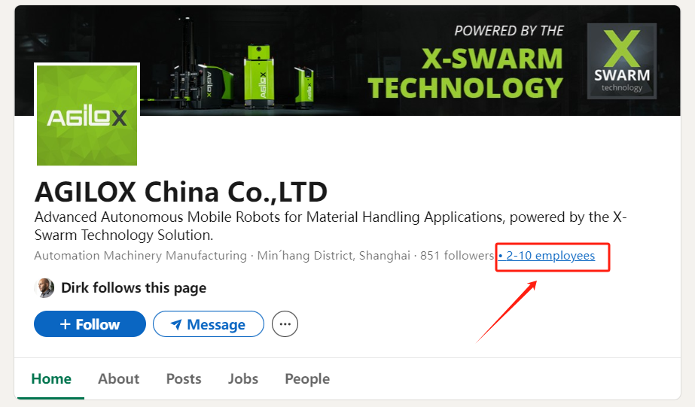
6 | 在开放了好友列表好友主页中添加相关的人脉 | 采购的人脉很多都是采购和销售，采购可以成为我们的客户，如果是竞争者销售的话，我们就能掌握客户有跟哪一些公司链接，还可以拿另外一个小号去看这个竞争者的页面怎么样，吸取好的经验，以及分析同行的优劣，从而更好的去把握客户节奏 | 扩展更多有相关性的采购人脉，关系好的话，还可以找这个采购介绍 掌握客户供应链 | 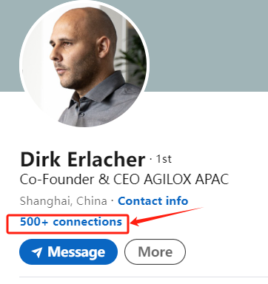
7 | 在添加人脉的时候，右边框会显示PEOPLE ALSO VIEW | 可以在这里添加一些系统推荐的有用的人脉。都看过这个主页的人，一般是同事，同行，推销者。这些人脉都可以为我们所用，但是我们为了集中精力开发我们当下的人脉，所以尽量快速的浏览筛选自己想要的人脉 | 了解是什么人在看这个人脉主页 | 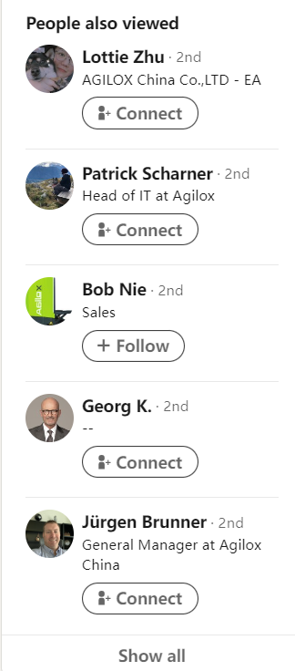
8 | People you may know From 该人脉's company | 在这里可以快速的筛选一些该司想要的人脉，点击添加好友，或者右击打开链接去添加好友，具体看看主页是否完善，可以当下链接，用插件拿到邮箱 | 了解该司推荐的人脉
9 | 从该人脉的Experience中扩展更多潜在客户公司 | 该人脉的过往工作公司，很大几率是同一个行业，也就是说我们的潜在客户，所以可以在我们目标客户公司的人脉地下不短的去扩展更多该领域的similar公司客户 | 扩展公司目标客户 | 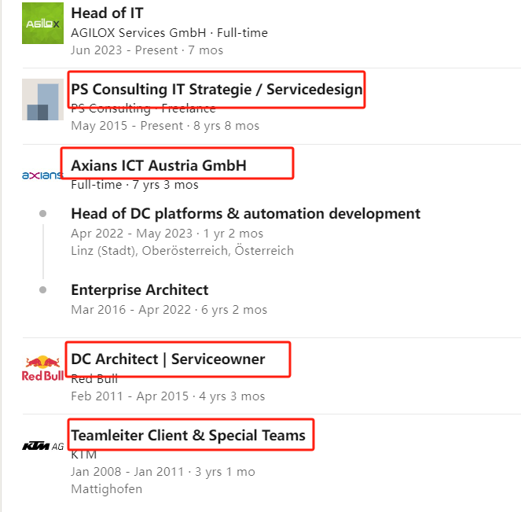
10 | 从该人脉的Skills中扩展更多潜在客户 | 有一些他的好友会在这里认可他的skills,会留下印记，可以通过这个去了解更多他的比较数落的人脉，如采购等 | 扩展目标客户 了解客户人脉 成为话题切入点 | 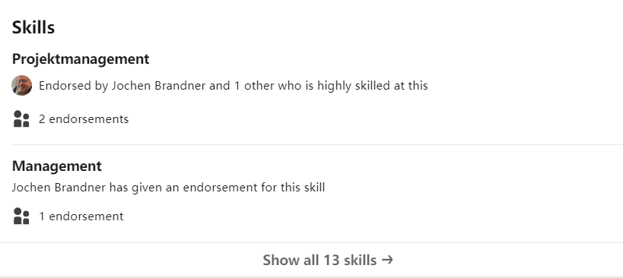
11 | 从该人脉的interes中的companies,groups,newsletters中扩展人脉 |  | 扩展目标客户 了解客户兴趣，成为话题切入点 | 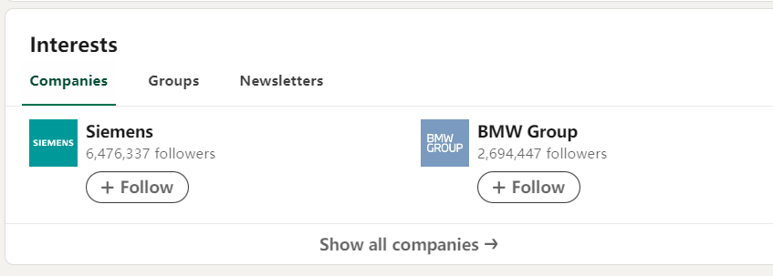
12 | You might like Pages for you | 可以在这里看到你可能想要链接的相关行业，扩展你的相关公司类目的公司推荐 | 扩展公司目标客户
13 | People similar to 该人脉 | 同样可以链接同样类型的人脉 | 扩展人脉
14 | My network | 不要错过这里系统推荐的可能对你有用的人脉，每天可以去筛选一下。有： RReach out to the right people to grow your business RBased on your recent activity RPeople who are in China also subscribe to these newsletters RGroups you may be interested in RPeople in the 你一直在搜的行业 industry you may know RPeople who follow 你关注的公司的名字 also follow RPeople you may know with similar roles RPeople you may know based on your recent activity ROnline events for you More suggestions for you | 扩展人脉 | 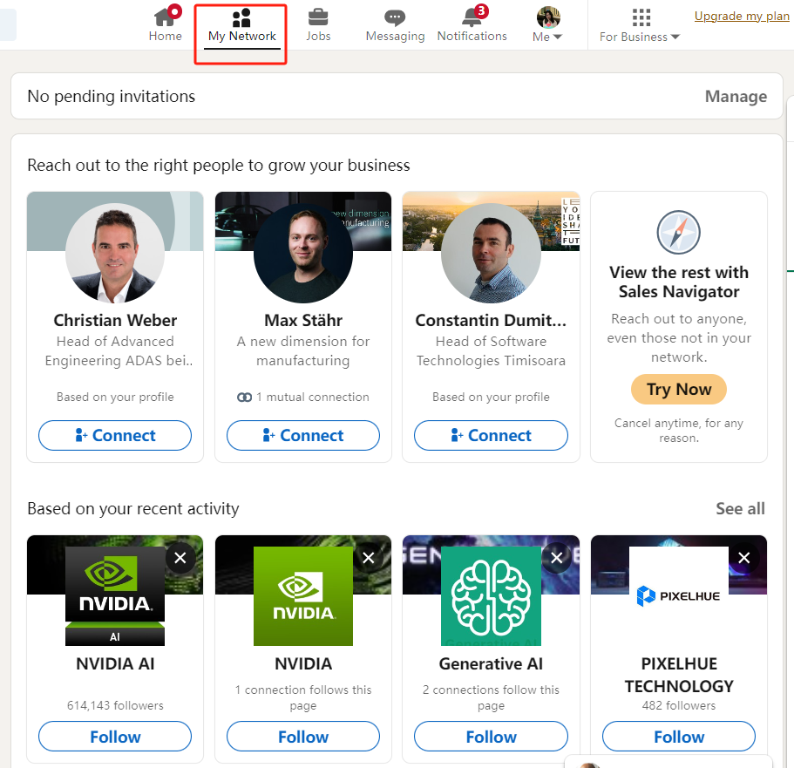

Facebook
定制化/针对性添加好友话术
一，定制话术要走的5个步骤 | 第一步：肯定要看对方的个人简介的
 | 序号 | 执行方向 | 要素提炼
 | 1 | 工作经历 | 了解一下有没有分享他的职业角色和所在公司信息
 | 2 | 兴趣爱好 | 注意看看是否有兴趣爱好，特别是与我们产品相关的
 | 3 | 参加的活动 | 观察他参与的活动、群组或讨论，寻找共同点。
 | 第二步：提炼重要的信息
 | 序号 | 执行方向 | 要素提炼
 | 1 | 提及共同点 | 如果我们有共同的兴趣或职业背景，在话术中提及。
 | 2 | 引用具体内容 | 如果看到他发布了与我们产品相关的内容，记下来，可以引用这些内容来破冰。
 | 第三步：这一步开始思考有针对性的话术
 | 序号 | 执行方向 | 要素提炼
 | 1 | 职业背景 | 如果发现对方在行业内是专家或丰富经验，可借用对他们工作的赞赏或请教的愿望。
 | 2 | 兴趣相关 | 如果他们的兴趣与您的产品或服务有交集，可以提出分享经验和见解的邀请。
 | 第四步：记得展示咱们的专业和礼貌
 | 序号 | 执行方向 | 要素提炼
 | 1 | 使用适当的语言 | 确保您的语言既专业又友好，如果是小小语种，可以翻译对话国家的语言发送。
 | 2 | 避免过度推销 | 在第一次发送，避免直接的推销，先建立联系为未来的合作或对话奠定基础。
二，实操案例+话术演示 | 第一步：在Facebook找到你想搭讪的客户
 | 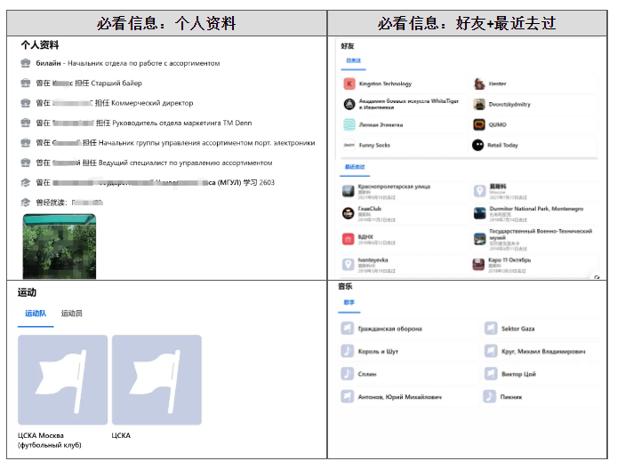
 | 第二步：按照上方步骤观察和收集信息
 | 根据提供的图片内容，我们可以提炼出以下信息： 1.客户关注了Kingston Technology（金士顿科技）等品牌（这是全球最大的独立内容品牌） 意味着：客户对科技和电子产品感兴趣。 2.客户打卡很多音乐和参加俱乐部活动以及体育活动 意味着：客户对音乐和夜生活有兴趣，特别是足球，因为提到了运动队和运动员。 3.去过莫斯科、Montenegro的Durmitor国家公园等地。 意味着：客户有旅行的经历，不是特别宅的那种性格。 4. 曾经在XX工作过，这家公司跟音响设备有关系 意味着：客户的职业背景可能与市场营销、活动策划或音响技术有关
 | 第三步：设计话术和发送
 | ①，【适合发给经常发布分享自己工作心得的客户：严谨，缜密】 Hello xx, how are you, I have noticed your keen interest in both technology and the vibrant nightlife, particularly with Kingston Technology and (naBClub）. As someone working in the field of audio technology, I have been actively involved in creating immersive sound experiences for various events. Considering your international travels and passion for sports, it seems we share common ground that could potentially lead to exciting collaborations. I look forward to connecting with you! ②，【适合发给看起来一直发布出差的忙碌的客户：简洁高效不废话】 Hi xx, noticed your interest in tech and music. I'm in audio tech and have worked on club sound systems. Let's connect and explore how we can enhance live events together. Cheers! ③，【适合发给平时很热爱生活，享受型的客户】 Wow, I really love and admire your profile, posts and timeline, I think your posts and profile are more sensible than some of the posts I've seen before. They really are so beautiful together. I tried to send you a friend request but without success,if you don't mind please send me a friend request so we can become friends and get to know each other better, thanks.
三，需要注意的2个事项 | 隐私很重要： 不要在我们发给对方的信息中提及过于私人的问题 比如客户的FB中也有发他和他家人旅行的照片 但我们不要用这个来破冰，除非你们见过或者很熟了，这个可适用于老客户，没接触过的客户记得保持边界感。 适时跟进： 如果对方接受了您的请求，适时发送一条简短的感谢信息，并根据共同的兴趣或职业背景展开对话。 发完之后看对方反应，如果对方愿意聊就聊几句，不愿意聊可以问客户要邮箱说后续如果有独家的新产品可以发给他，记得平时多给客户点点赞。 当然，在执行中可能会遇到的难点： ①你的效率很低，所以确定这个客户是目标客户（适合挖客户） ②因为经验不够，分析能力不太强，对新手不是很友好，新手建议先学习基础话术再训练，但可以先试试，不实战是永远成长不了的，

Cold Call(简）
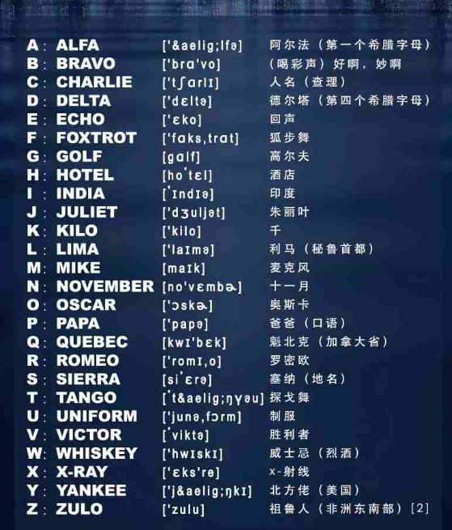
 | 打电话方话术 | 接电话方回答 |  |  |  | 国际无线电通话拼写字母
1 | 通话的开场问候：问候、表明身份
 | Hello, this is xx from xx(company). I’m in the line of XX business. 我是xx公司的xx，我们是从事xxx 来电一方提出来电需求 要求找特定人士：Could I speak to someone who (specific function, ex:manages customer service, or is incharge of product development)? 我想找（某个特定部门，例如：客服部门，或是产品控管部门） 表明特定要求：I would like to make a reservation, please. / I would like to make an appointment with (name, ex: Dr.Melson). 您好，我想要预约。• 请对方帮忙转接：Could you put me through to extension number (numbers) , please? 你能替我转接电话到这里吗？ • | 1.表明清楚自己的身分 （同时注意说话的语调） 2.注意音量、发音，让对方听请楚自己在说什么 3.用对方熟悉的语言（依照说话对象不同，用的字词也会不同） 4.仔细聆听对方的说话内容 （记得给对方一些回应，并注意不要插嘴） 5.利用例子帮助对方了解谈话内容 6.随身带着纸、笔 | 接电话一方 表明身分： • Hello, this is (name) speaking. / (Name) speaking, how may I help you? 您好，这里是 _____。/ ____，需要什么帮忙吗？ 假如打电话到一间公司或是公司客服部门的时候，电话人员通常会在来电者讲话之前先自我介绍，一般都会这么说： Hello, (company or institution) , how may I help you? 您好，（公司名或机构），我可以帮您什么忙吗？ |  | 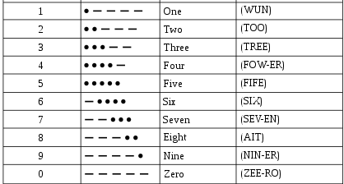
2 | 正题
 | Have you received the email I sent on XX which subject is xx. 您收到过一封标题为xxx的邮件吗？ | 问清通话人身份 | 假如来电一方没有报名字，可以用以下句子询问： •May I ask who’s calling, please? / Can I ask who I’m speaking to, please? / Excuse me, where is this call coming from? 请问这通电话是来自____？

3 | 联想客户的回复：
 | If the answer is No, then you can say: Okay, thanks for your feedback. I’ll resend the email, please kindly check after 5 minutes. If the answer is Yes, then you can say: With regard the email, I attached some best selling (products) in your market. Do you have any interest in it? Do you have plan for developing new product this season ? 这个季度有开发新产品的计划吗？ Do you have suppliers for xx in China ? 您在中国有xx产品的供应商吗？ Do you need sample to test ? 你需要样品进行测验吗？ | 转接电话 | 请对方稍待： Could you hold on a moment, please? / Just a moment, please. 请稍待一下。• 帮对方转接电话： I’ll just put you through, please wait. / I’ll transfer you now, please wait for a moment. 我将为您转接，请稍等。 • 无法满足来电者需求时的回答 有时候我们可能无法立即处理来电者的需求，可能是他要找的人刚好不在，或是电话满线无法转接，这种情况太多见了，而以下就帮你列举几种最常见的情况： •I’m afraid (name)’s busy at the moment, can I take a message? / I’m sorry, (name)’s on business today. ____恐怕现在不方便接电话，我能留个讯息吗？ I’m sorry, but you may have dialled the wrong number. 不好意思，您打错电话了。 I’m afraid the line is busy at the moment, would like to call back later? 目前这支电话忙线中，您可以等会儿再回播吗？ | Transfer call failed to connect
4 | 结尾：

 | I will email you later, thank you. So glad to talk with you , have a nice day. Goodbye ! | 通话中遇到沟通问题 | 有时候因为环境吵杂或是通讯质量不佳，通话中可能会有听不清楚的情形，你可以用以下应对方式来处理： •I’m afraid I can’t hear you very well. / Would you mind speaking up a bit, please? / Could you repeat that, please? 我听不大清楚 / 不好意思可以请你讲大声一点吗？/ 你能重复一次刚刚说的话吗？ •I’m afraid the line is quite bad, would you mind repeating your sentence? 收讯似乎不太好，你能再重复一次句子吗？

 |  | 来电者留资料或讯息 | 接电话者询问来电者是否留讯息： Would you like to leave a message? / Can I take your name and number, please? 你想要留个言吗？/ 请问我可以记下你的名字和电话号码吗？ • 留讯息时遇到需要问清楚的信息，可以直接表达： Could you spell that for me please? / Would you like (name) to call you back? 不好意思请问可以请你拼出那个字吗？/ 你希望___等等回播吗？ • 有时候来电者会主动要求留讯息： Can I leave a message please? / Could you please ask (name) to call me back? 我可以留个讯息吗？/ 可以请___晚点回播吗？
 |  | 电话中说再见 | 讲完电话后，别忘了要先说再见再挂电话，在电话里的再见有以下三种讲法： Thank you for calling. / Have a good day. / Goodbye. 感谢您的来电。/ 祝您有愉快的一天。/ 再见。 •补充 在口语中，请人「稍待一会」也可以说 hang on，意思等同于 hold on。虽然 hang on 与 hang up 长得有点像，但是他们可是天差地远哦，前者是「稍待」，而后者是「挂电话」的意思，可别搞错了哦！

背调资料
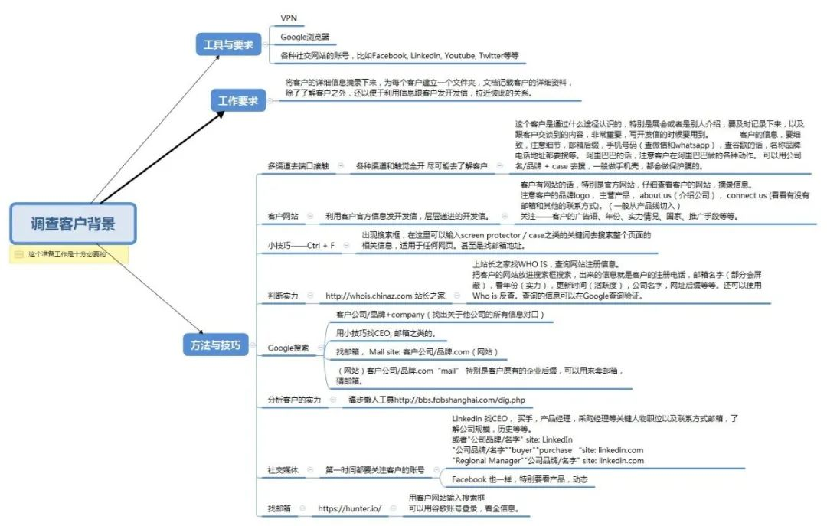
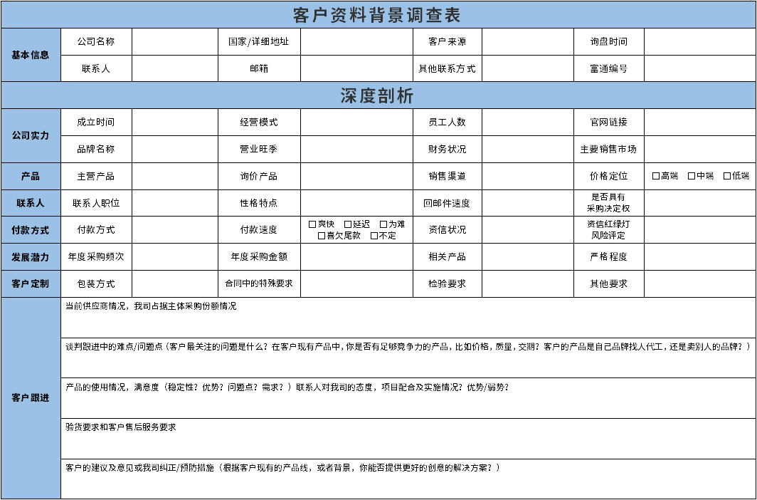
Whois域名/网站年龄调查工具 | http://www.whois.com/ http://www.whois.net/ http://who.is/ http://whois.domaintools.com/ “whois”可以分析客户域名的历史变迁情况，同时也能查询域名注册人的电话、地址、邮箱、域名、年限等，从而判断对方公司成立时间等。
Web.Archive.org网络时光机 | https://archive.org/web/ “archive.org”这个工具和维基百科一样是非盈利性组织，又叫互联网档案馆，提供数字数据的免费存储。利用它可分析域名的首页快照历史变迁情况，判断对方公司网站最早上线时间，更新频率。从而判断客户何时从事某个行业，是否一直从事某个行业，中途是否换了行业等。
Similarweb国外域名ip查询 | https://www.similarweb.com/zh/ “similarweb”是一家提供网站排名和竞争性数据分析的免费网络平台，用户只需要输入相关信息，就可以评估网站的人气，分析域名的整体流量情况，从而判断对方的主要市场，流量来源，用了哪些关键词等等。
Amfibi查公司基本信息 | http://www.amfibi.com/ 了解买家成立时间、规模。
邮箱反查工具 | http://bbs.fobshanghai.com/checkemail.html 福步的懒人工具，输入邮箱，点击相应搜索引擎，可以尽可能地获取到客户在B2B平台，社交平台等等曾经发布的询盘信息和相关公司资料。
多个收集和分析客户信息的工具
国家(地区)客户身份查询工具
 |  | 第一封开发信的切入点是要建立在获知客户的痛点并准确传达产品价值上。基于客户痛点解决现存的问题，更要帮助客户发现潜在的问题，创造客户的需求。
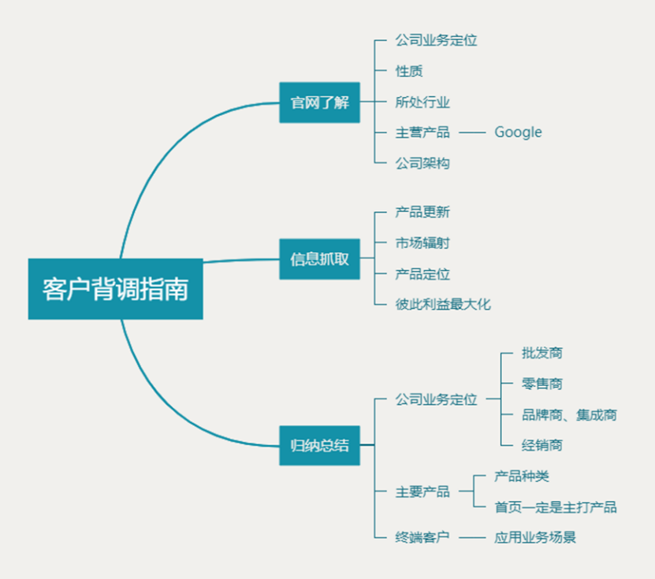
中国香港地区 | 🔹 公司註冊處綜合資訊系統 (ICRIS) 网址：https://www.icris.cr.gov.hk/csci/ 注：网上查询23港币；加盖公章版本160港币。
中国台湾地区 | 🔹 经济部商业司 网站：http://gcis.nat.gov.tw 缺点：中国大陆无法登录，有时会出现登录障碍。
美国 | 1.DUN 邓白氏公司 网址：https://www.dnb.com 美国老牌的商情数据库，可以查看企业的财务得分和付款历史记录。 2.美国证券交易委员会（SEC） 网址：https://www.sec.gov/edgar/searchedgar/companysearch.html 使用EDGAR搜索工具研究公司的运营和财务信息。 3.New York Secretary of State Corporation & Business Entity Search 网址： https://www.secstates.com/NY_New_York_Secretary_of_State_Corporation_Search 需要注意的是，在美国进行查询需要按照州来区分查询，并非像国内有统一的入口查询，在第④点找到想要查询公司所在的州，再进行查询。
日本 | 日本统计局与统计中心 网址：http://www.stat.go.jp/index.html 可以查询到日本全国企业的相关事项，包括企业经营情况、1年的营业收支等经营实际情况。
新加坡 | ACRA Website 网址：https://www.acra.gov.sg/home ACRA是新加坡会计与企业管理局是新加坡企业实体和公共会计的国家监管机构，所有新企业的注册都需要通过ACRA进行。
BVI（英属维尔京群岛） | BVI Financial services Commission 网址：https://www.bvifsc.vg 网站首页>>Regulated Entities>>Keyword Search
澳大利亚 | 澳大利亚工商局官网 Australia Bussiness Register 网址：http://abr.business.gov.au 进入官网首页>>ABN Lookup>>在搜索框内输入你想要查询的公司
新西兰 | 新西兰公司注册处 网址：https://companies-register.companiesoffice.govt.nz/ 可以在线查询新西兰的所有公司注册信息（如注册时间、注册地址）等
印度 | 印度公司事务部 Ministry of corporate Affairs 网址：http://www.mca.gov.in 网站首页>>DATA & REPORTS>>Company Statistics，可以查询印度和国外的企业信息
德国 | Firmenwissen 网址： http://www.firmenwissen.de/index.html 可以查询到企业的基本信息，通过信用报告来降低风险和评估业务伙伴的偿付能力。
英国 | GOV.UK 网址：https://www.gov.uk 网站首页>>Business and self-employed，即可查询企业相关信息
专业信用评级机构 | 标准普尔 网址： https://www.standardandpoors.com/en_US/web/guest/home 标准普尔（Standard & Poor's，简称S&P）是全球著名金融分析机构，权威信用评级组织。可以查银行（比如国外客户开证时，可以查下开证行的信用情况）、企业、保险金融机构等。中国有些政府企业才有比较好的评级，如果是普通实体企业，能到B就很不错了。
专利、版权 | 美国专利商标查询 网址：http://www.uspto.gov 通过美国专利商标局网站进入专利检索页面（专利商标局官网>>Patents>>Search for Patents） 美国专利包括发明、外观设计和植物新品种三种类型。向美国申请专利有三种途径：1.直接向美国申请专利（需要在中国专利局预先做保密审查，保密审查通过后，即可直接向美国申请专利）；2.通过巴黎公约向美国申请专利（优先权只有12个月）；3.通过PCT专利合作条约向美国申请专利（优先权可以达到30个月
税务、商标 | 1.美国IRS关于税务相关信息 网址：http://www.irs.gov 2.欧盟商标查询 网址： https://euipo.europa.eu/ohimportal/en/
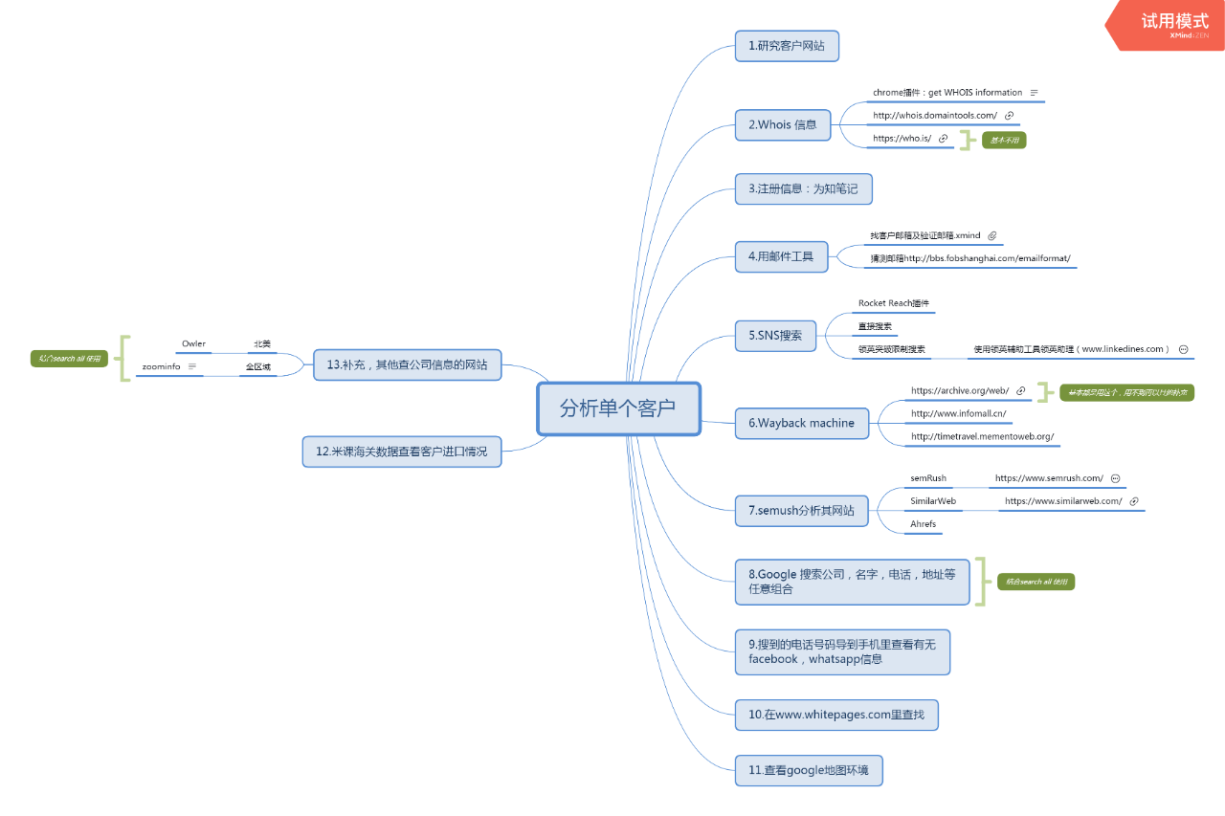
彩蛋网址 | http://haoweichi.com/ 能生成美国，英国，加拿大，德国，法国，西班牙等十多个国家身份信息和地址。

新年祝福
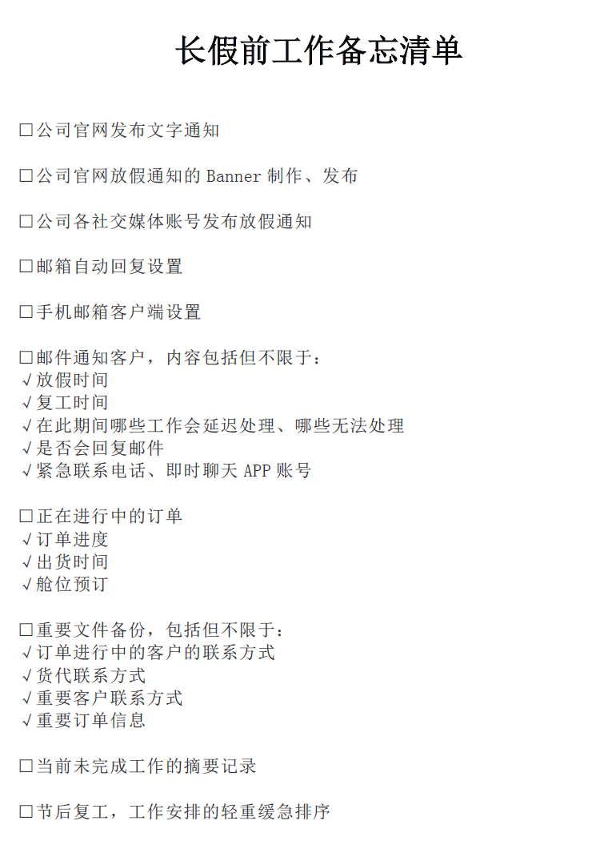
春节的及时通知和充分催单
通知客户我们的放假时间： | 提醒客户耐心等待包裹处理：
Dear XXX: We would like to take this opportunity to thank you for your kind support all this while. Please kindly be advised that our company will be closed from XXX to XXX, in observance of the Chinese traditional festival, Spring Festival. Any orders will be accepted but will not be processed until XXX, the first business day after the Spring Festival. Sorry for any inconvenience caused. Thanks & Best regards, | Dear valued customer, According to the coming Chinese New Year, I would like kindly to remind you that, the package would be delayed during this time. Owning to the New Year's holiday, the number of shipping package is greatly increasing, while the post office and customs will have holiday off during this time, which directly affect the handling time. We appreciate your understanding and patience. You are also welcome to contact us about more solutions. Yours Sincerely,
建议客户提前下单： | 通用型催单：
Dear XXX, Please note we will begin our holiday for Chinese New Year from XXX to XXX. We suggest you place orders in advance, and we could arrange pre-production process accordingly. Kindly contact our sales rep for any issues in this period. Sorry for the inconvenience of you! Best regards, | Subject: Secure Your Order Before the Spring Festival Rush - Act Now! Dear (客户名称）, I hope this message finds you well. With the Spring Festival on the horizon, I wanted to reach out and ensure that your inventory is well prepared for the upcoming seasonal demand. Our production schedule is filling up rapidly as we approach the holiday season, and we anticipate a significant increase in order volume in the coming weeks. To ensure that your orders are processed and delivered without delay, we kindly encourage you to place your orders before (具体的截止日期）. Placing your order now will not only secure your inventory but also provide you with a competitive edge in your market. With the pre-holiday rush, freight carriers may also experience delays, and by ordering early, we can work together to ensure timely delivery. Our team is ready to support you in finalizing your requirements and answer any questions you may have. We value our partnership and look forward to helping you maintain a smooth and successful operation during this busy period. Please do not hesitate to reach out for any assistance with your ordering process. We are here to ensure that your needs are met with the highest level of service. Warm regards,
引导客户尽快下单： | 通用型催单：
Dear XXX, We are pleased to inform you that our Chinese New Year holiday start from XXX to XXX. All the orders placed after XXX will be processed after we come back from holiday. Hence our office and warehouse are closed during the above period. Should you need any orders in the near future and/or need any assistance. Please feel free to contact us before our long holiday so that we can make work for you in advance. Happy New Year to you and your family! Thanks & Best regards, | Subject: Final Reminder: Place Your Orders Now to Avoid Spring Festival Delays Dear (客户名称）, As we rapidly approach our national Spring Festival holiday, I am writing to you with a gentle reminder about the upcoming production deadline. The festival period will commence from (具体假期开始日期）, during which our manufacturing facilities will be closed. We are committed to delivering your products on time, but to do so, we must receive your confirmed orders by (最后下单日期）. To facilitate a smooth transition and avoid any potential disruptions in supply, we encourage you to review your current stock levels and upcoming requirements. Your foresight in placing orders now will help ensure continuous availability of products for your valued customers. We understand that planning ahead can be challenging, but our team is here to assist you every step of the way. Please let us know if there are any projects or orders we can expedite on your behalf before our holiday shutdown. Thank you for your prompt attention to this matter, and we appreciate your understanding. We look forward to your orders and are excited to continue our fruitful cooperation in the coming year. Best regards,
催老客户在放假前付款： | 邮箱设置一个特殊的自动回复
Dear XXX, Thank you for being our customer. We are very grateful for your continued patronage and always treasure loyal customers like you. As you know the goods are ready for shipment, and we are worried about the freight rates going up towards CNY Holiday, please expedite the payment so we can proceed. Yours Sincerely, | 1. Your mail is well received. Our CNY Holidays last from XXX to XXX. I will get back to you once coming back to work. For anything urgent, please text me on WeChat, WhatsApp or simply call me. 2. Please be informed that our office will be closed from XXX to XXX for the Chinese New Year Holiday. The business will resume from XXX. If you have any urgent support issue during holidays, please contact me at WhatsApp. Thanks for your kind understanding.

撬客户
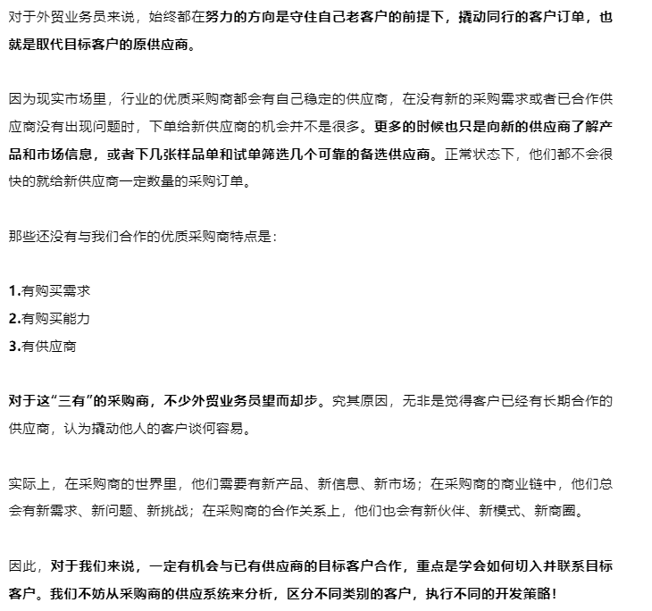
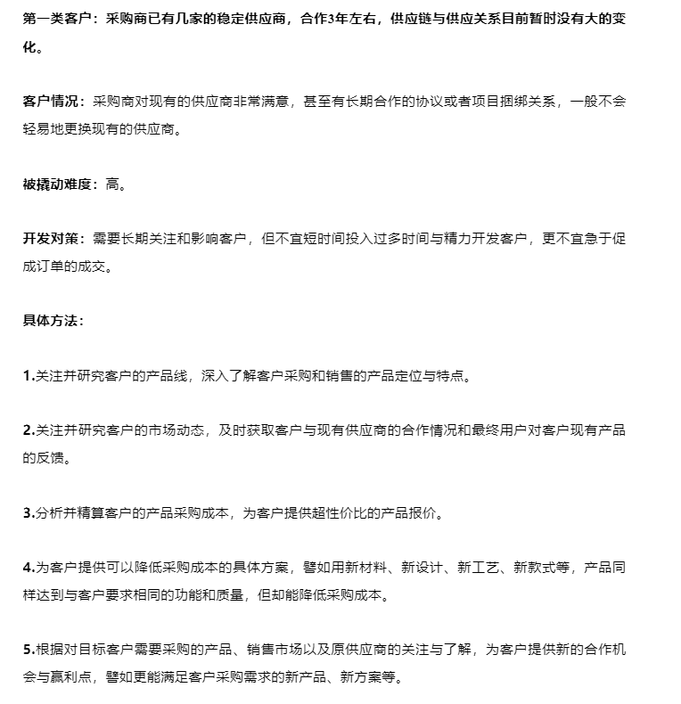

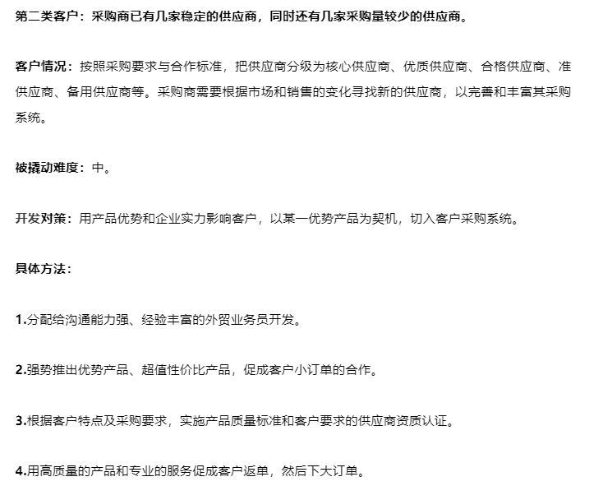

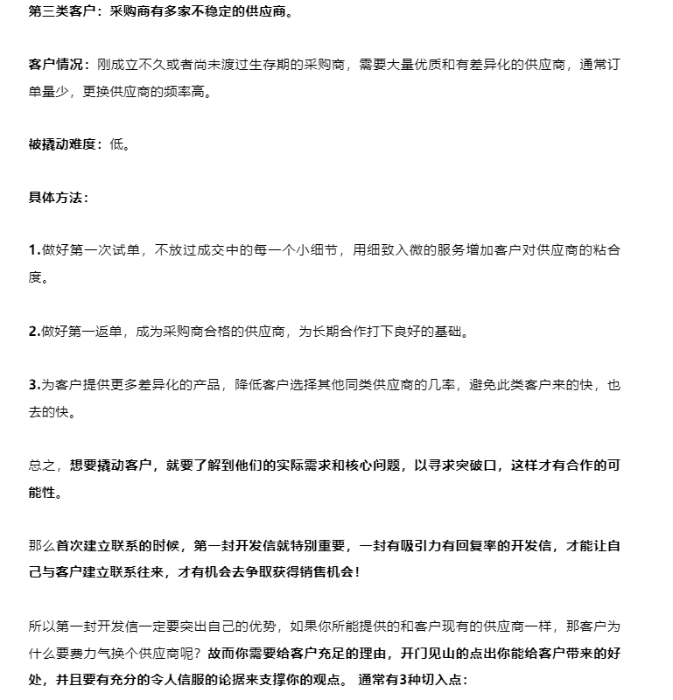

1.推荐新品：
Hi John, Good morning! We are a candidate vendor for XXX company, currently we are serving XXXX，XXXX customers (先给2个大客户的名字，最好是同目标客户时同类的). We have passed ISO9001, and our products has passed UPC certificate. We are very confident that you can rely on us as a capable vendor. I am writing to introduce a new product to you. This product is targeting 20-29 years’ lady. The sales in XXX market have proven to be very successful. Within only 2 months, the sales have reached 100000 units. I noticed from your web site, that 20-29 years’ lady is one of your major clientele, so introduction of product XXX should be a big sales hit for you. BTW, we have the samples ready. Do you want to evaluate this new product XXXX? Best regards,
2.克服问题： | 你要停下来思考自己的开发信是否能够打动客户？如果缺少力度，客户为什么要回复你呢？
Hi John, Good morning! I just visited your web site, and studied your customers’ feedback on your product XXXX. It sounds that your customers (390 customers remarked online) are demanding to: XXXXX 陈述一下客户潜在的问题。 We have successfully helped 20 customers solved this problem. XXXXX(描述一下细节，给点具体的信息。不要太详细，留个伏笔，下次再联系他) Very briefly about ABC Company, we have abundant experience serving XXXX，XXXX customers (先给2个大客户的名字，最好是同目标客户时同类的。). We have passed ISO9001, and our products has passed UPC certificate. We are very confident that you can rely on us as a capable vendor. May you give me a chance to present you more information on this? I will be glad to send you more detailed information upon your consent. Best regards, | 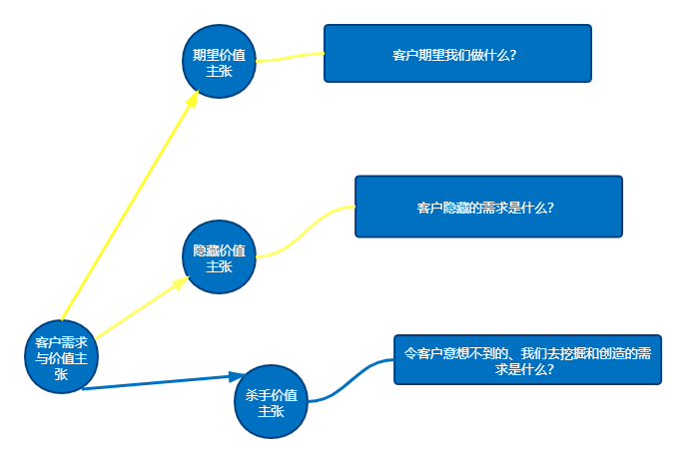
3.降低成本：
Hi John， Good morning! We are a candidate vendor for XXX company, currently we are serving XXXX，XXXX customers (先给2个大客户的名字，最好是同目标客户时同类的). I am writing to tell you, that we are able to cut your cost for XXX item by 20%, thanks to the current break-through innovation on the production process. The reduction in cost will not in any way influence the quality. We have passed ISO9001, and our products has passed UPC certificate. What products are you currently purchasing? May I make an offer to you based on these items for you to compare? Best regards, | 被打动的客户才会回复，所以开发信要千方百计抓住客户的兴趣，从标题开始就要处处能抓住客户的兴趣和注意力。 你能给客户带来什么好处，需要在标题的地方就点明。做足功课，调研客户的兴趣点，才能搔到客户的痒处。上客户网站、社交账号（Facebook、领英等）里分析，在Google、购物网站里研究该行业客户的特点和痛点。

价格谈判
如何回复询盘
如何回复询盘
给客户报价时通常都会包含着这些信息： 1.Product 产品名称： 我会重新确认名称，例如Melamine Powder 99.3% 2.Price价格： FOB价格或者是CIF价格。 3.Period Of Validity 价格有效期： 客户能够掌握时间，也为以后的跟踪埋下伏笔。还有就是如果有了有效期，客户出了有效期还不下单，就说明至少这次没有合作的可能了，你也不用那么煎熬的等待了。 4.Payment Method 付款条件： 付款条件是一种成本，如何影响客户的决定呢？ 5.Package包装情况： 这个因素用来同行比较，或者跟当地产品比较 6.Period Of shippment 交货期 7.Parameters Of Goods 主要的质量参数，或者产品等级： 这个也是对价格的一个设定，如果不表明这个条件，客户提出用低等品的价格成交优等品，你接吗？ 8.Advantage 优点： 样板工程，独特优势，亮点相关……这部分是为了突出我们产品的特性，即便价格稍高也能让客户不至于第一个我把我们淘汰。 | 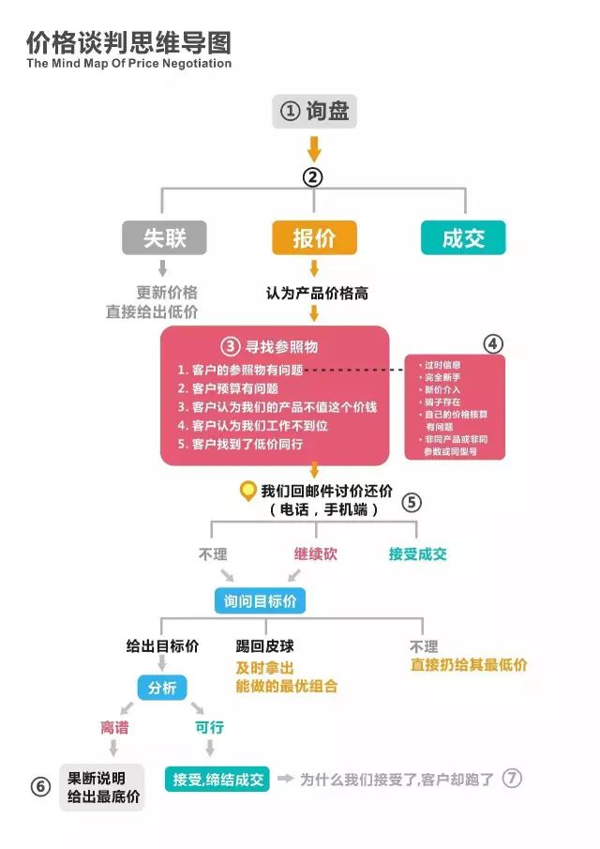
如何报价
现在绝大部分的报价都是这种模式： A.“西欧式报价”: 给出一个有余地的报价，然后给客户一点点的去降，一直到成交！这种报价模式称为。（较普遍，符合人的价格心理） B.“日本式报价”: 直接给出最低价，引起买家的购买兴趣
为啥我们接受了，客户却跑了
原因有五： 1.接受晚了，客户已经跟其他的供应商达成协议。 2.客户只是来打听价格，确认了价格好压原有供应商的价格。 3.问价格只是做样子给老板看，其中有潜规则。 4.客户只是转达意见，自己并没有决定权。 5.其他的可能性也有，例如，同行套价格，这种方式难以判断，尤其是当对方设置的很精密，找不到破绽的时候。

