사용법
사본생성하기 |  | 테스트 할 때 항상 '재생목록 중복곡 허용' 꼭 확인!
 |  | 편집 권한요청을 하는것이 아닌, 사본복사, 혹은 |  | 만약 엑셀이 손상되었다면 아래주소로
 |  | 파일 다운로드 후 수정하세요. |  | https://drive.google.com/drive/folders/1weS87kIu-2dqyI0LUmZkKoQvGiklWMyp?usp=drive_link
 |  | 문의

 | 1. 하단에 보면 멜론/지니 가 있습니다. 이 중 본인이 원클릭 스밍 만들 플랫폼을 선택합니다

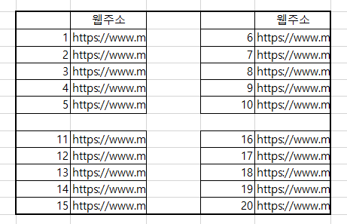

 | 2. 웹주소라고 적혀있는 곳에 인터넷에서 곡 주소를 복사해 붙여넣기 합니다(https://~가 모두 있어야됨)
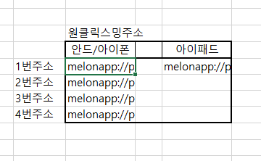

 | 3. 각각의 주소를 복사 한 후 압축링크를 만들어줍니다 (저는 ko.gl 사용합니다)
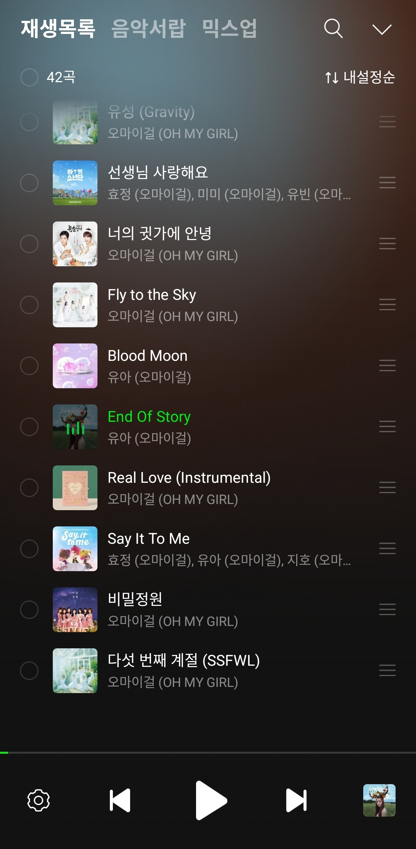

 |  |  | 4. 링크를 열고 재생목록에 추가가 된다면 끝

멜론
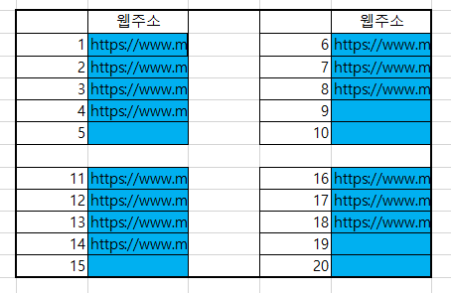

 |  |  |  | 파랑색으로 칠한 칸을 제외하고는 건들기 X

 | 웹주소 |  | 웹주소 |  | 원클릭스밍주소
1 | https://www.melon.com/song/detail.htm?songId=32907450 | 7 | https://www.melon.com/song/detail.htm?songId=32907450 |  | 안드/아이폰 | 아이패드
2 | https://www.melon.com/song/detail.htm?songId=31782686 | 8 | https://www.melon.com/song/detail.htm?songId=31782692 | 1번주소 | melonapp://play?menuid=0&ctype=1&cid=32907450,31782686,32559782,37022532 | melonapp://play?menuid=0&ctype=1&cid=32907450,31782686,32559782,37022532,32907450,31782692,30005308,31782690,33748468,30056069,32274694,32907454,34808395,34473830
3 | https://www.melon.com/song/detail.htm?songId=32559782 | 9 | https://www.melon.com/song/detail.htm?songId=30005308 | 2번주소 | melonapp://play?menuid=0&ctype=1&cid=,32907450,31782692,30005308
4 | https://www.melon.com/song/detail.htm?songId=37022532 | 10 |  | 3번주소 | melonapp://play?menuid=0&ctype=1&cid=,31782690,33748468,30056069,32274694
5 |  | 11 |  | 4번주소 | melonapp://play?menuid=0&ctype=1&cid=,32907454,34808395,34473830
6 |  | 12

13 | https://www.melon.com/song/detail.htm?songId=31782690 | 19 | https://www.melon.com/song/detail.htm?songId=32907454 | 위에 있는 링크로 압축주소 만들기!
14 | https://www.melon.com/song/detail.htm?songId=33748468 | 20 | https://www.melon.com/song/detail.htm?songId=34808395
15 | https://www.melon.com/song/detail.htm?songId=30056069 | 21 | https://www.melon.com/song/detail.htm?songId=34473830
16 | https://www.melon.com/song/detail.htm?songId=32274694 | 22
17 |  | 23
18 |  | 24

만약 스밍표를 4-3-4-3 으로 만들어야 된다면
아래 사진처럼 분할하면 됩니다

