Table 1
CPSAT Mock Exam 1 2021
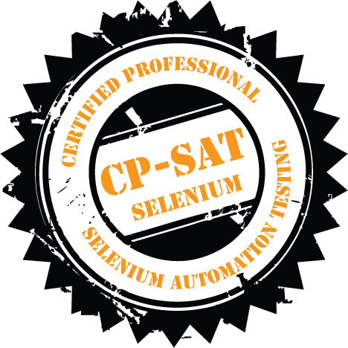 Exam Duration – 150 Minutes Key Examination points • If the program does not compile no marks will be given. If the program throws exception at a particular point the code beyond that point will not be considered. • Every Question should be solved by Creating a separate class for it – like Question1.java, Question2.Java etc. • You can use either of Chrome or Firefox browser to run the below test • Total marks for the question paper is 60 • Minimum marks to pass the practical exam is 60%

Question 1 10 marks – Do the following using TestNG.
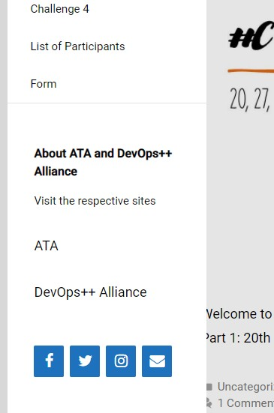 Please see images below to be used for below validation steps

1
2
• Visit https://mockexam1cpsat.agiletestingalliance.org/ • Click on the Hamburger Menu • Using findElements read all the menu items values and print on the system console. • For all the social media icons, find the respective urls of all the social media icons and print them on system console (1 in figure above) • Right click on all the social media icon one by one and open them in a new window. Get the title of the new window and print the same on the system console (2 in figure above)
Question 2: 14 marks – Do the following using TestNG.
Do the following steps in a data driven test format. Use @Dataprovider or similar way to execute the following steps for the given excel sheet below.
Refer the images below for the question steps
Test Name | Name | Designation | Organization Name | Expected Result | Actual Result(Write in a separate file)
Test 1 | Siddharth Polke | Software Test Team Lead | Amdocs | Pass | Matched
Test 2 | Hemant Mane | Scrum Master | Capgemini | Pass | Matched
Test 3 | Surbhi Sharma | Automation Test Engineer | Amdocs | Pass | Matched
Test 4 | Shrikrushna Chaudhari | Associate Software Engine | Amdocs | Pass | Matched
Test 5 | Shrikrushna Chaudhari | Scrum Master | Amdocs | Fail | Not Matched, Fail
• Visit https://mockexam1cpsat.agiletestingalliance.org/ • Click on the Hamburger Menu • Scroll down to List Of participants menu • Click on the List of Participants menu • Create a data driven test, such that for every row in the figure above, it is able to confirm if the details are true and match one of the rows for participant table or not. • If the details are matching, it should write to a separate file. e.g for Test 1, it should write Test 1 <details> Passed other wise failed.
Please note that every row must be run as a separate test. In other words, you should not validate all the rows of the excel sheet in one test.
Marks will be given only if the test is data driven. No marks will be given if the test is not data driven.
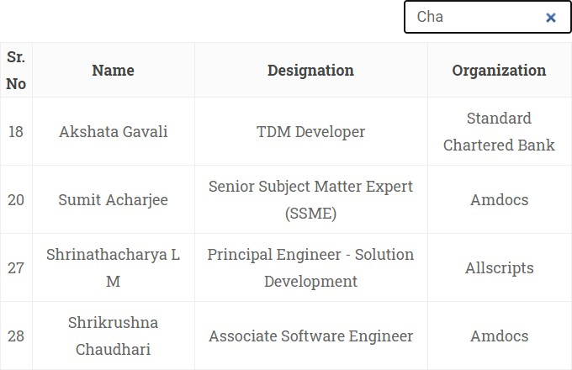 Question 3 : 12 marks – Do the following using JUnit. a. Visit https://mockexam1cpsat.agiletestingalliance.org/
b. Click on the Hamburger Menu c. Scroll down to List Of participants menu d. Click on the List of Participants menu e. Create a POM Question3POM for list of Participants page Following methods needs to be implemented in POM class A. List <String> searchParticipantName(String Name) The method in the POM class should be able to search for the participant name and return a list of Names found. e.g. on searching for “ch” it should return the respective names in a list. If no names are found it should return a blank list. B. List <String> searchParticipantDesignation(String Name) The method in the POM class should be able to search for the participant name and return a list of designations found for all the rows. e.g. on searching for “ch” it should return the respective designations in a list for all the rows. If no names are found it should return a blank list. Create a separate Junit Test, such that the above POM class object is created, the method/function are called and the values received from both the functions are printed on system console properly. Question 4. – 14 marks – do this in TestNg Please refer the following images for the questions below

 | 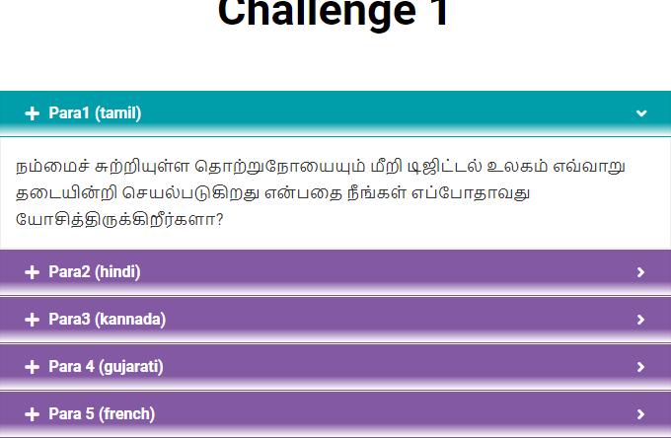
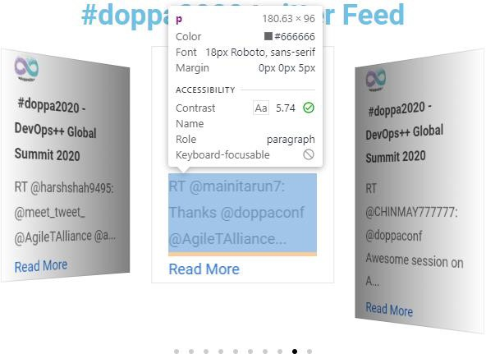 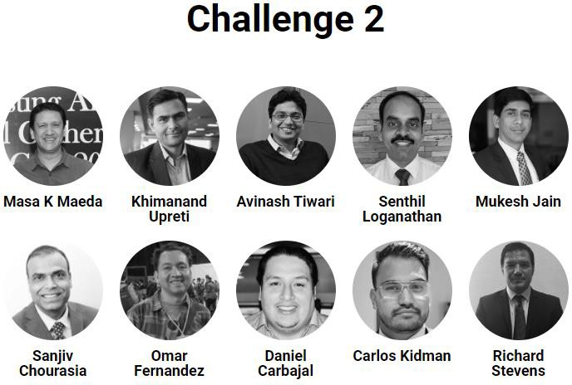 • Visit https://mockexam1cpsat.agiletestingalliance.org/ • Click on the Hamburger Menu • Click on Challenge 1

• Click on + signs for all the sections • Extract the content of the sections and print it on the system console • Take screenshot • Note the background color of the section bar before clicking the + sign and after clicking the sign. Print the color on system console. • Assert that the two colors are different • Open https://mockexam1cpsat.agiletestingalliance.org/index.php/challenge-2/ • Using findElements find the names of all the speakers and print the same on system console • Open https://mockexam1cpsat.agiletestingalliance.org/index.php/challenge-4/ • For all the carasoul tweets, read the message (highlighted) and print it on the system console Question 5. – Please ensure that there are utility class for creating appropriate browsers, taking screenshots, reading data from excel sheet and the utility class is used in all the questions above. If the utility class is not used no marks will be given. (2 marks) Question 6 – Create a Test Suite (TestNG or Junit or both) – depending on whether you have used Junit or TestNG – such that all the tests can be run together. - 8 marks 1. Suite creation for both Junit and TestNG - 4 marks (2 marks each) 2. The choice of browser to be used for running the respective test should be passed as a parameter. – parameter passing 4 marks (this can be done either in TestNG or in JUnit)

