Table 1
CPSAT Mock Exam 2 – 2021 (August 2021 Version 1.0)
 Exam Duration – 150 Minutes Key Examination points • If the program does not compile no marks will be given. If the program throws exception at a particular point the code beyond that point will not be considered. • Every Question should be solved by Creating a separate class for it – like Question1.java, Question2.Java etc. • You can use either of Chrome or Firefox browser to run the below test • Total marks for the question paper is 65 (There is bonus mark question 7). Maximum marks you can score is 60. Please read question number 7 for more details. • Minimum marks to pass the practical exam is 60% • Please submit all the relevant code files, xml files, utility java files, .xlsx(data files), POM file, Screen shot files and console text files. • If the code submitted is missing the relevant files, the compilation will fail and in that case no marks will be given for that question

Question 1 10 marks – Do the following using TestNG.
Please see the image below to be used for below validation steps:
Image 1.1
• Visit https://mockexam2cpsat.agiletestingalliance.org/ • Scroll down to Footer. • For all the social media icons, Using findElements, find the respective URLs of all the social
(Image 1.1)
media icons and print them on system console (2 marks)
• Right click on all the social media icon one by one and open them in a new window. Get the title of the new window and print the same on the system console (figure above) (3 marks)
see image 1.2 below
• Scroll up where the number of days etc. are shown ( |  |  |  | ), Extract the number of
days, hours, minutes, and seconds, convert to integer, and print on console. (3 marks) • Assert that the seconds and minutes are less than 60, and hours are less than 24 (2 mark)
Image 1.2

 |  | 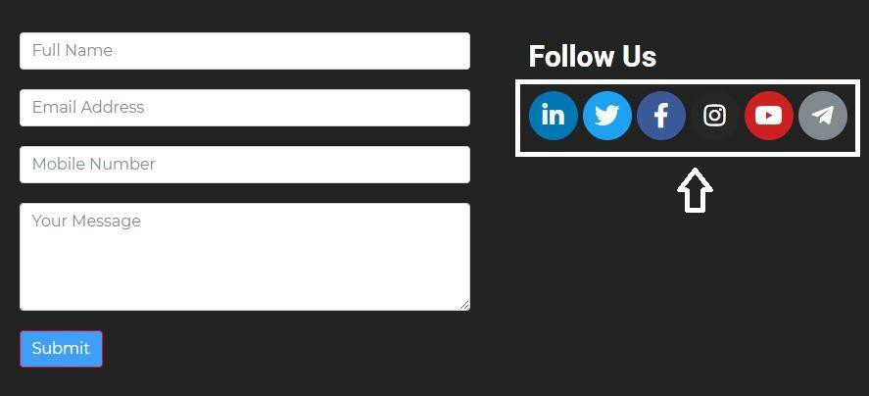

Question 2 - 15 marks – Do the following using TestNG or Junit5
Do the following steps in a data driven test format. If you are using TestNG please use @Dataprovider. if you are using Junit5 please use @ParameterizedTest to execute the following steps for the given excel sheet below.
Refer the image 2.1 below for the question
• Visit https://mockexam2cpsat.agiletestingalliance.org/ • Click on the “ABOUT” Menu • Scroll down to List of Candidates Table • Create a data driven test, such that for every row in the figure above, it is able to confirm if the details are true and match one of the rows for participant table or not. (10 marks) • If the details are matching, it should write to a separate file. e.g for Test 1, it should write Test 1 <details> Passed otherwise failed. (5 marks – applicable only if the previous step is done properly)
Please note that every row must be run as a separate test. In other words, you should not validate all the rows of the excel sheet in one test.
No marks will be given if the test is not data driven using the suggested annotations of TestNG or Junit5
Image 2.1

Question 3 - 10 marks – Do the following using JUnit.
a. Visit https://mockexam2cpsat.agiletestingalliance.org/ b. Click on the "ABOUT" Menu c. Scroll down to List Of Candidates (Image 3.1) d. Create a POM Question3POM for List of Candidates Table
Following methods needs to be implemented in POM class
A. List <String> searchYearWiseParticipants(String year) The method in the POM class should be able to search for the number of participants depending on the year passed as a parameter. So if the year parameter is sent as 199, it should return a list with two rows having the number of participants as per the figure below. (City 3 and City 4 -> number of candidates 6000+ and 8000+)
 | Image 3.1

Question 4 - 15 marks – do this in TestNg
a) Visit https://mockexam2cpsat.agiletestingalliance.org/ b) Click on the "ABOUT" Menu c) Scroll down to Accordian (Image 4.1) – 1 mark d) In a while loop (Using FindElements) – 5 marks • Click on + signs for all the sections • Extract the content of the sections and print it on the system console • Take screenshot of expanded section • Note the background color of the section bar before clicking the + sign and after clicking the sign. Print the color on system console. e) Scroll down to CP-SAT Advisory Board (Image 4.2) – 3 mark • Using findElements find the names of all the speakers and print the same on system console • In a loop open the hrefs and assert if the linkedin page opened is of correct speaker or not. (do not assert the hreft, you have to open the href and then check if the speaker name is present or not) f) Scroll down to #ATAGTR2021 Twitter Feed (Image 4.3) – 3 marks • For all the carousel tweets, read the message and print it on the system console
g) Go to the section where the logos of CPSAT are shown (image 4.4) – 3 marks • Take the mouse over the respective logos • Tool tips are shown – take a screen shot showing the tooltips for each logo • Extract the tool tip and print on the console for each of the logo
Please refer the following images for the question 4
Image 4.1

Image 4.2

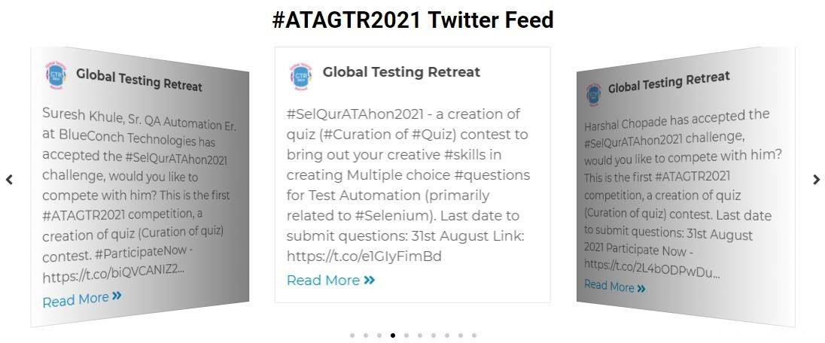
Image 4.3

Image 4.4

Question 5 - Please ensure that there are utility class for creating appropriate browsers, taking
screenshots, reading data from excel sheet and the utility class is used in all the questions above. If the
utility class is not used no marks will be given. (2 marks)

Question 6 - Create a Test Suite (TestNG or Junit or both) – depending on whether you have used Junit
or TestNG – such that all the tests can be run together. - 8 marks
1. Suite creation for any of the Junit or TestNG - 4 marks 2. The choice of browser to be used for running the respective test should be passed as a parameter. – parameter passing 4 marks (this can be done either in TestNG or in JUnit)
Selenium Grid - |  |  | Bonus Question – 5 marks

Question 7 – This question is a bonus question of 5 Marks. If your score crosses 60, the max marks will
be given as 60, in other words the bonus marks in this question would be awarded to the extent that
the score does not cross 60.
1. You should create your own Linux VM on GCP or any other cloud. Run Selenium Grid on the same (Take screenshot of the running hub and nodes clearly showing the IP address of the grid and the date and time stamp when the screenshot was taken should be visible). Remember You can use docker to run your hub and nodes. 2. Duplicate the code from any of your solutions (from question 1 to 4) such that it gets executed on the Grid in above step – Execute the program - Copy the console messages and save it in a text file – name it question7console.text 3. Submit the relevant .java files and any other xml suite files used to run the program on the grid.

