DEMAND
Demand

~FI_T:DEMAND
CommName | 2023 | 2025 | 2030 | 2035 | 2040 | 2045 | 2050
\I: Commodity Name | Annual Demand Value [PJ]
\I: Nazwa dobra (popytowego) | Roczna wartość popytu |  |  |  |  |  |  | 107 | TWh | Eurostat energy balance
ELEC_FIN | 392.40 |  |  | 791.60 | 941.33 |  | 1249.85 | Source: | Visualisation Platform | ENTSOs TYNDP 2024 Scenarios
HEAT_FIN |  |  |  |  |  |  |  | Netherlands, Electricity demand, climate year 2009, Distributed Energy

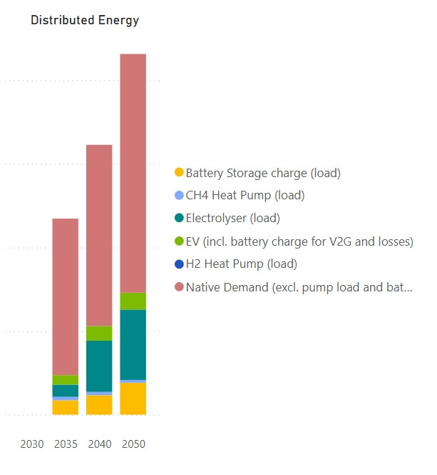

 |  |  |  |  |  |  |  |  |  |  |  |  | 2030 | 2040 | 2050 | 2023
 |  |  |  |  |  |  |  |  |  |  | Battery storage charge (load) |  | 17.23 | 23.35 | 38.27
 |  |  |  |  |  |  |  |  |  |  | CH4 Heat Pump (load) |  | 4.17 | 3.91 | 3.32
 |  |  |  |  |  |  |  |  |  |  | Electrolyser (load) |  | 14.61 | 61.27 | 84.2
 |  |  |  |  |  |  |  |  |  |  | EV (incl, battery charge for V2G + losses) |  | 11.34 | 17.47 | 20.13
 |  |  |  |  |  |  |  |  |  |  | H2 Heat Pump (load) |  | 0 | 0 | 0
 |  |  |  |  |  |  |  |  |  |  | Native demand (excl. pump load and battery charge) |  | 187.15 | 216.75 | 285.46
 |  |  |  |  |  |  |  |  |  |  | Sum [TWh] |  | 234.5 | 322.75 | 431.38 | 109
 |  |  |  |  |  |  |  |  |  |  |  | [GJ] | 844.2 | 1161.9 | 1552.968 | 392.4
 |  |  |  |  |  |  |  |  |  |  |  |  | 219.89 | 261.48 | 347.18

