revenue&graphs
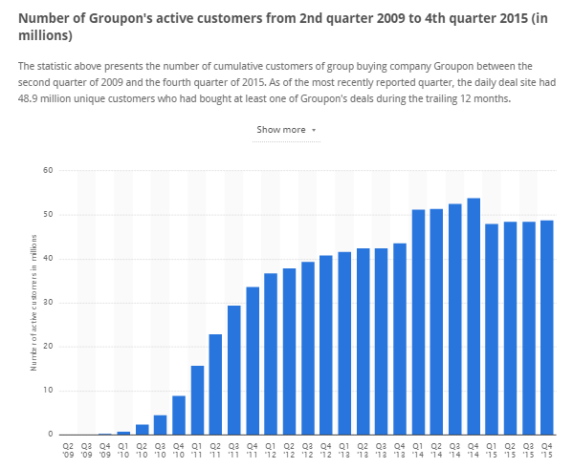
 |  |  |  | http://www.statista.com/statistics/273245/cumulative-active-customers-of-groupon/

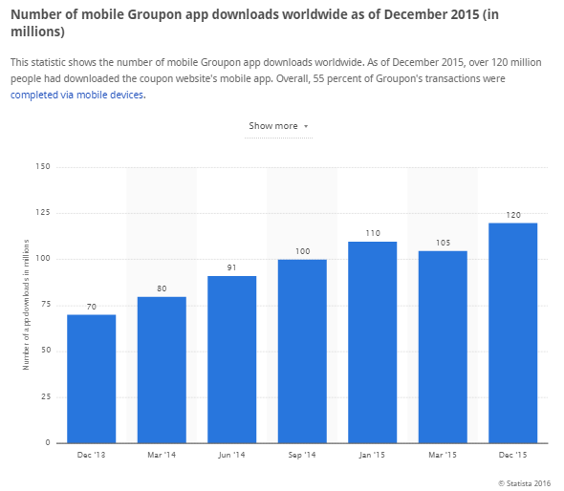
 |  |  |  |  |  |  |  |  |  |  | Table 1. Revenue per progect in 3 years period of time
 |  |  |  |  |  |  |  |  |  |  |  | 1 year 1Q | 1 year 2Q | 1 year 3Q | 1 year 4Q | 2 year 1Q | 2 year 2Q | 2 year 3Q | 2 year 4Q | 3 year 1Q | 3 year 2Q | 3 year 3Q | 3 year 4Q
 |  |  |  |  |  |  |  |  |  |  | % of current customers | 1.00% | 3.00% | 5.00% | 7.00% | 11.00% | 15.00% | 19.00% | 29.00% | 39.00% | 49.00% | 59.00% | 69.00% |  | Annual revenue
 |  |  |  |  |  |  |  |  |  |  | Number of current customers | 315,077 | 945,231 | 1,575,385 | 2,205,538 | 3,465,846 | 4,726,154 | 5,986,462 | 9,137,231 | 12,288,000 | 15,438,769 | 18,589,538 | 21,740,308 | 1 YEAR | 3,679,440.00
 |  |  |  |  |  |  |  |  |  |  | Avarege comission per purchise | 0.65 | 0.65 | 0.65 | 0.65 | 0.65 | 0.65 | 0.65 | 0.65 | 0.65 | 0.65 | 0.65 | 0.65 | 2 YEAR | 16,880,800.00
 |  |  |  |  |  |  |  |  |  |  | Revenue from Current customers | 204,800.00 | 614,400.00 | 1,024,000.00 | 1,433,600.00 | 2,252,800.00 | 3,072,000.00 | 3,891,200.00 | 5,939,200.00 | 7,987,200.00 | 10,035,200.00 | 12,083,200.00 | 14,131,200.00 | 3 YEAR | 49,528,640.00
 |  |  |  |  |  |  |  |  |  |  | % of potential customers | 1.00% | 1.50% | 2.00% | 2.50% | 4.50% | 6.50% | 8.50% | 10.50% | 15.50% | 20.50% | 25.50% | 30.50% |  | 70,088,880.00
 |  |  |  |  |  |  |  |  |  |  | Number of potential customers | 884,923 | 1,327,385 | 1,769,846 | 2,212,308 | 3,982,154 | 5,752,000 | 7,521,846 | 9,291,692 | 13,716,308 | 18,140,923 | 22,565,538 | 26,990,154
 |  |  |  |  |  |  |  |  |  |  | Avarege comission per purchise | 0.07 | 0.07 | 0.07 | 0.07 | 0.07 | 0.07 | 0.07 | 0.07 | 0.07 | 0.07 | 0.07 | 0.07 | [Growth rate = (Ending Value - Beginning Value) / Beginning Value]
 |  |  |  |  |  |  |  |  |  |  | Revenue from Potential customers | 57,520.00 | 86,280.00 | 115,040.00 | 143,800.00 | 258,840.00 | 373,880.00 | 488,920.00 | 603,960.00 | 891,560.00 | 1,179,160.00 | 1,466,760.00 | 1,754,360.00 | AAGR | 2.7609470759
 |  |  |  |  |  |  |  |  |  |  | Annual total revenue in USD |  |  |  | 3,679,440.00 |  |  |  | 16,880,800.00 |  |  |  | 49,528,640.00

 |  |  |  |  |  |  |  |  |  |  | 0.01
 | 48000000 |  |  |  |  |  | 120000000 | potentian basis

 |  |  | Ratio customers to appusers | 0.4

 |  |  |  | 48000000

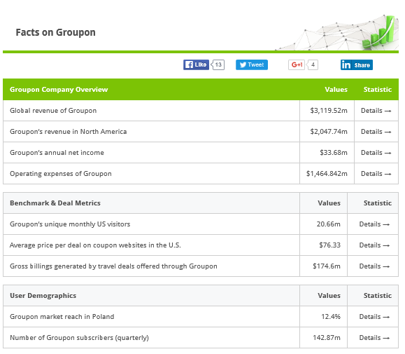
 |  |  |  |  | annual
 |  |  |  |  | 3120000000 |  |  |  |  |  | Growth rate | 0.02 |  |  | 0.04 |  |  |  | 0.1
 |  |  |  |  | 2048000000
 |  |  |  |  |  |  |  |  |  |  | 1 year 1Q | 2Q | 3Q | 4Q | 2 year 1Q | 2Q | 3Q | 4Q | 3 year 1Q | 2Q | 3Q | 4Q
 |  |  |  | Ratio of north america |  | 0.65641025641
 |  |  |  |  |  |  |  | av. Annual per customer |  | %of curcust | 0.01 | 0.03 | 0.05 | 0.07 | 0.11 | 0.15 | 0.19 | 0.29 | 0.39 | 0.49 | 0.59 | 0.69
 |  |  |  |  | Customers in north america |  | 31507692.308 | real basis |  | Current cust | 315076.92308 | 945230.76923 | 1575384.6154 | 2205538.4615 | 3465846.1538 | 4726153.8462 | 5986461.5385 | 9137230.7692 | 12288000 | 15438769.231 | 18589538.462 | 21740307.692
 |  |  |  |  |  |  |  | USD |  | Revenue CC | 204800 | 614400 | 1024000 | 1433600 | 2252800 | 3072000 | 3891200 | 5939200 | 7987200 | 10035200 | 12083200 | 14131200
 |  |  |  |  |  |  |  | 65 | 1.95 | annual rev CC |  |  |  | 3276800 |  |  |  | 15155200 |  |  |  | 44236800

 |  |  |  |  |  |  | comission per Q |  | 0.65
 |  |  |  |  |  |  |  |  |  |  | Growth rate | 0.005 |  |  | 0.02 |  |  |  | 0.05

 |  |  |  |  |  |  |  |  |  |  | 1 year 1Q | 2Q | 3Q | 4Q | 2 year 1Q | 2Q | 3Q | 4Q | 3 year 1Q | 2Q | 3Q | 4Q

 |  |  |  |  | Potential Customers |  |  |  | 88492307.692 | %of potcust | 0.01 | 0.015 | 0.02 | 0.025 | 0.045 | 0.065 | 0.085 | 0.105 | 0.155 | 0.205 | 0.255 | 0.305
 |  |  |  |  |  |  |  |  | 0.065 | Potent cust | 884923.07692 | 1327384.6154 | 1769846.1538 | 2212307.6923 | 3982153.8462 | 5752000 | 7521846.1538 | 9291692.3077 | 13716307.692 | 18140923.077 | 22565538.462 | 26990153.846
 |  |  |  |  |  |  |  |  |  | Revenue PP | 57520 | 86280 | 115040 | 143800 | 258840 | 373880 | 488920 | 603960 | 891560 | 1179160 | 1466760 | 1754360
 |  |  |  |  |  |  |  |  |  | annual rev PP |  |  |  | 402640 |  |  |  | 1725600 |  |  |  | 5291840

 |  |  |  |  |  |  |  |  |  | Annual Total Revenue |  |  |  | 3,679,440.00 |  |  |  | 16,880,800.00 |  |  |  | 49,528,640.00

 |  |  |  |  |  |  | Investments |  | 750,000.00 | ROI |  |  |  | 4.91 |  |  |  | 22.51 |  |  |  | 66.04

Number og Grupon subscribers (quaterly) |  | 142.87 m
Global Revenue of Groupon |  | 3119.52 m

