revenue&graphs
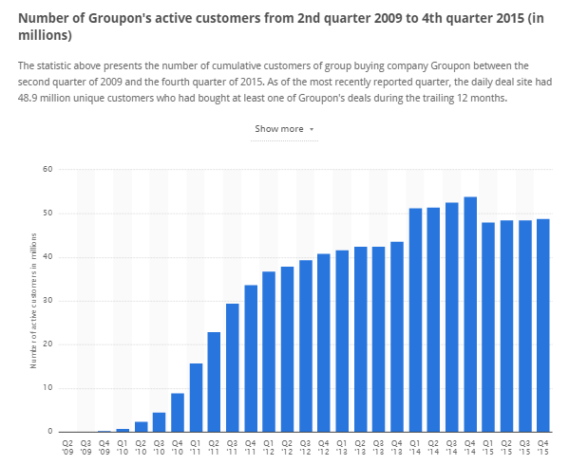
 |  |  |  | http://www.statista.com/statistics/273245/cumulative-active-customers-of-groupon/

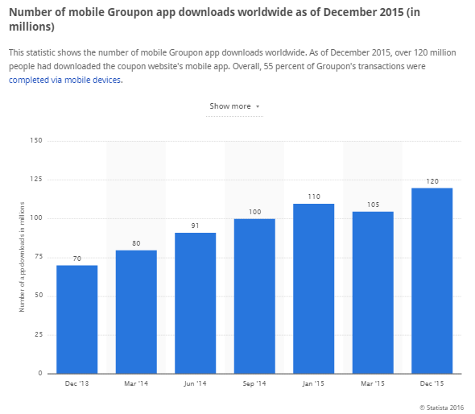
 |  |  |  |  |  |  |  |  |  |  | Table 1. Revenue per project in 3 years period of time
 |  |  |  |  |  |  |  |  |  |  |  | 1 year 1Q | 1 year 2Q | 1 year 3Q | 1 year 4Q | 2 year 1Q | 2 year 2Q | 2 year 3Q | 2 year 4Q | 3 year 1Q | 3 year 2Q | 3 year 3Q | 3 year 4Q
 |  |  |  |  |  |  |  |  |  |  | % of current customers | 1.00% | 3.00% | 5.00% | 7.00% | 11.00% | 15.00% | 19.00% | 29.00% | 39.00% | 49.00% | 59.00% | 69.00% |  | Annual revenue
 |  |  |  |  |  |  |  |  |  |  | Number of current customers | 315,077 | 945,231 | 1,575,385 | 2,205,538 | 3,465,846 | 4,726,154 | 5,986,462 | 9,137,231 | 12,288,000 | 15,438,769 | 18,589,538 | 21,740,308 | 1 YEAR | 4,553,253.33
 |  |  |  |  |  |  |  |  |  |  | Avarege comission per purchase | 0.82 | 0.82 | 0.82 | 0.82 | 0.82 | 0.82 | 0.82 | 0.82 | 0.82 | 0.82 | 0.82 | 0.82 | 2 YEAR | 20,922,186.67
 |  |  |  |  |  |  |  |  |  |  | Revenue from Current customers | 259,413.33 | 778,240.00 | 1,297,066.67 | 1,815,893.33 | 2,853,546.67 | 3,891,200.00 | 4,928,853.33 | 7,522,986.67 | 10,117,120.00 | 12,711,253.33 | 15,305,386.67 | 17,899,520.00 | 3 YEAR | 61,325,120.00
 |  |  |  |  |  |  |  |  |  |  | % of potential customers | 1.00% | 1.50% | 2.00% | 2.50% | 4.50% | 6.50% | 8.50% | 10.50% | 15.50% | 20.50% | 25.50% | 30.50% |  | 86,800,560.00
 |  |  |  |  |  |  |  |  |  |  | Number of potential customers | 884,923 | 1,327,385 | 1,769,846 | 2,212,308 | 3,982,154 | 5,752,000 | 7,521,846 | 9,291,692 | 13,716,308 | 18,140,923 | 22,565,538 | 26,990,154
 |  |  |  |  |  |  |  |  |  |  | Avarege comission per purchase | 0.08 | 0.08 | 0.08 | 0.08 | 0.08 | 0.08 | 0.08 | 0.08 | 0.08 | 0.08 | 0.08 | 0.08 | [Growth rate = (Ending Value - Beginning Value) / Beginning Value]
 |  |  |  |  |  |  |  |  |  |  | Revenue from Potential customers | 57,520.00 | 86,280.00 | 115,040.00 | 143,800.00 | 258,840.00 | 373,880.00 | 488,920.00 | 603,960.00 | 891,560.00 | 1,179,160.00 | 1,466,760.00 | 1,754,360.00 | AAGR | 2.7630509962
 |  |  |  |  |  |  |  |  |  |  | Annual total revenue in USD |  |  |  | 4,553,253.33 |  |  |  | 20,922,186.67 |  |  |  | 61,325,120.00

 |  |  |  |  |  |  |  |  |  |  | 0.01
 | 48000000 |  |  |  |  |  | 120000000 | potentian basis

 |  |  | Ratio customers to appusers | 0.4

 |  |  |  | 48000000

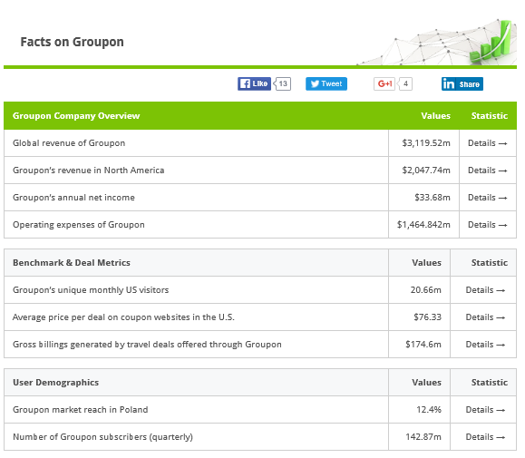
 |  |  |  |  | annual
 |  |  |  |  | 3120000000 |  |  |  |  |  | Growth rate | 0.02 |  |  | 0.04 |  |  |  | 0.1
 |  |  |  |  | 2048000000
 |  |  |  |  |  |  |  |  |  |  | 1 year 1Q | 2Q | 3Q | 4Q | 2 year 1Q | 2Q | 3Q | 4Q | 3 year 1Q | 2Q | 3Q | 4Q
 |  |  |  | Ratio of north america |  | 0.65641025641
 |  |  |  |  |  |  |  | av. Annual per customer |  | %of curcust | 0.01 | 0.03 | 0.05 | 0.07 | 0.11 | 0.15 | 0.19 | 0.29 | 0.39 | 0.49 | 0.59 | 0.69
 |  |  |  |  | Customers in North America |  | 31507692.308 | real basis |  | Current cust | 315076.92308 | 945230.76923 | 1575384.6154 | 2205538.4615 | 3465846.1538 | 4726153.8462 | 5986461.5385 | 9137230.7692 | 12288000 | 15438769.231 | 18589538.462 | 21740307.692
 |  |  |  |  |  |  |  | USD |  | Revenue CC | 259413.33333 | 778240 | 1297066.6667 | 1815893.3333 | 2853546.6667 | 3891200 | 4928853.3333 | 7522986.6667 | 10117120 | 12711253.333 | 15305386.667 | 17899520
 |  |  |  |  |  |  |  | 65 | 2.47 | annual rev CC |  |  |  | 4150613.3333 |  |  |  | 19196586.667 |  |  |  | 56033280

 |  |  |  |  |  |  | comission per Q |  | 0.82333333333
 |  |  |  |  |  |  |  |  |  |  | Growth rate | 0.005 |  |  | 0.02 |  |  |  | 0.05

 |  |  |  |  |  |  |  |  |  |  | 1 year 1Q | 2Q | 3Q | 4Q | 2 year 1Q | 2Q | 3Q | 4Q | 3 year 1Q | 2Q | 3Q | 4Q

 |  |  |  |  | Potential Customers |  |  |  | 88492307.692 | %of potcust | 0.01 | 0.015 | 0.02 | 0.025 | 0.045 | 0.065 | 0.085 | 0.105 | 0.155 | 0.205 | 0.255 | 0.305
 |  |  |  |  |  |  |  |  | 0.082333333333 | Potent cust | 884923.07692 | 1327384.6154 | 1769846.1538 | 2212307.6923 | 3982153.8462 | 5752000 | 7521846.1538 | 9291692.3077 | 13716307.692 | 18140923.077 | 22565538.462 | 26990153.846
 |  |  |  |  |  |  |  |  |  | Revenue PP | 72858.666667 | 109288 | 145717.33333 | 182146.66667 | 327864 | 473581.33333 | 619298.66667 | 765016 | 1129309.3333 | 1493602.6667 | 1857896 | 2222189.3333
 |  |  |  |  |  |  |  |  |  | annual rev PP |  |  |  | 510010.66667 |  |  |  | 2185760 |  |  |  | 6702997.3333

 |  |  |  |  |  |  |  |  |  | Annual Total Revenue |  |  |  | 4,660,624.00 |  |  |  | 21,382,346.67 |  |  |  | 62,736,277.33

 |  |  |  |  |  |  | Investments |  | 750,000.00 | ROI |  |  |  | 6.21 |  |  |  | 28.51 |  |  |  | 83.65

Number of Grupon subscribers (quaterly) |  | 142.87 m
Global Revenue of Groupon |  | 3119.52 m

