basis for profit graphs
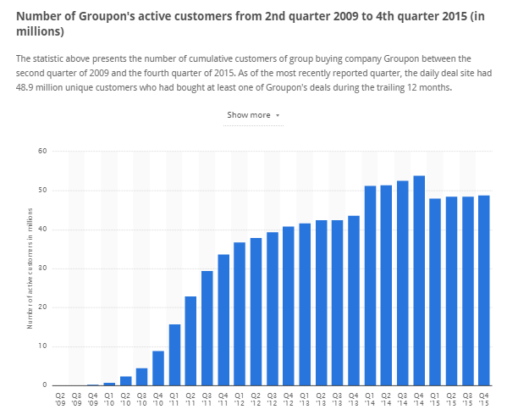
 |  | http://www.statista.com/statistics/273245/cumulative-active-customers-of-groupon/

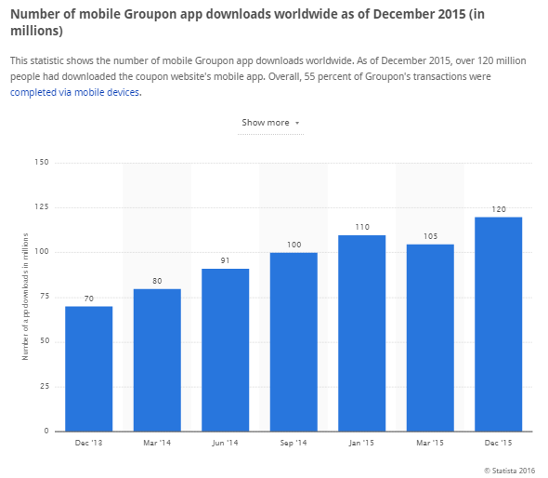

 |  |  |  |  |  |  |  |  | 0.01
48000000 |  |  |  |  | 120000000 | potentian basis

 | Ratio customers to appusers | 0.4

 |  | 48000000

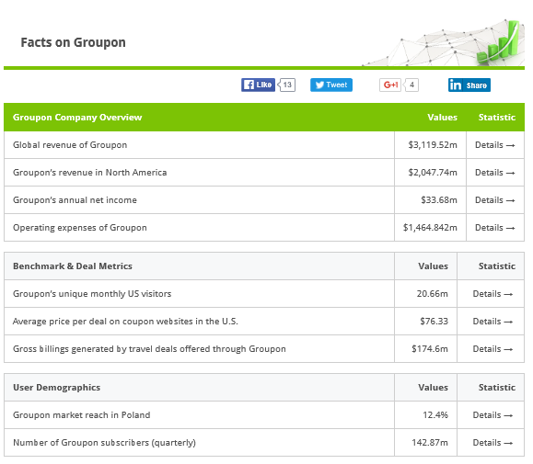
 |  |  | annual
 |  |  | 3120000000 |  |  |  |  |  | Growth rate | 0.02 |  |  | 0.04 |  |  |  | 0.1
 |  |  | 2048000000
 |  |  |  |  |  |  |  |  | 1 year 1Q | 2Q | 3Q | 4Q | 2 year 1Q | 2Q | 3Q | 4Q | 3 year 1Q | 2Q | 3Q | 4Q
 |  | Ratio of north america |  | 0.65641025641
 |  |  |  |  |  | av. Annual per customer |  | %of curcust | 0.01 | 0.03 | 0.05 | 0.07 | 0.11 | 0.15 | 0.19 | 0.29 | 0.39 | 0.49 | 0.59 | 0.69
 |  |  | Customers in north america |  | 31507692.308 | real basis |  | Current cust | 315076.92308 | 945230.76923 | 1575384.6154 | 2205538.4615 | 3465846.1538 | 4726153.8462 | 5986461.5385 | 9137230.7692 | 12288000 | 15438769.231 | 18589538.462 | 21740307.692
 |  |  |  |  |  | USD |  | Revenue CC | 204800 | 614400 | 1024000 | 1433600 | 2252800 | 3072000 | 3891200 | 5939200 | 7987200 | 10035200 | 12083200 | 14131200
 |  |  |  |  |  | 65 | 1.95 | annual rev CC |  |  |  | 3276800 |  |  |  | 15155200 |  |  |  | 44236800

 |  |  |  |  | comission per Q |  | 0.65

