RQ1_Results
Spelling errors analyis
Category (on the entire dataset) | Total # of words | Min # of words | Max # of words | Median # of words | Mean # of words | Total # of Spelling Errors | Average # of Spelling Errors (Ratio = spell error/all) | Min # of Errors | Max # of Errors | Median # of Errors | Mean # of errors per messsage
Relevant to Streamer | 12831 | 0 | 74 | 7 | 8.8246217331 | 959 | 0.074740861975 | 0 | 11 | 0 | 0.65955983494
Irrelevant to Streamer | 9902 | 0 | 102 | 2 | 3.8877110326 | 1843 | 0.18612401535 | 0 | 26 | 0 | 0.72359638791
 | ADD STATISTICAL DIFF BTW THE MEANS for the above table |  |  |  |  | 0.66366782007 | 7.4740861975
 |  |  |  |  |  |  | 0.074740861975

Duplicate words analysis
Category (on the entire dataset) | Min # of dup. | Max # of dup. | Mean # of dup. | Median # of dup. | Average # of dup. |  | Cloud words
Relevant to Streamer | 0 | 15 | 0.407 | 0 | 0.04 |  | Category (on the entire dataset)
Irrelevant to Streamer | 0 | 26 | 0.27 | 0 | 0.06 |  | Relevant to Streamer | stream | code | use | thank | good
 | ADD STATISTICAL DIFF BTW THE MEANS for the above table |  |  |  |  |  | Irrelevant to Streamer | #NAME? | !drop | subscriped | lol | hello

punctuation analysis
Category (on the entire dataset) | Min # of punc. | Max # of punc. | Mean # of punc. | Median # of punc. | Average # of punc. | Total # of Punc.
Relevant to Streamer | 0 | 33 | 1.5 | 1 | 0.17 | 2223
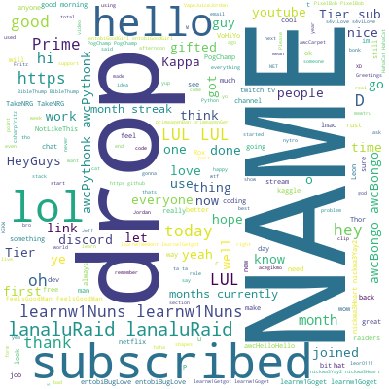
Irrelevant to Streamer | 0 | 80 | 1.08 | 0 | 0.28 | 2758
 | ADD STATISTICAL DIFF BTW THE MEANS for the above table

